fig_1-3b, scatter_df
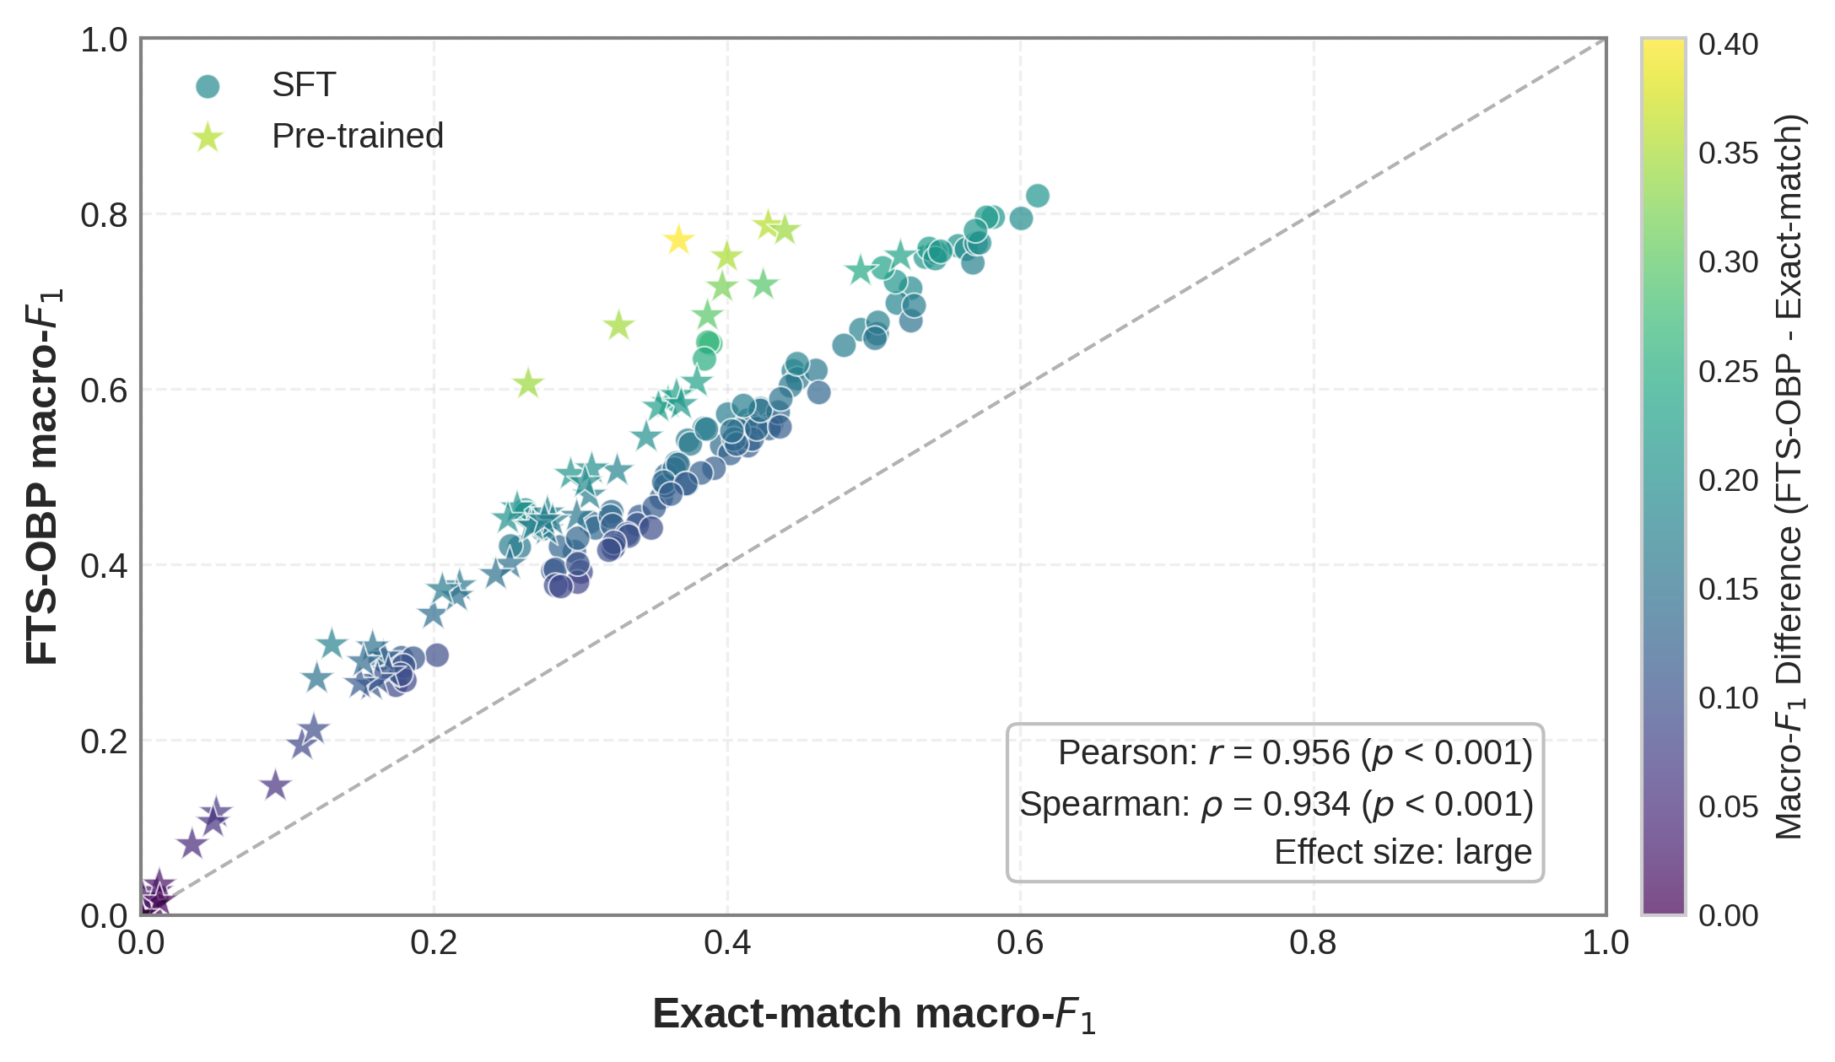
model | task | exact_match | fts_obp | type | diff
GPT-4o_0S | OE | 0.42807471968 | 0.78633707979 | Pre-trained | 0.35826236011
GPT-4o_0S | AOPE | 0.35975477248 | 0.58444590856 | Pre-trained | 0.22469113608
GPT-4o_0S | AOC | 0.25674185407 | 0.46448917479 | Pre-trained | 0.20774732071
GPT-4o_0S | ASTE | 0.35315844643 | 0.57924879318 | Pre-trained | 0.22609034674
GPT-4o_0S | ASQE | 0.27691857636 | 0.43926929678 | Pre-trained | 0.16235072043
GPT-4o_4S | OE | 0.4394841833 | 0.78085286825 | Pre-trained | 0.34136868494
GPT-4o_4S | AOPE | 0.37943138598 | 0.60778595963 | Pre-trained | 0.22835457365
GPT-4o_4S | AOC | 0.30620446015 | 0.47900901632 | Pre-trained | 0.17280455617
GPT-4o_4S | ASTE | 0.36550811175 | 0.59273140723 | Pre-trained | 0.22722329548
GPT-4o_4S | ASQE | 0.29741887601 | 0.45488806643 | Pre-trained | 0.15746919042
GPT-4o-mini_0S | OE | 0.36707784713 | 0.76944880953 | Pre-trained | 0.4023709624
GPT-4o-mini_0S | AOPE | 0.29330392592 | 0.50263654891 | Pre-trained | 0.20933262298
GPT-4o-mini_0S | AOC | 0.19948747629 | 0.3431753908 | Pre-trained | 0.14368791451
GPT-4o-mini_0S | ASTE | 0.25041585157 | 0.45203507345 | Pre-trained | 0.20161922189
GPT-4o-mini_0S | ASQE | 0.16556833968 | 0.29447178933 | Pre-trained | 0.12890344965
GPT-4o-mini_4S | OE | 0.39992673875 | 0.75072777093 | Pre-trained | 0.35080103218
GPT-4o-mini_4S | AOPE | 0.36870819109 | 0.58236100873 | Pre-trained | 0.21365281764
GPT-4o-mini_4S | AOC | 0.25172745018 | 0.40014274669 | Pre-trained | 0.14841529651
GPT-4o-mini_4S | ASTE | 0.34489067052 | 0.54527670505 | Pre-trained | 0.20038603453
GPT-4o-mini_4S | ASQE | 0.24211523374 | 0.38839028689 | Pre-trained | 0.14627505316
Llama3-70b_0S | OE | 0.49114319397 | 0.73461103809 | Pre-trained | 0.24346784412
Llama3-70b_0S | AOPE | 0.27739137497 | 0.45869915011 | Pre-trained | 0.18130777514
Llama3-70b_0S | AOC | 0.16885065703 | 0.27692968725 | Pre-trained | 0.10807903022
Llama3-70b_0S | ASTE | 0.2659102791 | 0.44340806242 | Pre-trained | 0.17749778331
Llama3-70b_0S | ASQE | 0.1574578283 | 0.26216733112 | Pre-trained | 0.10470950282
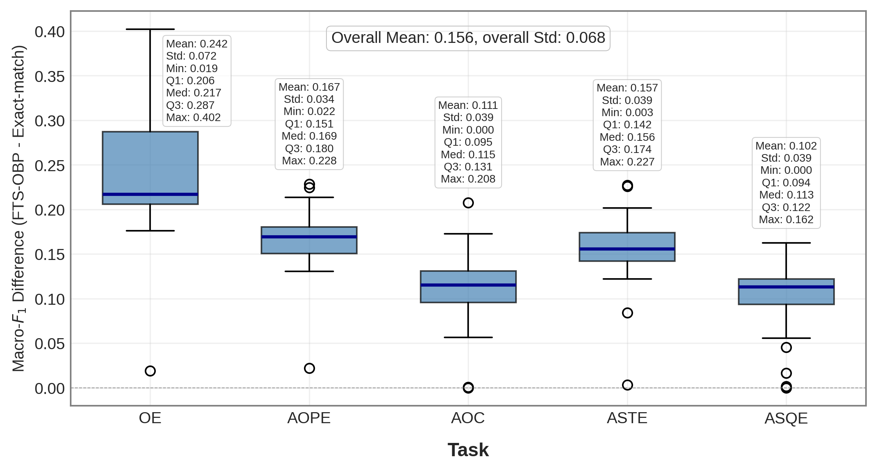
Llama3-70b_4S | OE | 0.51838371241 | 0.75163286532 | Pre-trained | 0.23324915291
Llama3-70b_4S | AOPE | 0.32504336224 | 0.50690883487 | Pre-trained | 0.18186547264
Llama3-70b_4S | AOC | 0.21745160673 | 0.37557365863 | Pre-trained | 0.1581220519
Llama3-70b_4S | ASTE | 0.30765768546 | 0.5089659797 | Pre-trained | 0.20130829424
Llama3-70b_4S | ASQE | 0.21552300692 | 0.36349687494 | Pre-trained | 0.14797386802
Llama3-8b_0S | OE | 0.38663056726 | 0.68360281334 | Pre-trained | 0.29697224607
Llama3-8b_0S | AOPE | 0.15809938277 | 0.30593063124 | Pre-trained | 0.14783124847
Llama3-8b_0S | AOC | 0 | 0.00066666666667 | Pre-trained | 0.00066666666667
Llama3-8b_0S | ASTE | 0.10991949714 | 0.19388537832 | Pre-trained | 0.083965881171
Llama3-8b_0S | ASQE | 0.010505944539 | 0.026859331758 | Pre-trained | 0.016353387219
Llama3-8b_4S | OE | 0.42468516921 | 0.71869841159 | Pre-trained | 0.29401324238
Llama3-8b_4S | AOPE | 0.28094145583 | 0.44971201159 | Pre-trained | 0.16877055575
Llama3-8b_4S | AOC | 0.1613173645 | 0.26883033173 | Pre-trained | 0.10751296723
Llama3-8b_4S | ASTE | 0.26756457858 | 0.44378047498 | Pre-trained | 0.1762158964
Llama3-8b_4S | ASQE | 0.14940114057 | 0.2640728814 | Pre-trained | 0.11467174083
Phi4-mini-instruct_0S | OE | 0.3261766277 | 0.67175657244 | Pre-trained | 0.34557994473
Phi4-mini-instruct_0S | AOPE | 0.20569517411 | 0.3713387525 | Pre-trained | 0.1656435784
Phi4-mini-instruct_0S | AOC | 0.051410535543 | 0.11686541674 | Pre-trained | 0.065454881194
Phi4-mini-instruct_0S | ASTE | 0.15186490088 | 0.28893647891 | Pre-trained | 0.13707157802
Phi4-mini-instruct_0S | ASQE | 0.0090505050505 | 0.010717171717 | Pre-trained | 0.0016666666667
Phi4-mini-instruct_4S | OE | 0.39674633437 | 0.71629430637 | Pre-trained | 0.319547972
Phi4-mini-instruct_4S | AOPE | 0.30303252228 | 0.49341655226 | Pre-trained | 0.19038402999
Phi4-mini-instruct_4S | AOC | 0.11798267962 | 0.2115640021 | Pre-trained | 0.093581322482
Phi4-mini-instruct_4S | ASTE | 0.27530681698 | 0.45060289676 | Pre-trained | 0.17529607978
Phi4-mini-instruct_4S | ASQE | 0.091816439589 | 0.1472707251 | Pre-trained | 0.055454285511
Qwen2.5-1.5B-instruct_0S | OE | 0.0011111111111 | 0.020021645022 | Pre-trained | 0.018910533911
Qwen2.5-1.5B-instruct_0S | AOPE | 0.012601851852 | 0.034425925926 | Pre-trained | 0.021824074074
Qwen2.5-1.5B-instruct_0S | AOC | 0 | 0 | Pre-trained | 0
Qwen2.5-1.5B-instruct_0S | ASTE | 0.012777777778 | 0.015777777778 | Pre-trained | 0.003
Qwen2.5-1.5B-instruct_0S | ASQE | 0 | 0 | Pre-trained | 0
Qwen2.5-1.5B-instruct_4S | OE | 0.26431750968 | 0.60553645077 | Pre-trained | 0.34121894109
Qwen2.5-1.5B-instruct_4S | AOPE | 0.13028554955 | 0.30832291825 | Pre-trained | 0.1780373687
Qwen2.5-1.5B-instruct_4S | AOC | 0.04920724324 | 0.10567805243 | Pre-trained | 0.056470809195
Qwen2.5-1.5B-instruct_4S | ASTE | 0.12008806602 | 0.26982360021 | Pre-trained | 0.14973553419
Qwen2.5-1.5B-instruct_4S | ASQE | 0.03495004995 | 0.080326870297 | Pre-trained | 0.045376820347
LoRA_Phi4_200_R4_MT_0S | OE | 0.52531375064 | 0.71480610515 | SFT | 0.18949235451
LoRA_Phi4_200_R4_MT_0S | AOPE | 0.3655164515 | 0.51552110208 | SFT | 0.15000465058
LoRA_Phi4_200_R4_MT_0S | AOC | 0.29580017044 | 0.41439127967 | SFT | 0.11859110923
LoRA_Phi4_200_R4_MT_0S | ASTE | 0.35845314576 | 0.50145770001 | SFT | 0.14300455426
LoRA_Phi4_200_R4_MT_0S | ASQE | 0.28106036928 | 0.39260493168 | SFT | 0.1115445624
LoRA_Phi4_200_R4_MT_4S | OE | 0.51613379123 | 0.69778118904 | SFT | 0.18164739781
LoRA_Phi4_200_R4_MT_4S | AOPE | 0.32133089103 | 0.45993699238 | SFT | 0.13860610135
LoRA_Phi4_200_R4_MT_4S | AOC | 0.20208241138 | 0.29627425959 | SFT | 0.094191848206
LoRA_Phi4_200_R4_MT_4S | ASTE | 0.30626174474 | 0.44789624267 | SFT | 0.14163449793
LoRA_Phi4_200_R4_MT_4S | ASQE | 0.17389754309 | 0.26186223833 | SFT | 0.087964695237
LoRA_Phi4_200_R8_MT_0S | OE | 0.51492830747 | 0.722420126 | SFT | 0.20749181853
LoRA_Phi4_200_R8_MT_0S | AOPE | 0.38438866767 | 0.55509980171 | SFT | 0.17071113405
LoRA_Phi4_200_R8_MT_0S | AOC | 0.31013941203 | 0.44121502422 | SFT | 0.13107561219
LoRA_Phi4_200_R8_MT_0S | ASTE | 0.37306537871 | 0.54139174615 | SFT | 0.16832636743
LoRA_Phi4_200_R8_MT_0S | ASQE | 0.28628388172 | 0.41985835744 | SFT | 0.13357447572
LoRA_Phi4_200_R8_MT_4S | OE | 0.53530893359 | 0.75019821733 | SFT | 0.21488928374
LoRA_Phi4_200_R8_MT_4S | AOPE | 0.40038998566 | 0.57120136459 | SFT | 0.17081137893
LoRA_Phi4_200_R8_MT_4S | AOC | 0.32039545773 | 0.45452676092 | SFT | 0.13413130319
LoRA_Phi4_200_R8_MT_4S | ASTE | 0.37493500749 | 0.53717654912 | SFT | 0.16224154163
LoRA_Phi4_200_R8_MT_4S | ASQE | 0.2980752378 | 0.42970970298 | SFT | 0.13163446518
LoRA_Phi4_500_R4_MT_0S | OE | 0.55767153801 | 0.76309492234 | SFT | 0.20542338433
LoRA_Phi4_500_R4_MT_0S | AOPE | 0.44515747438 | 0.62042137898 | SFT | 0.1752639046
LoRA_Phi4_500_R4_MT_0S | AOC | 0.35510663825 | 0.47575628349 | SFT | 0.12064964524
LoRA_Phi4_500_R4_MT_0S | ASTE | 0.42289752491 | 0.57753322235 | SFT | 0.15463569744
LoRA_Phi4_500_R4_MT_0S | ASQE | 0.34026028683 | 0.45442080406 | SFT | 0.11416051723
LoRA_Phi4_500_R4_MT_4S | OE | 0.56334211042 | 0.75919654251 | SFT | 0.19585443209
LoRA_Phi4_500_R4_MT_4S | AOPE | 0.44803260994 | 0.61145566441 | SFT | 0.16342305447
LoRA_Phi4_500_R4_MT_4S | AOC | 0.35816214615 | 0.48942461092 | SFT | 0.13126246477
LoRA_Phi4_500_R4_MT_4S | ASTE | 0.41433014736 | 0.56441479815 | SFT | 0.15008465078
LoRA_Phi4_500_R4_MT_4S | ASQE | 0.32178541438 | 0.44428314314 | SFT | 0.12249772875
LoRA_Phi4_1000_R16_MT_0S | OE | 0.5677664385 | 0.74365826965 | SFT | 0.17589183116
LoRA_Phi4_1000_R16_MT_0S | AOPE | 0.41678538773 | 0.558264989 | SFT | 0.14147960127
LoRA_Phi4_1000_R16_MT_0S | AOC | 0.30036427823 | 0.39101548957 | SFT | 0.090651211343
LoRA_Phi4_1000_R16_MT_0S | ASTE | 0.39633214815 | 0.53525001674 | SFT | 0.13891786859
LoRA_Phi4_1000_R16_MT_0S | ASQE | 0.29796999879 | 0.37951610686 | SFT | 0.08154610807
LoRA_Phi4_1000_R16_MT_4S | OE | 0.58166067908 | 0.7957830406 | SFT | 0.21412236152
LoRA_Phi4_1000_R16_MT_4S | AOPE | 0.49130808419 | 0.66755079904 | SFT | 0.17624271485
LoRA_Phi4_1000_R16_MT_4S | AOC | 0.40204398714 | 0.52617752348 | SFT | 0.12413353633
LoRA_Phi4_1000_R16_MT_4S | ASTE | 0.46065200192 | 0.62105716638 | SFT | 0.16040516447
LoRA_Phi4_1000_R16_MT_4S | ASQE | 0.39107994144 | 0.50934841447 | SFT | 0.11826847303
LoRA_Phi4_2000_R64_MT_0S | OE | 0.60080653041 | 0.7943080257 | SFT | 0.19350149528
LoRA_Phi4_2000_R64_MT_0S | AOPE | 0.52548595659 | 0.67759540997 | SFT | 0.15210945337
LoRA_Phi4_2000_R64_MT_0S | AOC | 0.43045751986 | 0.56010967253 | SFT | 0.12965215267
LoRA_Phi4_2000_R64_MT_0S | ASTE | 0.50240237666 | 0.6628071195 | SFT | 0.16040474283
LoRA_Phi4_2000_R64_MT_0S | ASQE | 0.4143752813 | 0.53502537319 | SFT | 0.12065009188
LoRA_Phi4_2000_R64_MT_4S | OE | 0.57698952227 | 0.79557760597 | SFT | 0.21858808371
LoRA_Phi4_2000_R64_MT_4S | AOPE | 0.50298346472 | 0.67587554918 | SFT | 0.17289208446
LoRA_Phi4_2000_R64_MT_4S | AOC | 0.42872805065 | 0.55473254295 | SFT | 0.1260044923
LoRA_Phi4_2000_R64_MT_4S | ASTE | 0.47980434929 | 0.64960410909 | SFT | 0.1697997598
LoRA_Phi4_2000_R64_MT_4S | ASQE | 0.41713685782 | 0.54268335773 | SFT | 0.12554649991
LoRA_Qwen2.5_200_R4_MT_0S | OE | 0.38893035644 | 0.65147588562 | SFT | 0.26254552918
LoRA_Qwen2.5_200_R4_MT_0S | AOPE | 0.26227990633 | 0.46188970374 | SFT | 0.1996097974
LoRA_Qwen2.5_200_R4_MT_0S | AOC | 0.16327997003 | 0.29152411477 | SFT | 0.12824414474
LoRA_Qwen2.5_200_R4_MT_0S | ASTE | 0.26288435712 | 0.45807700684 | SFT | 0.19519264972
LoRA_Qwen2.5_200_R4_MT_0S | ASQE | 0.17784753986 | 0.29347978525 | SFT | 0.1156322454
LoRA_Qwen2.5_200_R4_MT_4S | OE | 0.38681910277 | 0.65318163852 | SFT | 0.26636253575
LoRA_Qwen2.5_200_R4_MT_4S | AOPE | 0.27523993149 | 0.44618426531 | SFT | 0.17094433382
LoRA_Qwen2.5_200_R4_MT_4S | AOC | 0.18585307018 | 0.29282539958 | SFT | 0.1069723294
LoRA_Qwen2.5_200_R4_MT_4S | ASTE | 0.27365716251 | 0.43985121045 | SFT | 0.16619404794
LoRA_Qwen2.5_200_R4_MT_4S | ASQE | 0.17919681517 | 0.28397906001 | SFT | 0.10478224484
LoRA_Qwen2.5_200_R8_MT_0S | OE | 0.50624226326 | 0.73795197353 | SFT | 0.23170971027
LoRA_Qwen2.5_200_R8_MT_0S | AOPE | 0.38593868275 | 0.55407480168 | SFT | 0.16813611893
LoRA_Qwen2.5_200_R8_MT_0S | AOC | 0.28275421581 | 0.39410627624 | SFT | 0.11135206043
LoRA_Qwen2.5_200_R8_MT_0S | ASTE | 0.36394711344 | 0.50850064283 | SFT | 0.14455352938
LoRA_Qwen2.5_200_R8_MT_0S | ASQE | 0.28295102147 | 0.3758011799 | SFT | 0.092850158432
LoRA_Qwen2.5_200_R8_MT_4S | OE | 0.38456273564 | 0.63403186971 | SFT | 0.24946913407
LoRA_Qwen2.5_200_R8_MT_4S | AOPE | 0.25821191757 | 0.41952608544 | SFT | 0.16131416787
LoRA_Qwen2.5_200_R8_MT_4S | AOC | 0.18016029885 | 0.26745740165 | SFT | 0.087297102794
LoRA_Qwen2.5_200_R8_MT_4S | ASTE | 0.25226112218 | 0.42085983962 | SFT | 0.16859871744
LoRA_Qwen2.5_200_R8_MT_4S | ASQE | 0.17726311202 | 0.27435887093 | SFT | 0.097095758911
LoRA_Qwen2.5_500_R32_MT_0S | OE | 0.54248768938 | 0.75547556663 | SFT | 0.21298787725
LoRA_Qwen2.5_500_R32_MT_0S | AOPE | 0.36665578531 | 0.51384418188 | SFT | 0.14718839657
LoRA_Qwen2.5_500_R32_MT_0S | AOC | 0.2981295667 | 0.4005155075 | SFT | 0.1023859408
LoRA_Qwen2.5_500_R32_MT_0S | ASTE | 0.35677126584 | 0.49373138446 | SFT | 0.13696011861
LoRA_Qwen2.5_500_R32_MT_0S | ASQE | 0.28662173485 | 0.37451098379 | SFT | 0.087889248935
LoRA_Qwen2.5_500_R32_MT_4S | OE | 0.53790300853 | 0.76015431244 | SFT | 0.22225130392
LoRA_Qwen2.5_500_R32_MT_4S | AOPE | 0.40764698368 | 0.55280584936 | SFT | 0.14515886568
LoRA_Qwen2.5_500_R32_MT_4S | AOC | 0.33877742642 | 0.44516587176 | SFT | 0.10638844534
LoRA_Qwen2.5_500_R32_MT_4S | ASTE | 0.40470595708 | 0.54278858665 | SFT | 0.13808262957
LoRA_Qwen2.5_500_R32_MT_4S | ASQE | 0.33192600379 | 0.434494248 | SFT | 0.10256824421
LoRA_Qwen2.5_1000_R8_MT_0S | OE | 0.56990368566 | 0.76590542398 | SFT | 0.19600173832
LoRA_Qwen2.5_1000_R8_MT_0S | AOPE | 0.43490802416 | 0.57336000205 | SFT | 0.13845197789
LoRA_Qwen2.5_1000_R8_MT_0S | AOC | 0.33284542584 | 0.43202713676 | SFT | 0.099181710922
LoRA_Qwen2.5_1000_R8_MT_0S | ASTE | 0.42026115787 | 0.55468081907 | SFT | 0.1344196612
LoRA_Qwen2.5_1000_R8_MT_0S | ASQE | 0.32317010118 | 0.42100929195 | SFT | 0.097839190766
LoRA_Qwen2.5_1000_R8_MT_4S | OE | 0.57234205704 | 0.76644495163 | SFT | 0.19410289459
LoRA_Qwen2.5_1000_R8_MT_4S | AOPE | 0.4432531139 | 0.60342694816 | SFT | 0.16017383425
LoRA_Qwen2.5_1000_R8_MT_4S | AOC | 0.37261050147 | 0.4913795134 | SFT | 0.11876901193
LoRA_Qwen2.5_1000_R8_MT_4S | ASTE | 0.42263134739 | 0.57550877616 | SFT | 0.15287742878
LoRA_Qwen2.5_1000_R8_MT_4S | ASQE | 0.35028658063 | 0.46484111123 | SFT | 0.1145545306
LoRA_Qwen2.5_2000_R64_MT_0S | OE | 0.54210394442 | 0.74848185264 | SFT | 0.20637790822
LoRA_Qwen2.5_2000_R64_MT_0S | AOPE | 0.40649449542 | 0.53694230129 | SFT | 0.13044780587
LoRA_Qwen2.5_2000_R64_MT_0S | AOC | 0.34828158403 | 0.44116862795 | SFT | 0.092887043926
LoRA_Qwen2.5_2000_R64_MT_0S | ASTE | 0.38217441455 | 0.50404674131 | SFT | 0.12187232676
LoRA_Qwen2.5_2000_R64_MT_0S | ASQE | 0.32226304892 | 0.41832171993 | SFT | 0.096058671011
LoRA_Qwen2.5_2000_R64_MT_4S | OE | 0.54576454827 | 0.75683112413 | SFT | 0.21106657586
LoRA_Qwen2.5_2000_R64_MT_4S | AOPE | 0.41118552331 | 0.58101059838 | SFT | 0.16982507507
LoRA_Qwen2.5_2000_R64_MT_4S | AOC | 0.32286365847 | 0.42482575266 | SFT | 0.10196209419
LoRA_Qwen2.5_2000_R64_MT_4S | ASTE | 0.40328268174 | 0.5519930168 | SFT | 0.14871033506
LoRA_Qwen2.5_2000_R64_MT_4S | ASQE | 0.31929483202 | 0.41592542449 | SFT | 0.096630592471
Merged_LoRA_Phi4_SLERP_4S | OE | 0.61202972388 | 0.82019664009 | SFT | 0.20816691621
Merged_LoRA_Phi4_SLERP_4S | AOPE | 0.5277291472 | 0.69497648281 | SFT | 0.16724733561
Merged_LoRA_Phi4_SLERP_4S | AOC | 0.46272113422 | 0.59575693478 | SFT | 0.13303580055
Merged_LoRA_Phi4_SLERP_4S | ASTE | 0.50094248867 | 0.65764975017 | SFT | 0.1567072615
Merged_LoRA_Phi4_SLERP_4S | ASQE | 0.43615045412 | 0.55658123191 | SFT | 0.12043077779
Merged_LoRA_Qwen2.5_SLERP_4S | OE | 0.56952785724 | 0.78050966676 | SFT | 0.21098180952
Merged_LoRA_Qwen2.5_SLERP_4S | AOPE | 0.44792627314 | 0.62872940424 | SFT | 0.18080313111
Merged_LoRA_Qwen2.5_SLERP_4S | AOC | 0.37189297505 | 0.49178688343 | SFT | 0.11989390838
Merged_LoRA_Qwen2.5_SLERP_4S | ASTE | 0.43668619839 | 0.58860720229 | SFT | 0.1519210039
Merged_LoRA_Qwen2.5_SLERP_4S | ASQE | 0.36162081164 | 0.4799639033 | SFT | 0.11834309166

