VANLA Budget

Veterans Aloha Nui Loa Association

Dale Alexander, Heather Campos, Sam Daugherty, Michael Wagner
Budget for Veteran & Student Party
Total Budget for this event is: | $500.00

Items & Quantities | Budget | Actual | Variance
Location- VFW Post 8905 | $50.00 | $0.00 | -$50.00
Catering- Jeremy M. & Food | $336.50 | $468.00 | $131.50
Decorations- Included in VFW | $50.00 | $0.00 | -$50.00
50 Fliers- Office Max | $60.00 | $65.00 | $5.00

Total | $496.50 | $533.00 | $36.50
Minimum | $50.00 | $0.00
Average | $124.13 | $133.25
Maximum | $336.50 | $468.00

VANLA Budget Chart
VANLA Budget Percentages
Location- VFW Post 8905 | $50.00
Catering- Jeremy M. & Food | $336.50
Decorations- Included in VFW | $50.00
50 Fliers- Office Max | $60.00

VFW Documents
VFW Post 8905 Cypress, TX.

 | Price
Charge to rent out for the event 8/31/2016 7pm-9pm | $0.00
Drinks can be purchased at the bar, venue is decorated for the theme.

Location of the event
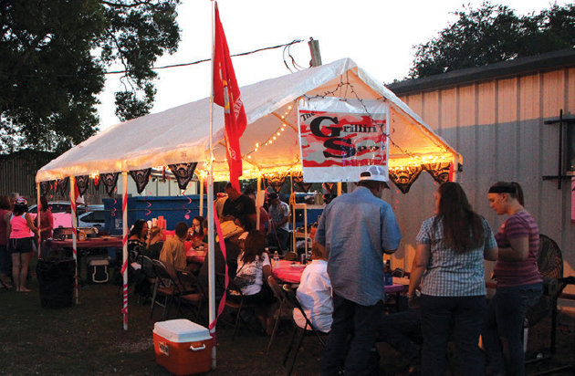
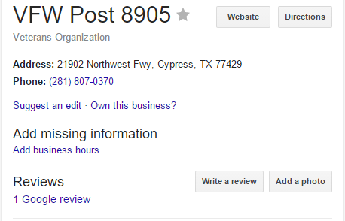

Quarter Master- Randy Mellon confirmed w/ Sam Daugherty

Officemax
