regression
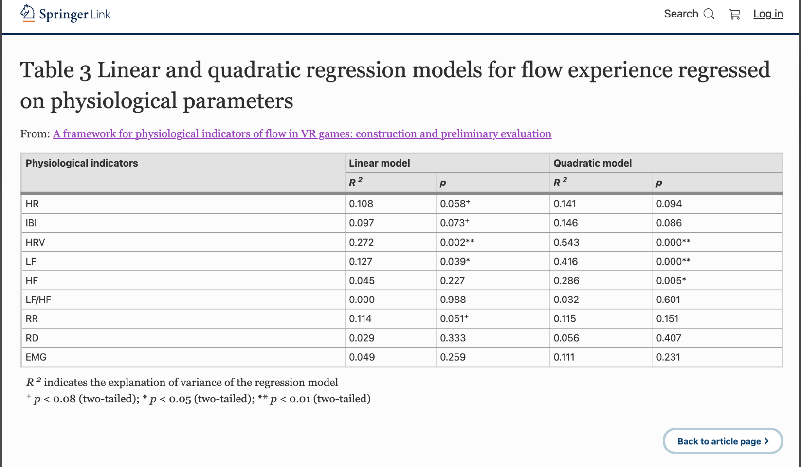
nonlinear-rsquared | nonlinear-rsquared_adj | nonlinear-coef |  |  | boredom
0.017403102667 | -0.076177554222 | 0.0029388095953 |  |  |  | target | linear-p | linear-rsquared | linear-rsquared_adj | linear-coef
0.010222516732 | -0.084042005484 | 1.93E-05 |  |  | 0 | bpm | 0.5676418696 | 0.088190398324 | -0.1397620021 | -0.035934343628
0.12155709175 | 0.03789586239 | 3.41E-07 | † |  | 1 | ibi | 0.49282962442 | 0.12442835581 | -0.094464555234 | 0.0041053098972
0.052528060867 | -0.037707361908 | 4.30E-06 |  |  | 2 | lf | 0.23196923023 | 0.33129622839 | 0.16412028548 | 0.0015233685564
0.0059398648803 | -0.088732528941 | -0.059398567854 |  |  | 3 | hf | 0.33959160472 | 0.22684978529 | 0.033562231619 | 0.001704530375
0.19799291795 | 0.12161129109 | 1.63E-06 | * |  | 4 | lf/hf | 0.95563648403 | 0.00087523130052 | -0.24890596087 | -0.024944159529
0.076587808373 | -0.011356209877 | 4.40E-06 |  |  | 5 | kubios_lf | 0.37771879998 | 0.19716947239 | -0.0035381595148 | 0.0012417477951
0.25260212381 | 0.1814213737 | -0.65647285951 |  | * | 6 | kubios_hf | 0.35201266316 | 0.21682656402 | 0.02103320503 | 0.0015186400164
0.015887656221 | -0.0778373289 | 0.011451253698 |  |  | 7 | kubios_lf/hf | 0.87494020375 | 0.0069835656777 | -0.2412705429 | -0.051883439581
0.0072672720725 | -0.087278702016 | -0.00055361236928 |  |  | 8 | sdsd | 0.075807522054 | 0.58655840785 | 0.48319800982 | 0.23963668671
0.02019981658 | -0.073114486603 | 4.0518353238 |  |  | 9 | rmssd | 0.073207358458 | 0.59304918594 | 0.49131148243 | 0.10047724865
0.05611631038 | -0.033777374346 | -43.638338266 |  |  | 10 | pnn20 | 0.034444119508 | 0.71296929575 | 0.64121161969 | 6.5885363915
0.26058934121 | 0.19016927846 | -35.458071512 | † | † | 11 | pnn50 | 0.13415208522 | 0.46760701616 | 0.3345087702 | 6.4523565366
0.018661154267 | -0.074799688184 | -11.006733052 |  |  | 12 | concentration_FC3 | 0.20850387651 | 0.35937073911 | 0.19921342388 | 4.5822060314
0.085536665031 | -0.0015550811563 | 14.953415231 |  |  | 13 | concentration_FC4 | 0.21849429486 | 0.34713022901 | 0.18391278627 | 3.9470747308
0.10162671509 | 0.016067354625 | -29.558189225 |  |  | 14 | concentration_FCz | 0.1999056801 | 0.3702718016 | 0.21283975199 | 5.8282149454
0.15996454737 | 0.079961170925 | 38.086167729 |  | † | 15 | concentration_mean | 0.167870953 | 0.41425810115 | 0.26782262644 | 5.4056095711
0.019489478042 | -0.073892476431 | 14.512870417 |  |  | 16 | FC3 | 0.37967857721 | 0.19572816821 | -0.005339789732 | -5.6132488853
0.010722259165 | -0.083494668534 | 14.503061717 |  |  | 17 | FC4 | 0.10060555961 | 0.53062197244 | 0.41327746555 | -6.7541414736
0.051245184536 | -0.039112416937 | 29.670709638 |  |  | 18 | FCz | 0.47559343392 | 0.13391121604 | -0.082610979954 | -3.9178841926
0.021027561192 | -0.072207909171 | -5.37E-07 |  |  | 19 | mean_3ch | 0.24472754062 | 0.31696815692 | 0.14621019614 | -6.4419666687
0.14220213619 | 0.060507101541 | -9.14E-06 |  |  | 20 | lf_diff | 0.080009795403 | 0.576350743 | 0.47043842875 | -0.0019230162536
0.10210374702 | 0.01658981817 | 0.041855495125 |  |  | 21 | hf_diff | 0.36850746499 | 0.2040505683 | 0.0050632103781 | -0.00224027724
0.15484714228 | 0.07435639392 | -0.0017434381281 | † |  | 22 | lfhf_diff | 0.20214067581 | 0.36740438314 | 0.20925547893 | -0.26585180949
0.0072371143367 | -0.087311731917 | -0.0011050736998 |  |  | 23 | hr_mad | 0.1031602867 | 0.52537806636 | 0.40672258295 | 0.19311377246
0.075330170374 | -0.012733622924 | 0.00049577634928 |  |  | 24 | sd1 | 0.07319952522 | 0.59306895098 | 0.49133618873 | 0.14209435819
0.041716798262 | -0.04954826857 | -3.85E-08 |  |  | 25 | sd2 | 0.21971448187 | 0.34566522545 | 0.18208153181 | 0.067437143913
0.10537911783 | 0.020177129054 | 69.147332708 |  |  | 26 | s | 0.09757055298 | 0.53696360249 | 0.42120450311 | 0.00046300188571
0.083590417013 | -0.0036866861283 | -5.2590441777 |  |  | 27 | sd1/sd2 | 0.17980282878 | 0.39720748962 | 0.24650936203 | 10.282364098
...

