regression
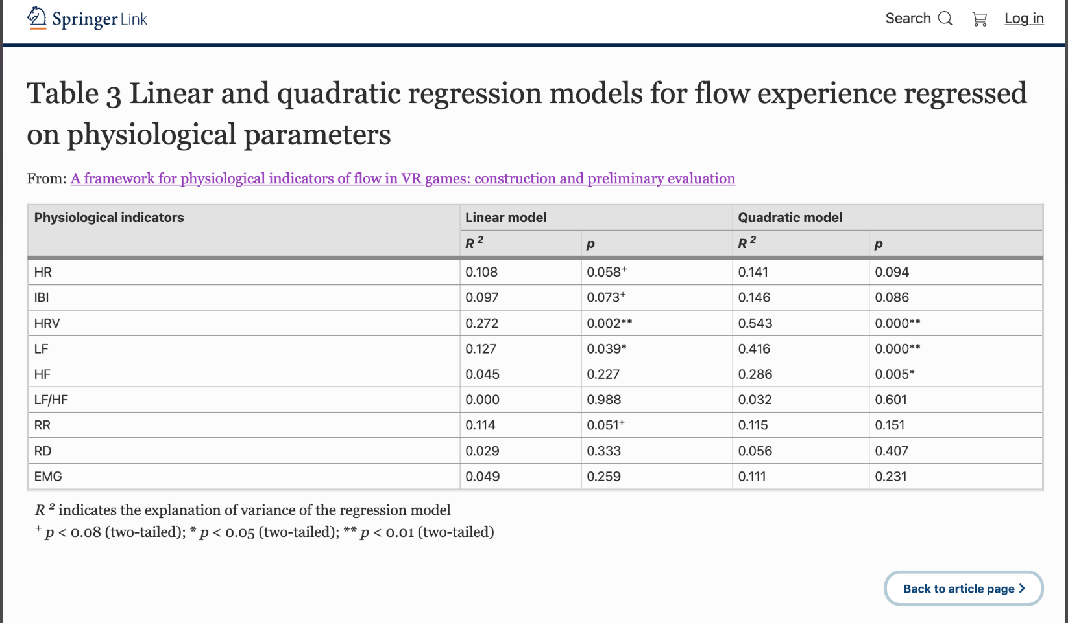
 | target | linear-p | linear-rsquared | linear-rsquared_adj | linear-coef | nonlinear-p | nonlinear-rsquared | nonlinear-rsquared_adj | nonlinear-coef
0 | bpm | 0.69529808235 | 0.0071079236602 | -0.038023534355 | 0.019815237049 | 0.64385190053 | 0.017403102667 | -0.076177554222 | 0.0029388095953
1 | ibi | 0.726114347 | 0.0056895607848 | -0.03950636827 | -0.001793996751 | 0.75952540826 | 0.010222516732 | -0.084042005484 | 1.93E-05
2 | lf | 0.095575088974 | 0.12114573583 | 0.081197814734 | -0.0021189250952 | 0.9219471957 | 0.12155709175 | 0.03789586239 | 3.41E-07 | †
3 | hf | 0.44369585771 | 0.026911092373 | -0.01732022161 | -0.0013996060471 | 0.45950761087 | 0.052528060867 | -0.037707361908 | 4.30E-06
4 | lf/hf | 0.84511203538 | 0.0017730607216 | -0.043600891064 | 0.054333465115 | 0.76961673662 | 0.0059398648803 | -0.088732528941 | -0.059398567854
5 | kubios_lf | 0.033104960318 | 0.19025475406 | 0.15344815197 | -0.0027928473152 | 0.65722794802 | 0.19799291795 | 0.12161129109 | 1.63E-06 | *
6 | kubios_hf | 0.33463922058 | 0.042357321744 | -0.0011718909042 | -0.0017265462102 | 0.38760046128 | 0.076587808373 | -0.011356209877 | 4.40E-06
7 | kubios_lf/hf | 0.66470353176 | 0.0086971371019 | -0.036362083939 | -0.13881305346 | 0.016074606266 | 0.25260212381 | 0.1814213737 | -0.65647285951 |  | *
8 | sdsd | 0.78100219827 | 0.0035875007414 | -0.041703976498 | 0.031778099308 | 0.61377238836 | 0.015887656221 | -0.0778373289 | 0.011451253698
9 | rmssd | 0.70198903269 | 0.0067847629527 | -0.038361384186 | 0.022918805608 | 0.92048578715 | 0.0072672720725 | -0.087278702016 | -0.00055361236928
10 | pnn20 | 0.53964859882 | 0.017339862929 | -0.027326506938 | 2.0243413484 | 0.80686188924 | 0.02019981658 | -0.073114486603 | 4.0518353238
11 | pnn50 | 0.68403180812 | 0.0076716038707 | -0.037434232317 | 2.1337349668 | 0.31099213387 | 0.05611631038 | -0.033777374346 | -43.638338266
12 | concentration_FC3 | 0.066970955565 | 0.14443386617 | 0.10554449645 | 5.5354510211 | 0.083628841641 | 0.26058934121 | 0.19016927846 | -35.458071512 | † | †
13 | concentration_FC4 | 0.79555552305 | 0.0031168069498 | -0.042196065462 | 0.66689971086 | 0.57024077698 | 0.018661154267 | -0.074799688184 | -11.006733052
14 | concentration_FCz | 0.24027200986 | 0.062102056081 | 0.019470331357 | 3.4291496412 | 0.47130788593 | 0.085536665031 | -0.0015550811563 | 14.953415231
15 | concentration_mean | 0.24498368863 | 0.060910480776 | 0.018224593539 | 3.7386633691 | 0.34037534399 | 0.10162671509 | 0.016067354625 | -29.558189225
16 | FC3 | 0.55074803159 | 0.01641591846 | -0.028292448882 | -1.9368454858 | 0.072033849184 | 0.15996454737 | 0.079961170925 | 38.086167729 |  | †
17 | FC4 | 0.96699218028 | 7.96E-05 | -0.045371305186 | -0.13929698119 | 0.52606741166 | 0.019489478042 | -0.073892476431 | 14.512870417
18 | FCz | 0.88640293016 | 0.00094851001091 | -0.044462921352 | -0.55164687334 | 0.65342971142 | 0.010722259165 | -0.083494668534 | 14.503061717
19 | mean_3ch | 0.77385525739 | 0.0038316600405 | -0.041448719049 | -1.0676515299 | 0.31728729072 | 0.051245184536 | -0.039112416937 | 29.670709638
20 | lf_diff | 0.56316697264 | 0.015421711786 | -0.029331846769 | 0.00056382986325 | 0.73221273369 | 0.021027561192 | -0.072207909171 | -5.37E-07
21 | hf_diff | 0.37750896137 | 0.035563080453 | -0.0082749613442 | 0.0012324824424 | 0.12107249946 | 0.14220213619 | 0.060507101541 | -9.14E-06
22 | lfhf_diff | 0.24284505595 | 0.061448033545 | 0.018786580524 | -0.16668469427 | 0.34060122436 | 0.10210374702 | 0.01658981817 | 0.041855495125
23 | hr_mad | 0.071365837916 | 0.14027206756 | 0.10119352518 | 0.080519719867 | 0.55375389049 | 0.15484714228 | 0.07435639392 | -0.0017434381281 | †
24 | sd1 | 0.70259083341 | 0.0067561161229 | -0.038391333144 | 0.032343553646 | 0.92061113755 | 0.0072371143367 | -0.087311731917 | -0.0011050736998
25 | sd2 | 0.20973695458 | 0.070532922624 | 0.028284419107 | 0.036380028967 | 0.74461354696 | 0.075330170374 | -0.012733622924 | 0.00049577634928
26 | s | 0.36262023887 | 0.037802430817 | -0.0059338223275 | 0.00023301154788 | 0.77248639183 | 0.041716798262 | -0.04954826857 | -3.85E-08
27 | sd1/sd2 | 0.34079940843 | 0.041313178699 | -0.0022634949966 | -5.1252518323 | 0.23365196011 | 0.10537911783 | 0.020177129054 | 69.147332708
28 | breathingrate | 0.17115130151 | 0.08338723806 | 0.041723021608 | -6.0538008403 | 0.9462444741 | 0.083590417013 | -0.0036866861283 | -5.2590441777
29 | lf_nu | 0.83271831706 | 0.0020722775365 | -0.043288073485 | 0.0058293977881 | 0.54472888429 | 0.019765409056 | -0.073590266272 | 0.0012971231641
30 | hf_nu | 0.83271831706 | 0.0020722775365 | -0.043288073485 | -0.0058293977881 | 0.54472888429 | 0.019765409056 | -0.073590266272 | 0.0012971231641

 | 卒論に載せるやつのみ行を抽出
 |  | Linear model |  | Quadratic model
 |  | R2 | p | R2 | p
 | BPM | 0.007 | 0.695 | 0.017 | 0.644
 | IBI | 0.006 | 0.726 | 0.010 | 0.760
 | LF | 0.190 | 0.033 | 0.198 | 0.657 | *
 | HF | 0.042 | 0.335 | 0.077 | 0.388
 | LF/HF | 0.009 | 0.665 | 0.253 | 0.016 |  | *
 | sdsd | 0.004 | 0.781 | 0.016 | 0.614
 | rmssd | 0.007 | 0.702 | 0.007 | 0.920
 | pnn20 | 0.017 | 0.540 | 0.020 | 0.807
 | pnn50 | 0.008 | 0.684 | 0.056 | 0.311
 | FC3_PLI_diff | 0.144 | 0.067 | 0.261 | 0.084 | † | †
 | FC4_PLI_diff | 0.003 | 0.796 | 0.019 | 0.570
 | FCz_PLI_diff | 0.062 | 0.240 | 0.086 | 0.471
 | mean_PLI | 0.061 | 0.245 | 0.102 | 0.340

 | これが卒論用
 | Pのみ＆を使って結合する
 |  | Linear model |  | Quadratic model
 |  | R2 | p | R2 | p
 | BPM | 0.007 | 0.695 | 0.017 | 0.644
 | IBI | 0.006 | 0.726 | 0.010 | 0.76
 | LF | 0.190 | 0.033* | 0.198 | 0.657
 | HF | 0.042 | 0.335 | 0.077 | 0.388
 | LF/HF | 0.009 | 0.665 | 0.253 | 0.016*
 | sdsd | 0.004 | 0.781 | 0.016 | 0.614
 | rmssd | 0.007 | 0.702 | 0.007 | 0.92
 | pnn20 | 0.017 | 0.54 | 0.020 | 0.807
 | pnn50 | 0.008 | 0.684 | 0.056 | 0.311
 | FC3_PLI_diff | 0.144 | 0.067† | 0.261 | 0.084†
 | FC4_PLI_diff | 0.003 | 0.796 | 0.019 | 0.57
 | FCz_PLI_diff | 0.062 | 0.24 | 0.086 | 0.471
 | mean_PLI | 0.061 | 0.245 | 0.102 | 0.34

