Sheet1
序号 | 预设名 | 截图 | 备注
1 | Panel_Instance_Alarm |  | 示例A：有用，用于BOSS来袭（UI需要优化） 示例B:无用，可以移动到UI_Old
2 | Panel_QuestReward |  | 无用，可以移动到UI_Old
3 | Panel_QuickTalk |  | 无用，可以移动到UI_Old
4 | Panel_Revive |  | 无用，可以移动到UI_Old
5 | Panel_RoleInfoTips |  | 有用，用于背包属性Tips
6 | UI_BossEffect | 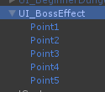 | 示例A：有用，用于BOSS来袭（UI需要优化） 示例B:无用，可以移动到UI_Old
7 | UI_InteractiveMenu | 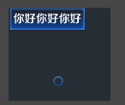 | 有用，用于点击列表展开的选项，已完成
8 | UI_QuestFinishReward |  | 无用，可以移动到UI_Old
9 | UI_TeamApplication | 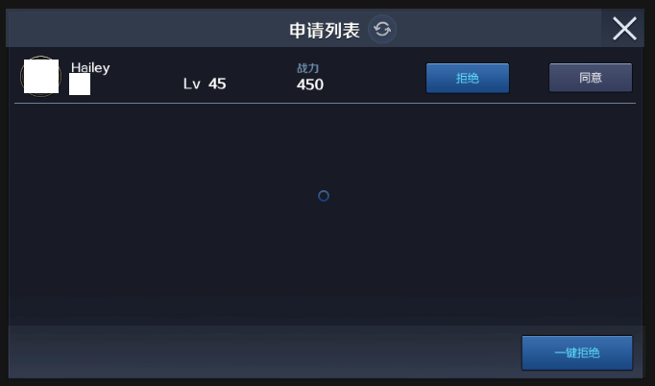 | 无用，可以移动到UI_Old

 |  | 1.摘除无用预设 2.更新预设目录维护部，新增iPhone X适配完成状态 3.新增美术UI优化目录，同步出UI效果图 4.已经调整完新UI的预设统一检查一遍适配后，提动特效需求（需要知道项目目前的特效优先级@花姐） 5.美术出补充的UI效果图后，同步调整预设、适配、有动特效需求的也一并提了 6.最终阶段，检测筛选引用到旧图集的预设，查漏补缺

