Sheet1
A | FOX | C | MSNBC |  |  | Training the model
5 | 42 | 5 | 37 | 5 | 5 | 47 | 15
10 | 47 | 10 | 42 | 5 | 10 | 52 | 20
15 | 55 | 15 | 47 | 8 | 15 | 63 | 25
20 | 73 | 20 | 50 | 23 | 20 | 76 | 30
25 | 80 | 25 | 52 | 28 | 25 | 86 | 40

FOX and MSNBC classified

Confidence estimate

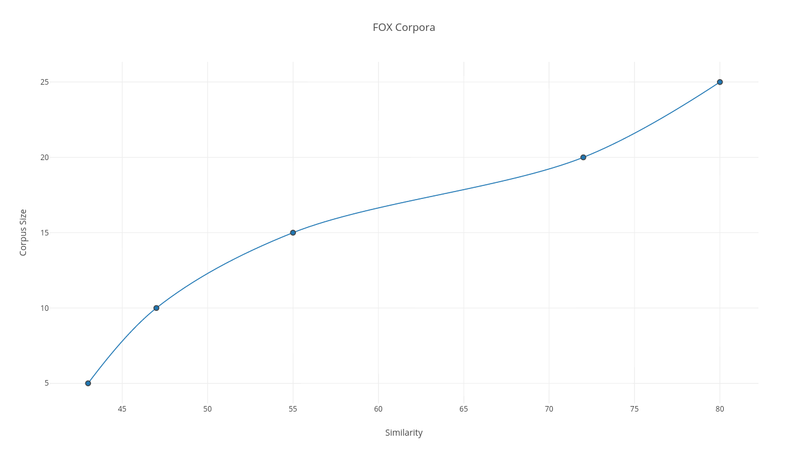
 |  |  |  |  |  |  |  | Corpus Size | MSNBC
 |  |  |  |  |  |  |  | 5 | (37.482%, 7.881% )
 |  |  |  |  |  |  |  | 10 | (42.025%, 8.367% )
 |  |  |  |  |  |  |  | 15 | (47.993%, 10.008% )
 |  |  |  |  |  |  |  | 20 | (50.0134%, 13.176% )
 |  |  |  |  |  |  |  | 25 | (52.739%, 17.556% )

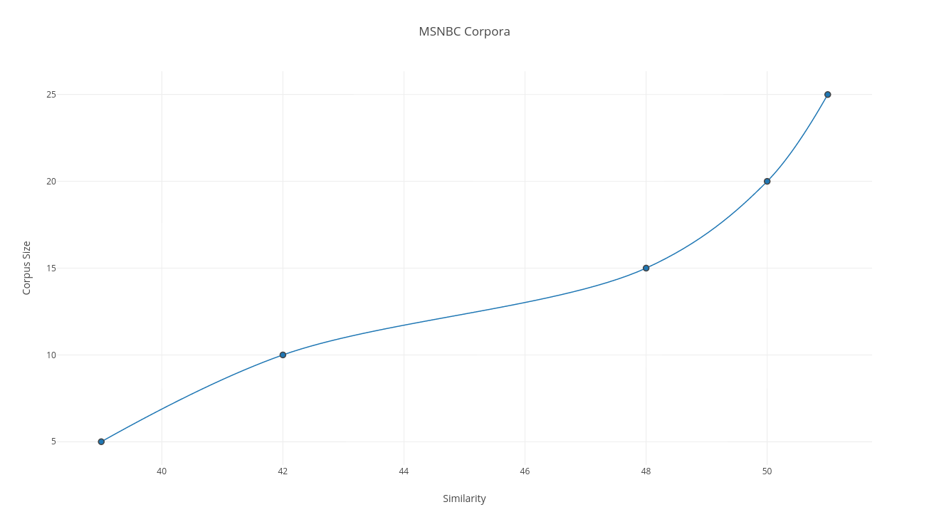

 |  |  |  |  |  |  |  | Corpus Size | FOX
 |  |  |  |  |  |  |  | 5 | (42.875%, 13.53% )
 |  |  |  |  |  |  |  | 10 | (47.167%, 14.992% )
 |  |  |  |  |  |  |  | 15 | (55.003%, 15.274% )
 |  |  |  |  |  |  |  | 20 | (73.0824%, 16.871% )
 |  |  |  |  |  |  |  | 25 | (79.359%, 17.897% )

