Sheet1
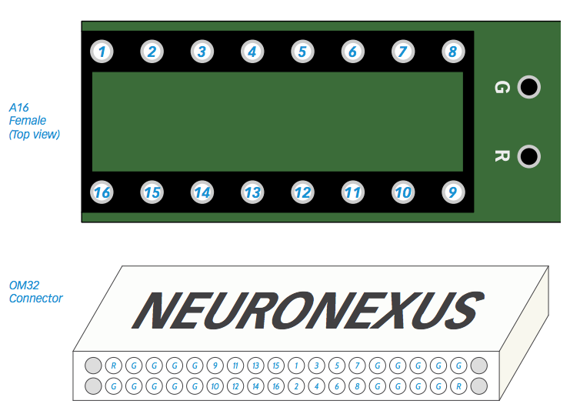
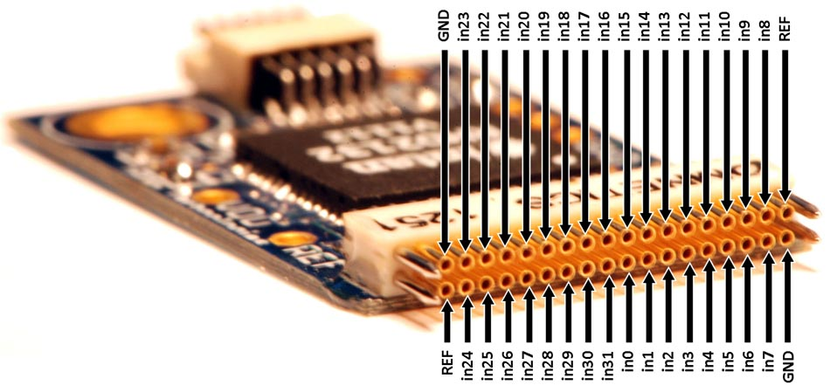
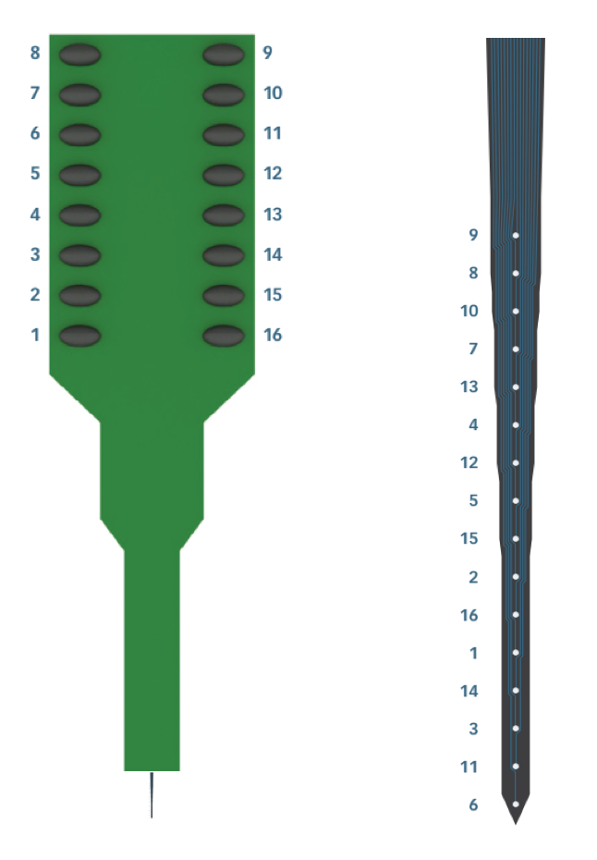
A16 electrode location to Omnetics32 / OpenEphys channel mapping

 | Location | A16 Channel # | Omnetics / OpenEphys
Surface (shank) | 1 | 9 | 20
 | 2 | 8 | 4
 | 3 | 10 | 29
 | 4 | 7 | 13
 | 5 | 13 | 18
 | 6 | 4 | 2
 | 7 | 12 | 30
 | 8 | 5 | 14
 | 9 | 15 | 17
 | 10 | 2 | 1
 | 11 | 16 | 32
 | 12 | 1 | 16
 | 13 | 14 | 31
 | 14 | 3 | 15
 | 15 | 11 | 19
Deep (tip) | 16 | 6 | 3

