Table 1
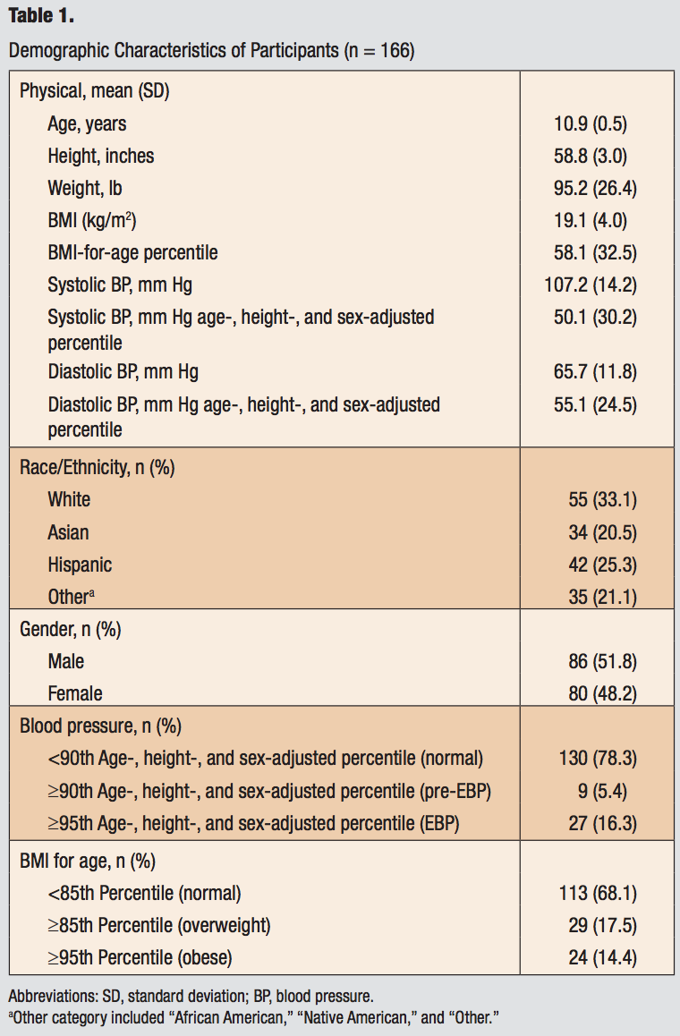
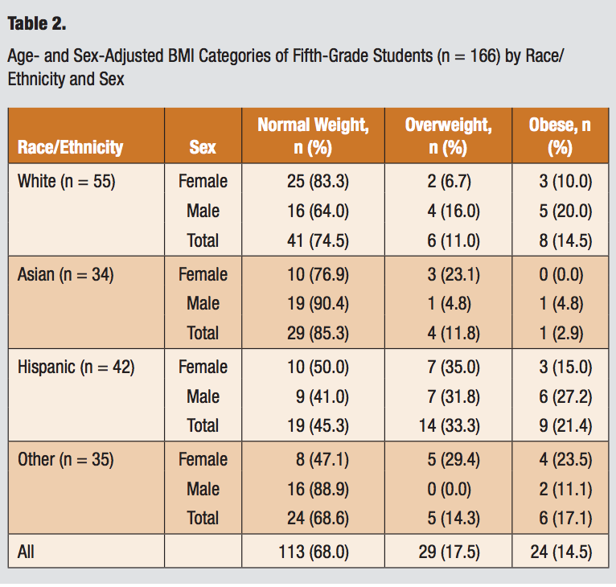

 | ave | sd
age | 10.9 | 0.4
height | 58.8 | 3.0
weight

