NTX2
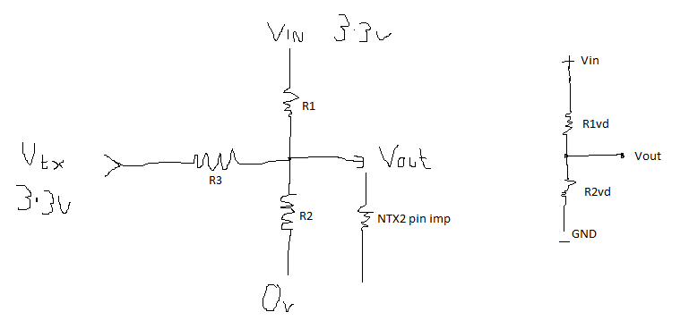
 |  |  |  | Vtx high | Vtx low
R1 (k) | 4.7 |  | R1vd | 4.0634005764 | 4.7
R2 (k) | 4.7 |  | R2vd | 4.4890162369 | 3.9047355303
R3 (k) | 30
NTX2 Txd | 100

Supply voltage (v) |  | 3.3 |  | 1.7321131448 | 1.4975041597
Voltage to shift 1Hz |  | 0.0005
Voltage shift |  | 0.23460898502
Freq shift |  | 469.21797005

Current drain through Vdv (mA) |  |  | 0.35

NOTE - The voltage to frequency shift is not completely linear and so this is approximate.

