Microcontroller
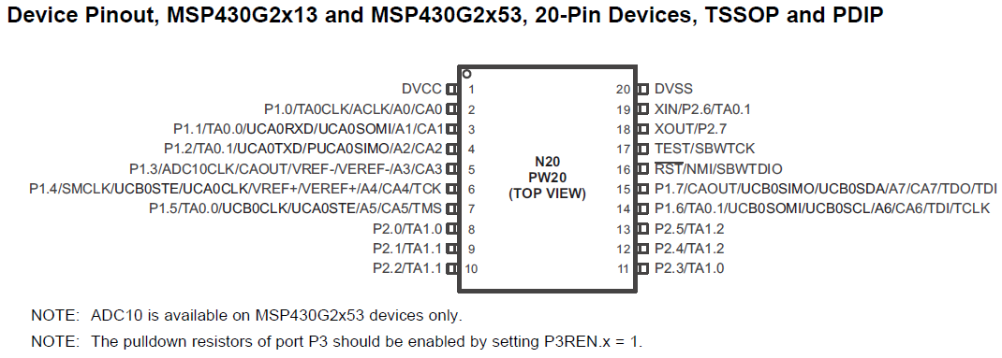
MSP430G2553
 |  | Pins
 | Pin Number | Type | Connection | Specs
 | 1 | DVCC | Input Voltage | 3.2V
 | 2
 | 3
 | 4
 | 5
 | 6
 | 7
 | 8 | Output | Valve 1 | 1.0-2.0V
 | 9 | Output | Valve 2 | 1.0-2.0V
 | 10
 | 11
 | 12
 | 13
 | 14 | UCB0SCL | I2C Clock | 10k Pullup Resistor
 | 15 | UCB0SDA | I2C Data | 10k Pullup Resistor
 | 16
 | 17
 | 18
 | 19
 | 20 | DVSS | Ground

 | I2C Address
 | Will be Master I2C device in system

