Microcontroller
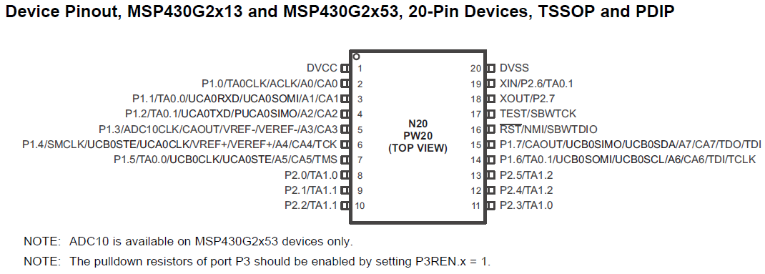
MSP430G2553
 |  | Pins
 | Pin Number | Type | Connection | Specs
 | 1 | DVCC | Input Voltage | 3.2V
 | 2
 | 3
 | 4
 | 5
 | 6
 | 7
 | 8 | Output | Valve 1 | 1.0-2.0V
 | 9 | Output | Valve 2 | 1.0-2.0V
 | 10
 | 11
 | 12
 | 13
 | 14 | UCB0SCL | I2C Clock | 10k Pullup Resistor
 | 15 | UCB0SDA | I2C Data | 10k Pullup Resistor
 | 16
 | 17
 | 18
 | 19
 | 20 | DVSS | Ground

 | I2C Address
 | Will be Master I2C device in system

Pressure Sensor
Honeywell Pressure Sensor |  |  | HSCSANN150PA2A5
Type | Absolute |  |  | Digikey Page | http://www.digikey.com/product-detail/en/honeywell-sensing-and-productivity-solutions/HSCSANN150PA2A5/480-5523-ND/2270189
Operating PSI | 150 |  |  | Datasheet | https://sensing.honeywell.com/index.php?ci_id=144667
Max PSI | 250 |  |  | I2C Doc | https://sensing.honeywell.com/index.php?ci_id=45841
Vsupply (V) | 5 | 4.75-5.25
Current Draw (A) | 0.0035
Power (W) | 0.0175
Operating Temp (°C) | -20 to 80 |  |  |  |  |  |  |  |  |  |  | 0.13073333333
Port Size (in) | 0.19 |  |  |  |  |  |  |  |  |  |  | 0
Accuracy | 0.25%
I2C Address | 0x28
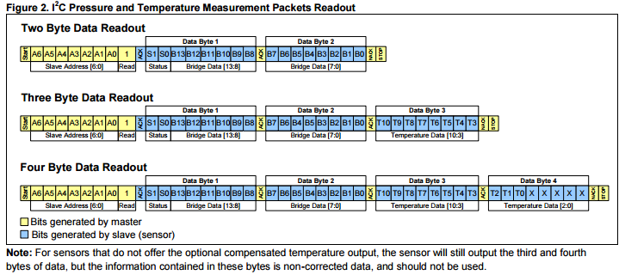

 |  |  |  |  |  |  |  |  |  |  | 0.000001
 |  |  |  |  |  |  |  |  |  | 500000 | 0.5

 |  |  |  |  |  | 10.2

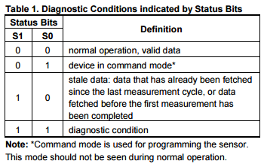
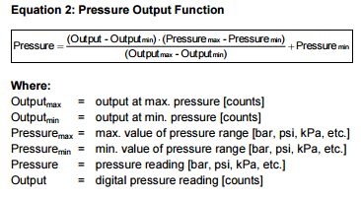

 |  |  |  |  |  | Output Max | 14745 | 0x3999 |  |  | 10 | 1490
 |  |  |  |  |  | Output Min | 1638 | 0x0666 |  |  | 149 | 0.11367971313
 |  |  |  |  |  | Pressure Max | 145 | Use 150 | 0x96 |  | 13107 | 1.1136797131 | Above Atmospheric
 |  |  |  |  |  | Pressure Min | 0.87 | Use 1 | 0x01
 |  |  |  |  |  |  |  |  |  |  | 38 | 5662
 |  |  |  |  |  |  |  |  |  |  | 149 | 0.4319829099
 |  |  |  |  |  |  |  |  |  |  | 13107 | 1.4319829099 | Above Atmospheric

end

