Sheet1
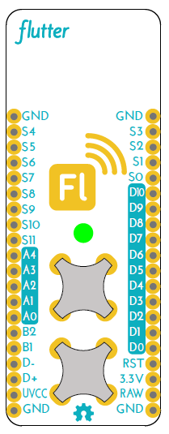

Other Function | Primary Function | Label | Pin # | Pin # | Label | Primary Function | Other Function
 | Common Ground | GND |  |  | GND | Common Ground
Radio GPIO 0 | Radio Special Function | S4 | 15 | 14 | S3 | LED Control | RGB LED - Green
Radio GPIO 3 | Radio Special Function | S5 | 16 | 13 | S2 | LED Control | RGB LED - Blue
Radio GPIO 2 | Radio Special Function | S6 | 17 | 12 | S1 | LED Control | RGB LED - Red
SPI Chip Select 0 | Radio Communications | S7 | 18 | 11 | S0 | System | USB Sense
SPI Master Out | Radio Communications | S8 | 19 | 10 | D10 | Digital Input/Output | PWM3
SPI Master In | Radio Communications | S9 | 20 | 9 | D9 | Digital Input/Output | PWM2
SPI Clock | Radio Communications | S10 | 21 | 8 | D8 | Digital Input/Output | PWM1
Input Voltage Sense | System | S11 | 27 | 7 | D7 | Digital Input/Output | JTAG TMS
PWM0 | Analog Input & Digital I/O | A4 | 26 | 6 | D6 | Digital Input/Output | JTAG TCK
PWM0 | Analog Input & Digital I/O | A3 | 25 | 5 | D5 | Digital Input/Output | JTAG TDO
PWM3 | Analog Input & Digital I/O | A2 | 24 | 4 | D4 | Digital Input/Output | JTAG TDI
Serial 1 TX | Analog Input & Digital I/O | A1 | 23 | 3 | D3 | Digital Input/Output | Serial TX
Serial 1 RX | Analog Input & Digital I/O | A0 | 22 | 2 | D2 | Digital Input/Output | Serial RX
Analog Input/ Digital I/O | Button 2 | B2 |  | 1 | D1 | Digital Input/Output | I2C Clock
ERASE | Button 1 | B1 |  | 0 | D0 | Digital Input/Output | I2C Data
 | USB DDM | D- |  |  | RST | Reset (Active Low)
 | USB DDP | D+ |  |  | 3.3V | 3.3v output 100mA Max
 | USB +5v | UVCC |  |  | RAW | Raw Input 3.6v-16v DC
 | Common Ground | GND |  |  | GND | Common Ground

