VCD
Object ID | Object Text | Requirement? | Comments
CNT-REQ-1 | Title Page | 0
CNT-REQ-2 | Alpha Numero Training Requirements Document - UpDown Counter AN-TRA-002 Revision 1.2 Date: 05th Oct 2017 Alpha-Numero Technology Solutions Inc. 18100 Von Karman Avenue, Suite 850, Irvine, CA 92612 Proprietary Note: This document contains information that is proprietary to Alpha-Numero Technologies No part of this document/presentation may be reproduced or used in whole or part in any form or by any means - graphic, electronic or mechanical without the written permission of Alpha-Numero Technologies the Viewer / Recipient of this document, by its retention and use, agree to protect the same and the information contained therein from loss or theft. © 2017 Alpha-Numero Technology Solutions Inc. All rights reserved. | 0
CNT-REQ-3 | Revision History | 0
CNT-REQ-4 | Revision Date Author Change Log 1.0 09/19/2017 Chetan Muniraj Initial Version. 1.1 09/21/2017 Chetan Muniraj Updated the typo in the rollback requirement. 1.2 10/05/2017 Chetan Muniraj 1. Updated the block diagram. 2. Added Signals Definitions. 3. Added Signal/Bit State Conventions. 1.3 21/8/2019 Karishma Sav 1. Added Reset Active State definition. 2. Added Requirement for Enable Clear. | 0
CNT-REQ-5 | 1. Introduction | 0
CNT-REQ-6 | 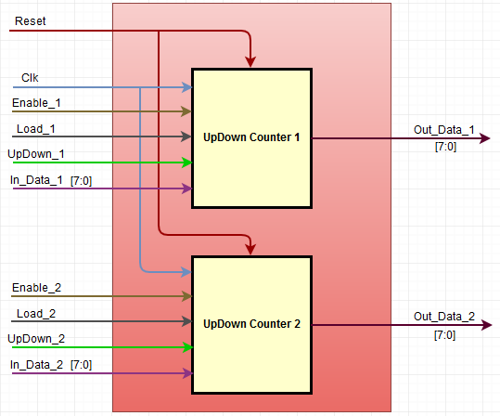 This document defines the functional requirements for the UpDown Counter. The top level functional block diagram is as below. | 0
CNT-REQ-7 | 2. Conventions Used | 0
CNT-REQ-8 | 2.1. DUT The term "DUT" in this document refers to the DUT1 and DUT2. The DUT1 and DUT2 input and output signals are merger to represent them as single DUT signals. | 0
CNT-REQ-9 | 2.2. Common Signals The Clock signal "Clk" and the Reset signal "Reset" are the common signal for the "DUT". | 0
CNT-REQ-10 | 2.3. Merger Signals For the functional representation of the "DUT" the following input and output signals are merged. 1. The Enable_1 and Enable_2 are merged to represent as "Enable" signal. 2. The Load_1 and Load_2 are merged to represent as "Load" signal. 3. The UpDown_1 and UpDown_2 are merged to represent as "UpDown" signal. 4. The In_Data_1 and In_Data_2 are merged to represent as "In_Data" signal. 5. The Out_Data_1 and Out_Data_2 are merged to represent as "Out_Data" signal. | 0
CNT-REQ-11 | 2.4 Numerical Notation A numerical subscript will be used to indicate base of all numbers. Subscripts to be used are dec ('d) for decimal, bin ('b) for binary, hex (0x or 'h) for hexadecimal. | 0
CNT-REQ-12 | 2.5 Signal/Bit State "Assert" - It will be used to indicate when a signal should be driven to the active state. "Deassert" - It will be used to indicate when a signal should be driven to the inactive state. "Set" - It will be used to indicate when a logic bit should be set to '1'. "Clear" - It will be used to indicate when a logic bit should be set to '0'. | 0
CNT-REQ-13 | 3. Signals Definitions | 0
CNT-REQ-14 | Refer to the tab "Signals_Definitions" for the signals description and definitions. | 0
CNT-REQ-15 | 4. Requirements | 0
CNT-REQ-16 | 4.1. Reset | 0
CNT-REQ-17 | Input Signal “Reset” is an active low signal. | 0
CNT-REQ-18 | The "Reset Period" is defined as the period when the "DUT" input signal "Reset" is "Assert" for 20ns and then it is "Deassert". | 0
CNT-REQ-19 | The "DUT" output signal "Out_Data" value Shall be set to value 0x00, after the "Reset Period". | 1
CNT-REQ-20 | 4.2. Clock
CNT-REQ-21 | The Clock Frequency is defined as 50MHz. | 0
CNT-REQ-22 | 4.3. Enable & Load | 0
CNT-REQ-23 | The "DUT" output signal "Out_Data" value Shall be held to its previous value, when the input signal "Enable" is "Clear". | 1
CNT-REQ-24 | The "DUT" output signal "Out_Data" value Shall be set to value of input signal "In_Data", when the input signal "Enable" and "Load" are "Set". | 1
CNT-REQ-25 | 4.4. UpDown | 0
CNT-REQ-26 | The "DUT" output signal "Out_Data" value Shall be incremented by 'b1, when the input signal "Enable" is "Set", "Load" is "Clear" and "UpDown" is "Set". | 1
CNT-REQ-27 | The "DUT" output signal "Out_Data" value Shall be decremented by 'b1, when the input signal "Enable" is "Set", "Load" and "UpDown" are "Clear". | 1
CNT-REQ-28 | The "DUT" output signal "Out_Data" value Shall be rollover from 0xFF to 0x00, when the output signal "Out_Data" value is 0xFF, input signal "Enable" is "Set", "Load" is "Clear" and "UpDown" is "Set". | 1
CNT-REQ-29 | The "DUT" output signal "Out_Data" value Shall be rollback from 0x00 to 0xFF, when the output signal "Out_Data" value is 0x00, input signal "Enable" is "Set", "Load" and "UpDown" are "Clear". | 1

 |  |  |  | 0 | DUT 1
 |  |  |  | 1 | DUT 2
 |  |  |  |  | DUT 1 & DUT 2

