Sheet1
Hostname | VLAN | IP address | Subnet Mask | Gateway | Preferred DNS | Alternate DNS
vst-esx-crp-c01-n01.ironmountain.com | 102 | 10.220.120.100 | 255.255.255.224 | 10.220.120.97 | 10.195.121.44 | 10.198.121.44

VCENTER | DataCenter Folder | City Folder | Datacenter
UKRSVCP03.na.imtn.com | Norway | Vestby | VST

IPMI Name | IP address | Username | Password
ILOCZ200509YC.emea.imtn.com | 10.220.120.41 | Administrator | MV69ZZ2M

Raid Configuration
HDD's as RAID 5 with 1 hot spare
SSD configured as Smart Cache
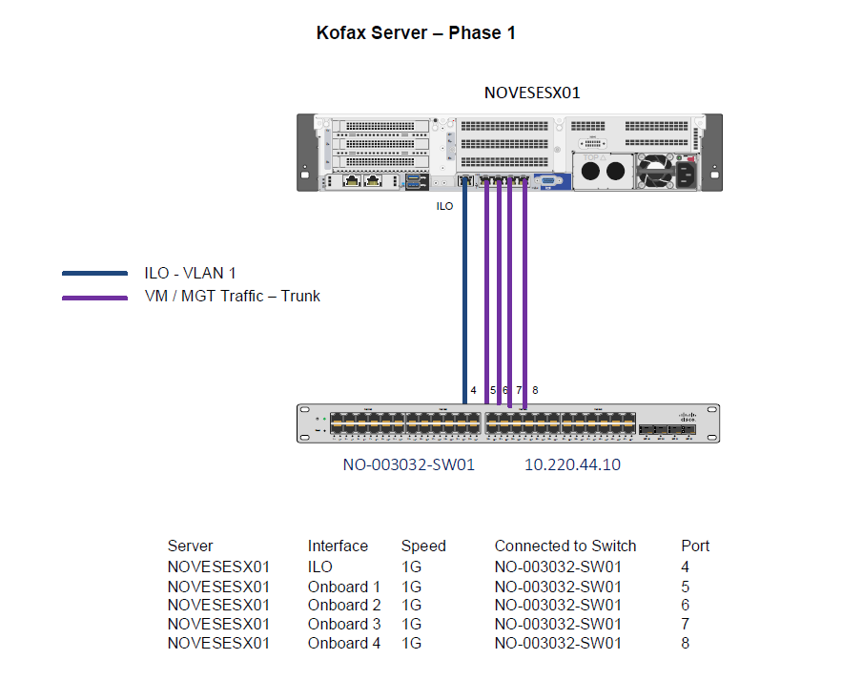
Syslog Server | Syslog IP
ukmksmqrep01 | 10.195.55.22

Physical Adapters | Traffic | State | vSwitch
vmnic0 | Mgmt/VM | Active | vSwitch0
vmnic1 | Mgmt/VM | Active | vSwitch0
vmnic2 | Mgmt/VM | Active | vSwitch0
vmnic3 | Mgmt/VM | Active | vSwitch0
 |  |  |  | Mac Address
Host | NIC | Device ID | Port ID | 94:40:c9:ef:1c:32
vst-esx-crp-c01-n01 | iLo | NO-003032-SW01 | 4 | 94:40:c9:ef:1c:34
vst-esx-crp-c01-n01 | vmnic0 | NO-003032-SW01 | 5 | 94:40:c9:ef:1c:35
vst-esx-crp-c01-n01 | vmnic1 | NO-003032-SW01 | 6 | 94:40:c9:ef:1c:36
vst-esx-crp-c01-n01 | vmnic2 | NO-003032-SW01 | 7 | 94:40:c9:ef:1c:37
vst-esx-crp-c01-n01 | vmnic3 | NO-003032-SW01 | 8

Network Label | VLAN ID | Subnet
VLAN 100 - Vestby DMS App Tier | 100 | 10.220.120.0/27

NTP Server 1 | NTP Server 2
10.195.121.44 | 10.198.121.44

SNMP Server 1 | SNMP Server 2 | SNMP Community | SNMP Port
172.30.201.40 | 172.30.201.65 | 1m_2cSvr | 162

VM Names | VM Type
UKHODMKX11AP01 | IM2016Template
UKHODMKX11AP02 | Kofax
UKHODMCTGP01 | CTERA

