Sheet1
Hostname | VLAN | IP address | Subnet Mask | Gateway | Preferred DNS | Alternate DNS | VCENTER | Datacenter
vst-esx-crp-c01-n01.ironmountain.com | 102 | 10.22.120.100 | 255.255.255.224 | 10.22.120.97 | 10.15.121.44 | 10.18.121.44 | UKVCENTER03.na.imtn.com | Norway > VST (create if its first)

iLO Name | IP address | Username | Password
ILOCZ200509YC.emea.imtn.com | 10.220.120.41 | Administrator | $%FSaM

Raid Configuration
HDD's as RAID 5 with 1 hot spare
SSD configured as Smart Cache
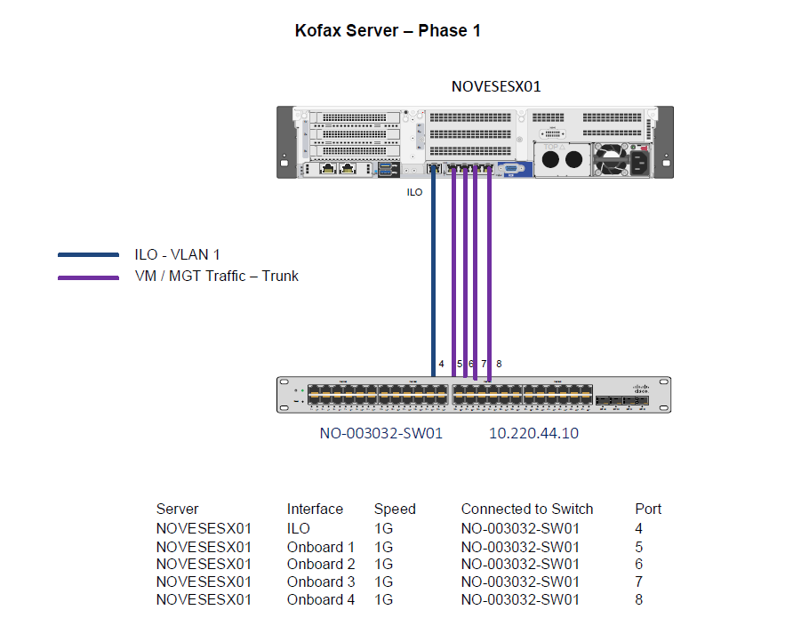
Syslog Server
ukmksmqrep01 | 10.195.55.22

Physical Adapters | Traffic | State | vSwitch
vmnic0 | Mgmt/VM | Active | vSwitch0
vmnic1 | Mgmt/VM | Active | vSwitch0
vmnic2 | Mgmt/VM | Active | vSwitch0
vmnic3 | Mgmt/VM | Active | vSwitch0

Host | NIC | Device ID | Port ID | Mac Address
vst-esx-crp-c01-n01 | iLo | NO-003032-SW01 | 4 | 94:40:c9:ef:1c:32
vst-esx-crp-c01-n01 | vmnic0 | NO-003032-SW01 | 5 | 94:40:c9:ef:1c:34
vst-esx-crp-c01-n01 | vmnic1 | NO-003032-SW01 | 6 | 94:40:c9:ef:1c:35
vst-esx-crp-c01-n01 | vmnic2 | NO-003032-SW01 | 7 | 94:40:c9:ef:1c:36
vst-esx-crp-c01-n01 | vmnic3 | NO-003032-SW01 | 8 | 94:40:c9:ef:1c:37

VLAN Trunking
Network Label | VLAN ID | Subnet
VLAN 100 - Vestby DMS App Tier | VLAN 100 | 10.220.120.0/27

