Sheet1
Part | Quantity | Price Per Item | Total | Link
1010 8020 Extrusion (2 ft) | 1 | 8.46 | 8.46 | https://www.mcmaster.com/47065T801/
1020 8020 Extrusion (10 cm) ($0.36 / cm) | 1 | 3.6 | 3.6 | https://www.mcmaster.com/47065T803/
12mm Diameter Mounted Bearing | 2 | 32.17 | 64.34 | https://www.mcmaster.com/2031N21/
12 mm Diameter Shaft | 1 | 26.32 | 26.32 | https://www.mcmaster.com/1439K411/
Key | 1 | 0.34 | 0.34 | https://www.mcmaster.com/98870a110/
Catapult Arm | 1 | 89 | 89
Motor | 1 | 174.61 | 174.61 | https://www.digikey.ca/en/products/detail/trinamic-motion-control-gmbh/QBL4208-100-04-025/4843440
Motor IC | 1 | 24.68 | 24.68 | https://www.robotshop.com/ca/en/cytron-10a-5-30v-dual-channel-dc-motor-driver.html
Input Gear | 1 | 19.33 | 19.33 | https://www.mcmaster.com/2664N468/
Output Gear (60 teeth) | 1 | 38.55 | 38.55 | https://www.mcmaster.com/2664N15/

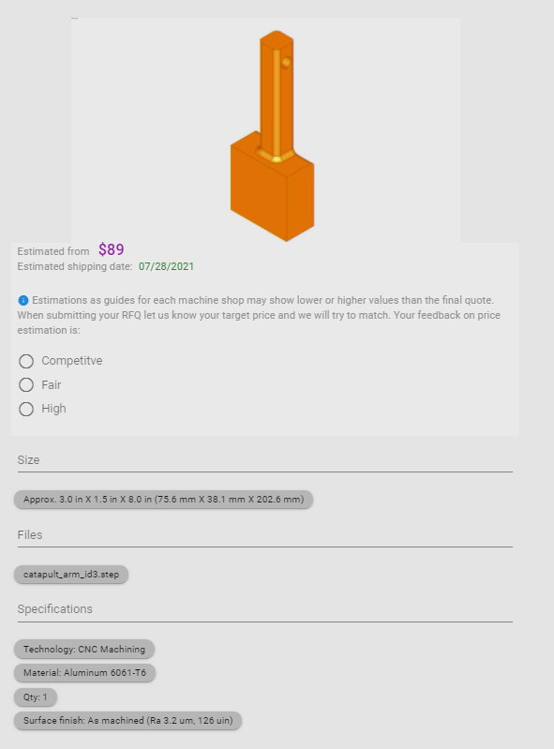

 |  |  | 449.23

