Sheet1
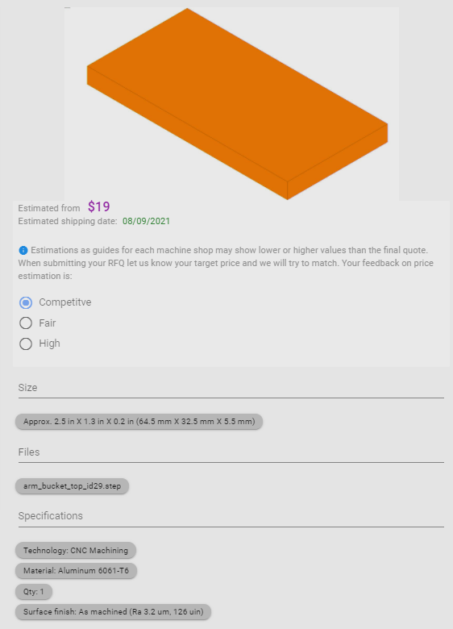
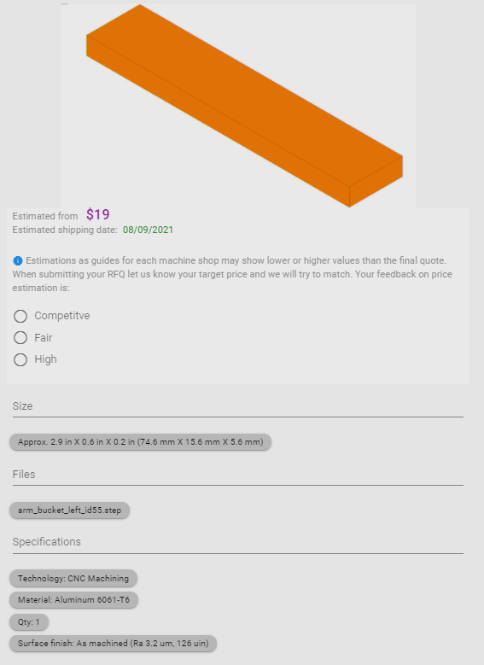
Part | Quantity | Price Per Item | Total | Link
1010 8020 Extrusion (2 ft) | 1 | 8.46 | 8.46 | https://www.mcmaster.com/47065T801/
1020 8020 Extrusion (10 cm) ($0.36 / cm) | 1 | 3.6 | 3.6 | https://www.mcmaster.com/47065T803/
1 in T-slot Framing Corner Bracket | 6 | 5.63 | 33.78 | https://www.mcmaster.com/47065T236/
1/4"-20 Button Head Bolt | 1 | 6.39 | 6.39 | https://www.mcmaster.com/92949A539/
M4 Button Head Bolt | 1 | 8.89 | 8.89 | https://www.mcmaster.com/92095A189/
M8 Button Head Bolt | 1 | 9.42 | 9.42 | https://www.mcmaster.com/92095A129/
12mm Diameter Mounted Bearing | 2 | 32.17 | 64.34 | https://www.mcmaster.com/2031N21/
12 mm Diameter Shaft | 1 | 26.32 | 26.32 | https://www.mcmaster.com/1439K411/
Key | 1 | 0.34 | 0.34 | https://www.mcmaster.com/98870a110/
2 inches Aluminum Angle (Motor mount), (1 foot = $7.95) | 1 | 1.325 | 1.325 | https://www.mcmaster.com/angles/multipurpose-6061-aluminum-90-angles-7/
Input Gear (16 teeth) | 1 | 19.33 | 19.33 | https://www.mcmaster.com/2664N468/
Output Gear (60 teeth) | 1 | 38.55 | 38.55 | https://www.mcmaster.com/2664N15/
Motor | 1 | 133.03 | 133.03 | https://www.digikey.ca/en/products/detail/crouzet/82890001/3190319
Motor H-Bridge | 1 | 6.15 | 6.15 | https://www.digikey.ca/en/products/detail/stmicroelectronics/VNH7040AYTR/7691019

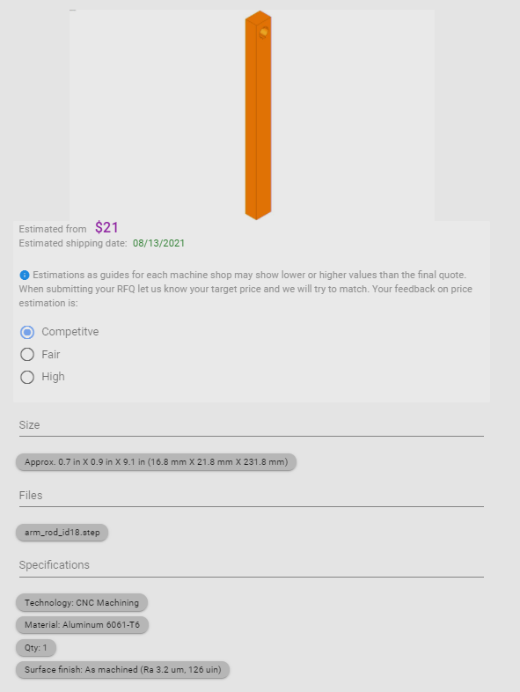
Catapult Arm Rod | 1 | 21 | 21
Catapult Bucket Top/Bottom | 2 | 19 | 38
Catapult Bucket Left/Right | 2 | 19 | 38

 |  | Total | 456.925

