Blad1
lambda = 5.4 micron
3mm CAF2 at 1.4mm from pupil plane

field # | ray x min | ray y min | ray x max | ray y max | cx | cy | rx | ry | ellipticity |  | For calcualation, please ignore
1 | -5.8888 | -5.8666 | 5.8892 | 5.9573 | 0.0002 | 0.04535 | 5.8890 | 5.9120 | 0.99611803212
2 | -6.1262 | -6.0900 | 5.6946 | 5.7739 | -0.2158 | -0.15805 | 5.9104 | 5.9320 | 0.99636713054 |  | 0.216 | 0.2034
3 | -5.6959 | -6.0920 | 6.1247 | 5.7721 | 0.2144 | -0.15995 | 5.9103 | 5.9321 | 0.99633347662 |  | 0.2142 | 0.2053
4 | -6.1251 | -5.6849 | 5.6969 | 6.1862 | -0.2141 | 0.25065 | 5.9110 | 5.9356 | 0.99586390478 |  | 0.2143 | 0.2053
5 | -5.6948 | -5.6867 | 6.1274 | 6.1842 | 0.2163 | 0.24875 | 5.9111 | 5.9354 | 0.99589753094 |  | 0.2161 | 0.2034
minmax | -5.6948 | -5.6849 | 5.6946 | 5.7721 | -0.0001 | 0.0436 | 5.6947 | 5.7285

 |  |  |  | Current specs chromium mask |  |  |  |  | Accounts for:

 |  |  |  |  | cx | cy | dx | dy
 |  |  |  | Mask A | 0 | 0 | 6.025 | 6.025 | Entrance pupil
 |  |  |  | Mask B | 0 | 0 | 5.9000 | 5.9000 | Blurring from out of pupil plane
 |  |  |  | Mask C | 0 | 0 | 5.6000 | 5.6000 | Blurring from out of pupil plane + pupil misalingments, random + flexture, tight
 |  |  |  | Mask D | 0 | 0 | 5.7500 | 5.7500 | Blurring from out of pupil plane + pupil misalingments, random + flexture, conservative

Pupil magnification |  | 0.97742738589 |  |  |  |  |  |  |  | Table A
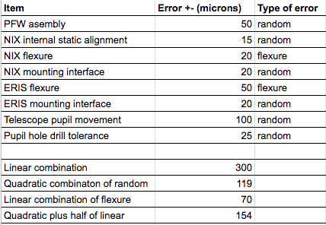
Pupil shift for 5" field |  | 0.081240601504 | the 5 arcseconds in cell C29 is assuming a beamswitch of +- 5 arcsecs in the FOV.
Pupil magnification for 5" field |  | 0.02

Quadratic plus half linear |  | 0.154 | (Table A)

Total magnification |  | 0.97742738589

Total kernel |  | 0.2552406015

Total outer diameter |  | 5.6337593985

