Year Month Sales
Total Sales
 | Total
January | 12,245.45
February | 29.95
March | 11,553.05
April | 24,500.00
May | 16,458.30
June | 16,939.70
July | 24,588.85
August | 27,298.25
September | 23,846.20
October | 34,787.50
November | 92,606.45
December | 119,661.50
January | 25,847.20
February | 16,595.80
March | 13,423.60
April | 15,105.70
May | 44,968.95
June | 41,624.45
July | 29,849.70
August | 36,167.00
September | 35,967.50
October | 12,572.55
November | 106,143.85
December | 107,911.00
January | 19,871.10
February | 32,969.70
March | 14,772.95
April | 47,650.50
May | 19,585.00
June | 5,914.35
July | 31,612.80
August | 36,882.90
September | 49,449.30
October | 80,379.85
November | 124,052.70
December | 117,306.15
January | 24,940.15
February | 15,607.10
March | 8,091.75
April | 46,408.90
May | 37,400.60
June | 48,865.20
July | 61,946.20
August | 32,765.80
September | 33,820.10
October | 64,287.80
November | 141,946.55
December | 89,602.10
Row Labels | Total Sales($)
2021
January | 12,245.45
February | 29.95
March | 11,553.05
April | 24,500.00
May | 16,458.30
June | 16,939.70
July | 24,588.85
August | 27,298.25
September | 23,846.20
October | 34,787.50
November | 92,606.45
December | 119,661.50
2022
January | 25,847.20
February | 16,595.80
March | 13,423.60
April | 15,105.70
May | 44,968.95
June | 41,624.45
July | 29,849.70
August | 36,167.00
September | 35,967.50
October | 12,572.55
November | 106,143.85
December | 107,911.00
2023
January | 19,871.10
February | 32,969.70
March | 14,772.95
April | 47,650.50
May | 19,585.00
June | 5,914.35
July | 31,612.80
August | 36,882.90
September | 49,449.30
October | 80,379.85
November | 124,052.70
December | 117,306.15
2024
January | 24,940.15
February | 15,607.10
March | 8,091.75
April | 46,408.90
May | 37,400.60
June | 48,865.20
July | 61,946.20
August | 32,765.80
September | 33,820.10
October | 64,287.80
November | 141,946.55
December | 89,602.10
Grand Total | 2,076,822.05

Region Year Sales
Row Labels | Total Sales($) | YOY%Change
CA
2021
Aspen | 18,632.10
Carlota | 133,427.25
Quad | 23,249.55
Yanaki | 21,866.35
2022
Aspen | 26,469.00 | 42.06%
Carlota | 136,751.70 | 2.49%
Quad | 75,286.35 | 223.82%
Yanaki | 31,542.15 | 44.25%
2023
Aspen | 24,834.15 | -6.18%
Carlota | 192,698.30 | 40.91%
Quad | 52,476.30 | -30.30%
Yanaki | 31,877.45 | 1.06%
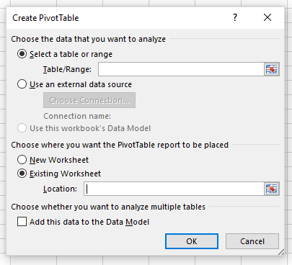
2024
Aspen | 47,047.35 | 89.45%
Carlota | 192,159.20 | -0.28%
Quad | 55,157.25 | 5.11%
Yanaki | 45,169.70 | 41.70%
WA
2021
Aspen | 21,901.80
Carlota | 130,042.90
Quad | 32,523.00
Yanaki | 22,872.25
2022
Aspen | 35,733.15 | 63.15%
Carlota | 140,525.40 | 8.06%
Quad | 17,667.90 | -45.68%
Yanaki | 22,201.65 | -2.93%
2023
Aspen | 38,431.95 | 7.55%
Carlota | 182,066.05 | 29.56%
Quad | 34,017.30 | 92.54%
Yanaki | 24,045.80 | 8.31%
2024
Aspen | 32,722.95 | -14.85%
Carlota | 164,754.95 | -9.51%
Quad | 44,433.45 | 30.62%
Yanaki | 24,237.40 | 0.80%
Grand Total | 2,076,822.05

