Product List
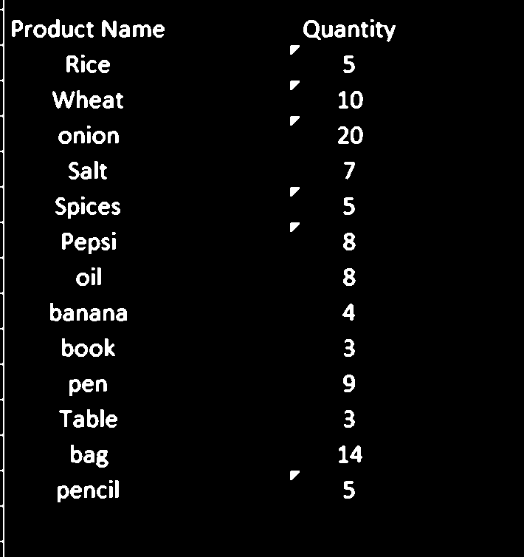
Product Name | Quantity
Product Name | Quantity
Rice " | 5
Wheat ” | 10
onion " | 20
Salt | 7
Spices " | 5
Pepsi " | 8
oil | 8
banana | 4
book | 3
pen | 9
Table | 3
bag | 14
pencil " | 5

