Sheet1
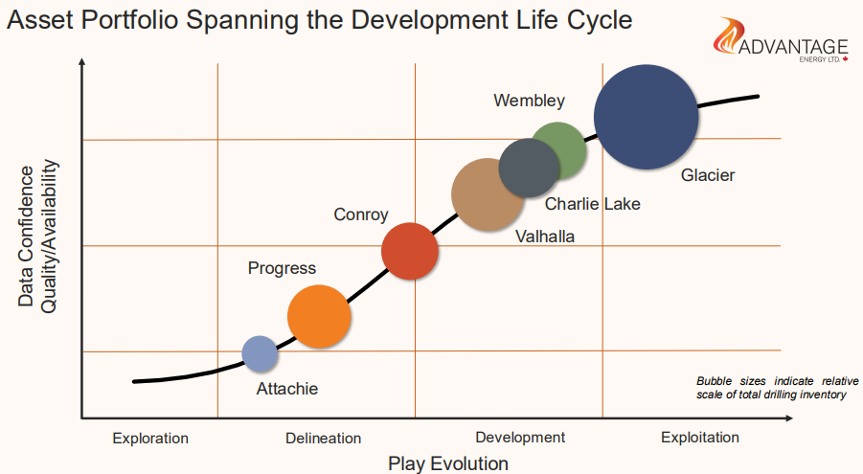
Asset | Play Evolution (X) | Data Confidence (Y) | Inventory (size) | Curve X | Curve Y | Curve size
Attachie | 2.53 | 1.98 | 1 | 0.7 | 1.15 | 0.0001
Progress | 3.41 | 2.92 | 3.5 | 1.5 | 1.35 | 0.0001
Conroy | 4.73 | 4.79 | 3.3 | 2 | 1.6 | 0.0001
Valhalla | 5.74 | 6.46 | 4 | 2.53 | 1.98 | 0.0001
Charlie Lake | 6.42 | 7.02 | 2.7 | 3.41 | 2.92 | 0.0001
Wembley | 6.86 | 7.67 | 1.9 | 4.73 | 4.79 | 0.0001
Glacier | 8.13 | 8.4 | 10.1 | 5.74 | 6.46 | 0.0001
 |  |  |  | 6.42 | 7.02 | 0.0001
◗
 |  |  |  | 6.86 | 7.67 | 0.0001
ADVANTAGE
 |  |  |  | 8.13 | 8.4 | 0.0001
E N E R G Y L T D.
 |  |  |  | 9 | 8.75 | 0.0001
 |  |  |  | 9.8 | 8.95 | 0.0001

Asset Portfolio Spanning the Development Life Cycle

Bubble sizes indicate relative scale of total drilling inventory

Exploration
Delineation
Development
Exploitation
Play Evolution

Sheet2
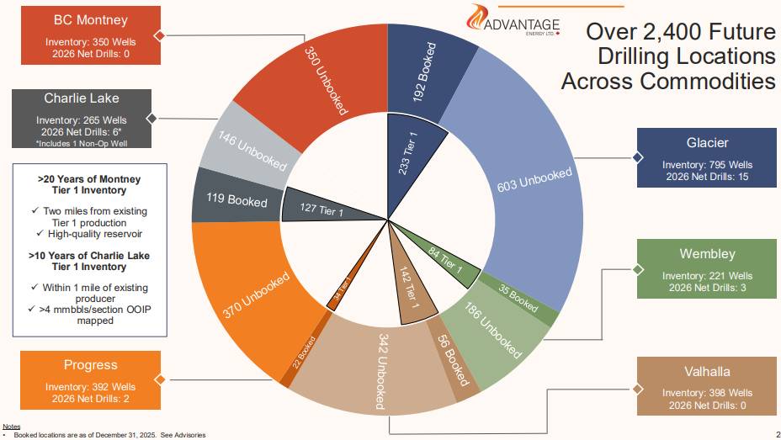
Over 2,400 Future Drilling Locations Across Commodities
Booked locations are as of December 31, 2025.

Asset | Booked | Unbooked | Total Inventory (Wells) | Tier 1 | 2026 Net Drills
Glacier | 192 | 603 | 795 | 233 | 15
Wembley | 35 | 186 | 221 | 84 | 3
Valhalla | 56 | 342 | 398 | 142 | 0
Progress | 22 | 370 | 392 | 56 | 2
Charlie Lake | 119 | 146 | 265 | 127 | 6
BC Montney | 0 | 350 | 350 | 0 | 0
Total | 424 | 1,997 | 2,421 | 642 | 26

Outer ring — Booked / Unbooked by asset
Segment | Wells
192 Booked | 192
603 Unbooked | 603
35 Booked | 35
186 Unbooked | 186
56 Booked | 56
342 Unbooked | 342
22 Booked | 22
370 Unbooked | 370
119 Booked | 119
146 Unbooked | 146
350 Unbooked | 350

Inner ring — Tier 1 by asset (fillers keep angles aligned to outer ring)
Segment | Wells
233 Tier 1 | 233
(filler) | 562
84 Tier 1 | 84
(filler) | 137
142 Tier 1 | 142
(filler) | 256
56 Tier 1 | 56
(filler) | 336
127 Tier 1 | 127
(filler) | 138
(filler) | 350

Inner total (must equal outer) | 2,421

