Sheet1
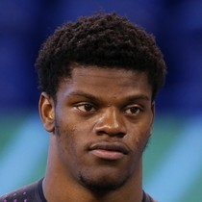
1 |  | wacko jackos tobacco | @BUF | 334.68 | 2532 | 25 | 5 | 139 | 984 | 7 | 1 | 0
 | Lamar Jackson |  | Sun 1:00 pm


 | (BAL - QB)
2 |  | Beastsaw | WAS | 227.2 | 3065 | 22 | 2 | 33 | 146 | 1 | 3 | 0
 | Aaron Rodgers |  | Sun 1:00 pm

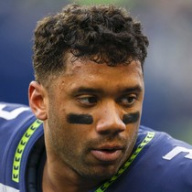
 | (GB - QB)
3 |  | Space Coyote | @LAR | 271.52 | 3178 | 26 | 4 | 57 | 284 | 3 | 2 | 0
 | Russell Wilson |  | Sun 8:20 pm

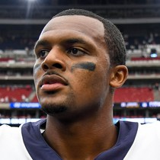
 | (SEA - QB)
4 |  | wacko jackos tobacco | DEN | 273.42 | 3133 | 23 | 7 | 62 | 300 | 5 | 3 | 0
 | Deshaun Watson |  | Sun 1:00 pm


 | (HOU - QB)
5 |  | Floodpants | @NE | 215.92 | 2983 | 20 | 2 | 25 | 166 | 1 | 2 | 0
 | Patrick Mahomes |  | Sun 4:25 pm

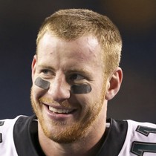
 | (KC - QB)
6 |  | FuckAmericanAirlines | NYG | 205.4 | 2840 | 20 | 7 | 45 | 188 | 1 | 5 | 0
 | Carson Wentz |  | Mon 8:15 pm

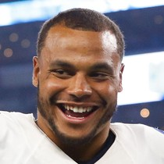
 | (PHI - QB)
7 |  | Beastsaw | @CHI | 272.72 | 3788 | 23 | 11 | 38 | 222 | 3 | 1 | 0
 | Dak Prescott |  | Thu 8:20 pm

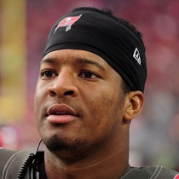
 | (DAL - QB)
8 |  | Overlord Manatee | IND | 232.36 | 3659 | 22 | 20 | 47 | 220 | 0 | 5 | 0
 | Jameis Winston |  | Sun 1:00 pm


 | (TB - QB)
10 |  | Floodpants | @OAK | 134.88 | 1602 | 12 | 4 | 30 | 128 | 3 | 3 | 0
 | Ryan Tannehill |  | Sun 4:25 pm

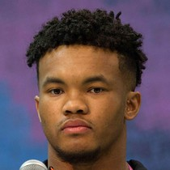
 | (TEN - QB)
11 |  | Thats Wht Cheesehead | PIT | 239.24 | 2866 | 14 | 6 | 71 | 446 | 4 | 0 | 0
 | Kyler Murray |  | Sun 4:25 pm

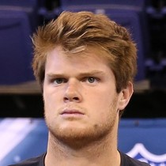
 | (ARI - QB)
12 |  | RudyWasOffsides | MIA | 146.86 | 2154 | 13 | 10 | 22 | 47 | 2 | 1 | 0
 | Sam Darnold |  | Sun 1:00 pm

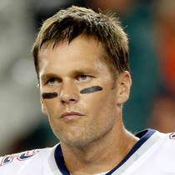
 | (NYJ - QB)
13 |  | Thats Wht Cheesehead | KC | 213.92 | 3268 | 18 | 6 | 18 | 12 | 3 | 1 | 0
 | Tom Brady |  | Sun 4:25 pm


 | (NE - QB)
14 |  | Overlord Manatee | BAL | 248.64 | 2591 | 16 | 8 | 93 | 430 | 8 | 3 | 0
 | Josh Allen |  | Sun 1:00 pm

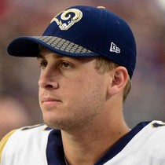
 | (BUF - QB)
15 |  | RudyWasOffsides | SEA | 180.6 | 3420 | 13 | 12 | 22 | 18 | 2 | 5 | 0
 | Jared Goff |  | Sun 8:20 pm


 | (LAR - QB)
16 |  | Canadian Baconater | CIN | 181.08 | 2917 | 15 | 14 | 18 | 84 | 2 | 2 | 0
 | Baker Mayfield |  | Sun 1:00 pm


 | (CLE - QB)
17 |  | TahoeLivin | SF | 115.54 | 1791 | 12 | 4 | 4 | -1 | 0 | 0 | 0
 | Drew Brees |  | Sun 1:00 pm

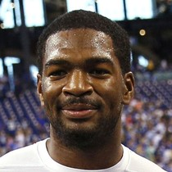
 | (NO - QB)
19 |  | TahoeLivin | @TB | 173.9 | 2245 | 16 | 6 | 44 | 141 | 3 | 3 | 0
 | Jacoby Brissett |  | Sun 1:00 pm

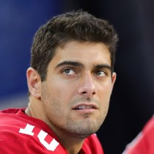
 | (IND - QB)
20 |  | FuckAmericanAirlines | @NO | 194.48 | 2896 | 21 | 10 | 36 | 46 | 1 | 5 | 0
 | Jimmy Garoppolo |  | Sun 1:00 pm


 | (SF - QB)
22 |  | Calmer Than You Are | @ATL | 147.48 | 2457 | 15 | 10 | 19 | 52 | 1 | 6 | 0
 | Kyle Allen |  | Sun 1:00 pm


 | (CAR - QB)
23 |  | Canadian Baconater | @JAC | 190.76 | 3434 | 17 | 15 | 10 | 24 | 0 | 2 | 0
 | Philip Rivers |  | Sun 4:05 pm

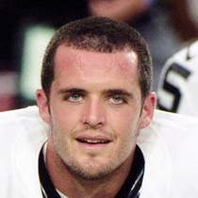
 | (LAC - QB)
24 |  | Calmer Than You Are | TEN | 174.72 | 2843 | 16 | 8 | 22 | 50 | 1 | 3 | 0
 | Derek Carr |  | Sun 4:25 pm

 | (OAK - QB)

Sheet2
1.Saquon Barkley(NYG - RB)Calmer Than ...2.Christian McCaffrey(Car - RB)TahoeLivin3.DeAndre Hopkins(Hou - WR)Floodpants4.Davante Adams(GB - WR)Beastsaw5.James Conner(Pit - RB)Canadian Bac...6.David Johnson(Ari - RB)wacko jackos...7.Leonard Fournette(Jax - RB)FuckAmerican...8.Odell Beckham Jr.(Cle - WR)RudyWasOffsides9.Julio Jones(Atl - WR)Space Coyote10.Le'Veon Bell(NYJ - RB)Overlord Man...11.Dalvin Cook(Min - RB)GrimbleGrumb...12.Joe Mixon(Cin - RB)Thats Wht Ch...


QB |  | QB 9 | DET | This is a 5 star matchup. QBs perform better than their average vs DET | Kirk Cousins tosses two more TDs in loss »
 | Kirk Cousins |  | Sun 1:00 pm

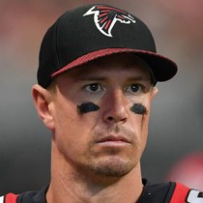
 | (MIN - BYE: 12)
QB |  | QB 18 | CAR | This is a 2 star matchup. QBs perform worse than their average vs CAR | Matt Ryan bounces back in Week 13 loss »
 | Matt Ryan |  | Sun 1:00 pm

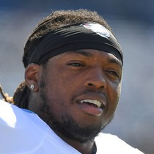
 | (ATL - BYE: 9)
RB |  | RB 2 | @OAK | This is a 4 star matchup. RBs perform close to their average vs OAK | Derrick Henry scores a rushing TD in win over the Colts »
 | Derrick Henry |  | Sun 4:25 pm

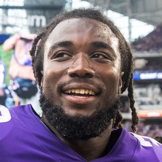
 | (TEN - BYE: 11)
RB |  | RB 4 | DET | This is a 5 star matchup. RBs perform better than their average vs DET | Dalvin Cook (shoulder) is questionable to return »
 | Dalvin Cook |  | Sun 1:00 pm


 | (MIN - BYE: 12)
RB |  | RB 8 | WAS | This is a 5 star matchup. RBs perform better than their average vs WAS | Aaron Jones totals 31 scoreless yards »
 | Aaron Jones |  | Sun 1:00 pm

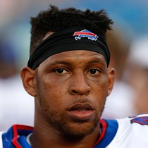
 | (GB - BYE: 11)
RB |  | RB 39 | @TB | This is a 1 star matchup. RBs perform worse than their average vs TB | Jonathan Williams gets shut down in loss to the Titans »
 | Jonathan Williams |  | Sun 1:00 pm

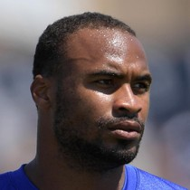
 | (IND - BYE: 6)
WR |  | WR 24 | SEA | This is a 3 star matchup. WRs perform close to their average vs SEA | Robert Woods goes berzerk for 172 yards in Week 13 »
 | Robert Woods |  | Sun 8:20 pm

 | (LAR - BYE: 9)
WR |  | WR 30 | @GB | This is a 2 star matchup. WRs perform worse than their average vs GB | Terry McLaurin catches two passes in win over Panthers »
 | Terry McLaurin |  | Sun 1:00 pm


 | (WAS - BYE: 10)
WR |  | WR 38 | @OAK | This is a 5 star matchup. WRs perform better than their average vs OAK | A.J. Brown hauls in three passes in win on Sunday »
 | A.J. Brown |  | Sun 4:25 pm

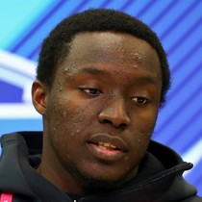
 | (TEN - BYE: 11)
WR |  | WR 42 | @ARI | This is a 4 star matchup. WRs perform better than their average vs ARI | James Washington scores in Week 13 »
 | James Washington |  | Sun 4:25 pm

 | (PIT - BYE: 7)
WR |  | WR 46 | @PHI | This is a 3 star matchup. WRs perform close to their average vs PHI | Darius Slayton catches six passes Sunday »
 | Darius Slayton |  | Mon 8:15 pm

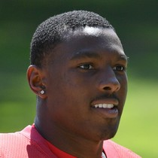
 | (NYG - BYE: 11)
WR |  | WR 69 | @NE | This is a 1 star matchup. WRs perform worse than their average vs NE | Mecole Hardman sees one touch versus Raiders »
 | Mecole Hardman |  | Sun 4:25 pm

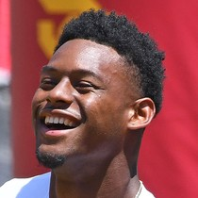
 | (KC - BYE: 12)
WR |  | WR 115 | @ARI | This is a 4 star matchup. WRs perform better than their average vs ARI | JuJu Smith-Schuster (knee) considered questionable for Week 14 »
 | JuJu Smith-Schuster |  | Sun 4:25 pm

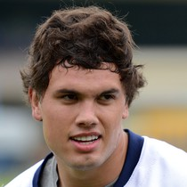
 | (PIT - BYE: 7)
TE |  | TE 4 | @JAC | This is a 2 star matchup. TEs perform worse than their average vs JAC | Hunter Henry invisible in loss to Denver »
 | Hunter Henry |  | Sun 4:05 pm

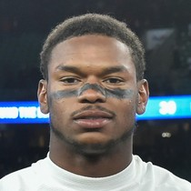
 | (LAC - BYE: 12)
TE |  | - | SEA | This is a 5 star matchup. TEs perform better than their average vs SEA | Gerald Everett (knee) has been ruled out Week 13 »
 | Gerald Everett |  | Sun 8:20 pm

 | (LAR - BYE: 9)
DST | PIT | DST 4 | @ARI | This is a 1 star matchup. DSTs perform worse than their average vs ARI | Steelers defense holds Cleveland to 13 points »
 | Pittsburgh Steelers |  | Sun 4:25 pm

 | (PIT - BYE: 7)

