IAM
1 | IAM - Identity & Access Management
 | Global service
 | Root account created by default, shouldn’t be used or shared
 | Users are people within your organization, and can be grouped
 | Groups only contain users, not other group
 | Users don’t have to belong to a group, and user can belong to multiple groups
 | IAM user is created by Root account or other IAM users
 | IAM roles also used for services like EC2, lambda etc to access other resource on aws.

2 | IAM Policies Structure
 |  | 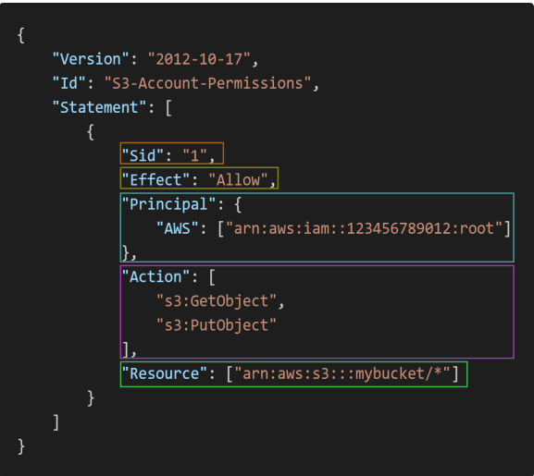

 | Consists of: Version: policy language version, always include "2012-10-17" Id: an identifier for the policy (optional) Statement: one or more individual statements (required)
 | Statements consists of: Sid: an identifier for the statement (optional) Effect: whether the statement allows or denies access(Allow, Deny) Principal: account/user/role to which this policy applied to Action: list of actions this policy allows or denies Resource: list of resources to which the actions applied to Condition: conditions for when this policy is in effect(optional)

3 | IAM Role vs Policy vs Permission
 | IAM Roles manage who has access to your AWS resources, whereas IAM policies control their permissions.
 | A Role with no Policy attached to it won’t have to access any AWS resources.
 | A Policy that is not attached to an IAM role is effectively unused. Permissions listed in an IAM policy are only enforced when that policy is attached to an IAM identity.
 | Policies: JSON document that outlines permissions for users or groups
 | Roles: for EC2 instance or AWS Services
 | List<Permissions> -> List<Policy> -> Role Role can have one or more Policy Policy can have one or more Permission(Statement)
 | Therefore, you should IAM roles and policies together to manage the security of your AWS resources.

4 | How can User Access AWS
 | AWS Management Console (protected by password + MFA)
 | AWS Command Line Interface (CLI): protected by access keys(You can use aws configure command to setup AWS CLI which will ask access key and secret key. AWS cloud shell is not present in all the regions.
 | AWS Software Developer Kit (SDK) - for code: protected by access keys

5 | IAM Security Tools
 | IAM Credentials Report (account-level) a report that lists all your account's users and the status of their various credentials
 | IAM Access Advisor (user-level) Access advisor shows the service permissions granted to a user and when those services were last accessed. You can use this information to revise your policies

EC2 Instance
1 | EC2- Elastic Cloud Computing
 | It mainly consists in the capability of : Renting virtual machines (EC2) Storing data on virtual drives (EBS) Distributing load across machines (ELB) Scaling the services using an auto-scaling group (ASG)
 | EC2 sizing & configuration options: Operating System (OS): Linux, Windows or Mac OS How much compute power & cores (CPU) How much random-access memory (RAM) How much storage space: Network-attached (EBS & EFS) hardware (EC2 Instance Store) Network card: speed of the card, Public IP address Firewall rules: security group Bootstrap script (configure at first launch): EC2 User Data
 | If You Stop Start the instance then every time you will start , you will get new public IP but private IP will always be the same

2 | EC2 - Instance Types
 | General Purpose
 | Compute Optimized
 | Memory Optimized
 | Accelerated Computing
 | HPC Optimized
 | Storage Optimized
 | Examples
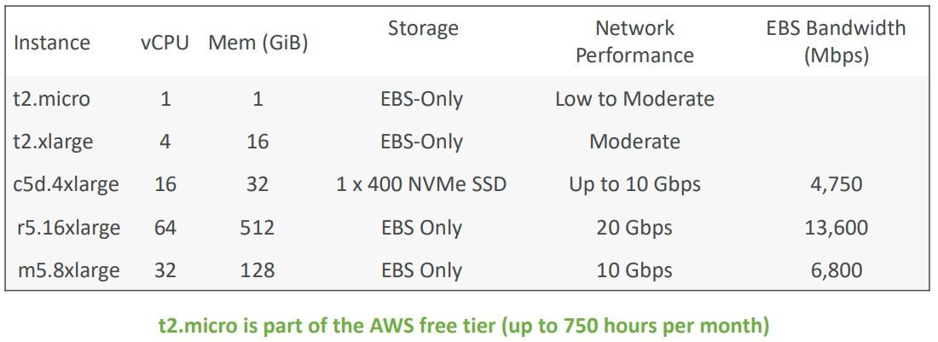

 | Great website: https://instances.vantage.sh https://aws.amazon.com/ec2/instance-types/

3 | SSH on EC2 Instance
 | On Putty run this command to access EC2 Instance: ssh -i EC2Tutorial.pem ec2-user@3.250.26.200
 | EC2 Instance Connect: EC2->Select Your Instance->Click On Connect Connect to your EC2 instance within your browser No need to use your key file that was downloaded The “magic” is that a temporary key is uploaded onto EC2 by AWS Need to make sure the port 22 is still opened

4 | EC2 Instances Purchasing Options
 | On-Demand Instances – short workload, predictable pricing, pay by second
 | Reserved (1 or 3 years) : Reserved Instances – long workloads Convertible Reserved Instances – long workloads with flexible instances
 | Savings Plans (1 & 3 years) –commitment to an amount of usage, long workload
 | Spot Instances – short workloads, cheap, can lose instances (less reliable)
 | Dedicated Hosts – book an entire physical server, control instance placement
 | Dedicated Instances – no other customers will share your hardware
 | Capacity Reservations - reserve capacity in a specific AZ for any duration

 | Price Comparison - Example – m4.large – us-east-1
 | 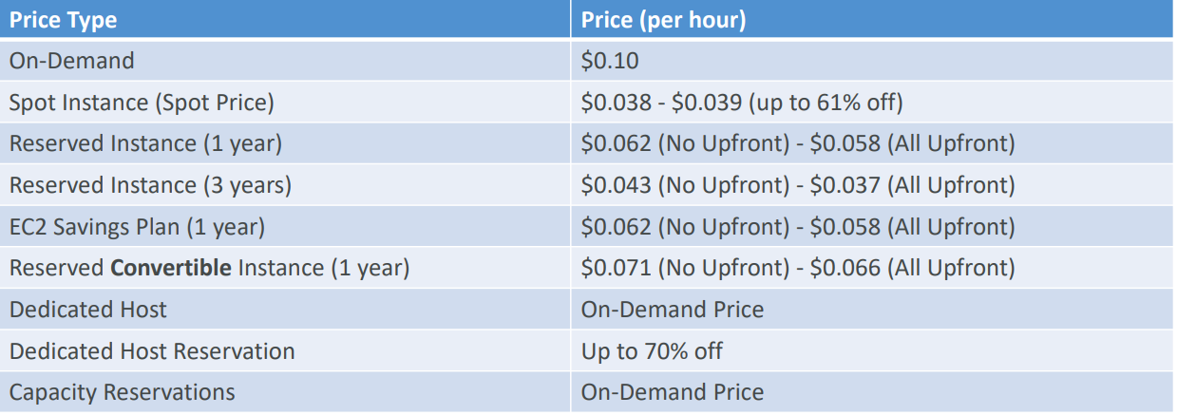

5 | EC2 Spot Instance
 | Can get a discount of up to 90% compared to On-demand
 | Define max spot price and get the instance while current spot price < max The hourly spot price varies based on offer and capacity If the current spot price > your max price you can choose to stop or terminate your instance with a 2 minutes grace period
 | Other strategy: Spot Block “block” spot instance during a specified time frame (1 to 6 hours) without interruptions In rare situations, the instance may be reclaimed
 | Used for batch jobs, data analysis, or workloads that are resilient to failures
 | Not great for critical jobs or databases

 | How to terminate Spot Instances?
 | 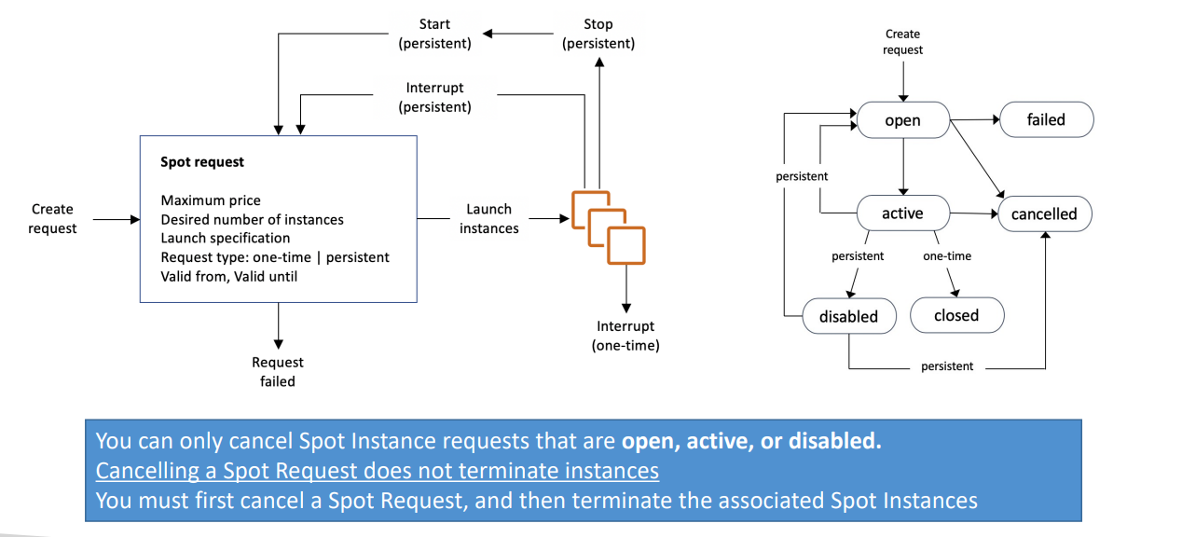

 | Spot Fleet
 | Spot Fleets = set of Spot Instances + (optional) On-Demand Instances
 | The Spot Fleet will try to meet the target capacity with price constraints Define possible launch pools: instance type (m5.large), OS, Availability Zone Can have multiple launch pools, so that the fleet can choose Spot Fleet stops launching instances when reaching capacity or max cost Strategies to allocate Spot Instances: lowestPrice: from the pool with the lowest price (cost optimization, short workload) diversified: distributed across all pools (great for availability, long workloads) capacityOptimized: pool with the optimal capacity for the number of instances priceCapacityOptimized (recommended): pools with highest capacity available, then select the pool with the lowest price (best choice for most workloads)
 | Spot Fleets allow us to automatically request Spot Instances with the lowest price

6 | Private vs Public IP (IPv4) In AWS EC2
 | By default, your EC2 machine comes with: A private IP for the internal AWS Network A public IP, for the WWW
 | When we are doing SSH into our EC2 machines: We can’t use a private IP, because we are not in the same network We can only use the public IP
 | If your machine is stopped and then started, the public IP can change

7 | EC2 Hibernate
 | We know we can stop, terminate instances Stop – the data on disk (EBS) is kept intact in the next start Terminate – any EBS volumes (root) also set-up to be destroyed is lost
 | On start, the following happens: First start: the OS boots & the EC2 User Data script is run Following starts: the OS boots up Then your application starts, caches get warmed up, and that can take time!
 | Introducing EC2 Hibernate: The in-memory (RAM) state is preserved The instance boot is much faster!(the OS is not stopped / restarted) Under the hood: the RAM state is written to a file in the root EBS volume The root EBS volume must be encrypted
 | Instance RAM Size – must be less than 150 GB
 | Root Volume – must be EBS, encrypted, not instance store, and large
 | An instance can NOT be hibernated more than 60 days

