IAM
1 | IAM - Identity & Access Management
 | Global service
 | Root account created by default, shouldn’t be used or shared
 | Users are people within your organization, and can be grouped
 | Groups only contain users, not other group
 | Users don’t have to belong to a group, and user can belong to multiple groups
 | IAM user is created by Root account or other IAM users
 | IAM roles also used for services like EC2, lambda etc to access other resource on aws.

2 | IAM Policies Structure
 |  | 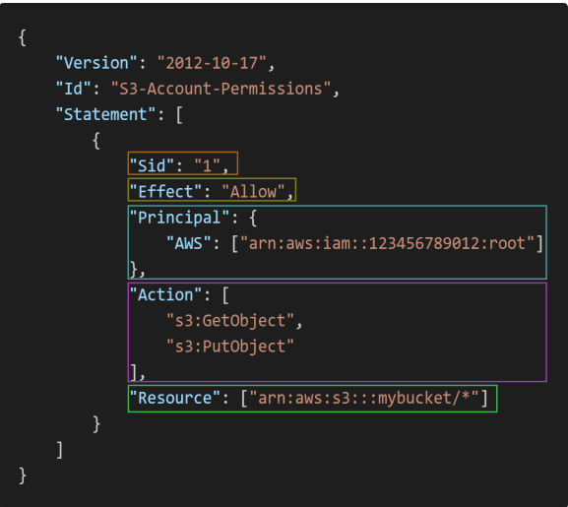

 | Consists of: Version: policy language version, always include "2012-10-17" Id: an identifier for the policy (optional) Statement: one or more individual statements (required)
 | Statements consists of: Sid: an identifier for the statement (optional) Effect: whether the statement allows or denies access(Allow, Deny) Principal: account/user/role to which this policy applied to Action: list of actions this policy allows or denies Resource: list of resources to which the actions applied to Condition: conditions for when this policy is in effect(optional)

3 | IAM Role vs Policy vs Permission
 | IAM Roles manage who has access to your AWS resources, whereas IAM policies control their permissions.
 | A Role with no Policy attached to it won’t have to access any AWS resources.
 | A Policy that is not attached to an IAM role is effectively unused. Permissions listed in an IAM policy are only enforced when that policy is attached to an IAM identity.
 | Policies: JSON document that outlines permissions for users or groups
 | Roles: for EC2 instance or AWS Services
 | List<Permissions> -> List<Policy> -> Role Role can have one or more Policy Policy can have one or more Permission(Statement)
 | Therefore, you should IAM roles and policies together to manage the security of your AWS resources.

4 | How can User Access AWS
 | AWS Management Console (protected by password + MFA)
 | AWS Command Line Interface (CLI): protected by access keys(You can use aws configure command to setup AWS CLI which will ask access key and secret key. AWS cloud shell is not present in all the regions.
 | AWS Software Developer Kit (SDK) - for code: protected by access keys

5 | IAM Security Tools
 | IAM Credentials Report (account-level) a report that lists all your account's users and the status of their various credentials
 | IAM Access Advisor (user-level) Access advisor shows the service permissions granted to a user and when those services were last accessed. You can use this information to revise your policies

EC2 Instance
1 | EC2- Elastic Cloud Computing
 | It mainly consists in the capability of : Renting virtual machines (EC2) Storing data on virtual drives (EBS) Distributing load across machines (ELB) Scaling the services using an auto-scaling group (ASG)
 | EC2 sizing & configuration options: Operating System (OS): Linux, Windows or Mac OS How much compute power & cores (CPU) How much random-access memory (RAM) How much storage space: Network-attached (EBS & EFS) hardware (EC2 Instance Store) Network card: speed of the card, Public IP address Firewall rules: security group Bootstrap script (configure at first launch): EC2 User Data
 | If You Stop Start the instance then every time you will start , you will get new public IP but private IP will always be the same

2 | EC2 - Instance Types
 | General Purpose
 | Compute Optimized
 | Memory Optimized
 | Accelerated Computing
 | HPC Optimized
 | Storage Optimized
 | Examples
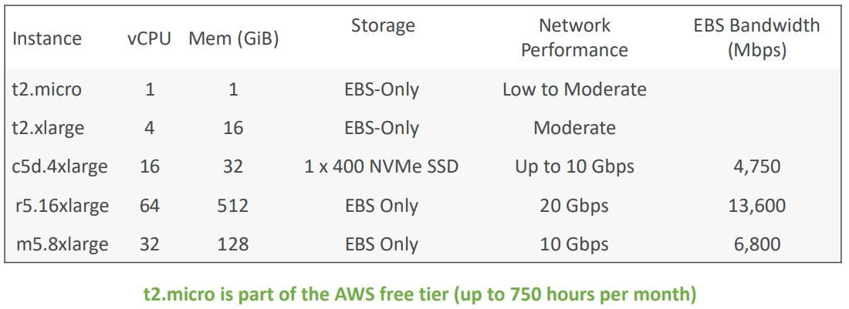

 | Great website: https://instances.vantage.sh https://aws.amazon.com/ec2/instance-types/

3 | SSH on EC2 Instance
 | On Putty run this command to access EC2 Instance: ssh -i EC2Tutorial.pem ec2-user@3.250.26.200
 | EC2 Instance Connect: EC2->Select Your Instance->Click On Connect Connect to your EC2 instance within your browser No need to use your key file that was downloaded The “magic” is that a temporary key is uploaded onto EC2 by AWS Need to make sure the port 22 is still opened

4 | EC2 Instances Purchasing Options
 | On-Demand Instances – short workload, predictable pricing, pay by second
 | Reserved (1 or 3 years) : Reserved Instances – long workloads Convertible Reserved Instances – long workloads with flexible instances
 | Savings Plans (1 & 3 years) –commitment to an amount of usage, long workload
 | Spot Instances – short workloads, cheap, can lose instances (less reliable)
 | Dedicated Hosts – book an entire physical server, control instance placement
 | Dedicated Instances – no other customers will share your hardware
 | Capacity Reservations - reserve capacity in a specific AZ for any duration

 | Price Comparison - Example – m4.large – us-east-1
 | 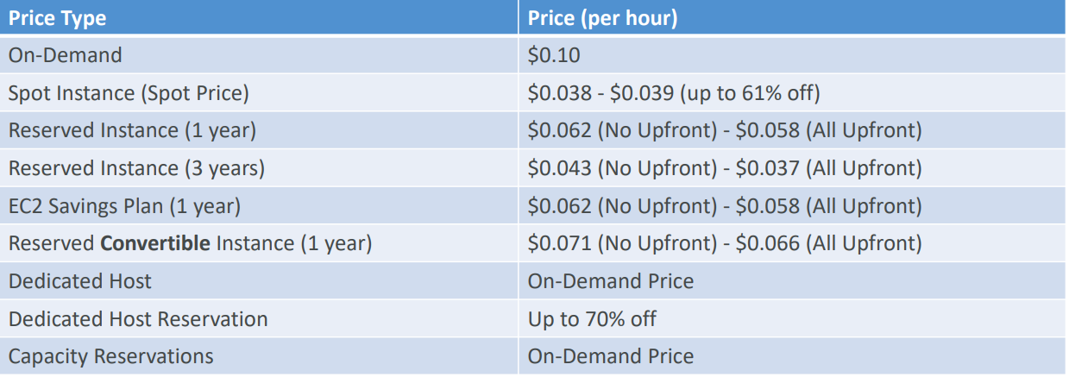

5 | EC2 Spot Instance
 | Can get a discount of up to 90% compared to On-demand
 | Define max spot price and get the instance while current spot price < max The hourly spot price varies based on offer and capacity If the current spot price > your max price you can choose to stop or terminate your instance with a 2 minutes grace period
 | Other strategy: Spot Block “block” spot instance during a specified time frame (1 to 6 hours) without interruptions In rare situations, the instance may be reclaimed
 | Used for batch jobs, data analysis, or workloads that are resilient to failures
 | Not great for critical jobs or databases

 | How to terminate Spot Instances?
 | 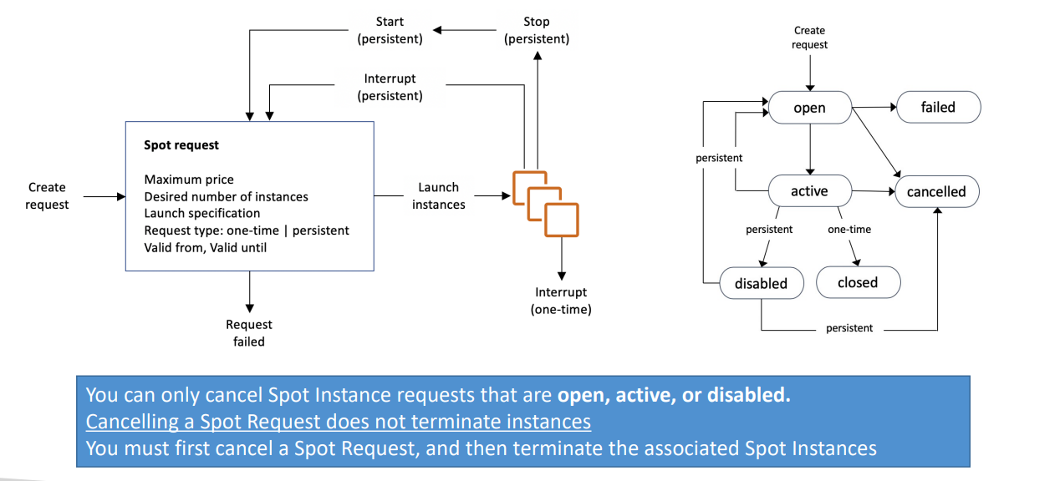

 | Spot Fleet
 | Spot Fleets = set of Spot Instances + (optional) On-Demand Instances
 | The Spot Fleet will try to meet the target capacity with price constraints Define possible launch pools: instance type (m5.large), OS, Availability Zone Can have multiple launch pools, so that the fleet can choose Spot Fleet stops launching instances when reaching capacity or max cost Strategies to allocate Spot Instances: lowestPrice: from the pool with the lowest price (cost optimization, short workload) diversified: distributed across all pools (great for availability, long workloads) capacityOptimized: pool with the optimal capacity for the number of instances priceCapacityOptimized (recommended): pools with highest capacity available, then select the pool with the lowest price (best choice for most workloads)
 | Spot Fleets allow us to automatically request Spot Instances with the lowest price

6 | Private vs Public IP (IPv4) In AWS EC2
 | By default, your EC2 machine comes with: A private IP for the internal AWS Network A public IP, for the WWW
 | When we are doing SSH into our EC2 machines: We can’t use a private IP, because we are not in the same network We can only use the public IP
 | If your machine is stopped and then started, the public IP can change

7 | EC2 Hibernate
 | We know we can stop, terminate instances Stop – the data on disk (EBS) is kept intact in the next start Terminate – any EBS volumes (root) also set-up to be destroyed is lost
 | On start, the following happens: First start: the OS boots & the EC2 User Data script is run Following starts: the OS boots up Then your application starts, caches get warmed up, and that can take time!
 | Introducing EC2 Hibernate: The in-memory (RAM) state is preserved The instance boot is much faster!(the OS is not stopped / restarted) Under the hood: the RAM state is written to a file in the root EBS volume The root EBS volume must be encrypted
 | Instance RAM Size – must be less than 150 GB
 | Root Volume – must be EBS, encrypted, not instance store, and large
 | An instance can NOT be hibernated more than 60 days

8 | AMI Process from an EC2 Instance
 | Start an EC2 instance and customize it
 | Stop the instance (for data integrity)
 | Build an AMI – this will also create EBS snapshots
 | Launch instances from other AMIs

EBS(BeanStalk)
1 | Elastic Beanstalk
 | Elastic Beanstalk is a developer centric view of deploying an application on AWS
 | It uses all the component’s we’ve seen before: EC2, ASG, ELB, RDS
 | Managed service Automatically handles capacity provisioning, load balancing, scaling, application health monitoring, instance configuration Just the application code is the responsibility of the developer
 | We still have full control over the configuration
 | Beanstalk is free but you pay for the underlying instances
 | Application: collection of Elastic Beanstalk components (environments, versions, configurations, …)
 | Application Version: an iteration of your application code
 | Environment Collection of AWS resources running an application version (only one application version at a time) Tiers: Web Server Environment Tier & Worker Environment Tier You can create multiple environments (dev, test, prod, …)

 | Supported Platforms
 | Go, Java SE, Java with Tomcat, .NET Core on Linux, .NET on Windows Server , Node.js, PHP, Python, Ruby, Packer Builder, Single Container Docker Multi-container Docker, Preconfigured Docker, If not supported, you can write your custom platform

 | Web Server Tier vs. Worker Tier
 | Run a website, web application, or web API that serves HTTP requests
 | Run a worker application that processes long-running workloads on demand or performs tasks on a schedule

2 | Elastic Beanstalk Deployment Modes
 | 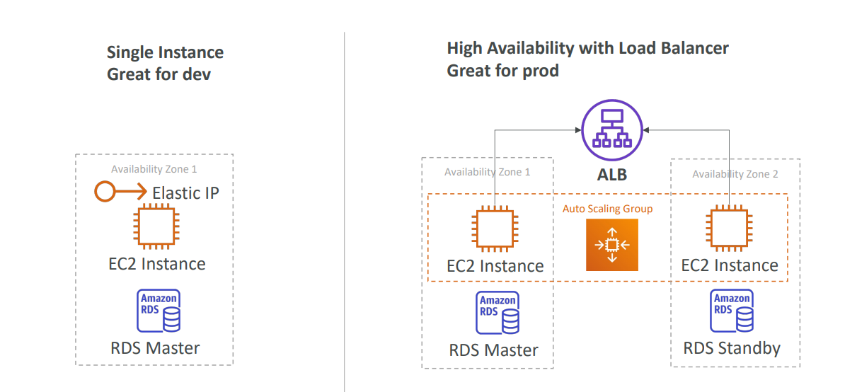

EC2 Instance Storage
1 | EC2 Storage
 | EBS Volume - Elastic Block Storage
 | An EBS (Elastic Block Store) Volume is a network drive you can attachto your instances while they run
 | It allows your instances to persist data, even after their termination
 | They can only be mounted to one instance at a time (at the CCP level)
 | They are bound to a specific availability zone
 | It’s a network drive (i.e. not a physical drive)
 | It uses the network to communicate the instance, which means there might be a bit of latency
 | It can be detached from an EC2 instance and attached to another one quickly
 | An EBS Volume in us-east-1a cannot be attached to us-east-1b
 | To move a volume across, you first need to snapshot it(See EBS Snapshots section)
 | when an EC2 instance terminates: By default, the root EBS volume is deleted (attribute enabled) By default, any other attached EBS volume is not deleted (attribute disabled)

 | EC2 Instance Store
 | EBS volumes are network drives with good but “limited” performance
 | If you need a high-performance hardware disk, use EC2 Instance Store
 | Better I/O performance as compared to other Storage option
 | EC2 Instance Store lose their storage if they’re stopped (ephemeral)
 | Good for buffer / cache / scratch data / temporary content
 | Risk of data loss if hardware fails
 | Backups and Replication are your responsibility

 | EFS – Elastic File System
 | Managed NFS (network file system) that can be mounted on many EC2
 | EFS works with EC2 instances in multi-AZ
 | Highly available, scalable, expensive (3x gp2), pay per use
 | Use cases: content management, web serving, data sharing, Wordpress
 | Uses NFSv4.1 protocol
 | Uses security group to control access to EFS
 | Compatible with Linux based AMI (not Windows)
 | Encryption at rest using KMS
 | POSIX file system (~Linux) that has a standard file API
 | File system scales automatically, pay-per-use, no capacity planning!

2 | EBS Snapshots
 | Make a backup (snapshot) of your EBS volume at a point in time
 | Not necessary to detach volume to do snapshot, but recommended
 | Can copy snapshots across AZ or Region(means you can create a snaphot in region 1 and create EBS volume with this snapshot in region 2)
 | EBS Snapshot Archive Move a Snapshot to an ”archive tier” that is 75% cheaper Takes within 24 to 72 hours for restoring the archive
 | Recycle Bin for EBS Snapshots Setup rules to retain deleted snapshots so you can recover them after an accidental deletion Specify retention (from 1 day to 1 year)
 | Fast Snapshot Restore (FSR) Force full initialization of snapshot to have no latency on the first use ($$$)

3 | EBS Volume Types
 | EBS Volumes come in 6 types
 | gp2 / gp3 (SSD): General purpose SSD volume that balances price and performance for a wide variety of workloads Cost effective storage, low-latency System boot volumes, Virtual desktops, Development and test environments 1 GiB - 16 TiB gp3: Baseline of 3,000 IOPS and throughput of 125 MiB/s Can increase IOPS up to 16,000 and throughput up to 1000 MiB/s independently gp2: Small gp2 volumes can burst IOPS to 3,000 Size of the volume and IOPS are linked, max IOPS is 16,000 3 IOPS per GB, means at 5,334 GB we are at the max IOPS
 | io1 / io2 (SSD): Provisioned IOPS Highest-performance SSD volume for mission-critical low-latency or high-throughput workloads Critical business applications with sustained IOPS performance Or applications that need more than 16,000 IOPS Great for databases workloads (sensitive to storage perf and consistency) io1/io2 (4 GiB - 16 TiB): Max PIOPS: 64,000 for Nitro EC2 instances & 32,000 for other Can increase PIOPS independently from storage size io2 have more durability and more IOPS per GiB (at the same price as io1) io2 Block Express (4 GiB – 64 TiB): Sub-millisecond latency Max PIOPS: 256,000 with an IOPS:GiB ratio of 1,000:1 Supports EBS Multi-attach(See Below Section)
 | st1 (HDD): Low cost HDD(Hard Disk Drives) volume designed for frequently accessed, throughput- intensive workloads Cannot be a boot volume 125 GiB to 16 TiB Throughput Optimized HDD (st1): Big Data, Data Warehouses, Log Processing Max throughput 500 MiB/s – max IOPS 500
 | sc1 (HDD): Cold HDD, Lowest cost HDD volume designed for less frequently accessed workloads For data that is infrequently accessed Scenarios where lowest cost is important Max throughput 250 MiB/s – max IOPS 250
 | EBS Volumes are characterized in Size | Throughput | IOPS (I/O Ops Per Sec)
 | Only gp2/gp3 and io1/io2 can be used as boot volumes
 | 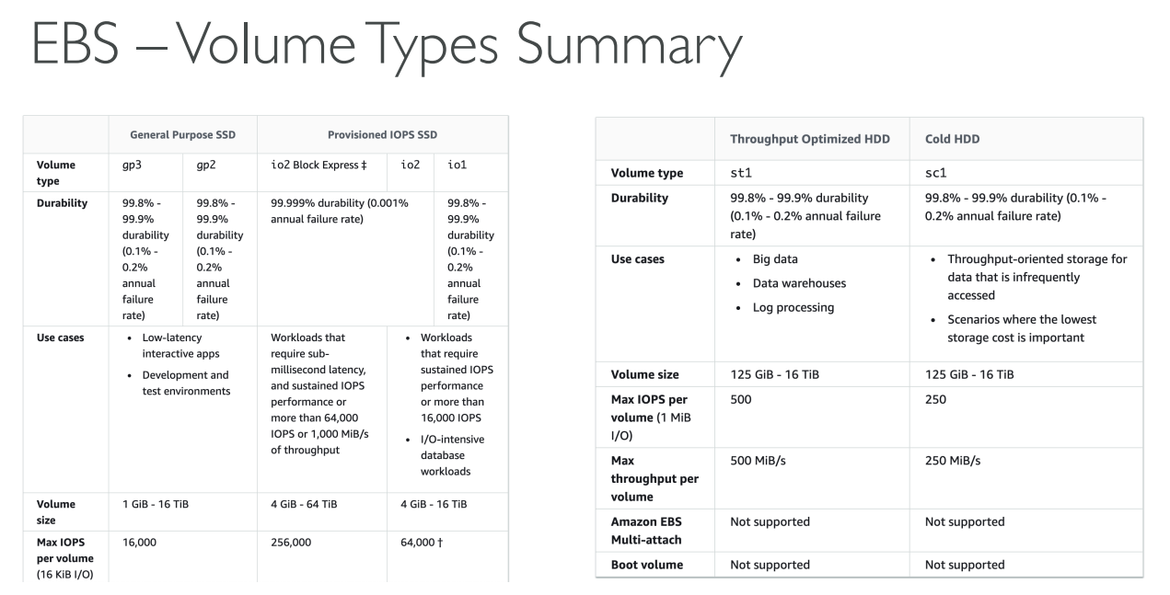

4 | EBS Multi-Attach – io1/io2 family
 | Attach the same EBS volume to multiple EC2 instances in the same AZ
 | Each instance has full read & write permissions to the high-performance volume
 | Use case: Achieve higher application availability in clustered Linux applications (ex: Teradata) Applications must manage concurrent write operations
 | Up to 16 EC2 Instances at a time
 | Must use a file system that’s cluster-aware (not XFS, EXT4, etc…)

5 | EBS Encryption
 | When you create an encrypted EBS volume, you get the following: Data at rest is encrypted inside the volume All the data in flight moving between the instance and the volume is encrypted All snapshots are encrypted All volumes created from the snapshot are encrypted
 | Encryption and decryption are handled transparently (you have nothing to do)
 | Encryption has a minimal impact on latency
 | EBS Encryption leverages keys from KMS (AES-256)
 | Copying an unencrypted snapshot allows encryption( Means using Copy feature of Snapshot give option to encrypt unencrypted snapshot
 | Snapshots of encrypted volumes are encrypted

 | Encryption: encrypt an unencrypted EBS volume
 | Create an EBS snapshot of the volume
 | Encrypt the EBS snapshot ( using copy )
 | Create new ebs volume from the snapshot ( the volume will also be encrypted )
 | Now you can attach the encrypted volume to the original instance

6 | EFS – Performance
 | EFS Scale 1000s of concurrent NFS clients, 10 GB+ /s throughput Grow to Petabyte-scale network file system, automatically
 | Performance Mode (set at EFS creation time) General Purpose (default) – latency-sensitive use cases (web server, CMS, etc…) Max I/O – higher latency, throughput, highly parallel (big data, media processing)
 | Throughput Mode Bursting – 1 TB = 50MiB/s + burst of up to 100MiB/s Enhanced Provisioned – set your throughput regardless of storage size, ex: 1 GiB/s for 1 TB storage Elastic – automatically scales throughput up or down based on your workloads Up to 3GiB/s for reads and 1GiB/s for writes Used for unpredictable workloads

7 | EFS – Storage Classes
 | Storage Tiers (lifecycle management feature – move file after N days) Standard: for frequently accessed files Infrequent access (EFS-IA): cost to retrieve files,lower price to store. Enable EFS-IA with a Lifecycle Policy
 | Availability and durability(Storage Classes) Standard: Multi-AZ, great for prod One Zone: One AZ, great for dev, backup enabled by default, compatible with IA (EFS One Zone-IA).Over 90% in cost savings

More Storage
1 | AWS Snow Family
 | Highly-secure, portable devices to collect and process data at the edge, and migrate data into and out of AWS
 | Data migration: Snowcone Snowball Edge Snowmobile
 | Edge computing: Snowcone Snowball Edge

 | Challenges of Data Migrations over network
 | Limited connectivity
 | Limited bandwidth
 | High network cost
 | Shared bandwidth (can’t maximize the line)
 | Connection stability
 | 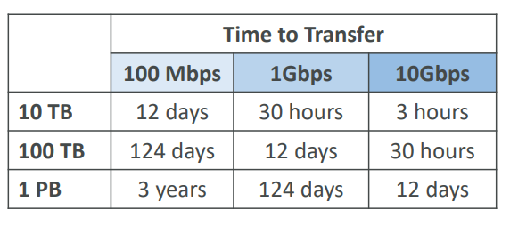

 | AWS Snow Family: offline devices to perform data migrations If it takes more than a week to transfer over the network, use Snowball devices!
 | 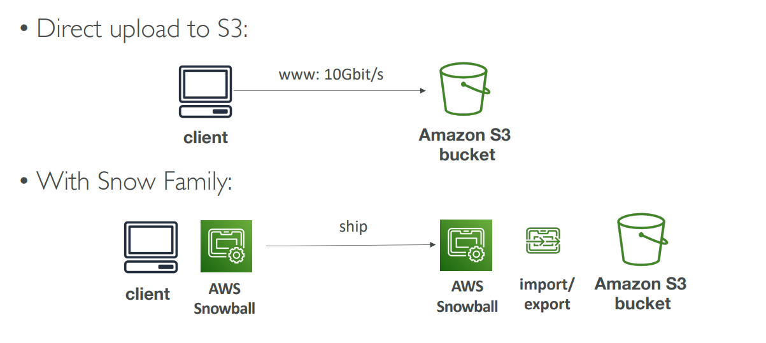

2 | AWS Snowcone & Snowcone SSD
 | Small, portable computing, anywhere, rugged & secure, withstands harsh environments
 | Light (4.5 pounds, 2.1 kg)
 | Device used for edge computing, storage, and data transfer
 | Snowcone – 8 TB of HDD Storage
 | Snowcone SSD – 14 TB of SSD Storage
 | Use Snowcone where Snowball does not fit (space - constrained environment)
 | Must provide your own battery / cables
 | Can be sent back to AWS offline, or connect it to internet and use AWS DataSync to send data

3 | Snowball Edge
 | Physical data transport solution: move TBs or PBs of data in or out of AWS
 | Alternative to moving data over the network (and paying network fees)
 | Pay per data transfer job
 | Provide block storage and Amazon S3 -compatible object storage
 | Snowball Edge Storage Optimized 80 TB of HDD capacity for block volume and S3 compatible object storage
 | Snowball Edge Compute Optimized 42 TB of HDD or 28TB NVMe capacity for block volume and S3 compatible object storage
 | Use cases: large data cloud migrations, DC decommission, disaster recovery

4 | Snowmobile
 | Transfer exabytes of data (1 EB = 1,000 PB = 1,000,000 TBs)
 | Each Snowmobile has 100 PB of capacity (use multiple in parallel)
 | High security: temperature controlled, GPS, 24/7 video surveillance
 | Better than Snowball if you transfer more than 10 PB

5 | Usage Process
 | Request Snowball devices from the AWS console for delivery
 | Install the snowball client / AWS OpsHub on your servers
 | Connect the snowball to your servers and copy files using the client
 | Ship back the device when you’re done (goes to the right AWS facility)
 | Data will be loaded into an S3 bucket
 | Snowball is completely wiped

6 | Edge Computing
 | Process data while it’s being created on an edge location A truck on the road, a ship on the sea, a mining station underground...
 | These locations may have Limited / no internet access Limited / no easy access to computing power
 | We setup a Snowball Edge / Snowcone device to do edge computing
 | Use cases of Edge Computing: Preprocess data Machine learning at the edge Transcoding media streams
 | Eventually (if need be) we can ship back the device to AWS (for transferring data for example)

 | Snowcone & Snowcone SSD (smaller)
 | 2 CPUs, 4 GB of memory, wired or wireless access USB-C power using a cord or the optional battery

 | Snowball Edge – Compute Optimized
 | 104 vCPUs, 416 GiB of RAM Optional GPU (useful for video processing or machine learning) 28TB NVMe or 42TB HDD usable storage Storage Clustering available (up to 16 nodes)
 | Snowball Edge – Storage Optimized Up to 40 vCPUs, 80 GiB of RAM, 80 TB storage
 | All: Can run EC2 Instances & AWS Lambda functions (using AWS IoT Greengrass)
 | Long-term deployment options: 1 and 3 years discounted pricing

7 | OpsHub
 | Historically, to use Snow Family devices, you needed a CLI (Command Line Interface tool)
 | Today, you can use AWS OpsHub (a software you install on your computer / laptop) to manage your Snow Family Device Unlocking and configuring single or clustered devices Transferring files Launching and managing instances running on Snow Family Devices Monitor device metrics (storage capacity, active instances on your device) Launch compatible AWS services on your devices(ex: Amazon EC2 instances, AWS DataSync, Network File System (NFS))

8 | Snowball into Glacier
 | Snowball cannot import to Glacier directly
 | You must use Amazon S3 first, in combination with an S3 lifecycle policy

9 | FSx
 | Launch 3rd party high-performance file systems on AWS
 | Fully managed service
 | FSx for Lustre
 | FSx for Windows File Server
 | FSx for NetApp ONTAP
 | FSx for OpenZFS

10 | FSx for Windows (File Server)
 | FSx for Windows is a fully managed Windows file system share drive
 | Supports SMB protocol & Windows NTFS
 | Microsoft Active Directory integration, ACLs, user quotas
 | Can be mounted on Linux EC2 instances
 | Supports Microsoft's Distributed File System (DFS) Namespaces (group files across multiple FS)
 | Scale up to 10s of GB/s, millions of IOPS, 100s PB of data
 | Storage Options: SSD – latency sensitive workloads (databases, media processing, data analytics, …) HDD – broad spectrum of workloads (home directory, CMS, …)
 | Can be accessed from your on-premises infrastructure (VPN or Direct Connect)
 | Can be configured to be Multi-AZ (high availability)
 | Data is backed-up daily to S3

11 | Amazon FSx for Lustre
 | Lustre is a type of parallel distributed file system, for large-scale computing
 | The name Lustre is derived from “Linux” and “cluster
 | Machine Learning, High Performance Computing (HPC)
 | Video Processing, Financial Modeling, Electronic Design Automation
 | Scales up to 100s GB/s, millions of IOPS, sub-ms latencies
 | Storage Options: SSD – low-latency, IOPS intensive workloads, small & random file operations HDD – throughput-intensive workloads, large & sequential file operations
 | Seamless integration with S3 Can “read S3” as a file system (through FSx) Can write the output of the computations back to S3 (through FSx)
 | Can be used from on-premises servers (VPN or Direct Connect)

 | File System Deployment Options
 | Scratch File System Temporary storage Data is not replicated (doesn’t persist if file server fails) High burst (6x faster, 200MBps per TiB) Usage: short-term processing, optimize costs
 | Persistent File System Long-term storage Data is replicated within same AZ Replace failed files within minutes Usage: long-term processing, sensitive data

12 | NetApp ONTAP
 | Managed NetApp ONTAP on AWS
 | File System compatible with NFS, SMB, iSCSI protocol
 | Move workloads running on ONTAP or NAS to AWS
 | Works with: Linux Windows MacOS VMware Cloud on AWS Amazon Workspaces & AppStream 2.0 Amazon EC2, ECS and EKS
 | Storage shrinks or grows automatically
 | Snapshots, replication, low-cost, compression and data de-duplication
 | Point-in-time instantaneous cloning (helpful for testing new workloads)

13 | FSx for OpenZFS
 | Managed OpenZFS file system on AWS
 | File System compatible with NFS (v3, v4, v4.1, v4.2)
 | Move workloads running on ZFS to AWS
 | Works with: Linux Windows MacOS VMware Cloud on AWS Amazon Workspaces & AppStream 2.0 Amazon EC2, ECS and EKS
 | Up to 1,000,000 IOPS with < 0.5ms latency
 | Snapshots, compression and low-cost
 | Point-in-time instantaneous cloning (helpful for testing new workloads)

14 | Hybrid Cloud for Storage
 | AWS is pushing for ”hybrid cloud” Part of your infrastructure is on the cloud Part of your infrastructure is on-premises
 | This can be due to Long cloud migrations Security requirements Compliance requirements IT strategy
 | S3 is a proprietary storage technology (unlike EFS / NFS), so how do you expose the S3 data on-premises?
 | AWS Storage Gateway

15 | Storage Gateway
 | Bridge between on-premises data and cloud data
 | Use cases: disaster recovery backup & restore tiered storage on-premises cache & low-latency files access
 | Types of Storage Gateway: S3 File Gateway FSx File Gateway Volume Gateway Tape Gateway

 | S3 File Gateway
 | Configured S3 buckets are accessible using the NFS and SMB protocol
 | Most recently used data is cached in the file gateway
 | Supports S3 Standard, S3 Standard IA, S3 One Zone A, S3 Intelligent Tiering
 | Transition to S3 Glacier using a Lifecycle Policy
 | Bucket access using IAM roles for each File Gateway
 | SMB Protocol has integration with Active Directory (AD) for user authentication

 | FSx File Gateway
 | Native access to Amazon FSx for Windows File Server
 | Local cache for frequently accessed data
 | Windows native compatibility (SMB, NTFS, Active Directory...)
 | Useful for group file shares and home directories

 | Volume Gateway
 | Block storage using iSCSI protocol backed by S3
 | Backed by EBS snapshots which can help restore on-premises volumes!
 | Cached volumes: low latency access to most recent data
 | Stored volumes: entire dataset is on premise, scheduled backups to S3

 | Tape Gateway
 | Some companies have backup processes using physical tapes (!)
 | With Tape Gateway, companies use the same processes but, in the cloud
 | Virtual Tape Library (VTL) backed by Amazon S3 and Glacier
 | Back up data using existing tape-based processes (and iSCSI interface)
 | Works with leading backup software vendors

 | Storage Gateway – Hardware appliance
 | Using Storage Gateway means you need on-premises virtualization
 | Otherwise, you can use a Storage Gateway Hardware Appliance
 | You can buy it on amazon.com
 | Works with File Gateway, Volume Gateway, Tape Gateway
 | Has the required CPU, memory, network, SSD cache resources
 | Helpful for daily NFS backups in small data centers
 | 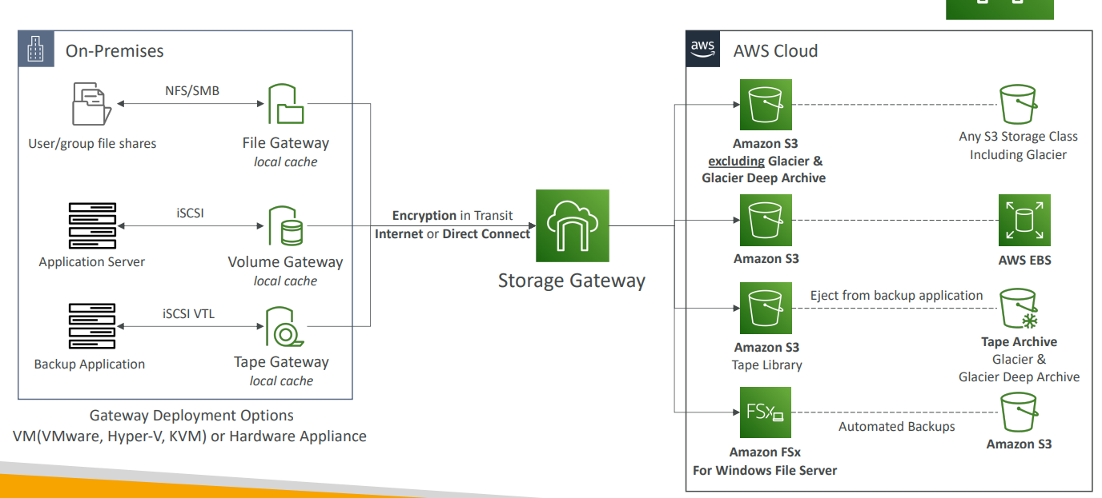

16 | Transfer Family
 | A fully-managed service for file transfers into and out of Amazon S3 or Amazon EFS using the FTP protocol
 | Supported Protocols AWS Transfer for FTP (File Transfer Protocol (FTP)) AWS Transfer for FTPS (File Transfer Protocol over SSL (FTPS)) AWS Transfer for SFTP (Secure File Transfer Protocol (SFTP))
 | Managed infrastructure, Scalable, Reliable, Highly Available (multi-AZ)
 | Pay per provisioned endpoint per hour + data transfers in GB
 | Store and manage users’ credentials within the service
 | Integrate with existing authentication systems (Microsoft Active Directory, LDAP, Okta, Amazon Cognito, custom)
 | Usage: sharing files, public datasets, CRM, ERP, …
 | 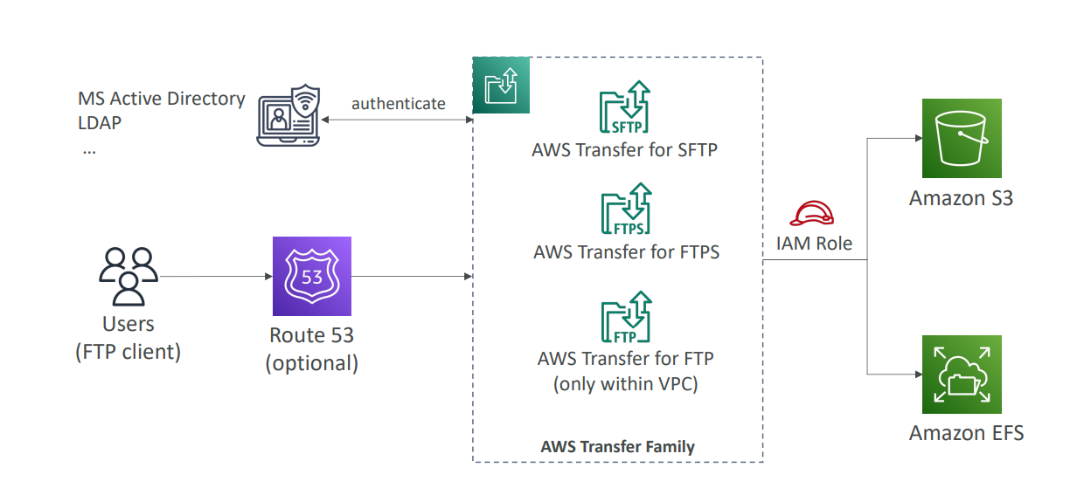

17 | DataSync
 | Move large amount of data to and from
 | On-premises / other cloud to AWS (NFS, SMB, HDFS, S3 API…) – needs agent
 | AWS to AWS (different storage services) – no agent needed
 | Can synchronize to: Amazon S3 (any storage classes – including Glacier) Amazon EFS Amazon FSx (Windows, Lustre, NetApp, OpenZFS...)
 | Replication tasks can be scheduled hourly, daily, weekly
 | File permissions and metadata are preserved (NFS POSIX, SMB…)
 | One agent task can use 10 Gbps, can setup a bandwidth limit
 | 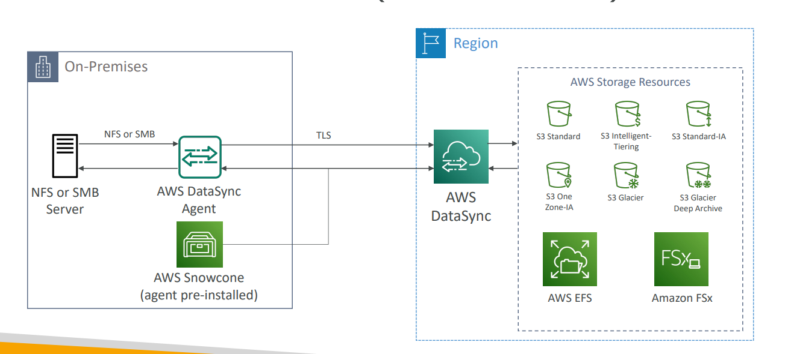

 | 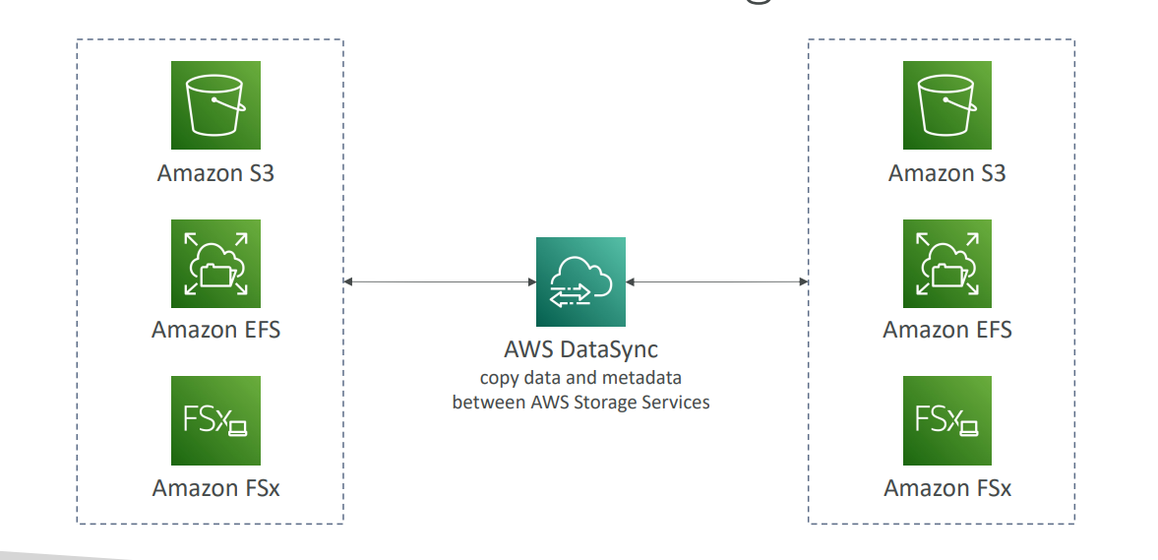

S3
1 | S3 - Bucket
 | It’s advertised as ”infinitely scaling” storage
 | Many websites use Amazon S3 as a backbone
 | Many AWS services use Amazon S3 as an integration as well
 | Use cases Backup and storage, Disaster Recovery, Archive, Hybrid Cloud storage, Application hosting, Media hosting, Data lakes & big data analytics, Software delivery, Static website
 | Amazon S3 allows people to store objects (files) in “buckets” (directories)
 | Buckets must have a globally unique name (across all regions all accounts)
 | Buckets are defined at the region level
 | S3 looks like a global service but buckets are created in a region
 | Naming convention No uppercase, No underscore, 3-63 characters long, Not an IP, Must start with lowercase letter or number Must NOT start with the prefix xn--,Must NOT end with the suffix -s3alias

 | Objects
 | Objects (files) have a Key
 | The key is the FULL path: s3://my-bucket/my_file.txt s3://my-bucket/my_folder1/another_folder/my_file.txt
 | The key is composed of prefix + object name s3://my-bucket/my_folder1/another_folder/my_file.txt
 | There’s no concept of “directories” within buckets (although the UI will trick you to think otherwise)
 | Just keys with very long names that contain slashes (“/”)
 | Object values are the content of the body: Max. Object Size is 5TB (5000GB) If uploading more than 5GB, must use “multi-part upload”
 | Metadata (list of text key / value pairs – system or user metadata)
 | Tags (Unicode key / value pair – up to 10) – useful for security / lifecycle
 | Version ID (if versioning is enabled)

2 | S3 – Security
 | User-Based IAM Policies – which API calls should be allowed for a specific user from IAM
 | Resource-Based Bucket Policies – bucket wide rules from the S3 console - allows cross account Object Access Control List (ACL) – finer grain (can be disabled) Bucket Access Control List (ACL) – less common (can be disabled)
 | Note: an IAM principal can access an S3 object if The user IAM permissions ALLOW it OR the resource policy ALLOWS it AND there’s no explicit DENY
 | Encryption: encrypt objects in Amazon S3 using encryption keys

 | Bucket Policies
 | JSON based policie( see IAM section for more detail)
 | Use S3 bucket for policy to Grant public access to the bucket Force objects to be encrypted at upload Grant access to another account (Cross Account)
 | 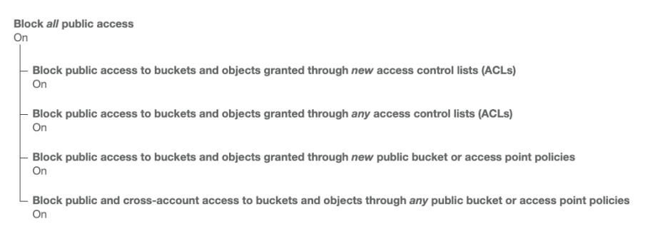 Bucket settings for Block Public Access
 | These settings were created to prevent company data leaks
 | If you know your bucket should never be public, leave these on
 | Can be set at the account level

3 | Static Website Hosting
 | S3 can host static websites and have them accessible on the Internet
 | The website URL will be (depending on the region) http://bucket-name.s3-website-aws-region.amazonaws.com http://bucket-name.s3-website.aws-region.amazonaws.com
 | If you get a 403 Forbidden error, make sure the bucket policy allows public reads

4 | Versioning
 | You can version your files in Amazon S3
 | It is enabled at the bucket level
 | Same key overwrite will change the “version”: 1, 2, 3
 | It is best practice to version your buckets Protect against unintended deletes (ability to restore a version) Easy roll back to previous version
 | Notes: Any file that is not versioned prior to enabling versioning will have version “null” Suspending versioning does not delete the previous versions

5 | Replication (CRR & SRR)
 | Must enable Versioning in source and destination buckets
 | Cross-Region Replication (CRR)
 | Same-Region Replication (SRR)
 | Buckets can be in different AWS accounts
 | Copying is asynchronous
 | Must give proper IAM permissions to S3
 | Use cases: CRR – compliance, lower latency access, replication across accounts SRR – log aggregation, live replication between production and test accounts
 | After you enable Replication, only new objects are replicated
 | Optionally, you can replicate existing objects using S3 Batch Replication Replicates existing objects and objects that failed replication
 | For DELETE operations Can replicate delete markers from source to target (optional setting) Deletions with a version ID are not replicated (to avoid malicious deletes)
 | There is no “chaining” of replication If bucket 1 has replication into bucket 2, which has replication into bucket 3 Then objects created in bucket 1 are not replicated to bucket 3

7 | S3 Storage Classes
 | Amazon S3 Standard - General Purpose
 | Amazon S3 Intelligent Tiering
 | Amazon S3 Standard-Infrequent Access (IA)
 | Amazon S3 One Zone-Infrequent Access
 | Amazon S3 Glacier Instant Retrieval
 | Amazon S3 Glacier Flexible Retrieval
 | Amazon S3 Glacier Deep Archive
 | Can move between classes manually or using S3 Lifecycle configurations
 | 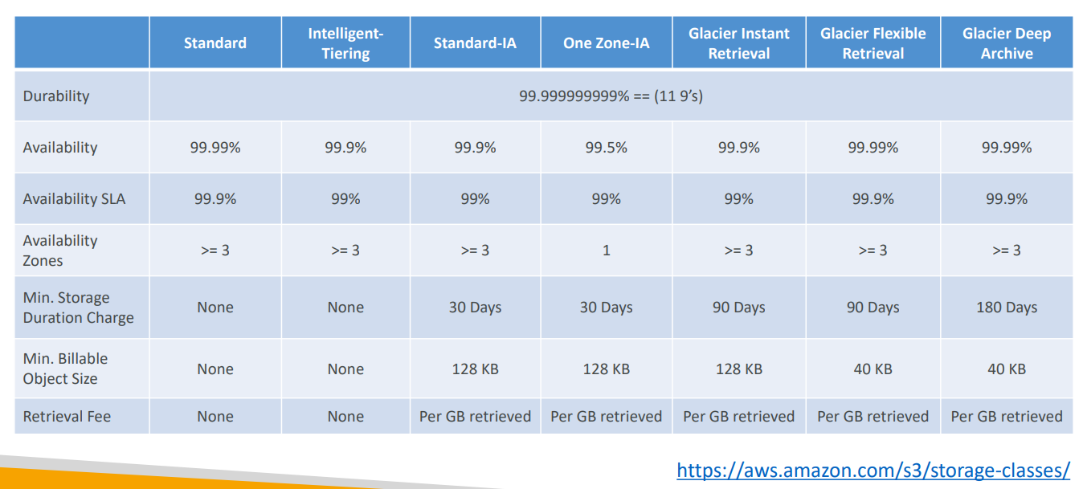 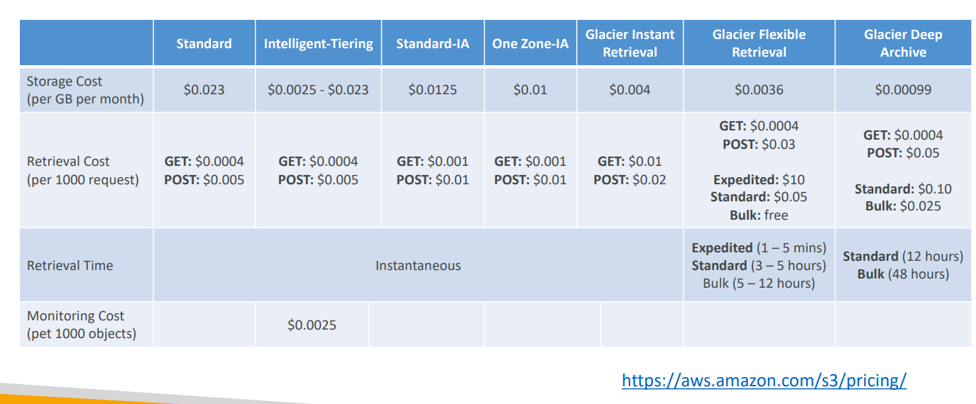

 | Moving between Storage Classes
 | You can transition objects between storage classes
 | For infrequently accessed object, move them to Standard IA
 | For archive objects that you don’t need fast access to, move them to Glacier or Glacier Deep Archive
 | Moving objects can be automated using a Lifecycle Rules

8 | Lifecycle Rules
 | Transition Actions – configure objects to transition to another storage class Move objects to Standard IA class 60 days after creation Move to Glacier for archiving after 6 months
 | Expiration actions – configure objects to expire (delete) after some time Access log files can be set to delete after a 365 days Can be used to delete old versions of files (if versioning is enabled) Can be used to delete incomplete Multi-Part uploads
 | Rules can be created for a certain prefix (example: s3://mybucket/mp3/*)
 | Rules can be created for certain objects Tags (example: Department: Finance)

9 | S3 Analytics – Storage Class Analysis
 | Help you decide when to transition objects to the right storage class
 | Recommendations for Standard and Standard IA Does NOT work for One-Zone IA or Glacier
 | Report is updated daily
 | 24 to 48 hours to start seeing data analysis
 | 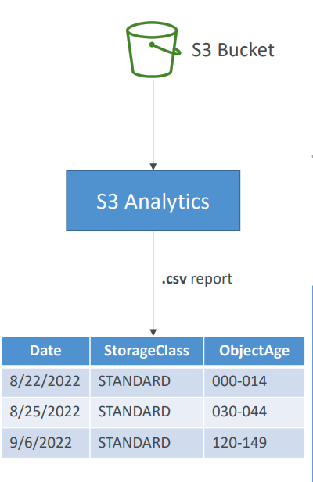

10 | Requester Pays
 | In general, bucket owners pay for all Amazon S3 storage and data transfer costs associated with their bucket
 | With Requester Pays buckets, the requester instead of the bucket owner pays the cost of the request and the data download from the bucket
 | Helpful when you want to share large datasets with other accounts
 | The requester must be authenticated in AWS (cannot be anonymous)

11 | Event Notifications
 | S3:ObjectCreated, S3:ObjectRemoved, S3:ObjectRestore, S3:Replication
 | Object name filtering possible (*.jpg)
 | Use case: generate thumbnails of images uploaded to S3
 | Can create as many “S3 events” as desired
 | S3 event notifications typically deliver events in seconds but can sometimes take a minute or longer
 | Send Event Notification: SNS SQS Lambda function attach access policy to all these
 | Amazon EventBridge
 | Advanced filtering options with JSON rules (metadata, object size, name...)
 | Multiple Destinations – ex Step Functions, Kinesis Streams / Firehose
 | EventBridge Capabilities – Archive, Replay Events, Reliable delivery – Archive, Replay Events, Reliable delivery

12 | Baseline Performance
 | Amazon S3 automatically scales to high request rates, latency 100-200 ms
 | Your application can achieve at least 3,500 PUT/COPY/POST/DELETE or 5,500 GET/HEAD requests per second per prefix in a bucket.
 | There are no limits to the number of prefixes in a bucket
 | Example (object path => prefix) bucket/folder1/sub1/file => /folder1/sub1/ bucket/folder1/sub2/file => /folder1/sub2/
 | If you spread reads across all four prefixes evenly, you can achieve 22,000 requests per second for GET and HEAD

 | Multi-Part upload
 | recommended for files > 100MB, must use for files > 5GB
 | Can help parallelize uploads (speed up transfers)

 | Transfer Acceleration
 | Increase transfer speed by transferring file to an AWS edge location which will forward the data to the S3 bucket in the target region
 | Compatible with multi-part upload

 | Byte-Range Fetches
 | Parallelize GETs by requesting specific byte ranges
 | Better resilience in case of failures
 | Can be used to speed up downloads
 | Can be used to retrieve only partial data (for example the head of a file)

 | S3 Select & Glacier Select
 | Retrieve less data using SQL by performing server-side filtering
 | Can filter by rows & columns (simple SQL statements)
 | Less network transfer, less CPU cost client-side

 | Batch Operations
 | Perform bulk operations on existing S3 objects with a single request, example: Modify object metadata & properties Copy objects between S3 buckets Encrypt un-encrypted objects Modify ACLs, tags Restore objects from S3 Glacier Invoke Lambda function to perform custom action on each object
 | A job consists of a list of objects, the action to perform, and optional parameters
 | S3 Batch Operations manages retries, tracks progress, sends completion notifications, generate reports
 | You can use S3 Inventory to get object list and use S3 Select to filter your objects

13 | Security
 | Object Encryption
 | You can encrypt objects in S3 buckets using one of 4 methods
 | Server-Side Encryption (SSE) Server-Side Encryption with Amazon S3-Managed Keys (SSE-S3) – Enabled by Default Encrypts S3 objects using keys handled, managed, and owned by AWS Object is encrypted server-side Encryption type is AES-256 Must set header "x-amz-server-side-encryption": "AES256" Enabled by default for new buckets & new objects Server-Side Encryption with KMS Keys stored in AWS KMS (SSE-KMS) Leverage AWS Key Management Service (AWS KMS) to manage encryption keys KMS advantages: user control + audit key usage using CloudTrail Object is encrypted server side Must set header "x-amz-server-side-encryption": "aws:kms" If you use SSE-KMS, you may be impacted by the KMS limits When you upload, it calls the GenerateDataKey KMS API When you download, it calls the Decrypt KMS API Count towards the KMS quota per second (5500, 10000, 30000 req/s based on region) You can request a quota increase using the Service Quotas Console Server-Side Encryption with Customer-Provided Keys When you want to manage your own encryption keys Server-Side Encryption using keys fully managed by the customer outside of AWS Amazon S3 does NOT store the encryption key you provide HTTPS must be used Encryption key must provided in HTTP headers, for every HTTP request made

 | Client-Side Encryption Use client libraries such as Amazon S3 Client-Side Encryption Library Clients must encrypt data themselves before sending to Amazon S3 Clients must decrypt data themselves when retrieving from Amazon S3 Customer fully manages the keys and encryption cycle

 | Encryption in transit (SSL/TLS)
 | Encryption in flight is also called SSL/TLS
 | Amazon S3 exposes two endpoints: HTTP Endpoint – non encrypted HTTPS Endpoint – encryption in flight
 | HTTPS is recommended
 | HTTPS is mandatory for SSE-C
 | 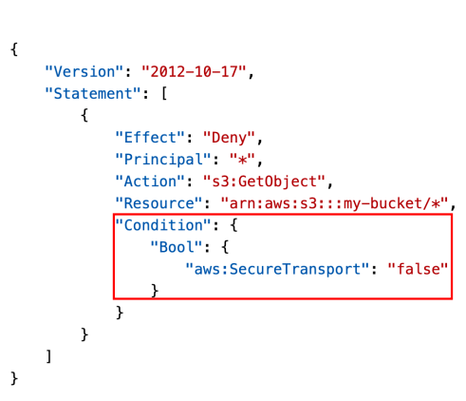 Force Encryption in Transit aws:SecureTransport

 | Default Encryption vs. Bucket Policies
 | SSE-S3 encryption is automatically applied to new objects stored in S3 bucket
 | Optionally, you can “force encryption” using a bucket policy and refuse any API call to PUT an S3 object without encryption headers (SSE-KMS or SSE-C)
 | 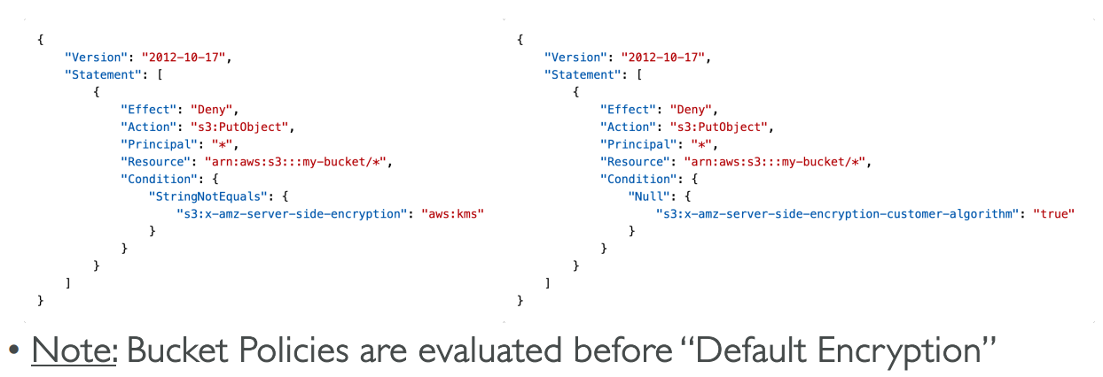

14 | CORS
 | Cross-Origin Resource Sharing (CORS)
 | Origin = scheme (protocol) + host (domain) + port example: https://www.example.com (implied port is 443 for HTTPS, 80 for HTTP)
 | Web Browser based mechanism to allow requests to other origins while visiting the main origin
 | Same origin: http://example.com/app1 & http://example.com/app2
 | Different origins: http://www.example.com & http://other.example.com
 | The requests won’t be fulfilled unless the other origin allows for the requests, using CORS Headers (example: Access-Control-Allow-Origin)
 | If a client makes a cross-origin request on our S3 bucket, we need to enable the correct CORS headers
 | You can allow for a specific origin or for * (all origins)

15 | MFA Delete
 | MFA (Multi-Factor Authentication) – force users to generate a code on a device (usually a mobile phone or hardware) before doing important operations on S3
 | MFA will be required to: Permanently delete an object version Suspend Versioning on the bucket
 | MFA won’t be required to: Enable Versioning List deleted versions
 | To use MFA Delete, Versioning must be enabled on the bucket
 | Only the bucket owner (root account) can enable/disable MFA Delete

16 | Access Logs
 | For audit purpose, you may want to log all access to S3 buckets
 | Any request made to S3, from any account, authorized or denied, will be logged into another S3 bucket
 | That data can be analyzed using data analysis tools
 | The target logging bucket must be in the same AWS region
 | The log format is at: https://docs.aws.amazon.com/AmazonS3/latest/dev/LogFormat.html
 | Do not set your logging bucket to be the monitored bucket
 | It will create a logging loop, and your bucket will grow exponentially

17 | Pre-Signed URLs
 | Generate pre-signed URLs using the S3 Console, AWS CLI or SDK
 | URL Expiration S3 Console – 1 min up to 720 mins (12 hours) AWS CLI – configure expiration with --expires-in parameter in seconds (default 3600 secs, max. 604800 secs ~ 168 hours)
 | Users given a pre-signed URL inherit the permissions of the user that generated the URL for GET / PUT
 | Examples: Allow only logged-in users to download a premium video from your S3 bucket Allow an ever-changing list of users to download files by generating URLs dynamically Allow temporarily a user to upload a file to a precise location in your bucket

18 | S3 Glacier Vault Lock
 | Adopt a WORM (Write Once Read Many) model
 | Create a Vault Lock Policy
 | Lock the policy for future edits (can no longer be changed or deleted)
 | Helpful for compliance and data retention

 | S3 Object Lock (versioning must be enabled)
 | Adopt a WORM (Write Once Read Many) model
 | Block an object version deletion for a specified amount of time
 | Retention mode - Compliance: Object versions can't be overwritten or deleted by any user, including the root user Objects retention modes can't be changed, and retention periods can't be shortened
 | Retention mode - Governance: Most users can't overwrite or delete an object version or alter its lock settings Some users have special permissions to change the retention or delete the object
 | Retention Period: protect the object for a fixed period, it can be extended
 | Legal Hold: protect the object indefinitely, independent from retention period can be freely placed and removed using the s3:PutObjectLegalHold IAM permission

19 | Access Points
 | Access Points simplify security management for S3 Buckets
 | Each Access Point has: its own DNS name (Internet Origin or VPC Origin) an access point policy (similar to bucket policy) – manage security at scale

 | VPC Origin
 | We can define the access point to be accessible only from within the VPC
 | You must create a VPC Endpoint to access the Access Point (Gateway or Interface Endpoint)
 | The VPC Endpoint Policy must allow access to the target bucket and Access Point
 | 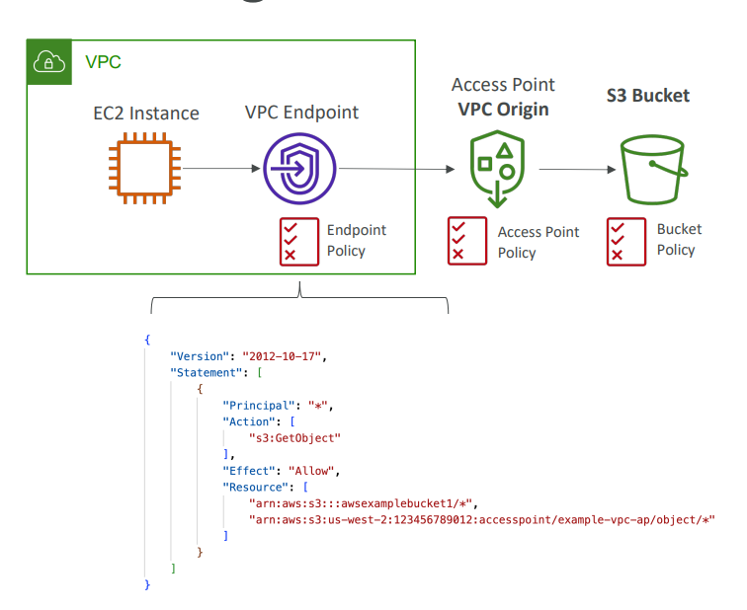

20 | Object Lambda
 | Use AWS Lambda Functions to change the object before it is retrieved by the caller application
 | Only one S3 bucket is needed, on top of which we create S3 Access Point and S3 Object Lambda Access Points.
 | Use Cases: Redacting personally identifiable information for analytics or non- production environments Converting across data formats, such as converting XML to JSON Resizing and watermarking images on the fly using caller-specific details, such as the user who requested the object

Cloud Front
1 | CloudFront
 | Content Delivery Network (CDN)
 | Improves read performance, content is cached at the edge
 | Improves users experience
 | 216 Point of Presence globally (edge locations)
 | DDoS protection (because worldwide), integration with Shield, AWS Web Application Firewall

 | CloudFront – Origins
 | S3 bucket For distributing files and caching them at the edge Enhanced security with CloudFront Origin Access Control (OAC) OAC is replacing Origin Access Identity (OAI) CloudFront can be used as an ingress (to upload files to S3)
 | Custom Origin (HTTP) Application Load Balancer EC2 instance S3 website (must first enable the bucket as a static S3 website) Any HTTP backend you want
 | 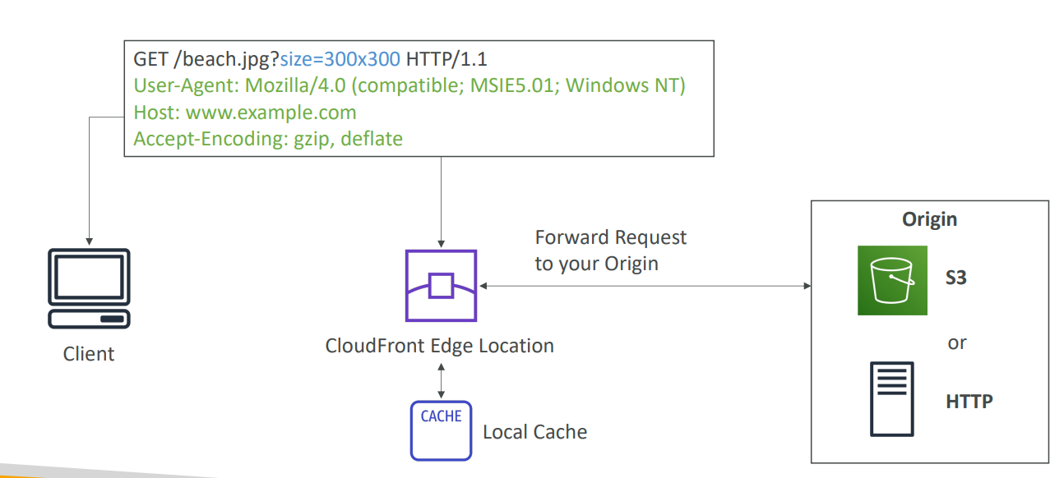

2 | CloudFront vs S3 Cross Region Replication
 | CloudFront: Global Edge network Files are cached for a TTL (maybe a day) Great for static content that must be available everywhere
 | S3 Cross Region Replication: Must be setup for each region you want replication to happen Files are updated in near real-time Read only Great for dynamic content that needs to be available at low-latency in few regions

3 | ALB or EC2 as an origin
 | 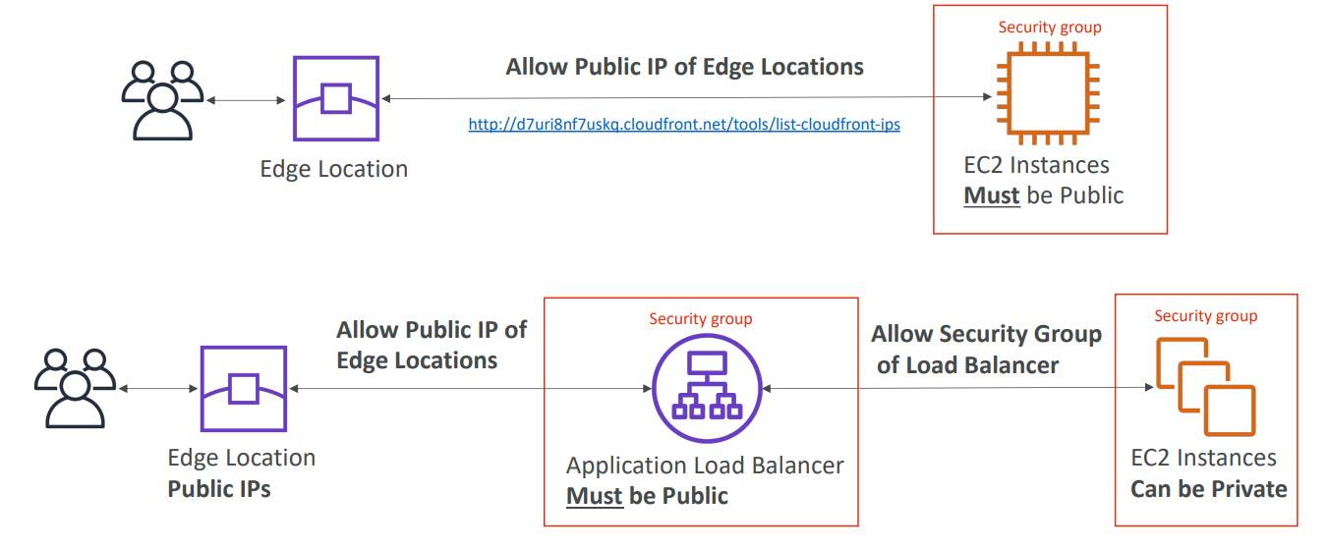

4 | Geo Restriction
 | You can restrict who can access your distribution Allowlist: Allow your users to access your content only if they're in one of the countries on a list of approved countries. Blocklist: Prevent your users from accessing your content if they're in one of the countries on a list of banned countries.
 | The “country” is determined using a 3rd party Geo-IP database
 | Use case: Copyright Laws to control access to content

5 | Pricing
 | CloudFront Edge locations are all around the world
 | The cost of data out per edge location varies
 | 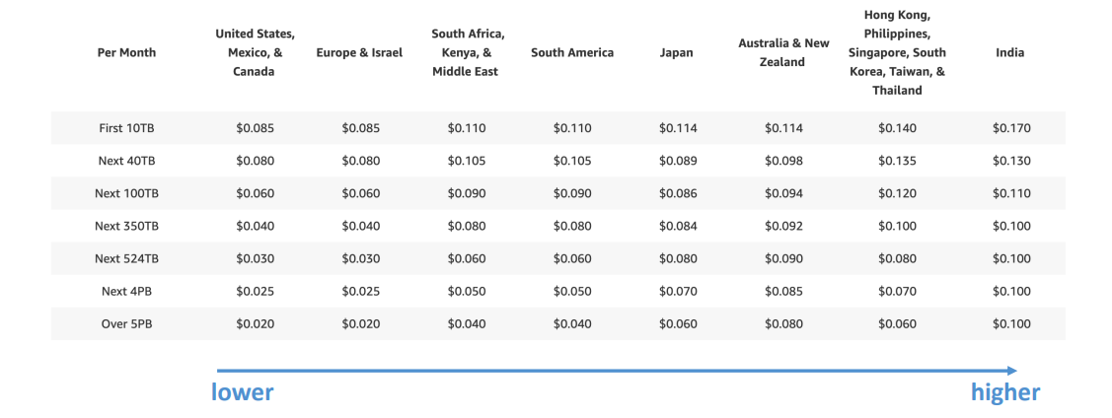
 | Price Classes
 | You can reduce the number of edge locations for cost reduction
 | Three price classes: Price Class All: all regions – best performance Price Class 200: most regions, but excludes the most expensive regions Price Class 100: only the least expensive regions

6 | Cache Invalidations
 | In case you update the back-end origin, CloudFront doesn’t know about it and will only get the refreshed content after the TTL has expired
 | However, you can force an entire or partial cache refresh (thus bypassing the TTL) by performing a CloudFront Invalidation
 | You can invalidate all files (*) or a special path (/images/*)

7 | AWS Global Accelerator
 | Global users for our application
 | You have deployed an application and have global users who want to access it directly.
 | They go over the public internet, which can add a lot of latency due to many hops
 | We wish to go as fast as possible through AWS network to minimize latency

 | Unicast IP vs Anycast IP
 | Unicast IP: one server holds one IP address
 | Anycast IP: all servers hold the same IP address and the client is routed to the nearest one

 | Global Accelerator
 | Leverage the AWS internal network to route to your application
 | 2 Anycast IP are created for your application
 | The Anycast IP send traffic directly to Edge Locations
 | The Edge locations send the traffic to your application
 | Works with Elastic IP, EC2 instances, ALB, NLB, public or private
 | Consistent Performance Intelligent routing to lowest latency and fast regional failover No issue with client cache (because the IP doesn’t change) Internal AWS network
 | Health Checks Global Accelerator performs a health check of your applications Helps make your application global (failover less than 1 minute for unhealthy) Great for disaster recovery (thanks to the health checks)
 | Security only 2 external IP need to be whitelisted DDoS protection thanks to AWS Shield

8 | AWS Global Accelerator vs CloudFront
 | They both use the AWS global network and its edge locations around the world
 | Both services integrate with AWS Shield for DDoS protection
 | CloudFront Improves performance for both cacheable content (such as images and videos) Dynamic content (such as API acceleration and dynamic site delivery) Content is served at the edge
 | Global Accelerator Improves performance for a wide range of applications over TCP or UDP Proxying packets at the edge to applications running in one or more AWS Regions. Good fit for non-HTTP use cases, such as gaming (UDP), IoT (MQTT), or Voice over IP Good for HTTP use cases that require static IP addresses Good for HTTP use cases that required deterministic, fast regional failover

Route 53
1 | Amazon Route 53
 | A highly available, scalable, fully managed and Authoritative DNS Authoritative = the customer (you) can update the DNS records
 | Route 53 is also a Domain Registrar
 | Ability to check the health of your resources
 | The only AWS service which provides 100% availability SLA
 | Why Route 53? 53 is a reference to the traditional DNS port

2 | What is DNS
 | Domain Name System which translates the human friendly hostnames into the machine IP addresses
 | www.google.com => 172.217.18.36
 | DNS is the backbone of the Internet
 | DNS uses hierarchical naming structure .com example.com www.example.com api.example.com
 | Domain Registrar: Amazon Route 53, GoDaddy
 | DNS Records: A, AAAA, CNAME, NS
 | Zone File: contains DNS records
 | Name Server: resolves DNS queries (Authoritative or Non-Authoritative)
 | Top Level Domain (TLD): .com, .us, .in, .gov, .org
 | Second Level Domain (SLD): amazon.com, google.com
 | 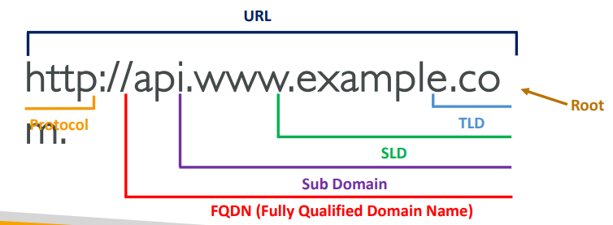
 | 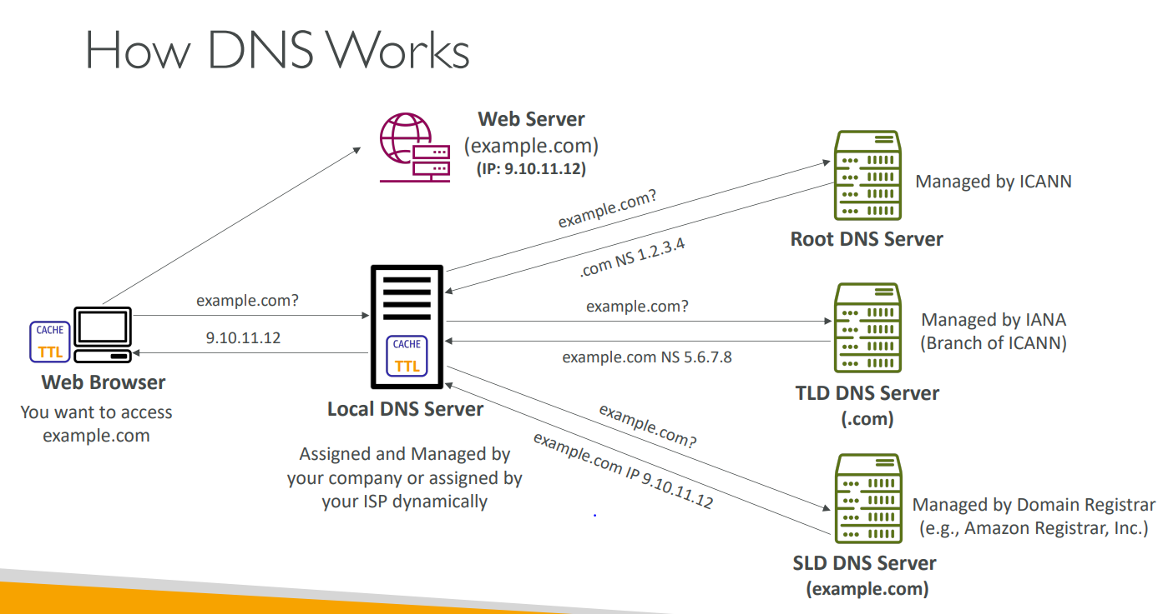

3 | Route 53 – Records
 | How you want to route traffic for a domain
 | Each record contains: Domain/subdomain Name – e.g., example.com Record Type – e.g., A or AAAA Value – e.g., 12.34.56.78 Routing Policy – how Route 53 responds to queries TTL – amount of time the record cached at DNS Resolvers
 | Route 53 supports the following DNS record types: (must know) A / AAAA / CNAME / NS (advanced) CAA / DS / MX / NAPTR / PTR / SOA / TXT / SPF / SRV

 | Record Types
 | A – maps a hostname to IPv4
 | AAAA – maps a hostname to IPv6
 | CNAME – maps a hostname to another hostname The target is a domain name which must have an A or AAAA record Can’t create a CNAME record for the top node of a DNS namespace (Zone Apex) Example: you can’t create for example.com, but you can create for www.example.com
 | NS – Name Servers for the Hosted Zone Control how traffic is routed for a domain

4 | Hosted Zones
 | A container for records that define how to route traffic to a domain and its subdomains
 | Public Hosted Zones – contains records that specify how to route traffic on the Internet (public domain names) application1.mypublicdomain.com
 | Private Hosted Zones – contain records that specify how you route traffic within one or more VPCs (private domain names) application1.company.internal
 | You pay $0.50 per month per hosted zone
 | 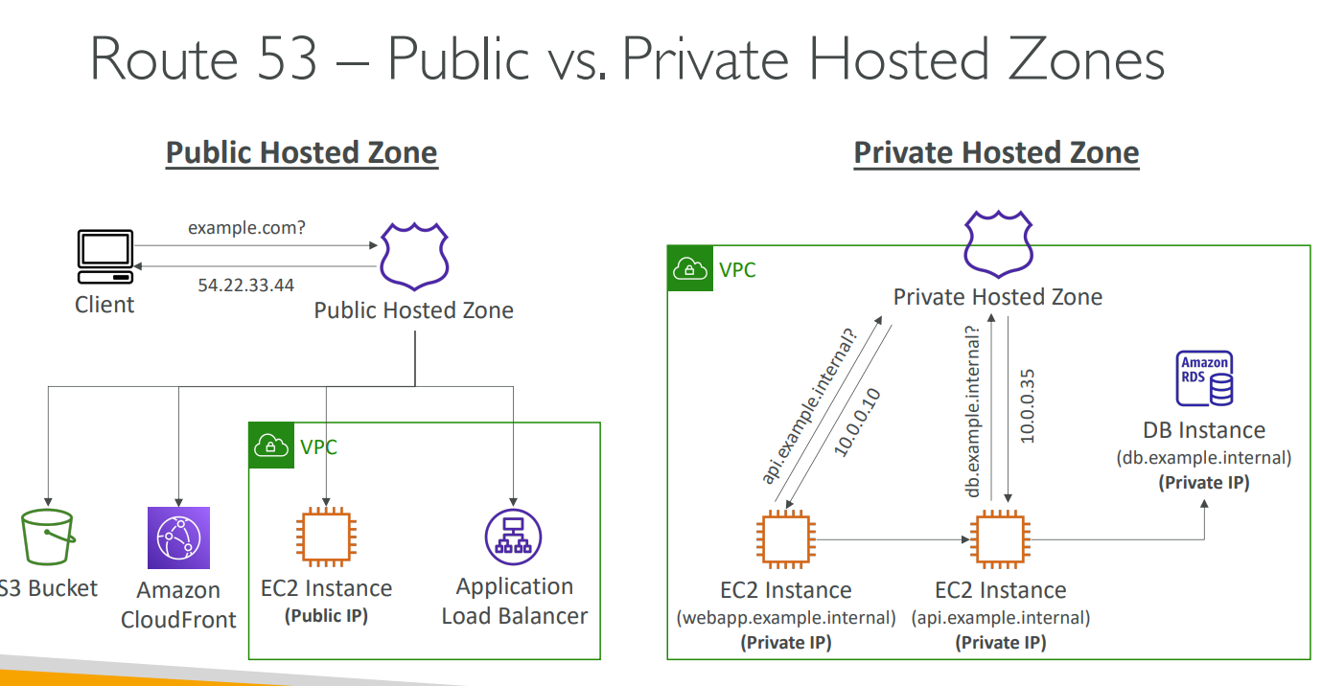

5 | Records TTL (Time To Live)
 | High TTL – e.g., 24 hr Less traffic on Route 53 Possibly outdated records
 | Low TTL – e.g., 60 sec More traffic on Route 53 ($$) Records are outdated for less time Easy to change records
 | Except for Alias records,TTL is mandatory for each DNS record

6 | CNAME vs Alias
 | AWS Resources (Load Balancer, CloudFront...) expose an AWS hostname: lb1-1234.us-east-2.elb.amazonaws.com and you want myapp.mydomain.com
 | CNAME: A CNAME record can redirect DNS queries to any DNS record Points a hostname to any other hostname. (app.mydomain.com => blabla.anything.com) ONLY FOR NON ROOT DOMAIN (aka. something.mydomain.com)
 | Alias: Maps a hostname to an AWS resource An alias record can only redirect queries to selected AWS resources Points a hostname to an AWS Resource (app.mydomain.com => blabla.amazonaws.com) Automatically recognizes changes in the resource’s IP addresses Works for ROOT DOMAIN and NON ROOT DOMAIN (aka mydomain.com) Alias Record is always of type A/AAAA for AWS resources (IPv4 / IPv6) Free of charge Native health check You can’t set the TTL
 | Alias Records Targets Elastic Load Balancers CloudFront Distributions API Gateway Elastic Beanstalk environments S3 Websites VPC Interface Endpoints Global Accelerator accelerator Route 53 record in the same hosted zone
 | You cannot set an ALIAS record for an EC2 DNS name

7 | Routing Policies
 | Define how Route 53 responds to DNS queries
 | Don’t get confused by the word “Routing” It’s not the same as Load balancer routing which routes the traffic DNS does not route any traffic, it only responds to the DNS queries
 | Route 53 Supports the following Routing Policies Simple Weighted Failover Latency based Geolocation Multi-Value Answer Geoproximity (using Route 53 Traffic Flow feature)

 | Simple
 | Typically, route traffic to a single resource
 | Can specify multiple values in the same record
 | If multiple values are returned, a random one is chosen by the client
 | When Alias enabled, specify only one AWS resource
 | Can’t be associated with Health Checks

 | Weighted
 | Control the % of the requests that go to each specific resource
 | DNS records must have the same name and type
 | Can be associated with Health Checks
 | Use cases: load balancing between regions, testing new application versions
 | Assign a weight of 0 to a record to stop sending traffic to a resource
 | If all records have weight of 0, then all records will be returned equally
 | Assign each record a relative weight: traffic(%) = (weight for a specific record)/ (sum of all the weights for all record) Weights don’t need to sum up to 100

 | Latency -based
 | Redirect to the resource that has the least latency close to us
 | Super helpful when latency for users is a priority
 | Latency is based on traffic between users and AWS Regions
 | Germany users may be directed to the US (if that’s the lowest latency)
 | Can be associated with Health Checks (has a failover capability)

 | Failover (Active-Passive)
 | In case of failover, if primary node stop working then automatically redirected to secondary node

 | Geolocation
 | Different from Latency-based!
 | This routing is based on user location
 | Specify location by Continent, Country or by US State (if there’s overlapping, most precise location selected)
 | Should create a “Default” record (in case there’s no match on location)
 | Use cases: website localization, restrict content distribution, load balancing
 | Can be associated with Health Checks

 | Geoproximity
 | Route traffic to your resources based on the geographic location of users and resources
 | Ability to shift more traffic to resources based on the defined bias
 | To change the size of the geographic region, specify bias values: To expand (1 to 99) – more traffic to the resource To shrink (-1 to -99) – less traffic to the resource
 | Resources can be: AWS resources (specify AWS region) Non-AWS resources (specify Latitude and Longitude)
 | You must use Route 53 Traffic Flow to use this feature

 | IP-based Routing
 | Routing is based on clients’ IP addresses
 | You provide a list of CIDRs for your clients and the corresponding endpoints/locations (user-IP-to-endpoint mappings)
 | Use cases: Optimize performance, reduce network costs
 | Example: route end users from a particular ISP to a specific endpoint

 | Multi-Value
 | Use when routing traffic to multiple resources
 | Route 53 return multiple values/resources
 | Can be associated with Health Checks (return only values for healthy resources)
 | Up to 8 healthy records are returned for each Multi-Value query
 | Multi-Value is not a substitute for having an ELB

8 | Health Checks
 | HTTP Health Checks are only for public resources
 | Health Check => Automated DNS Failover Health checks that monitor an endpoint (application, server, other AWS resource) Health checks that monitor other health checks (Calculated Health Checks) Health checks that monitor CloudWatch Alarms (full control !!) – e.g., throttles of DynamoDB, alarms on RDS, custom metrics,… (helpful for private resources)
 | Health Checks are integrated with CW(Cloud Watch) metrics

 | Monitor an Endpoint
 | About 15 global health checkers will check the endpoint health Healthy/Unhealthy Threshold – 3 (default) Interval – 30 sec (can set to 10 sec – higher cost) Supported protocol: HTTP, HTTPS and TCP If > 18% of health checkers report the endpoint is healthy, Route 53 considers it Healthy. Otherwise, it’s Unhealthy Ability to choose which locations you want Route 53 to use
 | Health Checks pass only when the endpoint responds with the 2xx and 3xx status codes
 | Health Checks can be setup to pass / fail based on the text in the first 5120 bytes of the response
 | Configure you router/firewall to allow incoming requests from Route 53 Health Checkers

 | Calculated Health Checks
 | Combine the results of multiple Health Checks into a single Health Check
 | You can use OR, AND, or NOT
 | Can monitor up to 256 Child Health Checks
 | Specify how many of the health checks need to pass to make the parent pass
 | Usage: perform maintenance to your website without causing all health checks to fail

 | Private Hosted Zones
 | Route 53 health checkers are outside the VPC
 | They can’t access private endpoints (private VPC or on-premises resource)
 | You can create a CloudWatch Metric and associate a CloudWatch Alarm, then create a Health Check that checks the alarm itself

9 | Domain Registar vs. DNS Service
 | You buy or register your domain name with a Domain Registrar typically by paying annual charges (e.g., GoDaddy, Amazon Registrar Inc., …)
 | The Domain Registrar usually provides you with a DNS service to manage your DNS records
 | But you can use another DNS service to manage your DNS records
 | Example: purchase the domain from GoDaddy and use Route 53 to manage your DNS records

 | 3rd Party Registrar with Amazon Route 53
 | If you buy your domain on a 3rd party registrar, you can still use Route 53 as the DNS Service provider
 | Create a Hosted Zone in Route 53
 | Update NS Records on 3rd party website to use Route 53 Name Servers
 | Domain Registrar != DNS Service
 | But every Domain Registrar usually comes with some DNS features

Messaging(SQS,SNS,Kinesis)
1 | AWS Integration & Messaging
 | When we start deploying multiple applications, they will inevitably need to communicate with one another
 | There are two patterns of application communication 1) Synchronous communications(application to application) 2) Asynchronous / Event based(application to queue to application)
 | Synchronous between applications can be problematic if there are sudden spikes of traffic
 | What if you need to suddenly encode 1000 videos but usually it’s 10?
 | In that case, it’s better to decouple your applications using SQS: queue model using SNS: pub/sub model using Kinesis: real-time streaming model
 | These services can scale independently from our application

2 | SQS(Simple Queue Service)
 | Fully managed service, used to decouple applications
 | Unlimited throughput, unlimited number of messages in queue
 | Default retention of messages: 4 days, maximum of 14 days
 | Low latency (<10 ms on publish and receive)
 | Limitation of 256KB per message sent
 | Can have duplicate messages (at least once delivery, occasionally)
 | Can have out of order messages (best effort ordering)

 | Producing Messages
 | Produced to SQS using the SDK (SendMessage API)
 | The message is persisted in SQS until a consumer deletes it
 | Message retention: default 4 days, up to 14 days
 | SQS standard: unlimited throughput

 | Consuming Messages
 | Consumers (running on EC2 instances, servers, or AWS Lambda)
 | Poll SQS for messages (receive up to 10 messages at a time)
 | Process the messages (example: insert the message into an RDS database)
 | Delete the messages using the DeleteMessage API

 | Multiple EC2 Instances Consumers
 | Consumers receive and process messages in parallel
 | At least once delivery
 | Best-effort message ordering
 | Consumers delete messages after processing them
 | We can scale consumers horizontally to improve throughput of processing

 | SQS with Auto Scaling Group (ASG)
 | 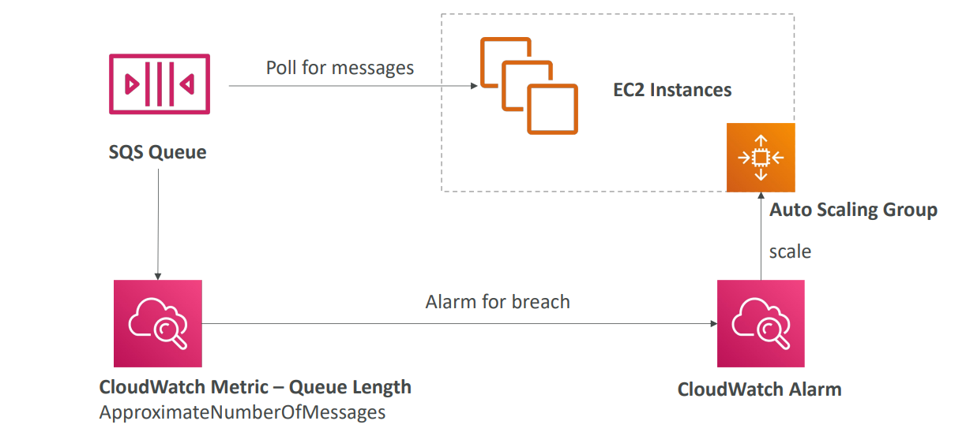

 | SQS - Security
 | In-flight encryption using HTTPS API
 | At-rest encryption using KMS keys
 | Client-side encryption if the client wants to perform encryption/decryption itself
 | Access Controls
 | IAM policies to regulate access to the SQS API
 | SQS Access Policies (similar to S3 bucket policies)
 | Useful for cross-account access to SQS queues
 | Useful for allowing other services (SNS, S3…) to write to an SQS queue

 | Message Visibility Timeout
 | After a message is polled by a consumer, it becomes invisible to other consumers
 | By default, the “message visibility timeout” is 30 seconds
 | That means the message has 30 seconds to be processed
 | After the message visibility timeout is over, the message is “visible” in SQS
 | If a message is not processed within the visibility timeout, it will be processed twice
 | A consumer could call the ChangeMessageVisibility API to get more time
 | If visibility timeout is high (hours), and consumer crashes, re-processing will take time
 | If visibility timeout is too low (seconds), we may get duplicates

 | Long Polling
 | When a consumer requests messages from the queue, it can optionally “wait” for messages to arrive if there are none in the queue
 | This is called Long Polling
 | LongPolling decreases the number of API calls made to SQS while increasing the efficiency and reducing latency of your application
 | The wait time can be between 1 sec to 20 sec (20 sec preferable)
 | Long Polling is preferable to Short Polling
 | Long polling can be enabled at the queue level or at the API level using WaitTimeSeconds

 | SQS – FIFO Queue
 | FIFO = First In First Out (ordering of messages in the queue)
 | Limited throughput: 300 msg/s without batching, 3000 msg/s with
 | Exactly-once send capability (by removing duplicates)
 | Messages are processed in order by the consumer

 | SQS as a buffer to database writes
 | SQS to decouple between application tiers

3 | Amazon SNS
 | What if you want to send one message to many receivers?
 | The “event producer” only sends message to one SNS topic
 | As many “event receivers” (subscriptions) as we want to listen to the SNS topic notifications
 | Each subscriber to the topic will get all the messages (note: new feature to filter messages)
 | Up to 12,500,000 subscriptions per topic
 | 100,000 topics limit
 | Subscribers
 | SQS
 | Lambda
 | Kinesis Data Firehose
 | Emails
 | SMS & Mobile Notifications
 | HTTP(S) Endpoints

 | AWS services can send data directly to SNS
 | CloudWatch Alarms
 | AWS Budgets
 | Lambda
 | Auto Scaling Group (Notifications)
 | S3 Bucket (Events)
 | DynamoDB
 | CloudFormation (State Changes)
 | AWS DMS (New Replic)
 | RDS Events

 | How to publish
 | Topic Publish (using the SDK) Create a topic Create a subscription (or many) Publish to the topic
 | Direct Publish (for mobile apps SDK) Create a platform application Create a platform endpoint Publish to the platform endpoint Works with Google GCM, Apple APNS, Amazon ADM

 | SNS – Security
 | Encryption
 | In-flight encryption using HTTPS API
 | At-rest encryption using KMS keys
 | Client-side encryption if the client wants to perform encryption/decryption itself

 | Access Controls: IAM policies to regulate access to the SNS API

 | SNS Access Policies Useful for cross-account access to SNS topics Useful for allowing other services ( S3…) to write to an SNS topic

 | SNS – FIFO Topic
 | FIFO = First In First Out (ordering of messages in the topic)
 | Similar features as SQS FIFO
 | Ordering by Message Group ID (all messages in the same group are ordered)
 | Deduplication using a Deduplication ID or Content Based Deduplication
 | Can only have SQS FIFO queues as subscribers
 | Limited throughput (same throughput as SQS FIFO)

 | Message Filtering
 | JSON policy used to filter messages sent to SNS topic’s subscriptions
 | If a subscription doesn’t have a filter policy, it receives every message
 | 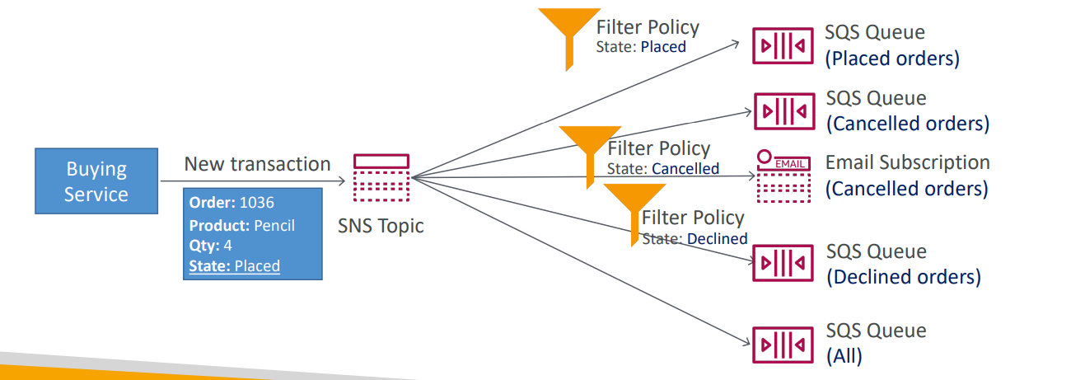

4 | SNS + SQS: Fan Out
 | Push once in SNS, receive in all SQS queues that are subscribers
 | Fully decoupled, no data loss
 | SQS allows for: data persistence, delayed processing and retries of work
 | Ability to add more SQS subscribers over time
 | Make sure your SQS queue access policy allows for SNS to write
 | Cross-Region Delivery: works with SQS Queues in other regions

 | SNS to Amazon S3 through Kinesis Data Firehose SNS can send to Kinesis and therefore we can have the following solutions architecture

5 | Kinesis Overview
 | Makes it easy to collect, process, and analyze streaming data in real-time
 | Ingest real-time data such as: Application logs, Metrics, Website clickstreams, IoT telemetry data
 | Kinesis Data Streams: capture, process, and store data streams
 | Kinesis Data Firehose: load data streams into AWS data stores
 | Kinesis Data Analytics: analyze data streams with SQL or Apache Flink
 | Kinesis Video Streams: capture, process, and store video streams

6 | Kinesis Data Streams
 | Retention between 1 day to 365 days
 | Ability to reprocess (replay) data
 | Once data is inserted in Kinesis, it can’t be deleted (immutability)
 | Data that shares the same partition key goes to the same shard (ordering)
 | Producers: AWS SDK, Kinesis Producer Library (KPL), Kinesis Agent
 | Consumers: Write your own: Kinesis Client Library (KCL), AWS SDK Managed: AWS Lambda, Kinesis Data Firehose, Kinesis Data Analytics,
z | 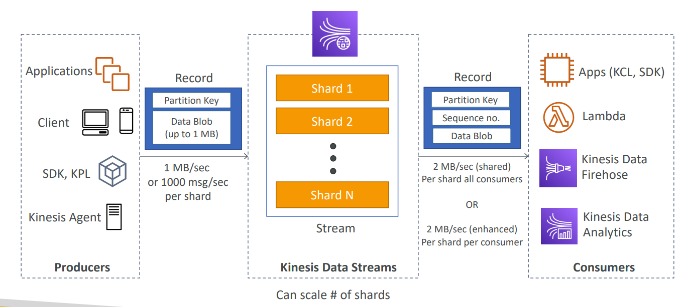

 | Capacity Modes
 | Provisioned mode: You choose the number of shards provisioned, scale manually or using API Each shard gets 1MB/s in (or 1000 records per second) Each shard gets 2MB/s out (classic or enhanced fan-out consumer) You pay per shard provisioned per hour
 | On-demand mode: No need to provision or manage the capacity Default capacity provisioned (4 MB/s in or 4000 records per second) Scales automatically based on observed throughput peak during the last 30 days Pay per stream per hour & data in/out per GB

 | Data Streams Security
 | Control access / authorization using IAM policies
 | Encryption in flight using HTTPS endpoints
 | Encryption at rest using KMS
 | You can implement encryption/decryption of data on client side (harder)
 | VPC Endpoints available for Kinesis to access within VPC
 | Monitor API calls using CloudTrail

7 | Kinesis Data Firehose
 | Fully Managed Service, no administration, automatic scaling, serverless AWS: Redshift / Amazon S3 / OpenSearch 3rd party partner: Splunk / MongoDB / DataDog / NewRelic / Custom: send to any HTTP endpoint
 | Pay for data going through Firehose
 | Near Real Time 60 seconds latency minimum for non full batches Or minimum 1 MB of data at a time
 | Supports many data formats, conversions, transformations, compression
 | Supports custom data transformations using AWS Lambda
 | Can send failed or all data to a backup S3 bucket

8 | Kinesis Data Streams vs Firehose
 | Kinesis Data Streams
 | Streaming service for ingest at scale
 | Write custom code (producer / consumer)
 | Real-time (~200 ms)
 | Manage scaling (shard splitting / merging)
 | Data storage for 1 to 365 days
 | Supports replay capability

 | Kinesis Data Firehose
 | Load streaming data into S3 / Redshift / OpenSearch / 3rd party / custom HTTP
 | Fully managed
 | Near real-time (buffer time min. 60 sec)
 | Automatic scaling
 | No data storage
 | Doesn’t support replay capability

9 | Ordering data into Kinesis
 | Imagine you have 100 trucks (truck_1, truck_2, … truck_100) on the road sending their GPS positions regularly into AWS.
 | You want to consume the data in order for each truck, so that you can track their movement accurately
 | How should you send that data into Kinesis?
 | Answer: send using a “Partition Key” value of the “truck_id”
 | The same key will always go to the same shard

10 | Ordering data into SQS
 | For SQS standard, there is no ordering
 | For SQS FIFO, if you don’t use a Group ID, messages are consumed in the order they are sent, with only one consumer
 | You want to scale the number of consumers, but you want messages to be “grouped” when they are related to each other
 | Then you use a Group ID (similar to Partition Key in Kinesis)

11 | Kinesis vs SQS ordering
 | Let’s assume 100 trucks, 5 kinesis shards, 1 SQS FIFO
 | Kinesis Data Streams: On average you’ll have 20 trucks per shard Trucks will have their data ordered within each shard The maximum amount of consumers in parallel we can have is 5 Can receive up to 5 MB/s of data
 | SQS FIFO You only have one SQS FIFO queue You will have 100 Group ID You can have up to 100 Consumers (due to the 100 Group ID) You have up to 300 messages per second (or 3000 if using batching)

12 | SQS vs SNS vs Kinesis
 | 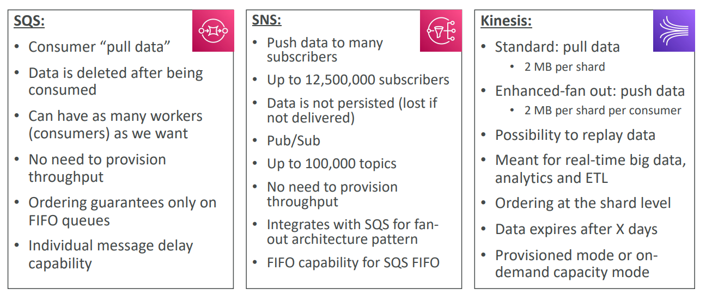

13 | Amazon MQ
 | SQS, SNS are “cloud-native” services: proprietary protocols from AWS
 | Traditional applications running from on-premises may use open protocols such as: MQTT, AMQP, STOMP, Openwire, WSS
 | When migrating to the cloud, instead of re-engineering the application to use SQS and SNS, we can use Amazon MQ
 | Amazon MQ is a managed message broker service for Rabbit MQ and Active MQ
 | Amazon MQ doesn’t “scale” as much as SQS / SNS
 | Amazon MQ runs on servers, can run in Multi-AZ with failover
 | Amazon MQ has both queue feature (~SQS) and topic features (~SNS)
 | MQ – High Availability
 | 