Miltred Bend Calculator
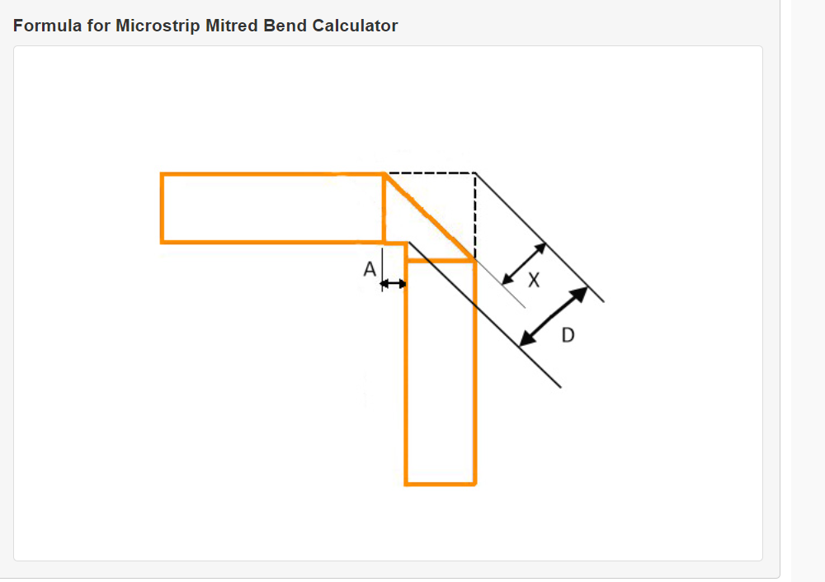
Miltred Bend
 | mil | mm
D | 19.06400611 | 0.48
X | 11.28954911 | 0.29
A | 2.48554547 | 0.06

BOM AMP
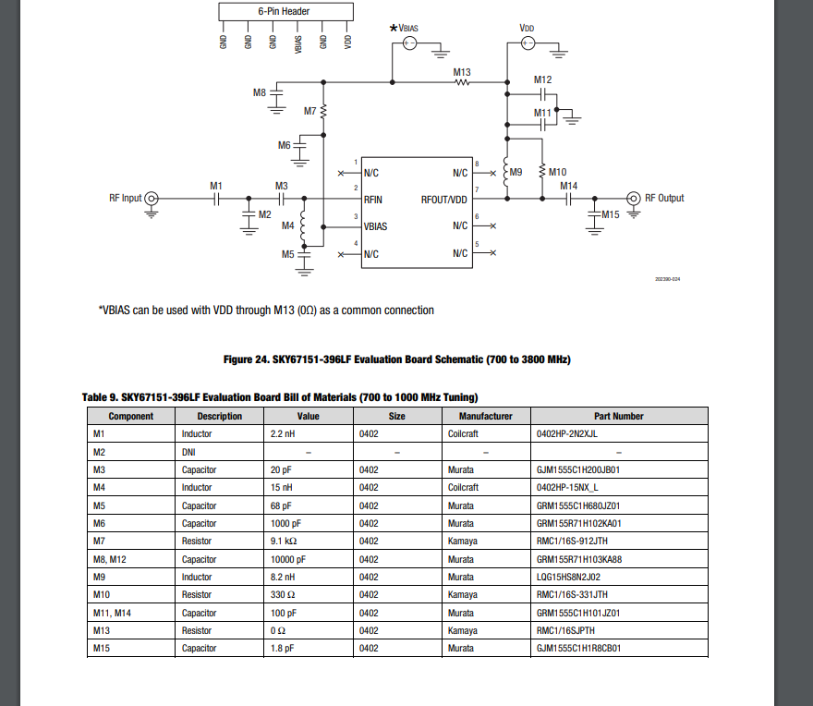
Layer | Designator | ID | Manufacturer | Manufacturer Part | Category | Value | Package | Substitute | Amount
BOTTOM | C11 | CAP 1 | Samsung | CL10B104KB8NNNC | MLCC | 100 nF | 603 | ok | 15
BOTTOM | C12 | CAP 1 | Samsung | CL10B104KB8NNNC | MLCC | 100 nF | 603 | ok | 15
BOTTOM | C13 | CAP 1 | Samsung | CL10B104KB8NNNC | MLCC | 100 nF | 603 | ok | 15
BOTTOM | C14 | CAP 1 | Samsung | CL10B104KB8NNNC | MLCC | 100 nF | 603 | ok | 15
BOTTOM | C15 | CAP 1 | Samsung | CL10B104KB8NNNC | MLCC | 100 nF | 603 | ok | 15
BOTTOM | C17 | CAP 1 | Samsung | CL10B104KB8NNNC | MLCC | 100 nF | 603 | ok | 15
BOTTOM | C18 | CAP 1 | Samsung | CL10B104KB8NNNC | MLCC | 100 nF | 603 | ok | 15
BOTTOM | C19 | CAP 1 | Samsung | CL10B104KB8NNNC | MLCC | 100 nF | 603 | ok | 15
BOTTOM | C20 | CAP 1 | Samsung | CL10B104KB8NNNC | MLCC | 100 nF | 603 | ok | 15
BOTTOM | C21 | CAP 1 | Samsung | CL10B104KB8NNNC | MLCC | 100 nF | 603 | ok | 15
BOTTOM | C22 | CAP 1 | Samsung | CL10B104KB8NNNC | MLCC | 100 nF | 603 | ok | 15
BOTTOM | C23 | CAP 1 | Samsung | CL10B104KB8NNNC | MLCC | 100 nF | 603 | ok | 15
BOTTOM | C25 | CAP 12 | Murata | GRM1885C2A150JA01D | MLCC | 15 pF | 603 | ok | 2
BOTTOM | C26 | CAP 12 | Murata | GRM1885C2A150JA01D | MLCC | 15 pF | 603 | ok | 2
BOTTOM | C16 | CAP 2 | Samsung | CL10B105KA8NNNL | MLCC | 1 μF | 603 | ok | 3
BOTTOM | C27 | CAP 3 | Samsung | CL21A226MOYNNWE | MLCC | 22 μF | 805 | min. 4.7 μF @ 6V DC BIAS | 4
BOTTOM | C28 | CAP 3 | Samsung | CL21A226MOYNNWE | MLCC | 22 μF | 805 | min. 4.7 μF @ 6V DC BIAS | 4
BOTTOM | C29 | CAP 3 | Samsung | CL21A226MOYNNWE | MLCC | 22 μF | 805 | min. 4.7 μF @ 6V DC BIAS | 4
BOTTOM | C30 | CAP 3 | Samsung | CL21A226MOYNNWE | MLCC | 22 μF | 805 | min. 4.7 μF @ 6V DC BIAS | 4
BOTTOM | C31 | CAP 4 | Murata | GCM188R72A103KA37D | MLCC | 10 nF | 603 | no | 2
BOTTOM | C32 | CAP 4 | Murata | GCM188R72A103KA37D | MLCC | 10 nF | 603 | no | 2
BOTTOM | CRYSTAL | CRYSTAL | Abacron | ABM8-272-T3 | Crystal | 12 MHz | 3.2 x 2.5 mm | no | 1
BOTTOM | FLASH | FLASH | Winbond | W25Q128JVSIM | NOR Flash Memory | 16 MB | SOIC-8 | no | 1
BOTTOM | LDO3V3 | LDO 3V | Texas Instruments | LP2989ILD-3.3/NOPB | LDO | 300 mA | WSON-8 | no | 1
BOTTOM | LDO5V | LDO 5V | Texas Instruments | LP2989ILD-5.0/NOPB | LDO | 500 mA | WSON-8 | no | 1
BOTTOM | MCU | MCU | Raspberry Pi | SC0914(13) | MCU | RP2040 133 Mhz | QFN-56 | no | 1
BOTTOM | R18 | RES 1 | Bourns | CR0603-FX-1001ELF | Resistor | 1 kΩ | 603 | ok | 2
BOTTOM | R30 | RES 1 | Bourns | CR0603-FX-1001ELF | Resistor | 1 kΩ | 603 | ok | 2
BOTTOM | R19 | RES 2 | Bourns | CR0603-FX-1002ELF | Resistor | 10 kΩ | 603 | ok | 3
BOTTOM | R26 | RES 2 | Bourns | CR0603-FX-1002ELF | Resistor | 10 kΩ | 603 | ok | 3
BOTTOM | R28 | RES 2 | Bourns | CR0603-FX-1002ELF | Resistor | 10 kΩ | 603 | ok | 3
BOTTOM | R24 | RES 3 | Bourns | CR0603-FX-3303ELF | Resistor | 330 kΩ | 603 | ok | 2
BOTTOM | R25 | RES 3 | Bourns | CR0603-FX-3303ELF | Resistor | 330 kΩ | 603 | ok | 2
BOTTOM | R13 | RES 4 | Bourns | CR0603-FX-4700ELF | Resistor | 470 Ω | 603 | ok | 1
BOTTOM | R27 | RES 5 | Bourns | CR0603-FX-5102ELF | Resistor | 51 kΩ | 603 | ok | 2
BOTTOM | R29 | RES 5 | Bourns | CR0603-FX-5102ELF | Resistor | 51 kΩ | 603 | ok | 2
BOTTOM | R14 | RES 6 | Bourns | CR0603-JW-331ELF | Resistor | 330 Ω | 603 | ok | 4
BOTTOM | R15 | RES 6 | Bourns | CR0603-JW-331ELF | Resistor | 330 Ω | 603 | ok | 4
BOTTOM | R16 | RES 6 | Bourns | CR0603-JW-331ELF | Resistor | 330 Ω | 603 | ok | 4
BOTTOM | R17 | RES 6 | Bourns | CR0603-JW-331ELF | Resistor | 330 Ω | 603 | ok | 4
BOTTOM | R20 | RES 7 | Vishay | CRCW060327R4FKEA | Resistor | 27.4 Ω | 603 | ok | 2
BOTTOM | R21 | RES 7 | Vishay | CRCW060327R4FKEA | Resistor | 27.4 Ω | 603 | ok | 2
BOTTOM | D2 | SCHOTTKY | onsemi | NSR20F30NXT5G | Schottky Diode | 2 A | 603 | IF min. 0.5A, VF max. 0.5 V | 3
BOTTOM | D3 | SCHOTTKY | onsemi | NSR20F30NXT5G | Schottky Diode | 2 A | 603 | IF min. 0.5A, VF max. 0.5 V | 3
BOTTOM | D4 | SCHOTTKY | onsemi | NSR20F30NXT5G | Schottky Diode | 2 A | 603 | IF min. 0.5A, VF max. 0.5 V | 3
BOTTOM | D1 | TVS | Diotec Semiconductor | P4SMAJ12CA | TVS Diode | 13.3V Clamp | DO-214AC-2 | ok | 1
TOP | BOOT | BTN | Panasonic | EVP-BT4A4A000 | Tactile Switch | SPST | 6.5 x 6 mm | ok | 2
TOP | RESET | BTN | Panasonic | EVP-BT4A4A000 | Tactile Switch | SPST tactile switch | 6.5 x 6 mm | ok | 2
TOP | M18 | CAP 1 | Samsung | CL10B104KB8NNNC | MLCC | 100 nF | 603 | ok | 15
TOP | M21 | CAP 1 | Samsung | CL10B104KB8NNNC | MLCC | 100 nF | 603 | ok | 15
TOP | N6 | CAP 1 | Samsung | CL10B104KB8NNNC | MLCC | 100 nF | 603 | ok | 15
TOP | M19 | CAP 10 | Murata | GRM1555C2A101GA01D | MLCC | 100 pF | 603 | ok | 3 | 30
TOP | M22 | CAP 10 | Murata | GRM1555C2A101GA01D | MLCC | 100 pF | 603 | ok | 3
TOP | N5 | CAP 10 | Murata | GRM1555C2A101GA01D | MLCC | 100 pF | 603 | ok | 3
TOP | M8 | CAP 13 |  |  | MLCC | 10000 pF | 402 | no | 0 | 90+
TOP | M20 | CAP 2 | Samsung | CL10B105KA8NNNL | MLCC | 1 μF | 603 | ok | 3
TOP | N2 | CAP 2 | Samsung | CL10B105KA8NNNL | MLCC | 1 μF | 603 | ok | 3
TOP | M3 | CAP 5 | Murata | GJM1555C1H200JB01D | MLCC | 20 pF | 402 | no | 1
TOP | M23 | CAP 6 | Murata | GJM1555C1H470FB01D | MLCC | 47 pF | 402 | ok, C0G, high Q, SRF > 1GHz | 4
TOP | M25 | CAP 6 | Murata | GJM1555C1H470FB01D | MLCC | 47 pF | 402 | ok, C0G, high Q, SRF > 1GHz | 4
TOP | N1 | CAP 6 | Murata | GJM1555C1H470FB01D | MLCC | 47 pF | 402 | ok, C0G, high Q, SRF > 1GHz | 4
TOP | N3 | CAP 6 | Murata | GJM1555C1H470FB01D | MLCC | 47 pF | 402 | ok, C0G, high Q, SRF > 1GHz | 4
TOP | M28 | CAP 7 | Murata | GQM1875C2E560JB12D | MLCC | 56pF | 603 | no | 1
TOP | M17 | CAP 8 | Murata | GRM1555C1H102JA01D | MLCC | 1000 pF | 402 | no | 2 | 90
TOP | M5 | CAP 8 | Murata | GRM1555C1H102JA01D | MLCC | 1000 pF | 402 | no | 2 | 90
TOP | M12 | CAP 9 | Murata | GRM1555C2A100FA01D | MLCC | 10 pF | 402 | no | 2 | 10
TOP | M9 | CAP 9 | Murata | GRM1555C2A100FA01D | MLCC | 10 pF | 402 | no | 2
TOP | DC | COUPLER | Mini-Circuits | D20C+ | RF Directional Coupler | -18 dB | SOT-23-6 | no | 1
TOP | DET | DET | Analog Devices | LTC5536ES6#TRMPBF | RF Envelope Detector | -28 - 12 dBm | TSOT-23-6 | no | 1
TOP | GBA/BP | GAIN BLOCK 3V | Texas Instruments | TRF37D73IDSGR | RF Gain Block Amplifier | +19.5 dB | WSON-8 | no | 1
TOP | GBA | GAIN BLOCK 5V | Texas Instruments | TRF37C75IDSGT | RF Gain Block Amplifier | +18 dB | WSON-8 | no | 1
TOP | M10 | IND 1 | Murata | LQG15HS10NG02D | Inductor | 10 nH | 402 | no | 1 | 8
TOP | M24 | IND 2 | TDK | MLG1005SR10JT000 | Inductor | 100 nH | 402 | ok | 2
TOP | N4 | IND 2 | TDK | MLG1005SR10JT000 | Inductor | 100 nH | 402 | ok | 2
TOP | M4 | IND 3 | Murata | LQW15AN15NG80D | Inductor | 15 nH | 402 |  | 1
TOP | M27 | IND 4 | Murata | LQW15CAR14J00D | Inductor | 140 nH | 402 | no | 1
TOP | M1 | IND 5 | Murata | LQW15AN2N2D80D | Inductor | 2.2 nH | 402 |  | 1
TOP | LED1 | LED | Kingbright | APHD1608LZGCK | LED | 2.65 mV 2 mA | 603 | ok | 4
TOP | LED2 | LED | Kingbright | APHD1608LZGCK | LED | 2.65 mV 2 mA | 603 | ok | 4
TOP | LED3 | LED | Kingbright | APHD1608LZGCK | LED | 2.65 mV 2 mA | 603 | ok | 4
TOP | LED4 | LED | Kingbright | APHD1608LZGCK | LED | 2.65 mV 2 mA | 603 | ok | 4
TOP | LNA | LNA | Skyworks | SKY67151-396LF | RF Low Noise Amplifier | +26 dB NF .25 dB | DFN-8 | no | 1
TOP | M13 | RES 0 | Kamaya |  | Jumper | 0 Ω | 402 | ok | 0 | 15
TOP | R10 | RES 10 | Kamaya | RMC16-6R8FTP | Resistor | 6.8 Ω | 603 | ok | 1
TOP | R11 | RES 11 | Yageo | RT0603DRD0749R9L | Resistor | 49.9 Ω | 603 | 49.9 Ω 1% or 50 Ω .1% | 2
TOP | R12 | RES 11 | Yageo | RT0603DRD0749R9L | Resistor | 49.9 Ω | 603 | 49.9 Ω 1% or 50 Ω .1% | 2
TOP | TRIM | RES 12 | Vishay | TS63Y201KR10 | Trimmer Potentiometer | 200 Ω | 1/4" SMD Trimmer | ok | 1
TOP | M11 | RES 8 | Panasonic | ERJ-2RKF5620X | Resistor | 562 Ω | 402 | ok | 1 | 90
TOP | M15 | RES 8 | Kamaya | RMC1/16SK1001FTH | Resistor | 1 kΩ | 402 | ok | 1 | 90+
TOP | M6 | RES 9 | Kamaya | RMC10K912FTH | Resistor | 9.1 kΩ | 603 | ok | 1 | 90
TOP | SW1 | SWITCH | Skyworks | SKYA21026 | RF Switch IC | DPDT IL .4 dB | QFN-12 | no | 2
TOP | SW2 | SWITCH | Skyworks | SKYA21026 | RF Switch IC | DPDT IL .4 dB | QFN-12 | no | 2
TOP | USBC | USB | Molex | 219320-0001 | Connector |  | vertical USBC | ok | 1

 | IC | CAP | IND | RES | SC

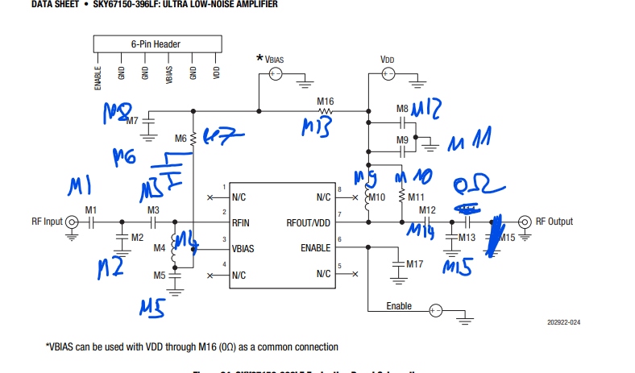
 | SKY 67150 zu 67151

