SOURCE>>
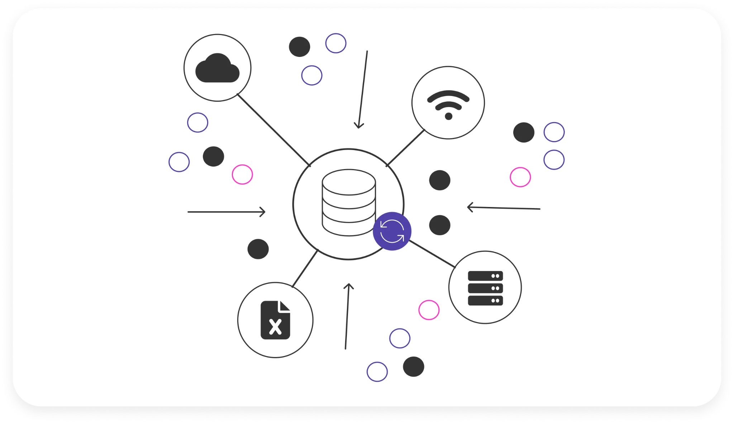

EXPLORATION>>


DELIVERABLES>>
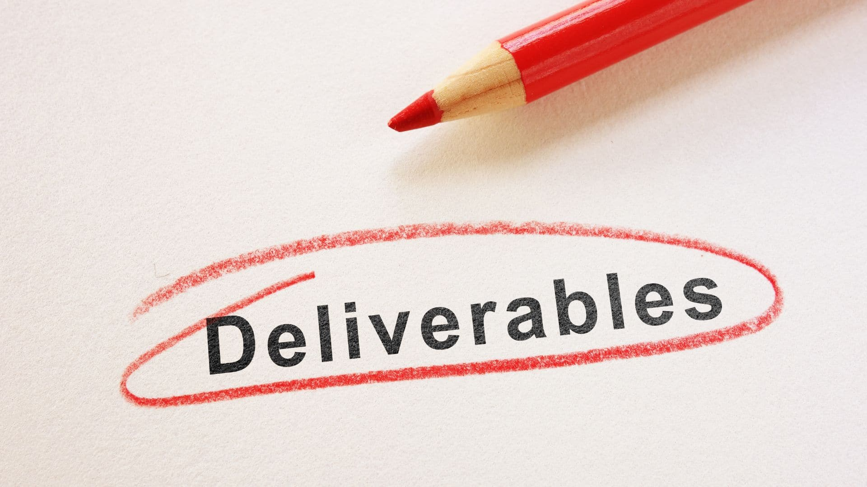

ıtem&category_piv
Total Spent by Category

Quantity and Total Spent by Items
 | Quantity | Total Spent

total&months_piv
Total Spent and Transactions by Months
 | Transactions | Total Spent

dashboard
Total Spent and Transactions by Months
 | Transactions | Total Spent
Total Spent by Category

Quantity and Total Spent by Items
 | Quantity | Total Spent

