Sheet3
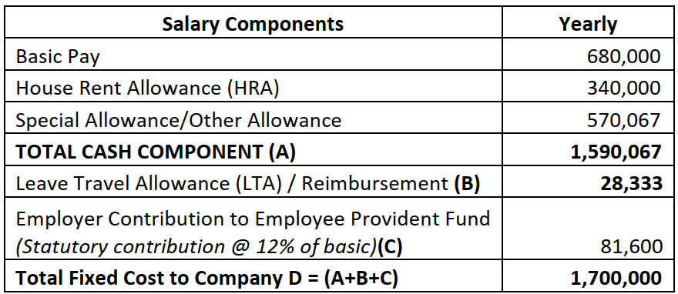
Salary Components | Yearly
Basic Pay | 800,000
House Rent Allowance (HRA) | 400,000
Special Allowance/Other Allowance | 675,667
TOTAL CASH COMPONENT (A) | 1,875,667
Leave Travel Allowance (LTA) / Reimbursement (B) | 28,333
Employer Contribution to Employee Provident Fund (Statutory contribution @ 12% of basic)(C) | 96,000
Total Fixed Cost to Company D = (A+B+C) | 2,000,000

