dashboard
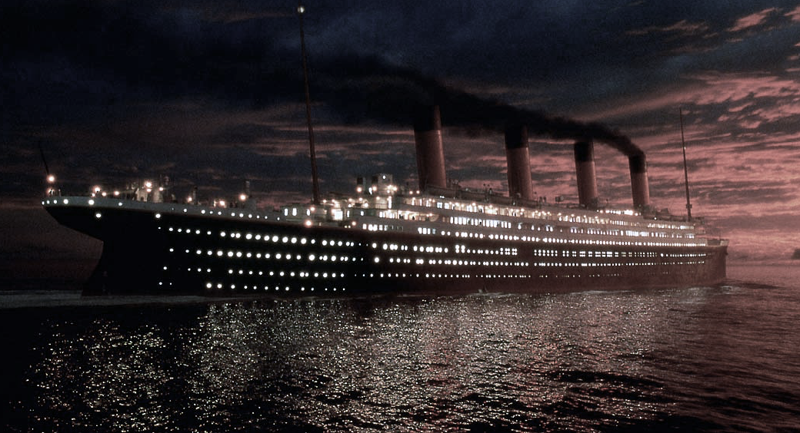
 | Total
0 | 549
1 | 342

THE RMS TITANIC
Survivors
Dead
Survived

891
342
112
159

Total Passengers
Total Survived
SibSp Survived
Parch Survived

Survived by Sex
 | Total
1 | 136
2 | 87
3 | 119
Survived by PClass
Sibsp Surv by PClass
Parch Survived by ClassName
Third Class
Third Class
 | SURVIVED BY SIBSP
Third Class | 53
First Class | 32
Second Class | 27
 | Total
1 | 53
2 | 56
3 | 50
Male
 | Total
female | 233
male | 109
Third Class
First Class
First Class
First Class
Female
Second Class
Second Class
Second Class

 | SURVIVED BY AGE
-18 | 61
+18 | 229
NN | 52
Survived by Age
 | SURVIVED BY EMBARKED
Southampton | 217
Cherbourg | 93
Queenstown | 30
Survived by EmbarkedName Name
github.com/mlacerenze
The dataset used is in
kaggle.com/c/titanic
linkedin.com/in/mlacerenze/

GitHub | https://github.com/mlacerenze
LinkedIn | https://www.linkedin.com/in/mlacerenze/
Canva | https://www.canva.com/design/DAFO7JtygLE/E6KV_dAeRPqmJAFG-LvdHw/view?utm_content=DAFO7JtygLE&utm_campaign=designshare&utm_medium=link2&utm_source=sharebutton

