Tasks
Excel Workshop tasks:
Task | Description | Steps | Time allocated (min) | Other resources
BASICS
Intro | Basic objects in Excel | 1) Open new Workbook; | 2
 |  | 2) Create new Worksheet;
 |  | 3) Difference between Workbook and Worksheet
Data Types | Changing data type | 1) What type is Group column? And District Code? | 3
 |  | 2) Change District Code to be text;
Numbers as dates | How to avoid having numbers stored as dates | 1) Try to put 1-20 in the Group-District Name Column | 5
 |  | 2) Change value to be Text. Did it work?
 |  | 3) Delete the value, change the whole column to be Text. Now fill the first 5 values manually |  | https://academy.datawrapper.de/article/89-prevent-excel-from-changing-numbers-into-dates
Autofill | How to fill values based on the pattern | 1) Select first 5 rows of Group-District Code and drag the fill handle down | 1 | https://support.microsoft.com/en-us/office/copy-a-formula-by-dragging-the-fill-handle-in-excel-for-mac-dd928259-622b-473f-9a33-83aa1a63e218
Sorting | Sorting options | 1) Sort data by total number of students; | 1
 |  | 2) Add another level of sorting -- District Code. You can either use Filter option in the Data tab, or use Sort in the Data tab to add several rules and change their hierarchies | 1 | Sort menu would look like this: Do not forget to expand the selection to include all the table | 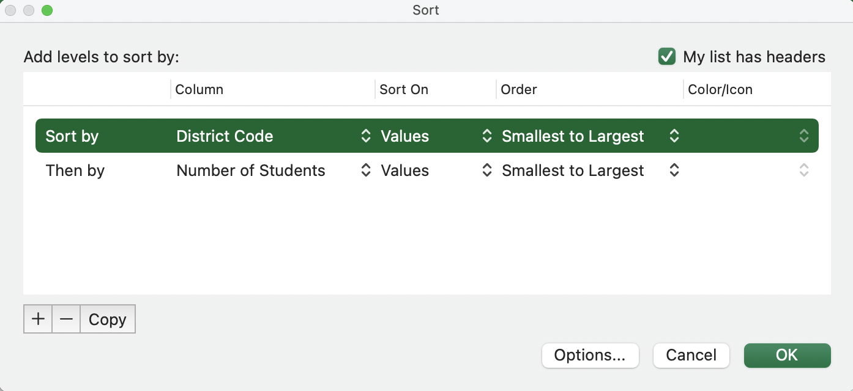
Filter | Removing errors using Filter | 1) Apply Filter from the Data tab; | 3 | 3 ways to remove empty rows:
 |  | 2) Select rows with blank District Code; |  | https://www.ablebits.com/office-addins-blog/2013/10/01/remove-blank-rows-in-excel/
 |  | 3) Right click on selected rows and select option "Delete Rows";
 |  | 4) Make sure you do not have any blanks left
Find and replace | Working with missing values | 1) Use Replace to find all "Msk" entries; | 5 | Filling the empty cells using Go To Special
 |  | 2) Replace "Msk" with blank. On the Home tab select Find&Select -> Replace. Do not put anything in the Replace field, not even a space |  | https://spreadsheetplanet.com/fill-blank-cells-with-value-above-in-excel/
 |  | 3) Select the table area (not including headers) and use Go To Special in the same menu (Home -> Find&Select) to highlight blank cells
FORMULAS
Intro to formulas | Demonstrating sum, avg, count | 1) Count how many observations contain number of test takers | 5 | Remember basic formulas:
 |  | 2) Calculate sum of the Number of Student column; |  | https://corporatefinanceinstitute.com/resources/excel/study/basic-excel-formulas-beginners/
 |  | 3) Find the average value of the Score column |  | Remember how to use absolute and relative references:
 |  |  |  | https://support.microsoft.com/en-us/office/switch-between-relative-absolute-and-mixed-references-dfec08cd-ae65-4f56-839e-5f0d8d0baca9
Logical functions | Calculate percent if condition is true | 1) Create new columns Percent of Test Takers; | 3 | The answer for option 2) is avaliable in the F29. Change the color of the text to see it
 |  | 2) Use IF to get the percent of test takers for the Total values only: |  |  | IF(C5="TOTAL",F5/E5,"")
Conditional Summary | SUMIF and SUBTOTAL | 1) Open Summary sheet; | 10 | The answers for options 2) and 3) are avaliable in the F31 and F32. Change the color of the text to see them
 |  | 2) Get the total number of test takers using SUMIF(); |  | Use "Data!" in front of the cell name (e.g. Data!C2) to reference a cell from another sheet | SUMIF(Data!C5:C49,"TOTAL",Data!F5:F49)
 |  | 3) Get the total number of test takers in Burnaby and Coquitlam using SUBTOTAL() |  | SUBTOTAL is used to calculate different aggregate functions (sum, avg, etc.). Use 1 as the first parameter to calculate average | SUBTOTAL(1,Data!F5:F49)
VLOOKUP | How to use Vlookup to get summaries | 1) Continue working with Summary sheet; | 10 | The answer for option 2) is avaliable in the F34. Change the color of the text to see it
 |  | 2) Use VLOOKUP to fill the rest of the summaries |  | If VLOOKUP does not provide the right numbers, make sure to set the last parameter to be FALSE to get the exact match | VLOOKUP(A9,Data!D5:E49,2,FALSE)
Smart Paste | Paste values only | 1) Copy Percent of test takers from the Data sheet into the Summary sheet using Smart Paste -> Values Only | 1
SUMMARY AND VISUALS
Quick Analysis | Using Analyze Data Tool | 1) Return to rhe Data sheet; | 2 | More details on Analyze data and how to make the most of it:
 |  | 2) Select all your data and choose "Analyze Data"; |  | https://support.microsoft.com/en-us/office/analyze-data-in-excel-3223aab8-f543-4fda-85ed-76bb0295ffc4
 |  | 3) Explore various options and choose what you think is appropriate!
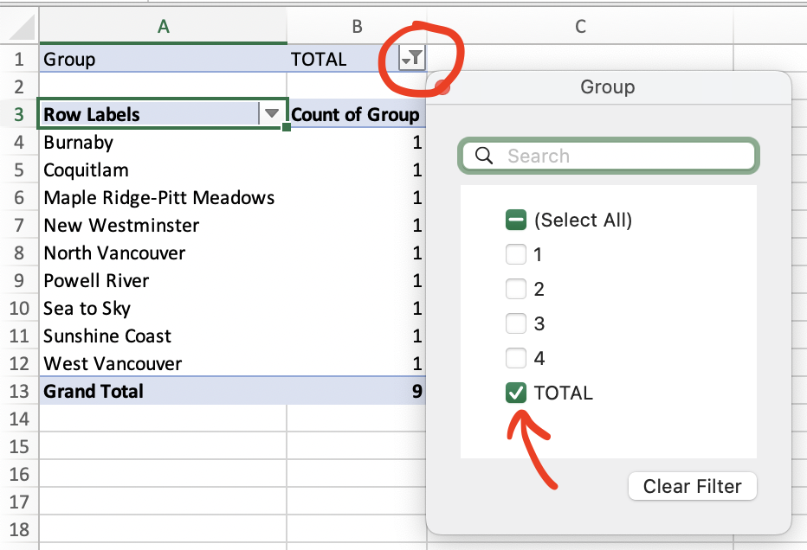
Pivot Table | How to create a simple Pivot Table | 1) Use Pivot Table from Insert tab; | 10 | More on Pivot Tables:
 |  | 2) Select all columns in the table and choose to place the Pivot Table in the new worksheet; |  | https://www.lumeer.io/pivot-table-complete-guide/
 |  | 3) In the opened worksheet, select fields "District Name", "Test Takers" and "Total Score" fields. Do you think this numbers are correct ones? |  | Where to find a filter:
 |  | 4) Select Group and move it to the Filter area. In the filter above, unselect the "TOTAL" option.
 |  | 5) In the Values area, change the "Total Score" from Sum to the Average |  | Click on the info symbol to change the aggregation function | 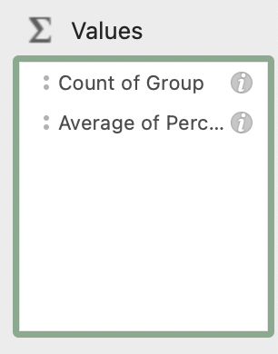
Visualizations | Simple Visualization | 1) Return to the Data sheet | 5 | How-to on plotting different graph types in Excel:
 |  | 2) Select only TOTAL rows using filters for Group; |  | https://stephanieevergreen.com/how-to/
 |  | 3) Select columns District Name and Percent of Test Takers (hold ctrl or cmd to select both columns);
 |  | 4) In the Insert menu select 2D horizontal bar chart (under column types); |  | Horizontal bar chart is a prefered when having categories with long names
 |  | 5) Sort bins by sorting the Percent of Test Takers column |  | Sorting/filtering the original data has a direct impact on the visualization
Data Series in Visualizatons | Adding average line | 1) Create new column named Average. Use previously learned SUBTOTAL to get the average Percent of Test Takers and fill the whole column with this value | 10 | The answer is avaliable in the F50 cell (change text color to see it) | SUBTOTAL(1,H$9:H$49)
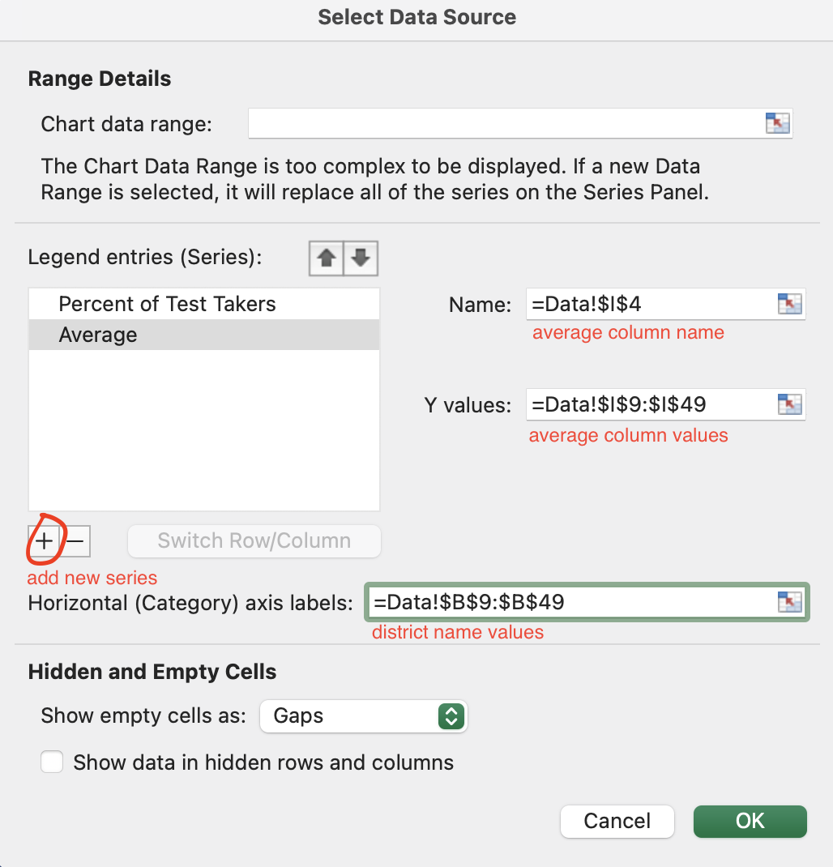
 |  | 2) Right click on the existing visualization, choose Select Data and add another series (in the Legend Series click on the plus button);
 |  | 3) Select Average as Y-values, Average column name as Name, and District Name column as X-values. You should have another set of bins added to your visualization;
 |  | 4) Select series corresponding to average (click on the orange bins). On Windows, you can Change Series Chart Type by clicking right button and selecting Line. On Mac, you may not be able to do so. Instead, you can add linear trend line (select series, go to Chart Design) and click Add Chart Element -> Trend Line -> Linear. Now, you can make your bins invisible. Either in the Format menu or Format pane, select Fill -> No Fill and Border (or Shape Outline) -> No line. |  |  | 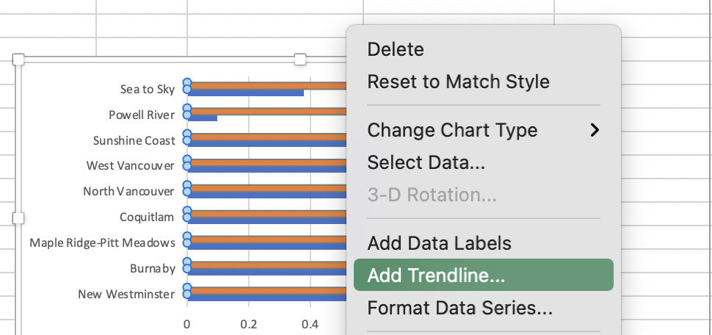
Saving your chart | Save Visualization | Select Chart Area (be careful not to select the Plot Area instead), right click and select Save as Picture to save your visualization | 3

 |  | Total time: | 80

