Sheet1
alpha | cl | cd_polar | cl_polar
4.44E-16 | -0.007987942728 | 0.013533190578 | -0.15789473684
1.9991193307 | 0.12916352675 | 0.012762312634 | -0.011842105263
4.0158520476 | 0.27460437076 | 0.010835117773 | 0.12473684211
6.0413914575 | 0.41401657875 | 0.013361884368 | 0.27473684211
8.0405107882 | 0.55267520723 | 0.020642398287 | 0.41526315789
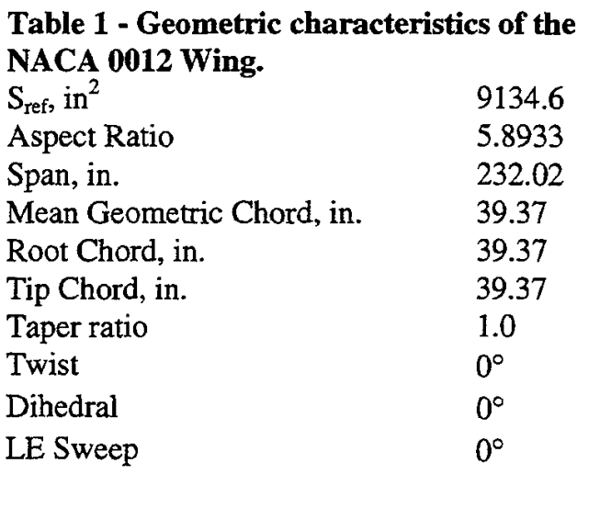
10.004403347 | 0.67927656368 | 0.034218415418 | 0.55894736842
11.977102598 | 0.82697814619 | 0.04591006424 | 0.67973684211
14.011448701 | 0.98070836473 | 0.064710920771 | 0.82815789474
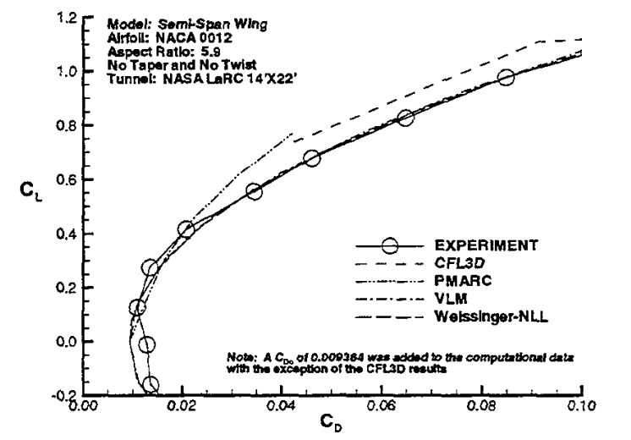
15.975341259 | 1.0786737001 | 0.084882226981 | 0.98052631579
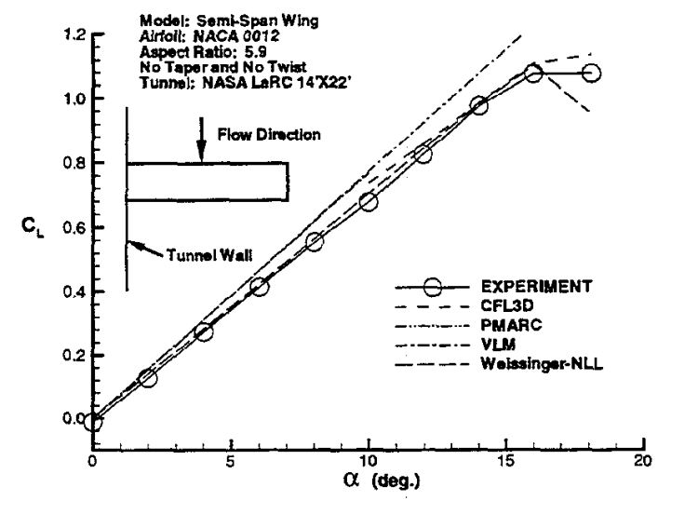
18.062527521 | 1.0809344386

