Sheet1
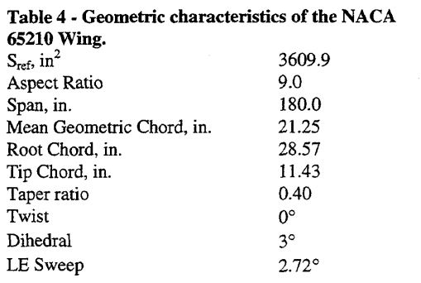
alpha | cl | cd_polar | cl_polar
-2.9692585895 | -0.1482602118 | 0.0073449131514 | -0.14621979735
-1.8408679928 | -0.047655068079 | 0.0058064516129 | -0.050194855807
-0.84267631103 | 0.034947049924 | 0.0050620347395 | 0.032735775526
0.16636528029 | 0.12919818457 | 0.0047642679901 | 0.124395947
1.164556962 | 0.21815431165 | 0.0058064516129 | 0.21714731099
2.3037974684 | 0.31134644478 | 0.0084367245658 | 0.30880748246
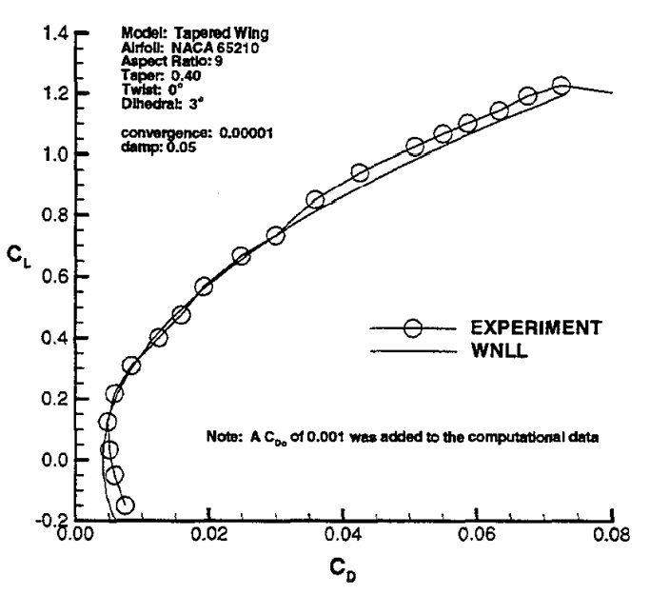
3.3019891501 | 0.40453857791 | 0.012456575682 | 0.40155884645
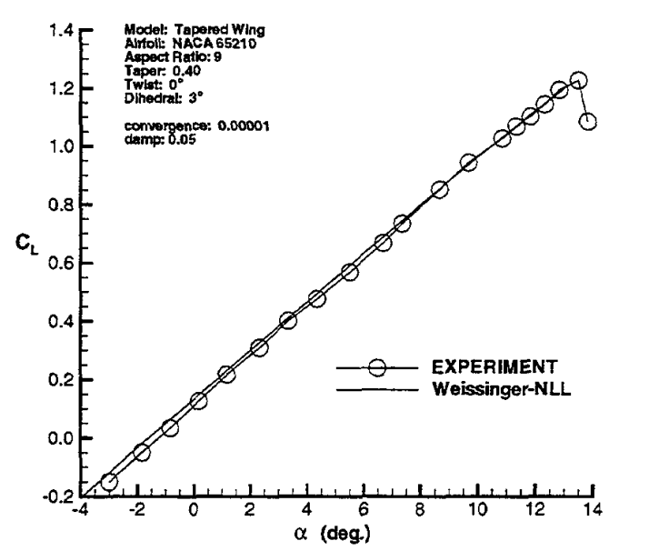
4.321880651 | 0.47866868381 | 0.015732009926 | 0.47575993765
5.4828209765 | 0.57080181543 | 0.019156327543 | 0.56742010912
6.6546112116 | 0.67246596067 | 0.024714640199 | 0.66890101325
7.3273056058 | 0.73706505295 | 0.029875930521 | 0.7343725643
8.6401446655 | 0.85355521936 | 0.035781637717 | 0.85440374123
9.6708860759 | 0.94462934947 | 0.042431761787 | 0.94060795012
10.831826401 | 1.0293494705 | 0.050669975186 | 1.0279033515
11.330922242 | 1.069591528 | 0.054789081886 | 1.0693686672
11.819168174 | 1.1077155825 | 0.058511166253 | 1.1042868277
12.329113924 | 1.1468986384 | 0.06317617866 | 1.1446609509
12.860759494 | 1.193494705 | 0.067394540943 | 1.1937646142
13.500904159 | 1.2242057489 | 0.072456575682 | 1.2265003897
13.826401447 | 1.0897125567

