Analysis
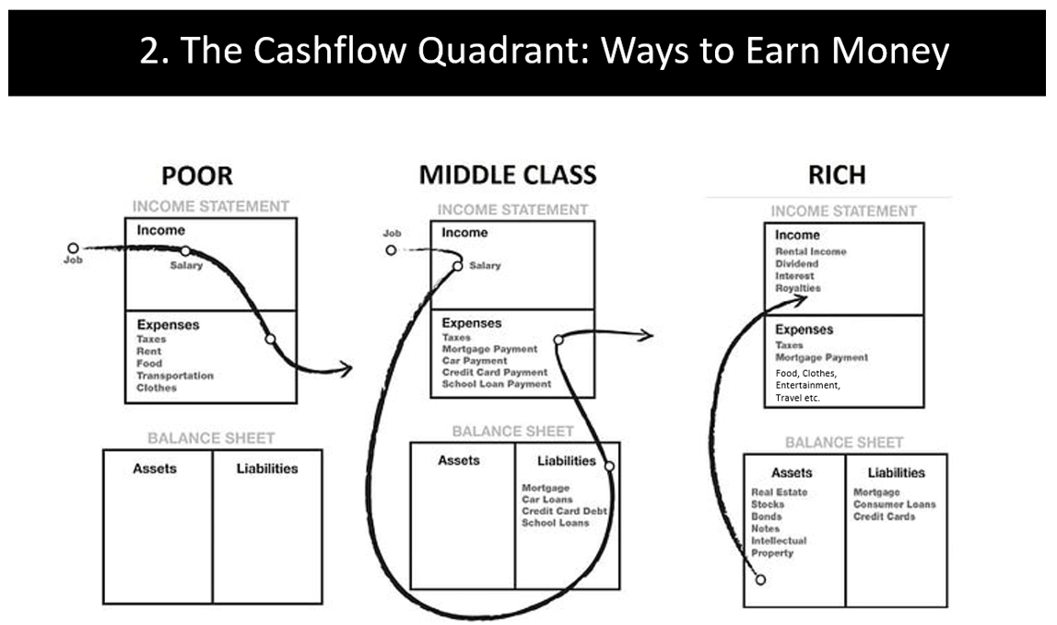
WORKING
DRAFT
Private & Confidential For Recipient Use Only – Not to be Distributed
Coaching: Ali Shahroz Wealth & Retirement Blueprint
ASIC fully supports financial education.
Learning how money works is 100% allowed — and encouraged.
They want people to understand saving, investing, planning, and building a strong future.
So what I do is teach, not give financial advice.
ASIC-SAFE, EDUCATION-ONLY LEGAL DISCLAIMER
ASIC stands for the Australian Securities and Investments Commission. They’re basically the big “money rules team” in Australia.
Their job is to make sure that when people talk about money, investing or super, it’s done safely, fairly, and responsibly. They also set rules so only licensed financial advisers can tell people exactly what to buy or sell.
But here’s the great part:
ASIC fully supports financial education. Learning how money works is 100% allowed — and encouraged.
They want people to understand saving, investing, planning, and building a strong future.
So what I do is teach, not give financial advice.
I help you learn the skills, ideas and habits that make you confident with money as you grow up — and teaching that is completely allowed and really important.
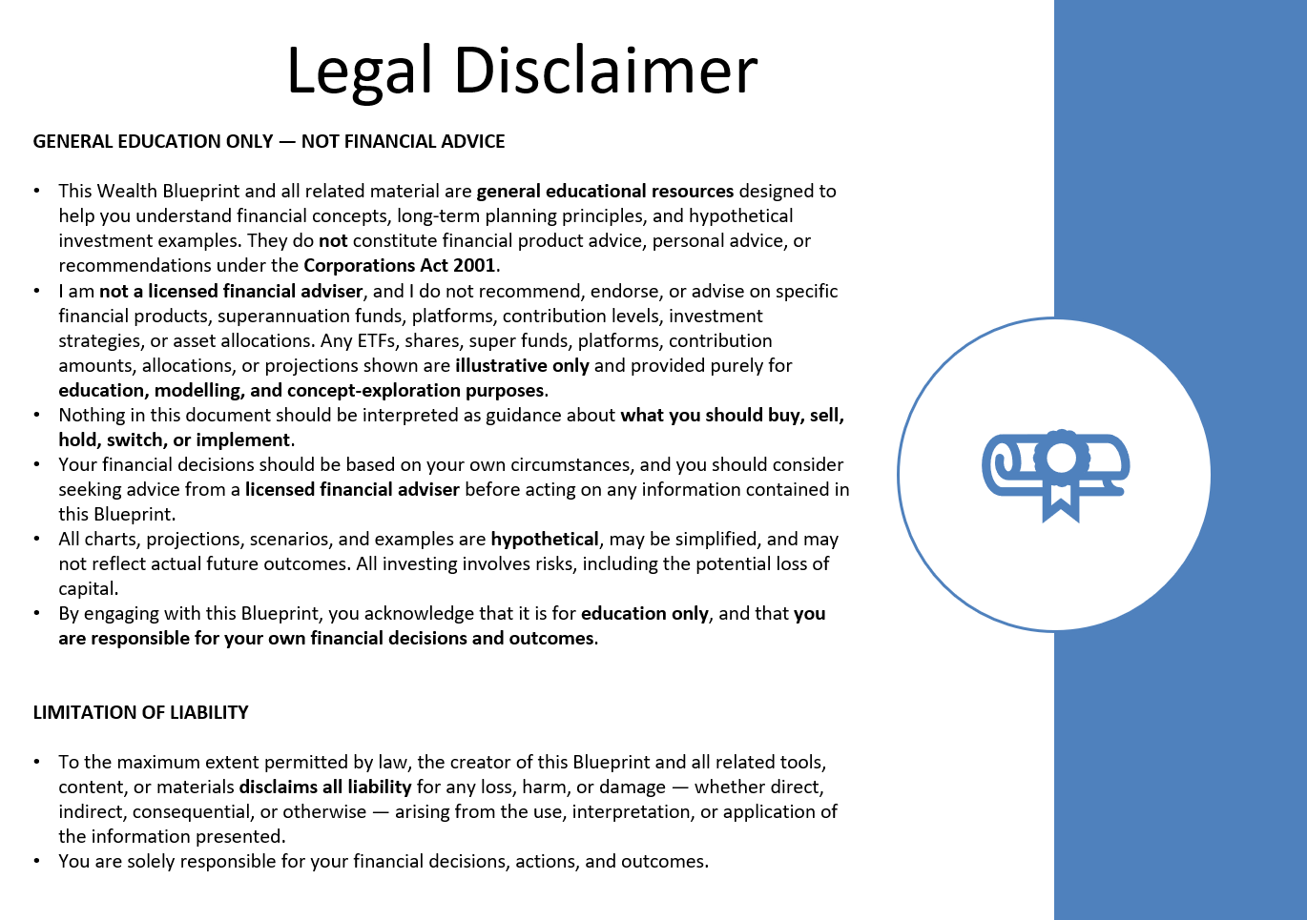

 |  |  |  |  |  |  |  |  |  |  |  | “Just tick this box to confirm you understand this is education only and not financial advice — ASIC likes this step so we're both protected.”
I understand that this Blueprint is for general educational purposes only and does not provide financial advice. I am responsible for my own financial decisions.
 |  |  |  |  |  |  |  |  |  |  |  | Positive, clear, and professional.

EXAMPLE: Generational Wealth Blueprint ($)

👤 Quick Profile |  | Ali Shahroz

Age: |  | 34
Location: |  | Perth, Western Australia
Occupation: |  | Multiple AI Solutions - Global AI Solutions
Email: |  | Ali@multipleai.com.au
 |  | Min | Max
Annual Income: |  | $100,000 | $200,000 | (strong earning potential ahead)
Retirement Age Goal: |  | 65 | 31 | years till retirement
Passive Income Goal: |  | $250,000 | pa, plus
Family: |  | Married, no children

Assets:

Starting Investment Capital: |  | $60,000 | Super | $2,000,000 | Super Goal (At least)

Super Invest Per Annum (Now) |  | tbc | Super | Speak to accountant re: maxing out

 |  | Min | Max
Personal Invest Per Month (Future) |  | $1,000 | $2,000 | to start with TBC

You are in your wealth-building years. Qu: How much can you save and invest per month?

Notes:
Executive Client Insight — Ali Shahroz: Ali is a systems-driven founder at an early stage of wealth building with a long time horizon and strong focus on growing his business rather than actively managing investments.
He has no prior investing experience but is curious, logical, and responds well to first-principles explanations, visual tools, and simple frameworks.
He naturally prefers tangible assets like property and has low interest in crypto, but is open to ETFs once positioned as a diversified, automated system rather than a speculative bet.
His behaviour suggests the best outcomes will come from low-cost, set-and-forget structures supported by education and automation, allowing wealth to compound quietly in the background while he concentrates on business growth.

NOTE: Consider: (1.) Max out super - when the cash invested increases to $30k p.a (2.) Set up personal investment account

Goals Overview

1. Retire by age 65 — with a target of generating over $250,000 per year in passive income.
2. Establish a tax-efficient investment structure to support your family.
3. Focus on growing the business and create a simple, automated investment plan for long-term wealth creation and capital appreciation. Set and forget.
4. Ensure financial strategies align with lifestyle goals: simplicity, family legacy, and time freedom.

How do you do it?
Investment Platforms E.g. Pearler Account - covered below
Bitcoin and Ethereum can’t just be hacked and skimmed like in the movies - like a digital vault with millions of locks.
- The code is open-source and audited by thousands of developers worldwide, and every transaction is verified and locked in by a global network of computers (miners/validators) before it’s accepted.
- Once added, it’s mathematically impossible to go back and change past transactions without controlling more than half the network — which would cost billions and is practically impossible.
- In fact, the Bitcoin network has never been hacked; what sometimes gets hacked are exchanges or wallets, not the blockchain itself.
- In terms of security, it’s actually stronger and more tamper-proof than the systems banks run on.
Investment Options for Your Consideration: ETF Allocation by Age

EXAMPLE: Balanced / Growth

Long-term growth focused. High volatility accepted.
This strategy is built for compounding and generational wealth — not short-term comfort. Time is your greatest asset.
No chasing markets. No timing tops or bottoms.
Just patience, steady progress, and decades of compounding.

Age: | 34
Available to Invest | $24,000 | PER ANNUM |  |  |  |  | Age 65 (Rebalanced for Income Stability) |  |  | TBA

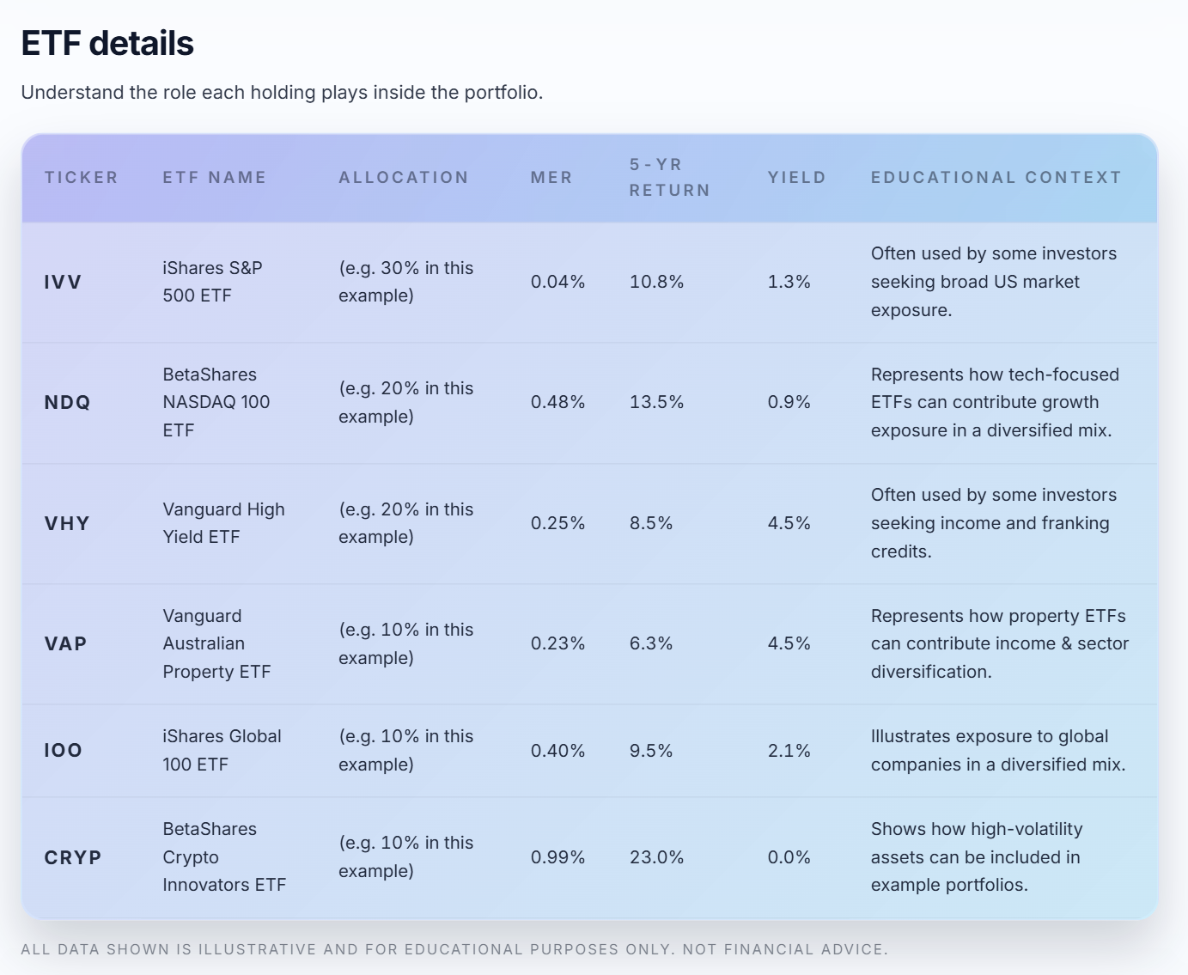
Asset Class | ETF | Allocation | $ PA | $ PMth* |  |  | Asset Class | ETF |  | Allocation

🟢 IVV – S&P 500 (US equities) | IVV | 25% | 6,000 | 500 |  |  | 🟢 IVV – S&P 500 (US equities) |  | IVV

🟣 NDQ – NASDAQ 100 (Tech growth) | NDQ | 25% | 6,000 | 500 |  |  | 🟣 NDQ – NASDAQ 100 (Tech growth) |  | NDQ

🟠 EBTC – 21Shares Bitcoin ETF | EBTC | 0% | - | - |  |  | 🟠 EBTC – 21Shares Bitcoin ETF |  | EBTC

🟠 EETH – Global X 21Shares Ethereum ETF | EETH | 0% | - | - |  |  | 🟠 EETH – Global X 21Shares Ethereum ETF |  | EETH

🟠 STRF – MicroStrategy Capital II | STRF:US | 0% | - | - |  |  | 🟠 STRF – MicroStrategy Capital II |  | STRF:US

🔵 VHY – High dividend Aussie shares | VHY | 50% | 12,000 | 1,000 |  |  | 🔵 VHY – High dividend Aussie shares |  | VHY
 |  |  |  | -
🟡 VAP – Australian property (REIT) | VAP | 0% | - | - |  |  | 🟡 VAP – Australian property (REIT) |  | VAP

🔴 VAF – Bonds (defensive) | VAF | 0% | - |  |  |  | 🔴 VAF – Bonds (defensive) |  | VAF
 |  |  |  | -

 |  | 100% | $24,000 | $2,000 | per month

🔑 Coaching Points
1. Compounding is King: The Rule of 72 makes it simple: at an 8% annual return, your money doubles about every 9 years (72 ÷ 8 = 9)
2. Crypto exposure: Not interested at the moment. Bitcoin is digital gold, Ethereum is digital oil, but neither pays yield
3. Keep it automated — invest the same day each month (“set and forget”).
4. Stay the course - Stay invested — market fluctuations are normal; compounding rewards consistency.

Note: *$ 500 Minimum Order in Pearler

GROWTH
DEFENSIVE

For example:
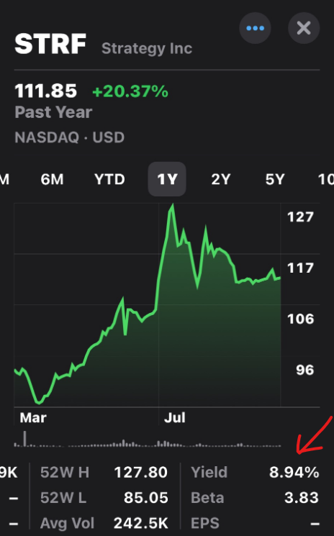
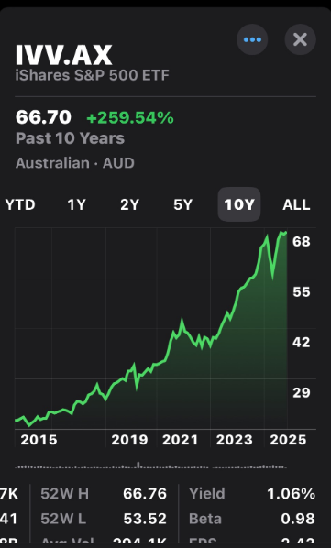
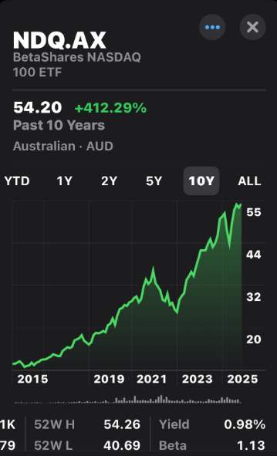
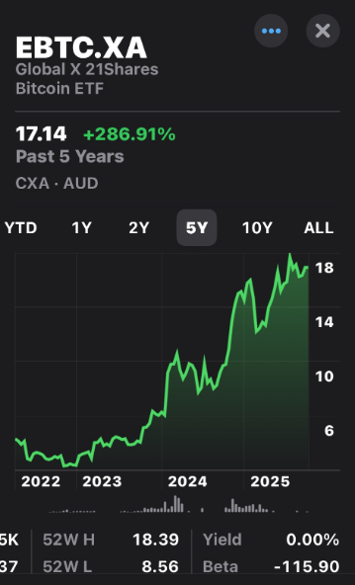
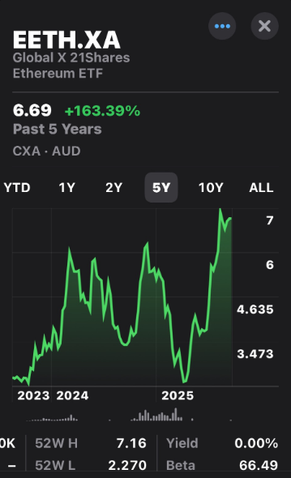
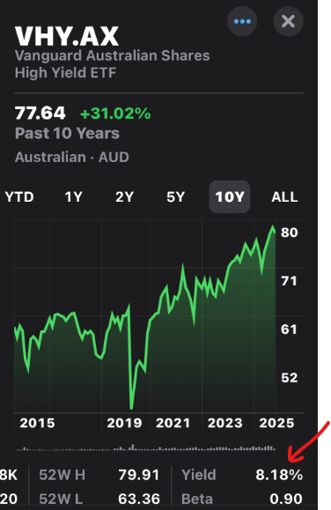
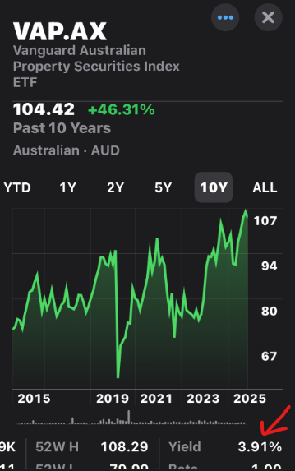
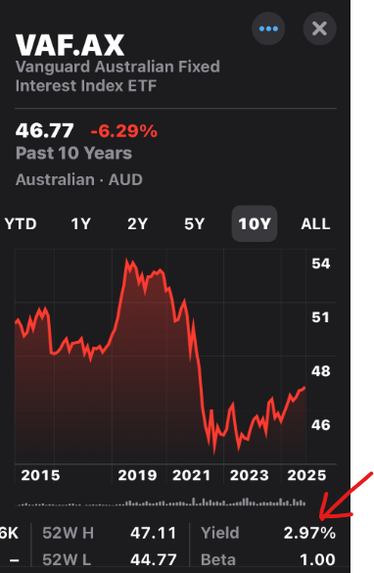

Note: As at 19 Sept 2025

1, 3, 5, 10-Year Annualised Returns (% p.a.)

ETF |  | 1 yr | 3 yrs | 5 yrs | 10 yrs
IVV – iShares S&P 500 ETF |  | 14% | 21% | 18% | 16%
NDQ – BetaShares NASDAQ 100 ETF |  | 21% | 29% | 19% | 20%
VHY – Vanguard Australian Shares High Yield ETF |  | 10% | 11% | 13% | 10%
VAF – Vanguard Australian Fixed Interest ETF |  | 4% | 3% | 0% | 2%
EBTC – Global X 21Shares Bitcoin ETF |  | -16% | 73% | — | —
EETH – Global X 21Shares Ethereum ETF |  | -26% | 34% | — | —
Note: As at 30/11/2025

Footnote (Long-Term Context)
S&P 500 (US): ~10% p.a. over 20 years, ~13% over 10 years.
Nasdaq-100 (US): ~15% p.a. over 20 years, ~20% over 15 years.
Bitcoin & Ethereum: Very high CAGRs since inception but with extreme volatility and large drawdowns.

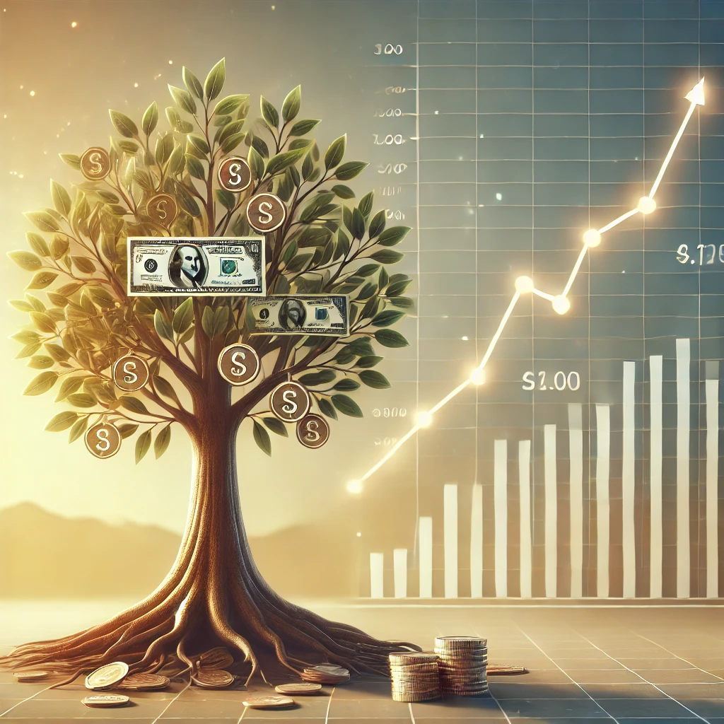
EXAMPLES - The Power of Compounding: Why Time in the Market Beats Timing the Market

You have time on your side
Investment Calculator - NerdWallet
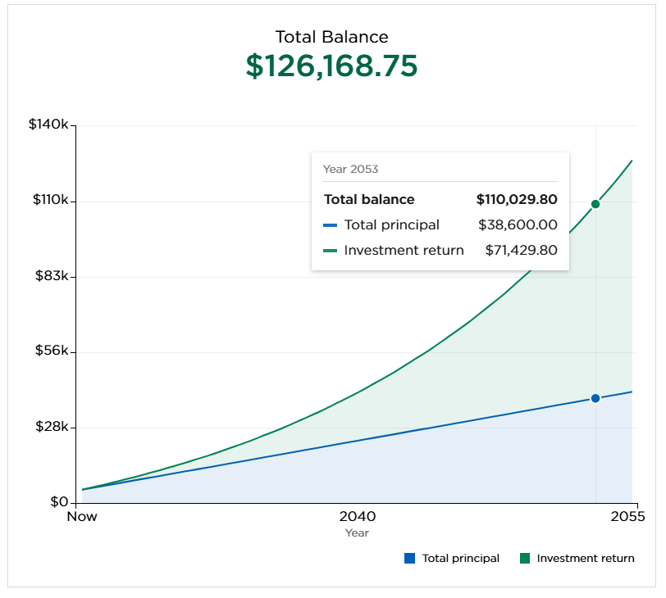
Initial Investment: Assumes $300k in super currently
Years of investment growth: 22 years
Estimated Rate of return: 8%, 10%, 15%

Investment Growth: 22 Years @ 8% p.a. Estimated Return |  |  |  |  |  | Investment Growth: 22 Years @ 10% p.a. Estimated Return
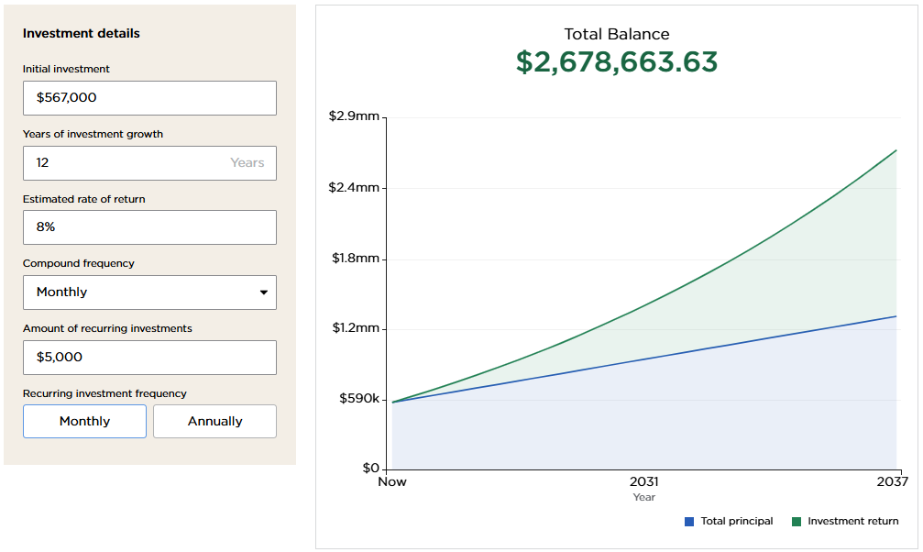
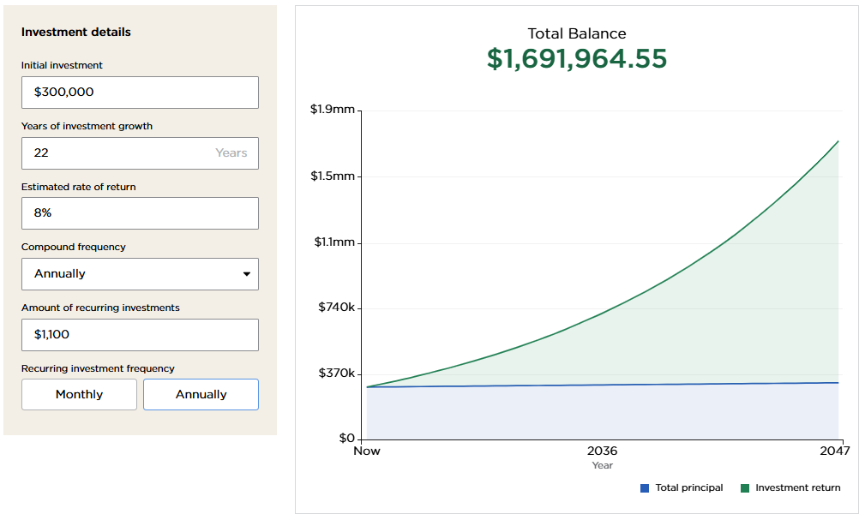
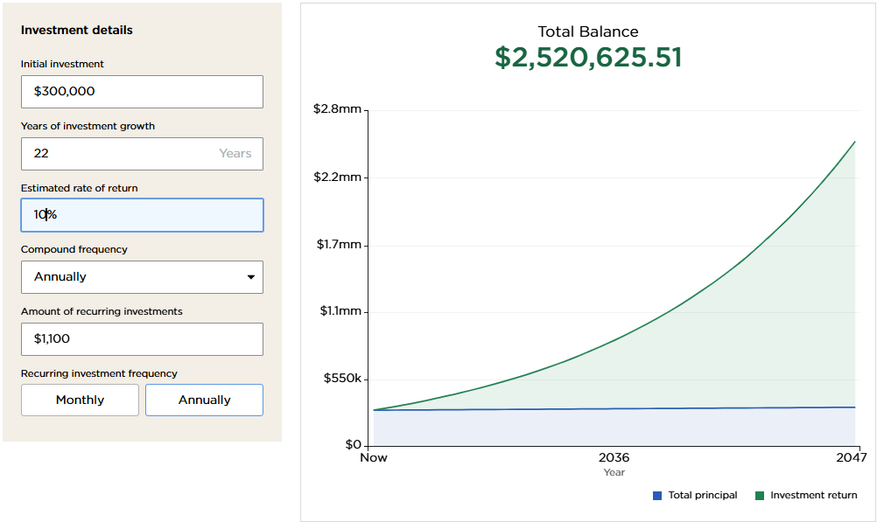

Investment Growth: 22 Years @ 15% p.a. Estimated Return |  |  |  |  |  | Investment Growth: 22 Years @ 20% p.a. Estimated Return

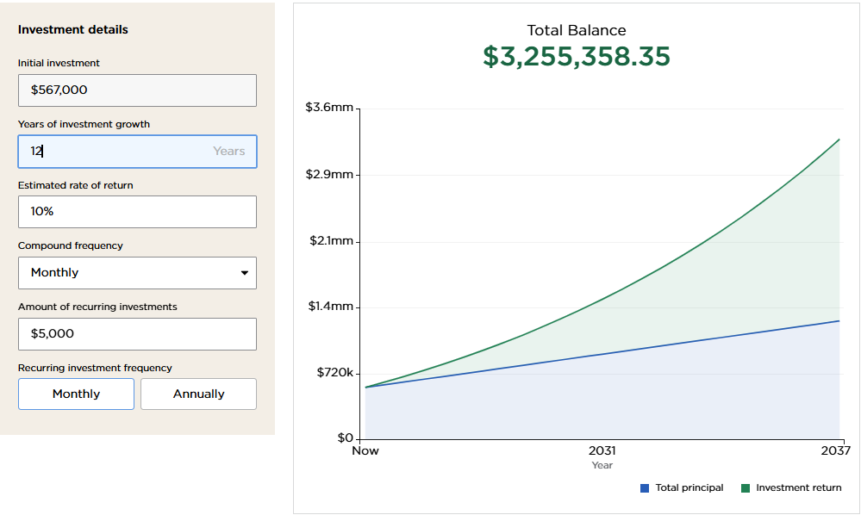
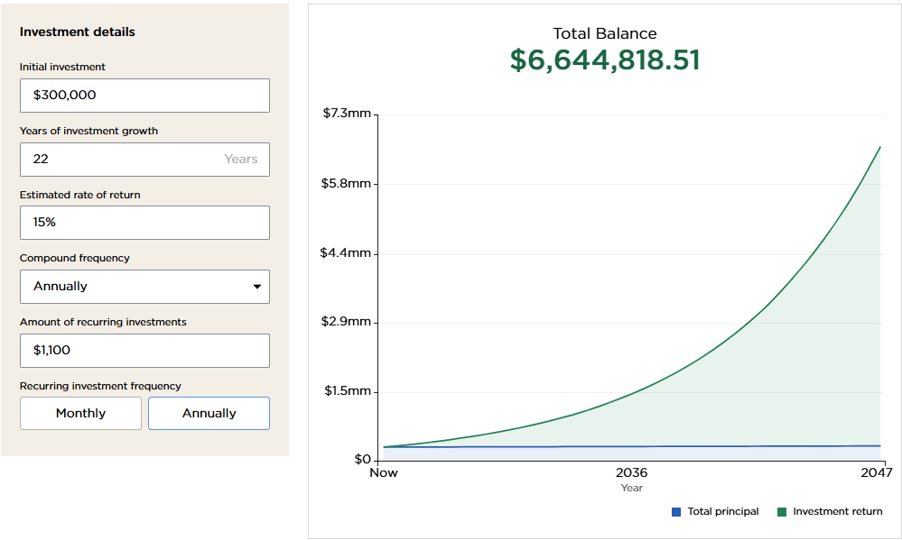
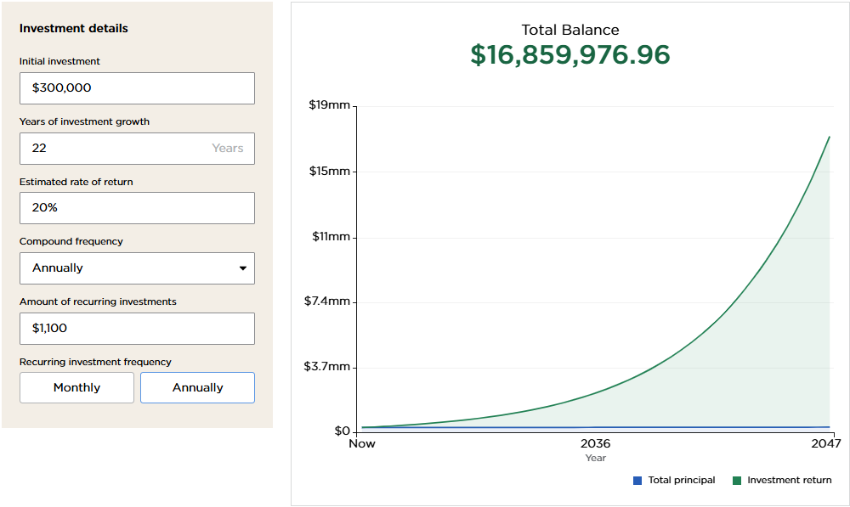
 |  |  |  |  |  |  |  |  |  |  | 312
 |  |  |  |  |  |  |  |  |  |  | 25
 |  |  |  |  |  |  |  |  |  |  | 30000
 |  |  |  |  |  |  |  |  |  |  | 750000

EXAMPLE: Compound Interest Pro — Interactive Wealth Planner

Assuming $60,000 start from super for example
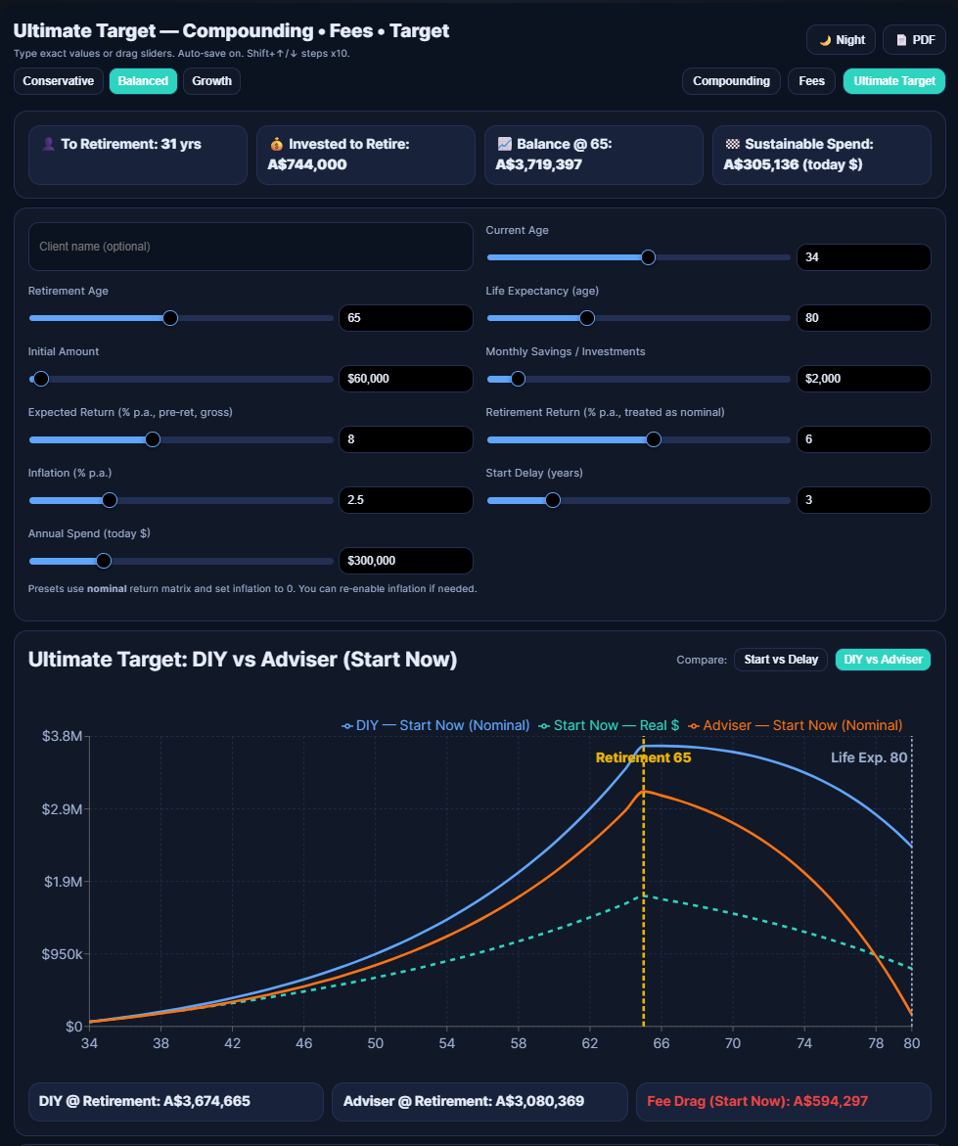

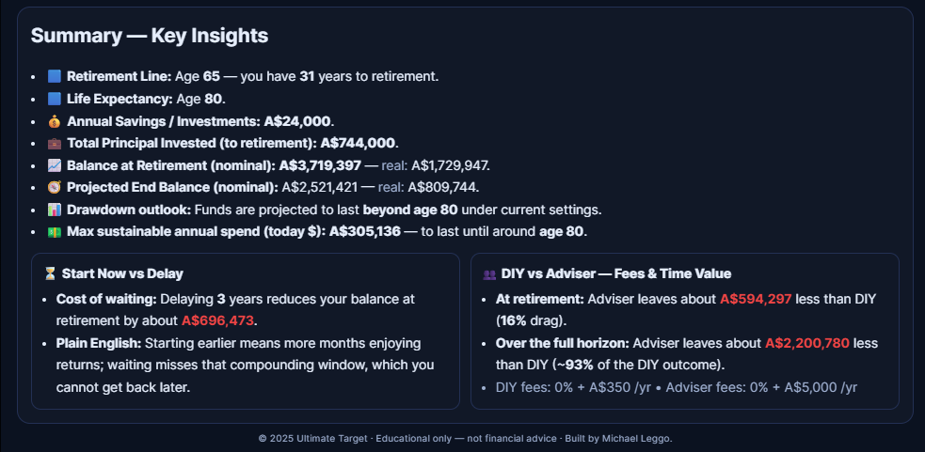

True wealth = years you can still do what you love + the health to enjoy it + the money to afford it.
In the end, the question isn’t “How long will I live?” It's “How long will I live well?”

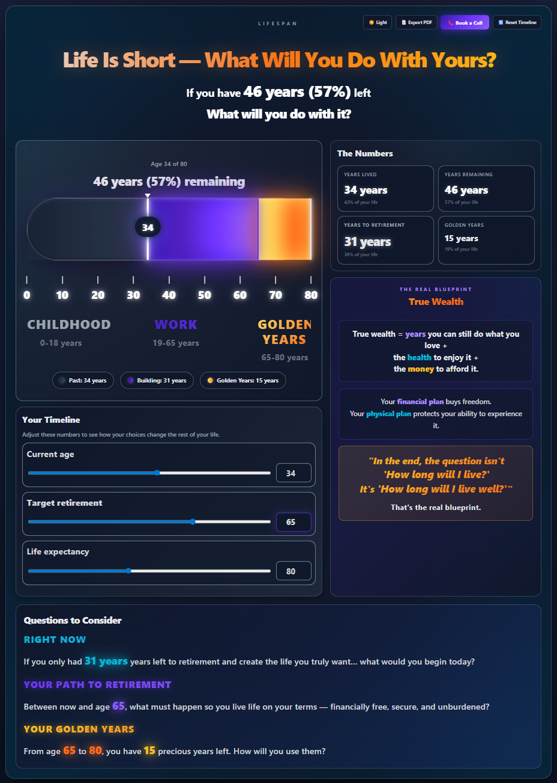

Automation & Execution |  |  |  |  | Psychology & Mindset

Automatically invest in selected ETFs monthly - Dollar Cost Average (DCA) |  |  |  |  | Focus on long-term consistency, not Market timing
Reinvest dividends automatically |  |  |  |  | Automate investing to reduce stress and ensure discipline
Minimise emotional interference with market timing |  |  |  |  | Revisit annually but avoid frequent changes unless life circumstances shift significantly
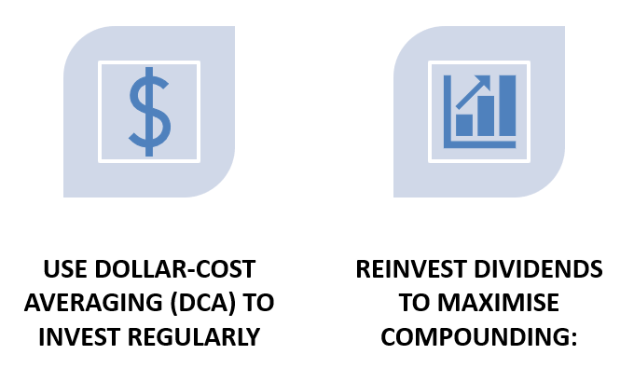
Avoid 'Shiny Object Syndrome’ - Stick to a few solid investments instead of chasing the next 'hot' trend.
The hardest part? Is Doing Nothing and Letting Time Work for You.

Coaching Examples: Investment Structures

1: Australian Super
What are the Benefits of Pearler over CommSec:
1. Automation (Auto-Investing)
Pearler: Offers automated recurring investments (e.g., monthly) allowing hands-off, passive investing aligned to long-term goals.
CommSec: Does not support fully automated recurring investing; all trades must be placed manually.
2. Fractional Investing
Pearler: Supports fractional share investing, enabling precise portfolio allocations regardless of ETF or share prices.
CommSec: Only offers investing in whole units, making exact portfolio allocations challenging.
3. Lower Fees for Frequent ETF Investing
Pearler: Low-cost brokerage (~$6.50 flat for frequent ETF investing), particularly advantageous for regular small investments. In your super fund it is even lower - Brokerage inside super: 0.11% per trade (≈ $14/year on $1,100 monthly contributions, plus ~$330 once on the $300k rollover buy).
CommSec: Higher brokerage fees (from ~$10 to ~$29.95 per trade), potentially expensive for regular, smaller trades.
4. Designed for Long-Term Investors
Pearler: Platform explicitly tailored towards financial independence (FIRE), passive investing, and long-term wealth accumulation.
✅ Conclusion (Why Pearler ?)
Aligns with your goals—focused on automation, simplicity, disciplined long-term investing, and minimal effort—Pearler clearly stands out as superior. It provides lower fees, automated investing features, fractional investing for accurate allocation, simplified tax reporting, and aligns perfectly with your set and forget investment goal.

Keep low cost super.When businbess is good consider max out your super at $30k

2: Idea: Consider opening a Pearler Investment Account

1. Visit https://pearler.com
2. Click "Join Pearler" or "Open Account"

Outside Super – Flexibility Account
Set up a Pearler account for personal investing (access anytime).
No setup fee, brokerage ~$6.50 per trade, automated investing feature.

ETF costs are very low:
- IVV 0.04%
- NDQ 0.48%
- EBTC/EETH 0.59% (crypto ETFs)
- VHY
Use this for surplus cash flow beyond super contributions.

Portfolio Tilt (High Growth)
Core: US equities (IVV) + Tech (NDQ)
Satellite: Bitcoin & Ethereum ETFs (smaller but meaningful exposure)
Other options: add Aussie dividends (VHY), property REITs (VAP), or thematic (AI/robotics - ROBO) for diversification.

Key Insights
Long horizon = compounding engine. Even 7-8% returns over 10 to 20 years could deliver multi-million retirement balance.
Use Pearler personal account for flexibility, liquidity, and parallel high-growth investing.
Overall costs are very low (<0.3% p.a. for equities ETFs), keeping more returns compounding in your pocket.

Coaching Tip: Please always confirm your structure and strategy with your tax accountant for compliance and customisation.

Next Steps (Education & Reflection)

☑️ Review your current investment approach and how it aligns with long-term, diversified growth concepts

☑️ Explore investment platforms (such as Pearler) to understand how self-directed investing works

☑️ Learn how ETF allocations are typically implemented in practice

☑️ Book a follow-up session to review learnings, assumptions, and next questions

Auto-Invest Guide (Example Only)

Illustrative walkthrough showing how a self-directed investing platform works.

Example: Exploring Pearler

If you’re curious about how automated, self-managed investing platforms operate, this example shows what the sign-up process typically looks like.

1. Visit https://pearler.com

2. Select “Join Pearler” or “Open Account” to explore available options

This is an educational example only and not a recommendation to open, move, or change any account.

🧠 Notes
Auto-invest gives you consistent dollar-cost averaging (DCA)
Always re-invest your dividends
You can update, pause, or adjust the strategy anytime in your dashboard
Keep records for compliance and make sure your accountant is looped in on all Super actions

Summary & Closing Note
At 34, you’re in a strong spot. You’re running your own business, you’ve got time on your side, and you still have flexibility. That combination gives you leverage most people don’t have.
This Blueprint isn’t about rushing decisions or adding complexity. It’s about understanding the basics and setting up a simple structure so wealth can grow quietly alongside your business. You don’t need to become an investor or spend time watching markets. The advantage comes from starting early, keeping costs low, automating where possible, and letting time do the work.
When the fundamentals are set up well, compounding behaves like a good system — it scales in the background. Small, consistent inputs today can turn into meaningful outcomes over time without constant tweaking.
This Blueprint is designed to work like reliable software: simple, low-maintenance, and always running. It lets you focus on building Multiple AI Solutions, solving interesting problems, and shaping the lifestyle you want, while your wealth compounds steadily in parallel. The goal isn’t complexity — it’s clarity, confidence, and long-term wealth creation.
Prepared by: Michael Leggo Generational Wealth & Strategy Coach

APPENDIX:

Source: Cashflow Quadrant by Robert Kiyosaki — a powerful framework to help guide how we think about income, investing, and ownership going forward

CF
