Manual
Mean NDCG@K (Manual Queries)

Method | NDCG@1 | NDCG@2 | NDCG@3
BM25 | 0.51 | 0.54 | 0.52
BM25-Llava | 0.3 | 0.29 | 0.26
e5-Mistral | 0.67 | 0.75 | 0.8
e5-Mistral-llava | 0.51 | 0.52 | 0.51
gte-qwen2 | 0.84 | 0.86 | 0.87
Clip | 0.36 | 0.36 | 0.36

G-Relevance
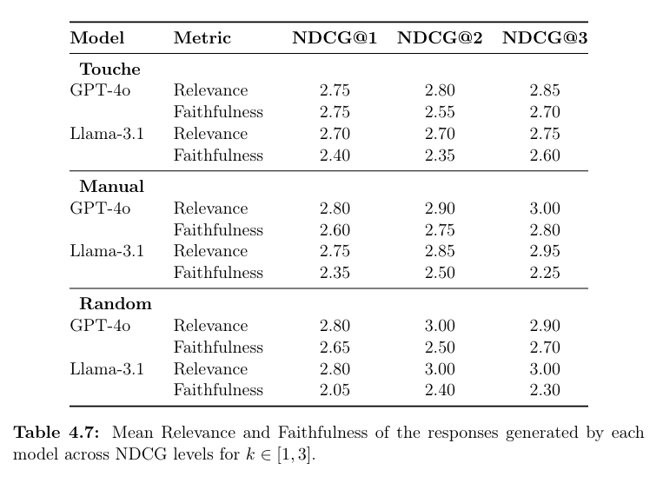

Query | Model | NDCG@1 | NDCG@2 | NDCG@3
Touché | GPT-4o | 2.75 | 2.8 | 2.85
 | Meta-Lama-3.1 | 2.7 | 2.7 | 2.75
Manual | GPT-4o | 2.8 | 2.9 | 3
 | Meta-Lama-3.1 | 2.75 | 2.85 | 2.95
Random | GPT-4o | 2.8 | 3 | 2.9
 | Meta-Lama-3.1 | 2.8 | 3 | 3
Table 3: Mean Relevance Score of the generated answer

