Summary
Summary
Total Test case | 55
Status | Passed | Failed | Pending | Blocked
 | 16 | 9 | 16 | 14

Status

Image
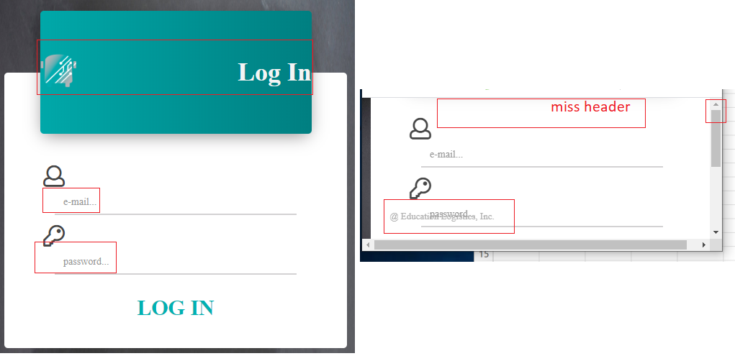
Image 1

Image 2

Image 3

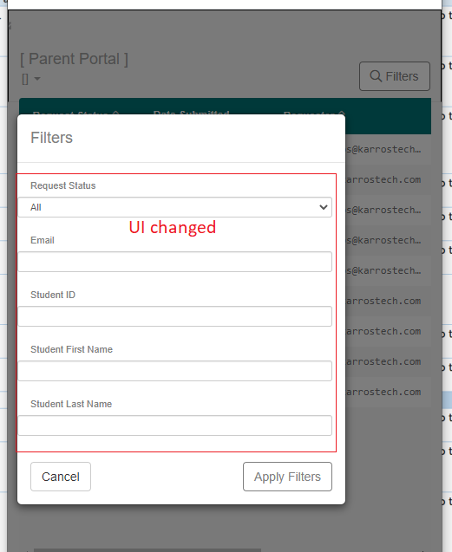
Image 4

