data h
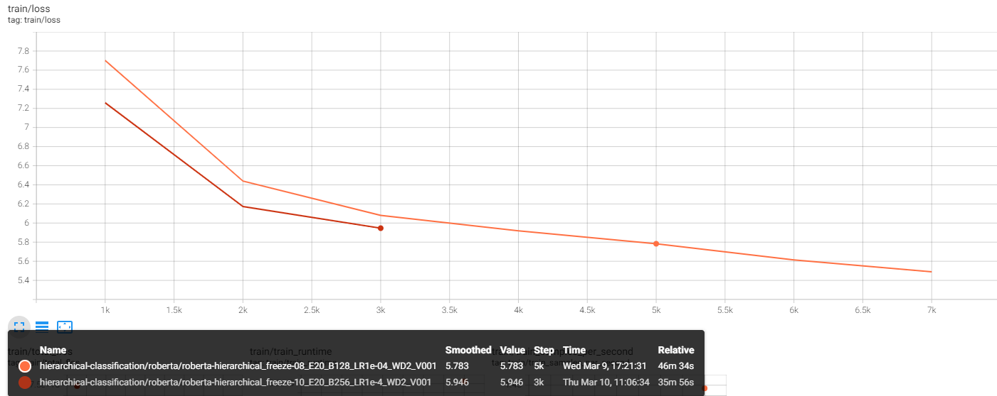
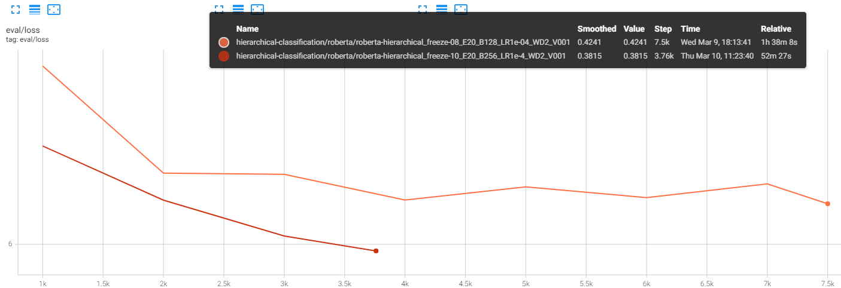
lr | wd | dropout | warm up | ep | batch size | freeze | hf1 (train) | hf1(valid) | hf1 (test) | f1 weighted (train) | f1 weighted (valid) | f1 weighted (test) | loss (v+t) | name
1.00E-04 | 2 | 0.1 | 0.1 | 20 | 128 | 8 | 0.69 | 0.6 | 0.6 | 0.76 | 0.67 | 0.665 | 6.22 | roberta-hierarchical_freeze-08_E20_B128_LR1e-04_WD2_V001
1.00E-04 | 2 | 0.1 | 0.1 | 20 | 256 | 10 | 0.6 | 0.57 | 0.573 | 0.67 | 0.64 | 0.65 | 6 | roberta-hierarchical_freeze-10_E20_B256_LR1e-4_WD2_V001
 |  |  |  |  | 32 | 0

