Compare Annual Visitation
Compare Annual Visitation: 1980 to 2023

This report will not correctly export to CSV. Please export to Excel, Word, or PDF if you wish to save this report.

 | 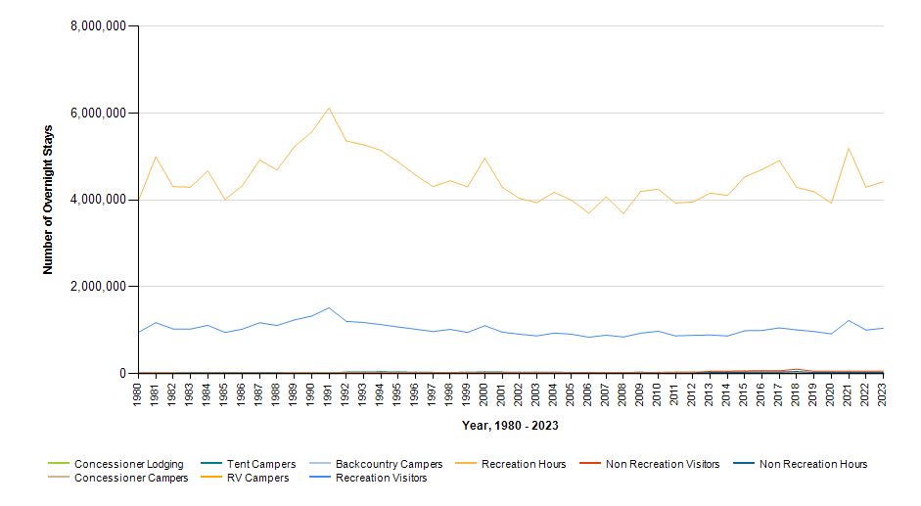

 |  | Year | Concessioner Lodging | Concessioner Campers | Tent Campers | RV Campers | Backcountry Campers | Recreation Visitors | Recreation Visitor Hours | Non Recreation Visitors | Non Recreation Visitor Hours
 |  | 2023 | 10,841 | 11,734 | 3,262 | 910 | 1,417 | 1,046,400 | 4,418,935 | 55,984 | 27,992
 |  | 2022 | 10,375 | 14,929 | 2,710 | 590 | 2,319 | 1,006,809 | 4,297,631 | 55,984 | 27,992
 |  | 2021 | 10,668 | 16,607 | 3,194 | 688 | 3,534 | 1,224,226 | 5,190,774 | 55,984 | 27,992
 |  | 2020 | 7,324 | 13,109 | 3,739 | 690 | 4,514 | 916,932 | 3,928,547 | 55,984 | 27,992
 |  | 2019 | 7,092 | 19,820 | 3,490 | 930 | 2,493 | 970,998 | 4,192,793 | 55,984 | 27,992
 |  | 2018 | 9,375 | 13,830 | 2,920 | 778 | 2,926 | 1,008,942 | 4,292,825 | 105,109 | 52,554
 |  | 2017 | 9,646 | 48,157 | 4,930 | 859 | 2,433 | 1,054,325 | 4,908,225 | 67,459 | 33,730
 |  | 2016 | 9,875 | 47,131 | 7,934 | 1,500 | 1,410 | 996,263 | 4,703,459 | 70,721 | 35,360
 |  | 2015 | 9,474 | 39,444 | 4,627 | 856 | 1,445 | 989,354 | 4,531,214 | 65,911 | 32,956
 |  | 2014 | 9,087 | 38,088 | 8,622 | 2,740 | 1,419 | 868,094 | 4,106,567 | 59,891 | 29,946
 |  | 2013 | 6,169 | 37,381 | 9,318 | 2,071 | 1,429 | 892,372 | 4,158,056 | 55,704 | 27,852
 |  | 2012 | 6,388 | 32,489 | 2,182 | 350 | 979 | 883,406 | 3,955,172 | 18,864 | 9,432
 |  | 2011 | 7,313 | 32,485 | 2,645 | 464 | 1,578 | 870,741 | 3,930,808 | 18,864 | 9,432
 |  | 2010 | 6,424 | 23,984 | 3,542 | 783 | 1,658 | 977,778 | 4,251,417 | 18,864 | 9,432
 |  | 2009 | 5,874 | 0 | 25,388 | 12,232 | 1,410 | 933,918 | 4,197,338 | 18,864 | 9,432
 |  | 2008 | 8,358 | 0 | 14,787 | 7,949 | 613 | 845,734 | 3,689,516 | 18,864 | 9,432
 |  | 2007 | 15,852 | 0 | 16,211 | 16,506 | 710 | 886,654 | 4,073,686 | 18,864 | 9,432
 |  | 2006 | 7,297 | 0 | 17,578 | 8,284 | 397 | 840,118 | 3,695,301 | 18,864 | 9,432
 |  | 2005 | 8,045 | 0 | 18,668 | 8,751 | 654 | 909,146 | 3,995,845 | 18,864 | 9,432
 |  | 2004 | 6,737 | 0 | 24,225 | 12,149 | 879 | 936,030 | 4,178,385 | 18,864 | 9,432
 |  | 2003 | 7,995 | 0 | 25,622 | 11,153 | 384 | 871,034 | 3,938,898 | 18,864 | 9,432
 |  | 2002 | 6,502 | 0 | 23,192 | 10,766 | 540 | 908,898 | 4,036,688 | 18,864 | 9,432
 |  | 2001 | 8,019 | 0 | 27,574 | 11,279 | 692 | 955,469 | 4,297,133 | 18,864 | 9,432
 |  | 2000 | 8,363 | 0 | 30,205 | 14,869 | 859 | 1,105,824 | 4,964,253 | 18,864 | 9,432
 |  | 1999 | 8,358 | 0 | 24,977 | 15,619 | 911 | 950,453 | 4,305,138 | 18,864 | 9,432
 |  | 1998 | 6,707 | 0 | 19,370 | 11,534 | 862 | 1,021,049 | 4,443,734 | 18,864 | 9,432
 |  | 1997 | 8,901 | 0 | 21,441 | 12,479 | 1,046 | 970,696 | 4,312,097 | 18,864 | 9,432
 |  | 1996 | 7,519 | 0 | 24,696 | 14,949 | 841 | 1,024,705 | 4,572,411 | 18,864 | 9,432
 |  | 1995 | 9,139 | 0 | 29,798 | 17,000 | 756 | 1,075,569 | 4,875,087 | 18,864 | 9,432
 |  | 1994 | 8,997 | 0 | 33,751 | 17,963 | 699 | 1,130,459 | 5,145,716 | 18,864 | 9,432
 |  | 1993 | 8,674 | 0 | 28,078 | 18,860 | 341 | 1,179,458 | 5,271,311 | 18,864 | 9,432
 |  | 1992 | 8,640 | 0 | 27,097 | 18,999 | 279 | 1,205,297 | 5,360,804 | 18,864 | 9,432
 |  | 1991 | 8,112 | 0 | 5,602 | 4,576 | 220 | 1,518,396 | 6,120,660 | 12,000 | 6,000
 |  | 1990 | 7,765 | 0 | 15,242 | 12,292 | 124 | 1,326,475 | 5,566,480 | 12,000 | 6,000
 |  | 1989 | 7,859 | 0 | 15,382 | 12,308 | 113 | 1,237,956 | 5,228,146 | 12,000 | 6,000
 |  | 1988 | 7,050 | 0 | 13,485 | 9,599 | 115 | 1,110,040 | 4,691,842 | 12,000 | 12,264
 |  | 1987 | 6,811 | 0 | 10,552 | 10,993 | 82 | 1,174,398 | 4,921,410 | 12,000 | 12,768
 |  | 1986 | 5,929 | 0 | 10,537 | 11,244 | 188 | 1,025,630 | 4,334,782 | 12,000 | 11,652
 |  | 1985 | 5,168 | 0 | 10,436 | 9,915 | 106 | 950,242 | 4,013,446 | 12,000 | 13,392
 |  | 1984 | 4,960 | 0 | 11,036 | 11,122 | 70 | 1,113,675 | 4,669,587 | 12,000 | 14,832
 |  | 1983 | 4,299 | 0 | 10,925 | 8,901 | 134 | 1,026,981 | 4,297,122 | 12,000 | 15,840
 |  | 1982 | 3,982 | 0 | 9,610 | 10,359 | 104 | 1,030,484 | 4,307,467 | 12,000 | 8,580
 |  | 1981 | 3,822 | 0 | 14,220 | 15,756 | 391 | 1,175,952 | 4,995,449 | 12,000 | 6,252
 |  | 1980 | 3,010 | 0 | 15,810 | 12,170 | 938 | 952,652 | 3,989,052 | 12,000 | 6,044

