Comparing tables
Credit Score |  |  |  |  | Country |  |  |  |  | B alance
 | Credit Quality (Stayed) |  | Credit Quality (Leave) |  |  | Countries (Stay) |  | Countries (Leave) |  |  | Balance (Stay) |  | Balance (Leave)
Credit Quality | Count of Credit Score | Percentage of credit score | Count of Credit Score | Percentage of Credit Score | Country | Count of Countries | Percentage of countries | Count of Country | Percentage of Countries | Balance | Count of Balance | Percentage of Balance | Count of Balance | Percentage of Balance
Bad | 88 | 11% | 28 | 14% | France | 403 | 51% | 77 | 38% | 0.00 € | 293 | 37.23% | 56 | 27%
Regular | 496 | 63% | 129 | 63% | Germany | 182 | 23% | 75 | 37% | Low Balance | 39 | 4.96% | 9 | 4%
Good | 203 | 26% | 47 | 23% | Spain | 202 | 26% | 52 | 25% | Mid-Balance | 239 | 30.37% | 67 | 33%
Grand Total | 787 | 100% | 204 | 100% | Grand Total | 787 | 100% | 204 | 100% | High Balance | 216 | 27.45% | 72 | 35%
 |  |  |  |  |  |  |  |  |  | Grand Total | 787 | 100.00% | 204 | 100%

Age
 |  |  |  |  | Age
Gender |  |  |  |  |  | Age (Stay) |  | Age (Leave)
 | Gender (Stay) |  | Gender (Leave) |  | Age | Count of Age | Percentage of Age | Count of Age | Percentage of Age
Gender | Count of Gender | Percentage of Gender | Count of Gender | Percentage of Gender | Adult | 535 | 68% | 60 | 29%
Female | 342 | 43% | 121 | 59% | Middle-Aged Adult | 230 | 29% | 139 | 68%
Male | 445 | 57% | 83 | 41% | Senior Adult | 22 | 3% | 5 | 2%
Grand Total | 787 | 100% | 204 | 100% | Grand Total | 787 | 100% | 204 | 100%

 |  |  |  |  | Has Credit Card?
Tenure |  |  |  |  |  | Has Credit Card? (Stay) |  | Has Credit Card? (Leave)
 | Tenure (Stay) |  | Tenure (Leave) |  | HasCrCard | Count of HasCrCard? | Percentage of HasCrCard | Count of HasCrCard? | Count of HasCrCard?2
Tenure | Count of Tenure | Percentage of Tenure | Count of Tenure | Percentage of Tenure | 0 | 231 | 29% | 60 | 29%
0 | 32 | 4% | 6 | 3% | 1 | 556 | 71% | 144 | 71%
1 | 73 | 9% | 30 | 15% | Grand Total | 787 | 100% | 204 | 100%
2 | 83 | 11% | 27 | 13% | *0=No 1=Yes
3 | 81 | 10% | 20 | 10%
4 | 69 | 9% | 17 | 8%
5 | 80 | 10% | 20 | 10% | Is Member Active
6 | 73 | 9% | 21 | 10% |  | Is Active Member? (Stay) |  | Is Active Member? (Leave)
7 | 78 | 10% | 15 | 7% |  | Count of IsActiveMember | Count of IsActiveMember2 | Count of IsActiveMember | Count of IsActiveMember2
8 | 88 | 11% | 20 | 10% | Inactive | 345 | 44% | 143 | 70%
9 | 87 | 11% | 21 | 10% | Active | 442 | 56% | 61 | 30%
10 | 43 | 5% | 7 | 3% | Grand Total | 787 | 100% | 204 | 100%
Grand Total | 787 | 100% | 204 | 100% | *0=No (Inactive) 1=Yes (Active)

Is an active member?

Number of Products |  |  |  |  | Estimated Salary
 |  | Number of Products (Stay) |  | Number of Products (Leave) |  | Estimated Salary (Stay) |  | Estimated Salary (Leave)
 | Count of NumOfProducts | Percentage of NumOfProducts | Count of NumOfProducts | Percentage of NumOfProducts | Row Labels | Count of Estimated Salary | Percentage of Estimated Salary | Count of Estimated Salary | Percentage of Estimated Salary
1 | 368 | 47% | 142 | 70% | 0 - 50.000 | 193 | 25% | 57 | 28%
2 | 414 | 53% | 32 | 16% | 50.000 - 100.000 | 208 | 26% | 45 | 22%
3 | 5 | 1% | 28 | 14% | 100.000 - 150.000 | 207 | 26% | 53 | 26%
4 | - | - | 2 | 1% | 150.000 - 200.000 | 179 | 23% | 49 | 24%
Grand Total | 787 | 100% | 204 | 100% | Grand Total | 787 | 100% | 204 | 100%

Number of Products of the clients who left
 |  |  | Number of Products (Stay) | Number of Products (Leave)
 |  |  | Percentage of NumOfProducts | Percentage of NumOfProducts
 |  | 1 | 47% | 70%
 |  | 2 | 53% | 16%
 |  | 3 | 1% | 14%
 |  | 4 | - | 1%
 |  | Grand Total | 100% | 100%

Number of products of clients who stayed

Sheet8
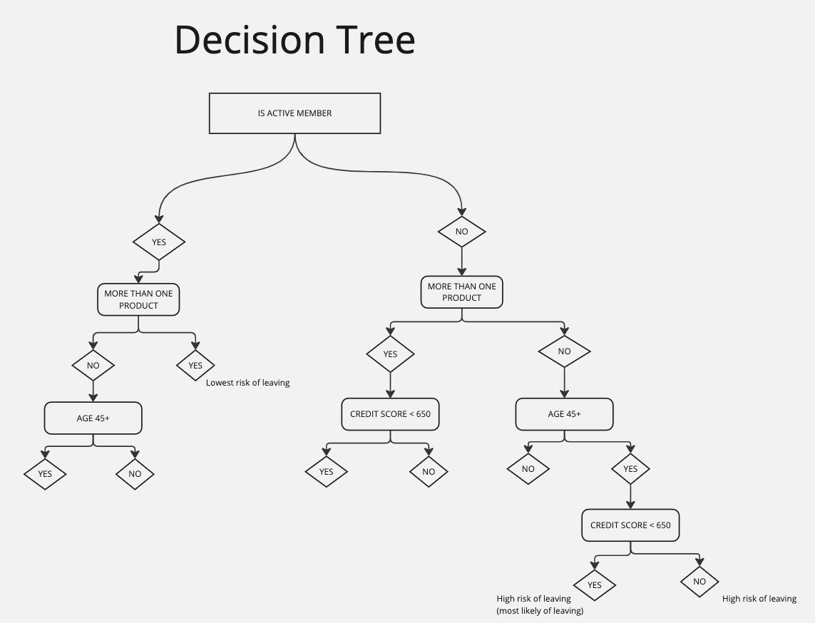
DECISION TREE

