Data
REPORT
Report Time: 2025-02-21 22:30:42

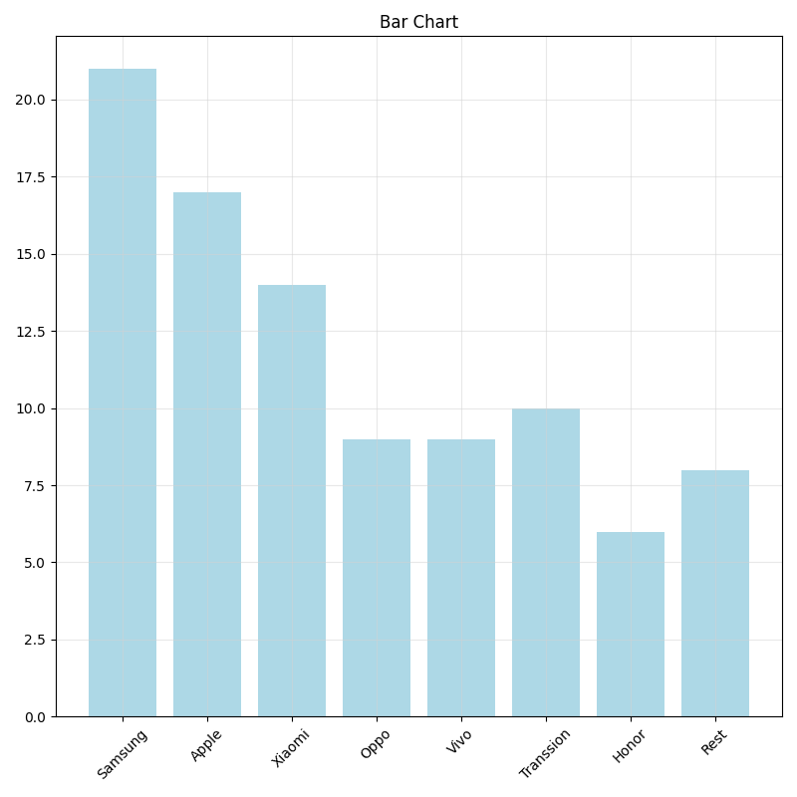
Brand | Market Share
Samsung | 21
Apple | 17
Xiaomi | 14
Oppo | 9
Vivo | 9
Transsion | 10
Honor | 6
Rest | 8

