Sheet3
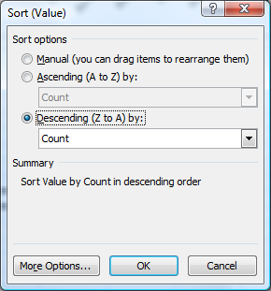
 |  |  |  |  |  | Name | Count
Moore, Barnes, Torres, Moore, Ward | Moore | Barnes | Torres | Moore | Ward | Moore | 10
Martin, Ward, Smith, Smith, Torres | Martin | Ward | Smith | Smith | Torres | Torres | 9
Lee, Morris, Torres, Lee, Moore | Lee | Morris | Torres | Lee | Moore | Lee | 9
Barnes, Moore, Smith, Perez, Ward | Barnes | Moore | Smith | Perez | Ward | Smith | 8
Moore, Torres, Morris, Bennett, Barnes | Moore | Torres | Morris | Bennett | Barnes | Bennett | 7
Torres, Lee, Lee, Morris, Smith | Torres | Lee | Lee | Morris | Smith | Barnes | 6
Bennett, Morris, Martin, Moore, Martin | Bennett | Morris | Martin | Moore | Martin | Ward | 6
Martin, Lee, Smith, Smith, Smith | Martin | Lee | Smith | Smith | Smith | Morris | 6
Lee, Rodriguez, Bennett, Moore, Morris | Lee | Rodriguez | Bennett | Moore | Morris | Martin | 4
Perez, Ward, Ward, Bennett, Perez | Perez | Ward | Ward | Bennett | Perez | Perez | 4
Bennett, Moore, Lee, Torres, Moore | Bennett | Moore | Lee | Torres | Moore | Rodriguez | 1
Lee, Barnes, Bennett, Bennett, Ward | Lee | Barnes | Bennett | Bennett | Ward | Grand Total | 70
Perez, Barnes, Lee, Moore, Morris | Perez | Barnes | Lee | Moore | Morris
Smith, Torres, Torres, Torres, Barnes | Smith | Torres | Torres | Torres | Barnes

