Overview_AUX
Overview AUX control K2

AUX1, OFFSET, AUX2, AUX4 (EMEA)
OFFSET ROCKER SWITCH
Left
OFFSET ROCKER SWITCH
Right


LH CONSOLE
Flow Setting
AUX2
RH CONSOLE Flow Setting
AUX4
LH CONSOLE
Flow Setting
AUX2
RH CONSOLE Flow Setting
AUX4
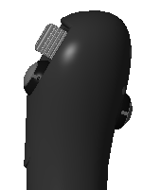
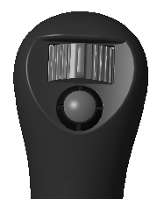
HORN
LH JSTK
OFFSET / AUX2
OFFSET / AUX2
AUX1 / AUX4
DETENT
AUX1 / AUX4
RH JSTK
HORN
LH JSTK
AUX4 / AUX2
AUX4 / AUX2
OFFSET / AUX1
DETENT
OFFSET / AUX1
RH JSTK

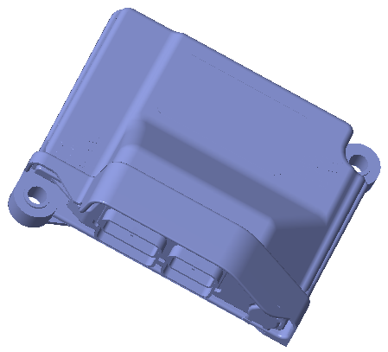
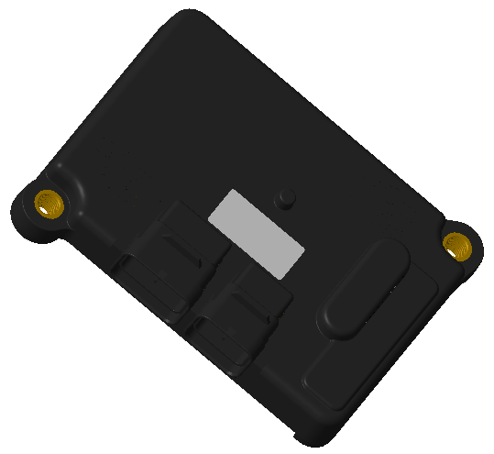
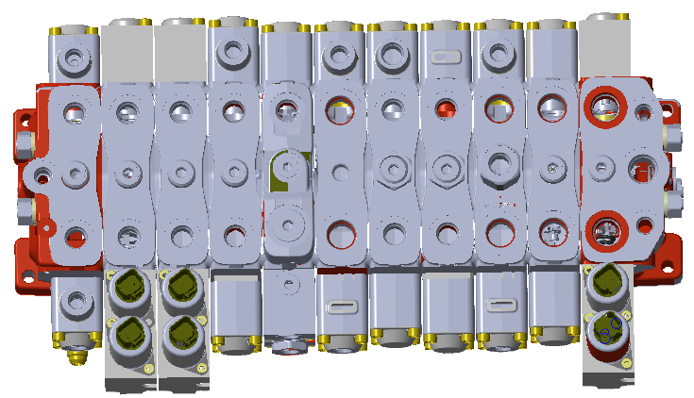
PRIMARY CONTRL
SECONDARY CONTRL
VALVE
AUX1
OFFSET/ AUX2
AUX4
AUX4
AUX1

 |  | Elec signals

 |  | Hydraulic

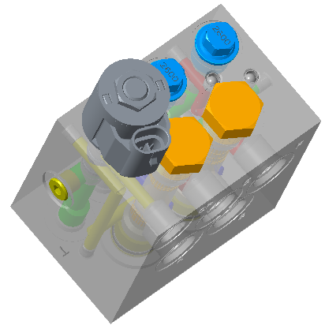
DIVERTER Offset/AUX2

OFFSET/AUX2

INTERFACE OPERATOR

 | AUX1 and Modes - as today
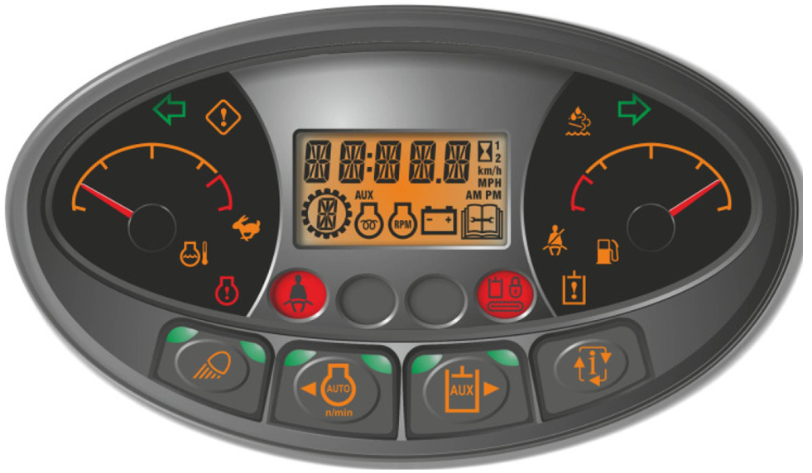

 | Example of showing selected configuration
 | LH paddle - OFFSET
 | RH paddle - AUX1 primary
OF
A1

Review_matrix_OPTC
Control MATRIX - Option C - AUX1, AUX2, AUX4
 | Variant | Offset Rocker Switch | Left Thumb Button LTB | Right Thumb Button RTB | Left Paddle | Flow seeting | Right Paddle | Flow seeting | RH Trigger- Detent | Panel Display |  | Comments
Default | 1 | Left | 1 | 1 | Offset | As today - 1 curve | AUX1 Primary | Modes as today | active | OF: | A1 | Default - Offset rocket switch Left
 | 2 | Left | 1 | 2 | Offset | As today | AUX4 | Pot - RH Console | not active | OF: | A4
 | 3 | Left | 2 | 1 | AUX2 | Pot - LH Console | AUX1 Primary | Modes as today | active | A2: | A1
 | 4 | Left | 2 | 2 | AUX2 | Pot - LH Console | AUX4 | Pot - RH Console | not active | A2: | A4
Default | 5 | Right | 1 | 1 | AUX4 | Pot - RH Console | Offset | As today - 1 curve | not active | A4: | OF | Default - Offset rocket switch Right
 | 6 | Right | 1 | 2 | AUX4 | Pot - RH Console | AUX1 Primary | Modes as today | active | A4: | A1
 | 7 | Right | 2 | 1 | AUX2 | Pot - LH Console | Offset | As today - 1 curve | not active | A2: | OF | Not possible configuration - same section in MCV
 | 8 | Right | 2 | 2 | AUX2 | Pot - LH Console | AUX1 Primary | Modes as today | active | A2: | A1
General rules
Blue Background |  |  | Naming of components
Green Background |  |  | Control item can be used
Red Backgorund |  |  | Control item is not active

PWM AUX coil in Error |  |  |  |  |  |  |  |  |  | Primary Controller |  | Description | Secondary Controller
 | Error code, 3x beeping, AUX disable |  |  |  |  |  |  |  |  |  |  | Offset rocker switch | J2A-28 | DIN09 | Low Offset LH paddle, High Offset RH paddle
 | When OK -> press AUX button at Standard panel to enable AUX |  |  |  |  |  |  |  |  | J1A-31 | DIN08 | Left Thumb Button
 |  |  |  |  |  |  |  |  |  | J1B-10 | AIN09 | Left Paddle Input | J2B-18 | AIN05 | If neccesary/more handy having in both
PWM Offset coil in Error |  |  |  |  |  |  |  |  |  | J1A-31 | DIN08 | Right Thumb Button
 | Error code, 3x beeping, Offset/AUX disable |  |  |  |  |  |  |  |  | J1A-12 | AIN13 | Right Paddle Input | J2A-20 | AIN10 | If neccesary/more handy having in both
 | When OK -> Key cycle to clear codes/enabling Offset section control |  |  |  |  |  |  |  |  | J1A-29 | DIN12 | Detent
 |  |  |  |  |  |  |  |  |  | J1A-33 | AIN03_DIN03 | AUX2 flow setting |  |  | Can hadle rezistive input? Possible range? Example 22 ohms till 10Mohm is OK? With input 0.5 till 4.5V should be OK, right?
Diverter (Offset/AUX2) coil in error |  |  |  |  |  |  |  |  |  |  |  | AUX4 flow setting | J2A-11 | AIN12 | Can hadle rezistive input? Possible range? Example 22 ohms till 10Mohm is OK? With input 0.5 till 4.5V should be OK, right?
 | Error code, 3x beeping, Offset/AUX disable |  |  |  |  |  |  |  |  | J1B-19 | HC_HSD6 | AUX1 Base Coil
 | When OK -> Key cycle to clear codes/enabling Offset section control |  |  |  |  |  |  |  |  | J1A-18 | HC_LSD4 | AUX1 Base Coil RETRUN
 |  |  |  |  |  |  |  |  |  | J1B-13 | HC_HSD5 | AUX1 Rod Coil
Control paddle |  |  |  |  |  |  |  |  |  | J1A-01 | HC_LSD2 | AUX1 Rod Coil RETRUN
 | Bascilly check neutral position during console down & switching over |  |  |  |  |  |  |  |  | J1B-07 | HC_HSD4 | Offset/AUX2 Base Coil
 | When not in neutral - Again AUX/Offset disable |  |  |  |  |  |  |  |  | J1A-10 | HC_LSD3 | Offset/AUX2 Base Coil RETURN
 | When OK -> AUX button for enabling AUX |  |  |  |  |  |  |  |  | J1B-05 | HC_HSD2 | Offset/AUX2 Rod Coil
 | When OK -> Key cycle for enabling Offset |  |  |  |  |  |  |  |  | J1A-02 | HC_LSD1 | Offset/AUX2 Rod Coil RETURN
 |  |  |  |  |  |  |  |  |  |  |  | AUX4 Base Coil | J2B-19 | HC_HSD6
Offset rocker switch switching over |  |  |  |  |  |  |  |  |  |  |  | AUX4 Base Coil RETURN | J2A-18 | HC_LSD4
PICK MORE HANDY SOLUTION
 | Aux disable |  |  |  |  |  |  |  |  |  |  | AUX4 Rod Coil | J2B-13 | HC_HSD5
 | After press AUX button to enable AUX |  |  |  |  |  |  |  |  |  |  | AUX4 Rod Coil RETURN | J2A-01 | HC_LSD2
 | OR |  |  |  |  |  |  |  |  | J1B-25 | HC_HSD8 | Diverter Offset/AUX2 coil
 | AUX&Offset disable. |  |  |  |  |  |  |  |  | J1A-27 | HC_LSD6 | Diverter Offset/AUX2 coil RETURN
 | After press AUX button to enable AUX & Offset

AUX2, AUX4 potentiometer out of range - in error
 | Preset max flow for relevant AUX

Thumb button press signal
 | From 1 till 2 -> 2x beep
 | From 2 till 1 -> 1x beep

Variant 1 - DEFAULT machine start with Offset Rocker Switch LEFT
 | Default when Offset rocker switch is switched LEFT or Start machine with rocker swith in LEFT

 | Steps how to get to this variant
 |  | Start machine + Offset rocker switch in LEFT
 |  |  | Key RUN -> Key Start -> AUX Disable, Offset enabled -> Display OF -> press AUX button (Enable AUX)-> Display OF:A1 -> Modes and Detent can be activated as today

PICK MORE HANDY SOLUTION
 |  | Press Offset rocker switch to LEFT (from whatsoever version)
 |  |  | press Offset LEFT -> Longer Beep -> AUX Disable (AUX lamp flashing), Offset enabled -> Display OF: -> press AUX button (Enable AUX)-> Display OF:A1, AUX lamp ON
 |  |  | OR
 |  |  | press Offset LEFT -> Longer Beep -> AUX Disable (AUX lamp flashing), Offset Disable -> Display nothing -> press AUX button (Enable AUX and Offset)-> Display OF:A1, AUX lamp ON

 | From Variant 4 (A2:A4) - Example
 |  | Press Left Thumb Button -> Slight delay (setable in CD) -> 1x Beep -> Display OF:A4
 |  | Neccesery meets All checks (Left paddle, Diverter valve/coil) before goes to this variant
 |  | Press Right Thumb Button -> Slight delay (setable in CD) -> 1x Beep -> Display OF:A1 -> Modes and Detent can be activated as today
 |  | Neccesery meets All checks (Right paddle) before goes to this variant

OFFSET ROCKER SWITCH
Left
OF
A1
 |  |  |  |  |  |  |  |  |  |  |  |  | Temporary & after x press Info Button

HORN
LH JSTK
OFFSET
press to AUX2
press to AUX4
DETENT
AUX1
RH JSTK

press AUX to set AUX1 Flow Mode
 |  |  |  |  |  |  |  |  |  |  |  |  | AUX1 Flow setting - MODES
3

Variant 2
 | Steps how to get to this variant from DEFAULT (Variant 1) ->
 |  | Press Right Thumb Button -> Slight delay (setable in CD) -> 2x Beep -> Display OF:A4
 |  | Neccesery meets All checks (Right paddle) before goes to this variant
 |  | AUX4 pot position -> read value and sets max flow for AUX4

OFFSET ROCKER SWITCH
Left
 |  |  |  |  |  |  |  |  |  |  |  |  | Temporary & after x press Info Button
OF
A4

AUX4
Flow Setting
AUX4

HORN
LH JSTK
OFFSET
press to AUX2
press to AUX1
AUX4
RH JSTK

 |  |  |  |  |  |  |  |  |  |  |  |  | AUX1 Flow setting - MODES

Variant 3
 | Steps how to get to this variant from DEFAULT (Variant 1) ->
 |  | Press Left Thumb Button -> Slight delay (setable in CD) -> 2x Beep -> Display A2:A1 -> Modes and Detent can be activated as today
 |  | Neccesery meets All checks (Left paddle, Diverter valve/coil) before goes to this variant
 |  | AUX2 pot position -> read value and sets max flow for AUX2

OFFSET ROCKER SWITCH
Left
 |  |  |  |  |  |  |  |  |  |  |  |  | Temporary & after x press Info Button
A2
A1

AUX2
Flow Setting
AUX2

HORN
LH JSTK
AUX2
press to Offset
press to AUX4
DETENT
AUX1
RH JSTK

press AUX to set AUX1 Flow Mode
 |  |  |  |  |  |  |  |  |  |  |  |  | AUX1 Flow setting - MODES
3

Variant 4
 | Steps how to get to this variant from DEFAULT (Variant 1) ->
 |  | Press Left Thumb Button -> Slight delay (setable in CD) -> 2x Beep -> Display A2:A1 -> Modes and Detent can be activated as today
 |  | Neccesery meets All checks (Left paddle, Diverter valve/coil) before goes to this variant
 |  | AUX2 pot position -> read value and sets max flow for AUX2
 |  | Press Right Thumb Button -> Slight delay (setable in CD) -> 2x Beep -> Display A2:A4
 |  | Neccesery meets All checks (Right paddle) before goes to this variant
 |  | AUX4 pot position -> read value and sets max flow for AUX4

 |  | Does not matter order of pressing Thumb button -> it can be vice versa

OFFSET ROCKER SWITCH
Left
 |  |  |  |  |  |  |  |  |  |  |  |  | Temporary & after x press Info Button
A2
A4

AUX2
Flow Setting
AUX2
AUX4
Flow Setting
AUX4

HORN
LH JSTK
AUX2
press to Offset
press to AUX1
AUX4
RH JSTK

 |  |  |  |  |  |  |  |  |  |  |  |  | AUX1 Flow setting - MODES

Variant 5 - DEFAULT machine start with Offset Rocker Switch RIGHT
 | Default when Offset rocker switch is switched RIGHT or Start machine with rocker swith in RIGHT

 | Steps how to get to this variant
 |  | Start machine + Offset rocker switch in RIGHT
 |  |  | Key RUN -> Key Start -> AUX Disable, Offset enabled -> Display OF -> press AUX button (Enable AUX) -> Display A4:OF
 |  | Press Offset rocker switch to RIGHT (from whatsoever version)
PICK MORE HANDY SOLUTION
 |  |  | press Offset Right -> Longer Beep -> AUX Disable (AUX lamp flashing), Offset enabled -> Display :OF -> press AUX button (Enable AUX)-> Display A4:OF, AUX lamp ON
 |  |  | OR
 |  |  | press Offset Right -> Longer Beep -> AUX Disable (AUX lamp flashing), Offset Disable -> Display nothing -> press AUX button (Enable AUX and Offset)-> Display A4:OF, AUX lamp ON

 | From Variant 8 (A2:A1) - Example
 |  | Press Left Thumb Button -> Slight delay (setable in CD) -> 1x Beep -> Display A4:A1 -> Modes and Detent can be activated as today
 |  | Neccesery meets All checks (Left paddle) before goes to this variant
 |  | Press Right Thumb Button -> Slight delay (setable in CD) -> 1x Beep -> Display A4:OF
 |  | Neccesery meets All checks (Right paddle, Diverter valve/coil) before goes to this variant

 | Cannot be pressed Left Thumb Button -> can not be activated AUX2
 |  | press Left Thumb Button -> Beep (Warning) -> Display A4:OF (present variant, no change anything, just warning you are doing something not allowed)+C58

OFFSET ROCKER SWITCH
Right
 |  |  |  |  |  |  |  |  |  |  |  |  | Temporary & after x press Info Button
A4
OF

AUX4
Flow Setting
AUX4
 |  |  |  |  |  |  | Ramecek na switch
HORN
LH JSTK
AUX4
press to AUX2
press to AUX1
Offset
RH JSTK

 |  |  |  |  |  |  |  |  |  |  |  |  | AUX1 Flow setting - MODES

Variant 6
 | Steps how to get to this variant from DEFAULT (Variant 5) ->
 |  | Press Right Thumb Button -> Slight delay (setable in CD) -> 2x Beep -> Display A4:A1 -> Modes and Detent can be activated as today
 |  | Neccesery meets All checks (Right paddle) before goes to this variant
 |  | AUX4 pot position -> read value and sets max flow for AUX4

OFFSET ROCKER SWITCH
Right
 |  |  |  |  |  |  |  |  |  |  |  |  | Temporary & after x press Info Button
A4
A1

AUX4
Flow Setting
AUX4

HORN
LH JSTK
AUX4
press to AUX2
press to Offset
AUX1
RH JSTK

press AUX to set AUX1 Flow Mode
DETENT
 |  |  |  |  |  |  |  |  |  |  |  |  | AUX1 Flow setting - MODES
3

Variant 7

NOT ALLOWED VARIANT
OFFSET ROCKER SWITCH
Right

 |  |  |  |  |  |  |  |  |  |  |  |  | Temporary & after x press Info Button

A2
OF
HORN
LH JSTK
AUX2
Offset
RH JSTK

Variant 8
 | Steps how to get to this variant from DEFAULT (Variant 5) ->
 |  | Press Right Thumb Button -> Slight delay (setable in CD) -> 2x Beep -> Display A4:A1 -> Modes and Detent can be activated as today
 |  | Neccesery meets All checks (Right paddle) before goes to this variant
 |  | Press Left Thumb Button -> Slight delay (setable in CD) -> 2x Beep -> Display A2:A1 -> Modes and Detent can be activated as today
 |  | Neccesery meets All checks (Left paddle, Diverter valve/coil) before goes to this variant

 | Order has to be followed. Can not be switched in oposite direction A2:OF -> A2:A1. Never is allowed combination A2:OF. If do so -> Beep (Warning) -> Display shows present variant (whatever it was before).

 | Cannot be pressed Right Thumb Button -> can not be activated Offset
 |  | press Right Thumb Button -> Beep (Warning) -> Display A2:A1 (present variant no change anything, just warning you are doing something not allowed)

OFFSET ROCKER SWITCH
Right
 |  |  |  |  |  |  |  |  |  |  |  |  | Temporary & after x press Info Button
A2
A1

AUX2
Flow Setting
AUX2
HORN
LH JSTK
AUX2
AUX1
RH JSTK

press AUX to set AUX1 Flow Mode
DETENT
 |  |  |  |  |  |  |  |  |  |  |  |  | AUX1 Flow setting - MODES
3

press to AUX4
press to Offset

Matrix OPTA
Control MATRIX - Option A - AUX1 & AUX2
 | Variant | Offset Rocker Switch | Left Thumb Button LTB | Right Thumb Button RTB | Left Paddle | Flow seeting | Right Paddle | Flow seeting | RH Trigger- Detent | Panel Display |  | Comments
Default | 1 | NA | 1 | NA | Offset | As today - 1 curve | AUX1 Primary | Modes as today | active | OF: | A1
 | 2 | NA | 2 | NA | AUX2 | Pot - LH Console | AUX1 Primary | Modes as today | active | A2: | A1

 |  |  |  |  |  |  |  |  |  | Primary Controller |  | Description
 |  |  |  |  |  |  |  |  |  |  |  | Offset rocker switch
 |  |  |  |  |  |  |  |  |  | J1A-31 | DIN08 | Left Thumb Button
 |  |  |  |  |  |  |  |  |  | J1B-10 | AIN09 | Left Paddle Input
 |  |  |  |  |  |  |  |  |  | J1A-31 | DIN08 | Right Thumb Button
 |  |  |  |  |  |  |  |  |  | J1A-12 | AIN13 | Right Paddle Input
 |  |  |  |  |  |  |  |  |  | J1A-29 | DIN12 | Detent
 |  |  |  |  |  |  |  |  |  | J1A-33 | AIN03_DIN03 | AUX2 flow setting
 |  |  |  |  |  |  |  |  |  |  |  | AUX4 flow setting
 |  |  |  |  |  |  |  |  |  | J1B-19 | HC_HSD6 | AUX1 Base Coil
 |  |  |  |  |  |  |  |  |  | J1A-18 | HC_LSD4 | AUX1 Base Coil RETRUN
 |  |  |  |  |  |  |  |  |  | J1B-13 | HC_HSD5 | AUX1 Rod Coil
 |  |  |  |  |  |  |  |  |  | J1A-01 | HC_LSD2 | AUX1 Rod Coil RETRUN
 |  |  |  |  |  |  |  |  |  | J1B-07 | HC_HSD4 | Offset/AUX2 Base Coil
 |  |  |  |  |  |  |  |  |  | J1A-10 | HC_LSD3 | Offset/AUX2 Base Coil RETURN
 |  |  |  |  |  |  |  |  |  | J1B-05 | HC_HSD2 | Offset/AUX2 Rod Coil
 |  |  |  |  |  |  |  |  |  | J1A-02 | HC_LSD1 | Offset/AUX2 Rod Coil RETURN
 |  |  |  |  |  |  |  |  |  |  |  | AUX4 Base Coil
 |  |  |  |  |  |  |  |  |  |  |  | AUX4 Base Coil RETURN
 |  |  |  |  |  |  |  |  |  |  |  | AUX4 Rod Coil
 |  |  |  |  |  |  |  |  |  |  |  | AUX4 Rod Coil RETURN
 |  |  |  |  |  |  |  |  |  | J1B-25 | HC_HSD8 | Diverter Offset/AUX2 coil
 |  |  |  |  |  |  |  |  |  | J1A-27 | HC_LSD6 | Diverter Offset/AUX2 coil RETURN

Variant 1 - DEFAULT machine start
 | Default when Start machine

 | Steps how to get to this variant
 |  | Start machine
 |  |  | Key RUN -> Key Start -> AUX Disable, Offset enabled -> Display OF -> press AUX button (Enable AUX)-> Display OF:A1 -> Modes and Detent can be activated as today

 | From Variant 2 (A2:A1) - Example
 |  | Press Left Thumb Button -> Slight delay (setable in CD) -> 1x Beep -> Display OF:A1
 |  | Neccesery meets All checks (Left paddle, Diverter valve/coil) before goes to this variant

OF
A1
 |  |  |  |  |  |  |  |  |  |  |  |  | Temporary & after x press Info Button

HORN
LH JSTK
OFFSET
press to AUX2
DETENT
AUX1
RH JSTK

press AUX to set AUX1 Flow Mode
 |  |  |  |  |  |  |  |  |  |  |  |  | AUX1 Flow setting - MODES
3

Variant 2
 | Steps how to get to this variant from DEFAULT (Variant 1) ->
 |  | Press Left Thumb Button -> Slight delay (setable in CD) -> 2x Beep -> Display A2:A1 -> Modes and Detent can be activated as today
 |  | Neccesery meets All checks (Left paddle, Diverter valve/coil) before goes to this variant
 |  | AUX2 pot position -> read value and sets max flow for AUX2

 |  |  |  |  |  |  |  |  |  |  |  |  | Temporary & after x press Info Button
A2
A1

AUX2
Flow Setting
AUX2

HORN
LH JSTK
AUX2
press to Offset
DETENT
AUX1
RH JSTK

press AUX to set AUX1 Flow Mode
 |  |  |  |  |  |  |  |  |  |  |  |  | AUX1 Flow setting - MODES
3

Matrix OPTB
Control MATRIX - Option B - AUX1, AUX4
 | Variant | Offset Rocker Switch | Left Thumb Button LTB | Right Thumb Button RTB | Left Paddle | Flow seeting | Right Paddle | Flow seeting | RH Trigger- Detent | Panel Display |  | Comments
Default | 1 | Left | NA | 1 | Offset | As today - 1 curve | AUX1 Primary | Modes as today | active | OF: | A1 | Default - Offset rocker switch Left
 | 2 | Left | NA | 2 | Offset | As today | AUX4 | Pot - RH Console | not active | OF: | A4
Default | 3 | Right | NA | 1 | AUX4 | Pot - RH Console | Offset | As today - 1 curve | not active | A4: | OF | Default - Offset rocker switch Right
 | 4 | Right | NA | 2 | AUX4 | Pot - RH Console | AUX1 Primary | Modes as today | active | A4: | A1

 |  |  |  |  |  |  |  |  |  | Primary Controller |  | Description | Secondary Controller
 |  |  |  |  |  |  |  |  |  |  |  | Offset rocker switch | J2A-28 | DIN09 | Low Offset LH paddle, High Offset RH paddle
 |  |  |  |  |  |  |  |  |  | J1A-31 | DIN08 | Left Thumb Button
 |  |  |  |  |  |  |  |  |  | J1B-10 | AIN09 | Left Paddle Input | J2B-18 | AIN05 | If neccesary/more handy having in both
 |  |  |  |  |  |  |  |  |  | J1A-31 | DIN08 | Right Thumb Button
 |  |  |  |  |  |  |  |  |  | J1A-12 | AIN13 | Right Paddle Input | J2A-20 | AIN10 | If neccesary/more handy having in both
 |  |  |  |  |  |  |  |  |  | J1A-29 | DIN12 | Detent
 |  |  |  |  |  |  |  |  |  | J1A-33 | AIN03_DIN03 | AUX2 flow setting |  |  | Can hadle rezistive input? Possible range? Example 22 ohms till 10Mohm is OK? With input 0.5 till 4.5V should be OK, right?
 |  |  |  |  |  |  |  |  |  |  |  | AUX4 flow setting | J2A-11 | AIN12 | Can hadle rezistive input? Possible range? Example 22 ohms till 10Mohm is OK? With input 0.5 till 4.5V should be OK, right?
 |  |  |  |  |  |  |  |  |  | J1B-19 | HC_HSD6 | AUX1 Base Coil
 |  |  |  |  |  |  |  |  |  | J1A-18 | HC_LSD4 | AUX1 Base Coil RETRUN
 |  |  |  |  |  |  |  |  |  | J1B-13 | HC_HSD5 | AUX1 Rod Coil
 |  |  |  |  |  |  |  |  |  | J1A-01 | HC_LSD2 | AUX1 Rod Coil RETRUN
 |  |  |  |  |  |  |  |  |  | J1B-07 | HC_HSD4 | Offset/AUX2 Base Coil
 |  |  |  |  |  |  |  |  |  | J1A-10 | HC_LSD3 | Offset/AUX2 Base Coil RETURN
 |  |  |  |  |  |  |  |  |  | J1B-05 | HC_HSD2 | Offset/AUX2 Rod Coil
 |  |  |  |  |  |  |  |  |  | J1A-02 | HC_LSD1 | Offset/AUX2 Rod Coil RETURN
 |  |  |  |  |  |  |  |  |  |  |  | AUX4 Base Coil | J2B-19 | HC_HSD6
 |  |  |  |  |  |  |  |  |  |  |  | AUX4 Base Coil RETURN | J2A-18 | HC_LSD4
 |  |  |  |  |  |  |  |  |  |  |  | AUX4 Rod Coil | J2B-13 | HC_HSD5
 |  |  |  |  |  |  |  |  |  |  |  | AUX4 Rod Coil RETURN | J2A-01 | HC_LSD2
 |  |  |  |  |  |  |  |  |  | J1B-25 | HC_HSD8 | Diverter Offset/AUX2 coil
 |  |  |  |  |  |  |  |  |  | J1A-27 | HC_LSD6 | Diverter Offset/AUX2 coil RETURN

Variant 1 - DEFAULT machine start with Offset Rocker Switch LEFT
 | Default when Offset rocker switch is switched LEFT or Start machine with rocker swith in LEFT

 | Steps how to get to this variant
 |  | Start machine + Offset rocker switch in LEFT
 |  |  | Key RUN -> Key Start -> AUX Disable, Offset enabled -> Display OF -> press AUX button (Enable AUX)-> Display OF:A1 -> Modes and Detent can be activated as today

PICK MORE HANDY SOLUTION
 |  | Press Offset rocker switch to LEFT (from whatsoever version)
 |  |  | press Offset LEFT -> Longer Beep -> AUX Disable (AUX lamp flashing), Offset enabled -> Display OF: -> press AUX button (Enable AUX)-> Display OF:A1, AUX lamp ON
 |  |  | OR
 |  |  | press Offset LEFT -> Longer Beep -> AUX Disable (AUX lamp flashing), Offset Disable -> Display nothing -> press AUX button (Enable AUX and Offset)-> Display OF:A1, AUX lamp ON

 | From Variant 2 (OF:A4) - Example
 |  | Press Right Thumb Button -> Slight delay (setable in CD) -> 1x Beep -> Display OF:A1 -> Modes and Detent can be activated as today
 |  | Neccesery meets All checks (Right paddle) before goes to this variant

OFFSET ROCKER SWITCH
Left
OF
A1
 |  |  |  |  |  |  |  |  |  |  |  |  | Temporary & after x press Info Button

HORN
LH JSTK
OFFSET
press to AUX4
DETENT
AUX1
RH JSTK

press AUX to set AUX1 Flow Mode
 |  |  |  |  |  |  |  |  |  |  |  |  | AUX1 Flow setting - MODES
3

Variant 2
 | Steps how to get to this variant from DEFAULT (Variant 1) ->
 |  | Press Right Thumb Button -> Slight delay (setable in CD) -> 2x Beep -> Display OF:A4
 |  | Neccesery meets All checks (Right paddle) before goes to this variant
 |  | AUX4 pot position -> read value and sets max flow for AUX4

OFFSET ROCKER SWITCH
Left
 |  |  |  |  |  |  |  |  |  |  |  |  | Temporary & after x press Info Button
OF
A4
AUX4
Flow Setting
AUX4

HORN
LH JSTK
OFFSET
press to AUX1
AUX4
RH JSTK

 |  |  |  |  |  |  |  |  |  |  |  |  | AUX1 Flow setting - MODES

Variant 3 - DEFAULT machine start with Offset Rocker Switch RIGHT
 | Default when Offset rocker switch is switched RIGHT or Start machine with rocker swith in RIGHT

 | Steps how to get to this variant
 |  | Start machine + Offset rocker switch in RIGHT
 |  |  | Key RUN -> Key Start -> AUX Disable, Offset enabled -> Display OF -> press AUX button (Enable AUX) -> Display A4:OF
 |  | Press Offset rocker switch to RIGHT (from whatsoever version)
PICK MORE HANDY SOLUTION
 |  |  | press Offset Right -> Longer Beep -> AUX Disable (AUX lamp flashing), Offset enabled -> Display :OF -> press AUX button (Enable AUX)-> Display A4:OF, AUX lamp ON
 |  |  | OR
 |  |  | press Offset Right -> Longer Beep -> AUX Disable (AUX lamp flashing), Offset Disable -> Display nothing -> press AUX button (Enable AUX and Offset)-> Display A4:OF, AUX lamp ON
 |  | AUX4 pot position -> read value and sets max flow for AUX4

 | From Variant 4 (A4:A1) - Example
 |  | Press Right Thumb Button -> Slight delay (setable in CD) -> 1x Beep -> Display A4:OF
 |  | Neccesery meets All checks (Right paddle) before goes to this variant

OFFSET ROCKER SWITCH
Right
 |  |  |  |  |  |  |  |  |  |  |  |  | Temporary & after x press Info Button
AUX4
Flow Setting
AUX4
A4
OF

 |  |  |  |  |  |  | Ramecek na switch
HORN
LH JSTK
AUX4
press to AUX1
Offset
RH JSTK

 |  |  |  |  |  |  |  |  |  |  |  |  | AUX1 Flow setting - MODES

Variant 4
 | Steps how to get to this variant from DEFAULT (Variant 3) ->
 |  | Press Right Thumb Button -> Slight delay (setable in CD) -> 2x Beep -> Display A4:A1 -> Modes and Detent can be activated as today
 |  | Neccesery meets All checks (Right paddle) before goes to this variant
 |  | AUX4 pot position -> read value and sets max flow for AUX4

OFFSET ROCKER SWITCH
Right
 |  |  |  |  |  |  |  |  |  |  |  |  | Temporary & after x press Info Button
AUX4
Flow Setting
AUX4
A4
A1

HORN
LH JSTK
AUX4
press to Offset
AUX1
RH JSTK

press AUX to set AUX1 Flow Mode
DETENT
 |  |  |  |  |  |  |  |  |  |  |  |  | AUX1 Flow setting - MODES
3

