Bonus Qx
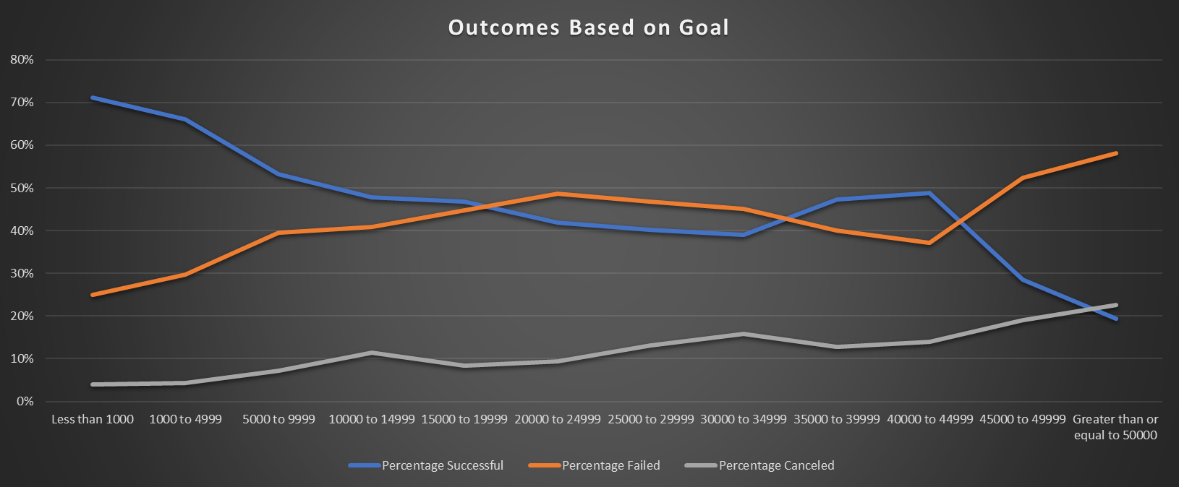
Goal | Number Successful | Number Failed | Number Canceled | Total Projects | Percentage Successful | Percentage Failed | Percentage Canceled
Less than 1000 | 322 | 113 | 18 | 453 | 71% | 25% | 4%
1000 to 4999 | 932 | 420 | 60 | 1412 | 66% | 30% | 4%
5000 to 9999 | 381 | 283 | 52 | 716 | 53% | 40% | 7%
10000 to 14999 | 168 | 144 | 40 | 352 | 48% | 41% | 11%
15000 to 19999 | 94 | 90 | 17 | 201 | 47% | 45% | 8%
20000 to 24999 | 62 | 72 | 14 | 148 | 42% | 49% | 9%
25000 to 29999 | 55 | 64 | 18 | 137 | 40% | 47% | 13%
30000 to 34999 | 32 | 37 | 13 | 82 | 39% | 45% | 16%
35000 to 39999 | 26 | 22 | 7 | 55 | 47% | 40% | 13%
40000 to 44999 | 21 | 16 | 6 | 43 | 49% | 37% | 14%
45000 to 49999 | 6 | 11 | 4 | 21 | 29% | 52% | 19%
Greater than or equal to 50000 | 86 | 258 | 100 | 444 | 19% | 58% | 23%

Outcomes Based on Goal

Sheet2
 | canceled | failed | live | successful
film & video | 40 | 180 |  | 300
food | 20 | 140 | 6 | 34
games |  | 140 |  | 80
journalism | 24
music | 20 | 120 | 20 | 540
photography |  | 117 |  | 103
publishing | 30 | 127 |  | 80
technology | 178 | 213 |  | 209
theater | 37 | 493 | 24 | 839
country | (All)

Count of state | Column Labels
Row Labels | canceled | failed | live | successful | Grand Total
film & video | 40 | 180 |  | 300 | 520
food | 20 | 140 | 6 | 34 | 200
games |  | 140 |  | 80 | 220
journalism | 24 |  |  |  | 24
music | 20 | 120 | 20 | 540 | 700
photography |  | 117 |  | 103 | 220
publishing | 30 | 127 |  | 80 | 237
technology | 178 | 213 |  | 209 | 600
theater | 37 | 493 | 24 | 839 | 1393
Grand Total | 349 | 1530 | 50 | 2185 | 4114

Sheet3
 | canceled | failed | successful
animation |  | 1
children's books |  | 2
classical music |  |  | 1
documentary |  |  | 1
drama |  | 5
fiction |  | 1
food trucks | 1 | 3
hardware |  |  | 1
makerspaces |  | 1
mobile games |  | 4
musical | 2 | 1 | 1
nature |  | 1
nonfiction |  |  | 1
photobooks |  | 2 | 2
plays |  | 10 | 5
science fiction | 2
shorts |  |  | 1
space exploration | 2 |  | 2
spaces |  | 2
tabletop games |  |  | 2
television |  |  | 2
translations |  | 2
video games |  | 3
wearables | 1 | 1
web | 6 | 2
country | AU
Category | (All)

Count of state | Column Labels
Row Labels | canceled | failed | successful | Grand Total
animation |  | 1 |  | 1
children's books |  | 2 |  | 2
classical music |  |  | 1 | 1
documentary |  |  | 1 | 1
drama |  | 5 |  | 5
fiction |  | 1 |  | 1
food trucks | 1 | 3 |  | 4
hardware |  |  | 1 | 1
makerspaces |  | 1 |  | 1
mobile games |  | 4 |  | 4
musical | 2 | 1 | 1 | 4
nature |  | 1 |  | 1
nonfiction |  |  | 1 | 1
photobooks |  | 2 | 2 | 4
plays |  | 10 | 5 | 15
science fiction | 2 |  |  | 2
shorts |  |  | 1 | 1
space exploration | 2 |  | 2 | 4
spaces |  | 2 |  | 2
tabletop games |  |  | 2 | 2
television |  |  | 2 | 2
translations |  | 2 |  | 2
video games |  | 3 |  | 3
wearables | 1 | 1 |  | 2
web | 6 | 2 |  | 8
Grand Total | 14 | 41 | 19 | 74

Sheet5
Category | (All)
Years | (All)

Count of state | Column Labels
Row Labels | canceled | failed | live | successful | Grand Total
Jan | 34 | 149 | 2 | 182 | 367
Feb | 27 | 106 | 18 | 202 | 353
Mar | 28 | 108 | 30 | 180 | 346
Apr | 27 | 102 |  | 192 | 321
May | 26 | 126 |  | 234 | 386
Jun | 27 | 147 |  | 211 | 385
 | canceled | failed | live | successful
Jan | 34 | 149 | 2 | 182
Feb | 27 | 106 | 18 | 202
Mar | 28 | 108 | 30 | 180
Apr | 27 | 102 |  | 192
May | 26 | 126 |  | 234
Jun | 27 | 147 |  | 211
Jul | 43 | 150 |  | 194
Aug | 33 | 134 |  | 166
Sep | 24 | 127 |  | 147
Oct | 20 | 149 |  | 183
Nov | 37 | 114 |  | 183
Dec | 23 | 118 |  | 111
Jul | 43 | 150 |  | 194 | 387
Aug | 33 | 134 |  | 166 | 333
Sep | 24 | 127 |  | 147 | 298
Oct | 20 | 149 |  | 183 | 352
Nov | 37 | 114 |  | 183 | 334
Dec | 23 | 118 |  | 111 | 252
Grand Total | 349 | 1530 | 50 | 2185 | 4114

