Football Field
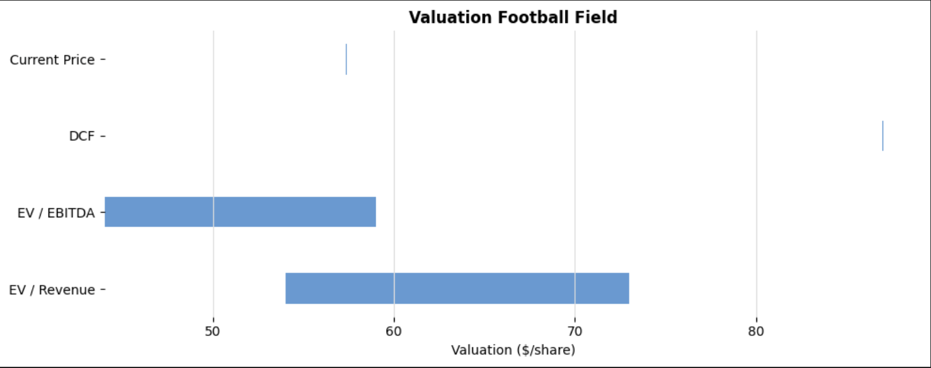
Valuation Method | Low | High | Range
EV / Revenue | 54 | 73 | 19
EV / EBTIDA | 44 | 59 | 15 | LTM Revenue | 46.51
DCF | 87 | 87.1 | 0 | LTM EBTIDA | 3.82
Current Share Price | 57.34 | 57.44 | 0.1 | Net Debt | -957
 |  |  |  | Diluted Shares | 1,205
 |  |  |  | DCF Implied Share Price | 87

 |  |  |  | EV / Revenue - Low Multiple | 1.377
 |  |  |  | EV / Revenue - High Multiple | 1.863
 |  |  |  | EV / EBITDA - Low Multiple | 13.49375
 |  |  |  | EV / EBITDA - High Multiple | 18.25625

