transition density
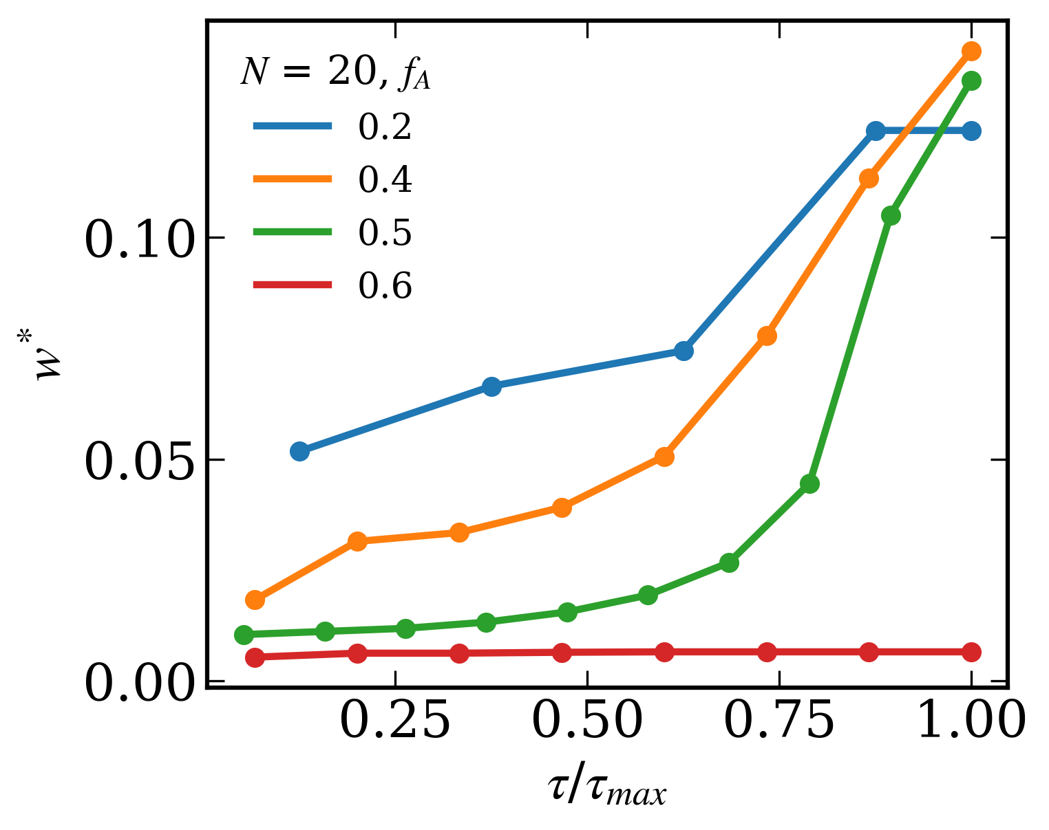
fA = 0.2 |  |  | fA = 0.4 |  |  | fA = 0.5 |  |  | fA = 0.6
Sequences | 𝜏 (transition density) | w* (polymer wt%) | Sequences | 𝜏 (transition density) | w* (polymer wt%) | Sequences | 𝜏 (transition density) | w* (polymer wt%) | Sequences | 𝜏 (transition density) | w* (polymer wt%)
GGGGGGGGGGGGGGGGAAAA | 0.052631578947 | 0.0517873 | AAAAAAAAGGGGGGGGGGGG | 0.052631578947 | 0.0182986 | GGGGGGGGGGAAAAAAAAAA | 0.052631578947 | 0.0104996 | AAAAAAAAAAAAGGGGGGGG | 0.052631578947 | 0.0053999
AAAGGAGGGGGGGGGGGGGG | 0.15789473684 | 0.0664837 | AGGGGGGGGGGGAAAAAAAG | 0.15789473684 | 0.0314958 | AAAAAAAAAGGAGGGGGGGG | 0.15789473684 | 0.0111996 | AGGGGGGGAAAAAAAAAAAG | 0.15789473684 | 0.0062999
AAGAGGAGGGGGGGGGGGGG | 0.26315789474 | 0.0744813 | AGGGGGGGGGGAGAAAAAAG | 0.26315789474 | 0.0334952 | AAAAAAAAGAGGAGGGGGGG | 0.26315789474 | 0.0118995 | AGGGGGGAGAAAAAAAAAAG | 0.26315789474 | 0.0062999
AGGGGAGGGGAGGGGAGGGG | 0.36842105263 | 0.1241601 | AGGGGGGGGGAGAGAAAAAG | 0.36842105263 | 0.0391934 | AAAAAAAGAGAGGAGGGGGG | 0.36842105263 | 0.0132994 | AGGGGGAGAGAAAAAAAAAG | 0.36842105263 | 0.0064999
GGAGGAGGGGAGGGGAGGGG | 0.42105263158 | 0.1241601 | AGGGGGGGGAGAGAGAAAAG | 0.47368421053 | 0.050689 | AAAAAAGAGAGAGGAGGGGG | 0.47368421053 | 0.0155992 | AGGGGAGAGAGAAAAAAAAG | 0.47368421053 | 0.0065999
 |  |  | AGGGGGGGAGAGAGAGAAAG | 0.57894736842 | 0.0778793 | AAAAAGAGAGAGAGGAGGGG | 0.57894736842 | 0.0193987 | AGGGAGAGAGAGAAAAAAAG | 0.57894736842 | 0.0065999
 |  |  | AGGGGGGAGAGAGAGAGAAG | 0.68421052632 | 0.1134634 | AAAAGAGAGAGAGAGGAGGG | 0.68421052632 | 0.0266975 | AGGAGAGAGAGAGAAAAAAG | 0.68421052632 | 0.0065999
 |  |  | AGGGGGAGAGAGAGAGAGAG | 0.78947368421 | 0.1468521 | AAAGAGAGAGAGAGAGGAGG | 0.78947368421 | 0.0445931 | AGAGAGAGAGAGAGAAAAAG | 0.78947368421 | 0.0065999
 |  |  |  |  |  | AAGAGAGAGAGAGAGAGGAG | 0.89473684211 | 0.1050693
 |  |  |  |  |  | GAGAGAGAGAGAGAGAGAGA | 1 | 0.135453

composition (diblock)
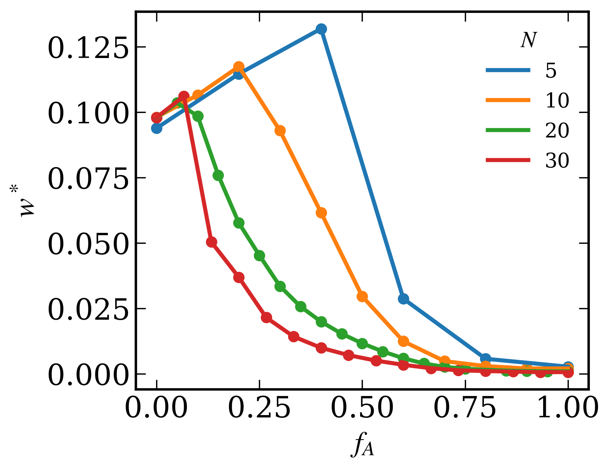
N = 5 |  |  | N = 10 |  |  | N = 20 |  |  | N = 30
fA (diblock composition) | w* (polymer wt%) | Spinodal Type | fA (diblock composition) | w* (polymer wt%) | Spinodal Type | fA (diblock composition) | w* (polymer wt%) | Spindal Type | fA (diblock composition) | w* (polymer wt%) | Spinodal Type
0 | 0.0938934 | 1 | 0 | 0.0980928 | 1 | 0 | 0.0978929 | 1 | 0 | 0.0979928 | 1
0.2 | 0.114675 | 1 | 0.1 | 0.1065732 | 1 | 0.05 | 0.1035884 | 1 | 0.066666666667 | 0.1061865 | 1
0.4 | 0.1319592 | 1 | 0.2 | 0.1174634 | 1 | 0.1 | 0.0985767 | 1 | 0.13333333333 | 0.0497886 | 2
0.6 | 0.0286978 | 2 | 0.3 | 0.0929734 | 2 | 0.15 | 0.0759821 | 2 | 0.2 | 0.0368919 | 2
0.8 | 0.0056999 | 1 | 0.4 | 0.0615847 | 2 | 0.2 | 0.0576858 | 2 | 0.26666666667 | 0.0214975 | 2
1 | 0.0026879 | 1 | 0.5 | 0.029597 | 2 | 0.25 | 0.04598937 | 2 | 0.33333333333 | 0.014199 | 2
 |  |  | 0.6 | 0.0123996 | 2 | 0.3 | 0.0334943 | 2 | 0.4 | 0.0098996 | 2
 |  |  | 0.7 | 0.0048 | 1 | 0.35 | 0.0256969 | 2 | 0.46666666667 | 0.0070998 | 2
 |  |  | 0.8 | 0.0029 | 1 | 0.4 | 0.0198983 | 2 | 0.53333333333 | 0.0049999 | 2
 |  |  | 0.9 | 0.002 | 1 | 0.45 | 0.0152991 | 2 | 0.6 | 0.0034 | 2
 |  |  | 1 | 0.002 | 1 | 0.5 | 0.0115995 | 2 | 0.66666666667 | 0.0021 | 1
 |  |  |  |  |  | 0.55 | 0.0084998 | 2 | 0.73333333333 | 0.0013 | 1
 |  |  |  |  |  | 0.6 | 0.0058999 | 2 | 0.8 | 0.001 | 1
 |  |  |  |  |  | 0.65 | 0.0039 | 1 | 0.86666666667 | 0.0008 | 1
 |  |  |  |  |  | 0.7 | 0.0026 | 1 | 0.93333333333 | 0.0006 | 1
1,1,1,2,1,1 |  |  |  |  |  | 0.75 | 0.0019 | 1 | 1 | 0.0006 | 1
 |  |  |  |  |  | 0.8 | 0.0015 | 1
 |  |  |  |  |  | 0.85 | 0.0012 | 1
 |  |  |  |  |  | 0.9 | 0.001 | 1
 |  |  |  |  |  | 0.95 | 0.0009 | 1
 |  |  |  |  |  | 1 | 0.0009 | 1

local autocorrelation
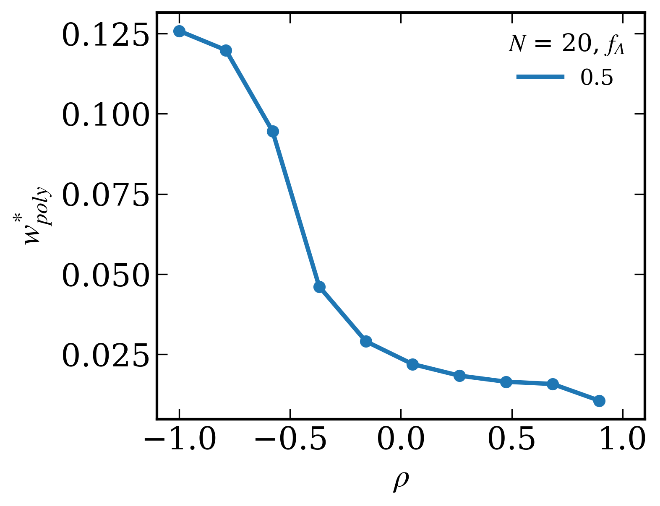
N = 20, fA = 0.5
Sequences | 𝜌 (local autocorrelation) | w* (polymer wt%)
AGAGAGAGAGAGAGAGAGAG | -1 | 0.125862
AGGAGAGAGAGAGAGAGAAG | -0.78947368421 | 0.1198644
AGGGAGAGAGAGAGAGAAAG | -0.57894736842 | 0.0945746
AGGGGAGAGAGAGAGAAAAG | -0.36842105263 | 0.0460926
AGGGGGAGAGAGAGAAAAAG | -0.15789473684 | 0.0289971
AGGGGGGAGAGAGAAAAAAG | 0.052631578947 | 0.0218983
AGGGGGGGAGAGAAAAAAAG | 0.26315789474 | 0.0182988
AGGGGGGGGAGAAAAAAAAG | 0.47368421053 | 0.0163991
AGGGGGGGGGAAAAAAAAAG | 0.68421052632 | 0.0156991
AAAAAAAAAAGGGGGGGGGG | 0.89473684211 | 0.0104996

