Sheet2
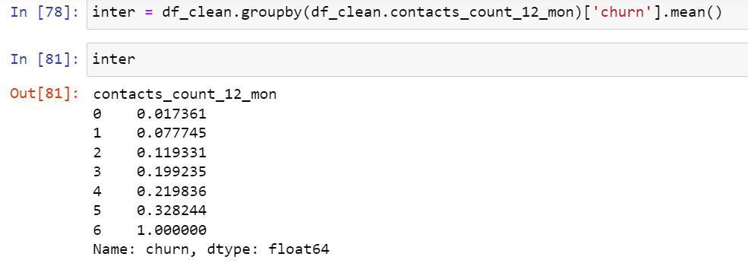
Row Labels | Average of churn | Count of clientnum | Row Labels | Sum of churn | Count of clientnum |  |  |  | Final result
0 | 1.74% | 288 | 0 | 5 | 288 | 5 | 288 | 1.74% | 0.9%
1 | 7.77% | 1029 | 1 | 80 | 1029 | 80 | 1029 | 7.77% | 4.0%
2 | 11.93% | 2271 | 2 | 271 | 2271 | 271 | 2271 | 11.93% | 6.1%
3 | 19.92% | 2354 | 3 | 469 | 2354 | 469 | 2354 | 19.92% | 10.2%
4 | 21.98% | 978 | 4 | 215 | 978 | 215 | 978 | 21.98% | 11.2%
5 | 32.82% | 131 | 5 | 43 | 131 | 43 | 131 | 32.82% | 16.7%
6 | 100.00% | 30 | 6 | 30 | 30 | 30 | 30 | 100.00% | 51.0%
Grand Total | 15.72% | 7081 | Grand Total | 1113 | 7081 | 1113 | 7081 | 15.72% | 196.18%

