Top_CF_Cluster_Class
 | Average | Least | Most | (blank)
AminoSugar |  | 6
Carb | 2 | 3
ConHC | 3 | 1 | 8
Lignin | 12 | 2 | 4
Lipid |  | 3 | 1
Other | 1 | 1
Protein |  | 4 | 1
Tannin | 2 |  | 7
UnsatHC |  | 1
(blank)
...
 |  |  | Count of Class | Column Labels
 |  |  | Row Labels | Average | Least | Most | (blank) | Grand Total
 |  |  | AminoSugar |  | 6 |  |  | 6
 |  |  | Carb | 2 | 3 |  |  | 5
 |  |  | ConHC | 3 | 1 | 8 |  | 12
 |  |  | Lignin | 12 | 2 | 4 |  | 18
C18H22O7N2 | Least | Lignin | Lipid |  | 3 | 1 |  | 4
C16H34O5N2 | Least | Protein | Other | 1 | 1 |  |  | 2
C16H27O6N | Least | Protein | Protein |  | 4 | 1 |  | 5
C16H7O6N3S | Least | ConHC | Tannin | 2 |  | 7 |  | 9
C18H17O7N3S | Least | Lignin | UnsatHC |  | 1 |  |  | 1
C18H37O6P | Least | Protein | (blank)
C14H24O9S | Least | AminoSugar | Grand Total | 20 | 21 | 21 |  | 62
C18H35O9P | Least | Protein
C14H27O10N2P | Least | Carb
C10H23O10SP | Least | Other
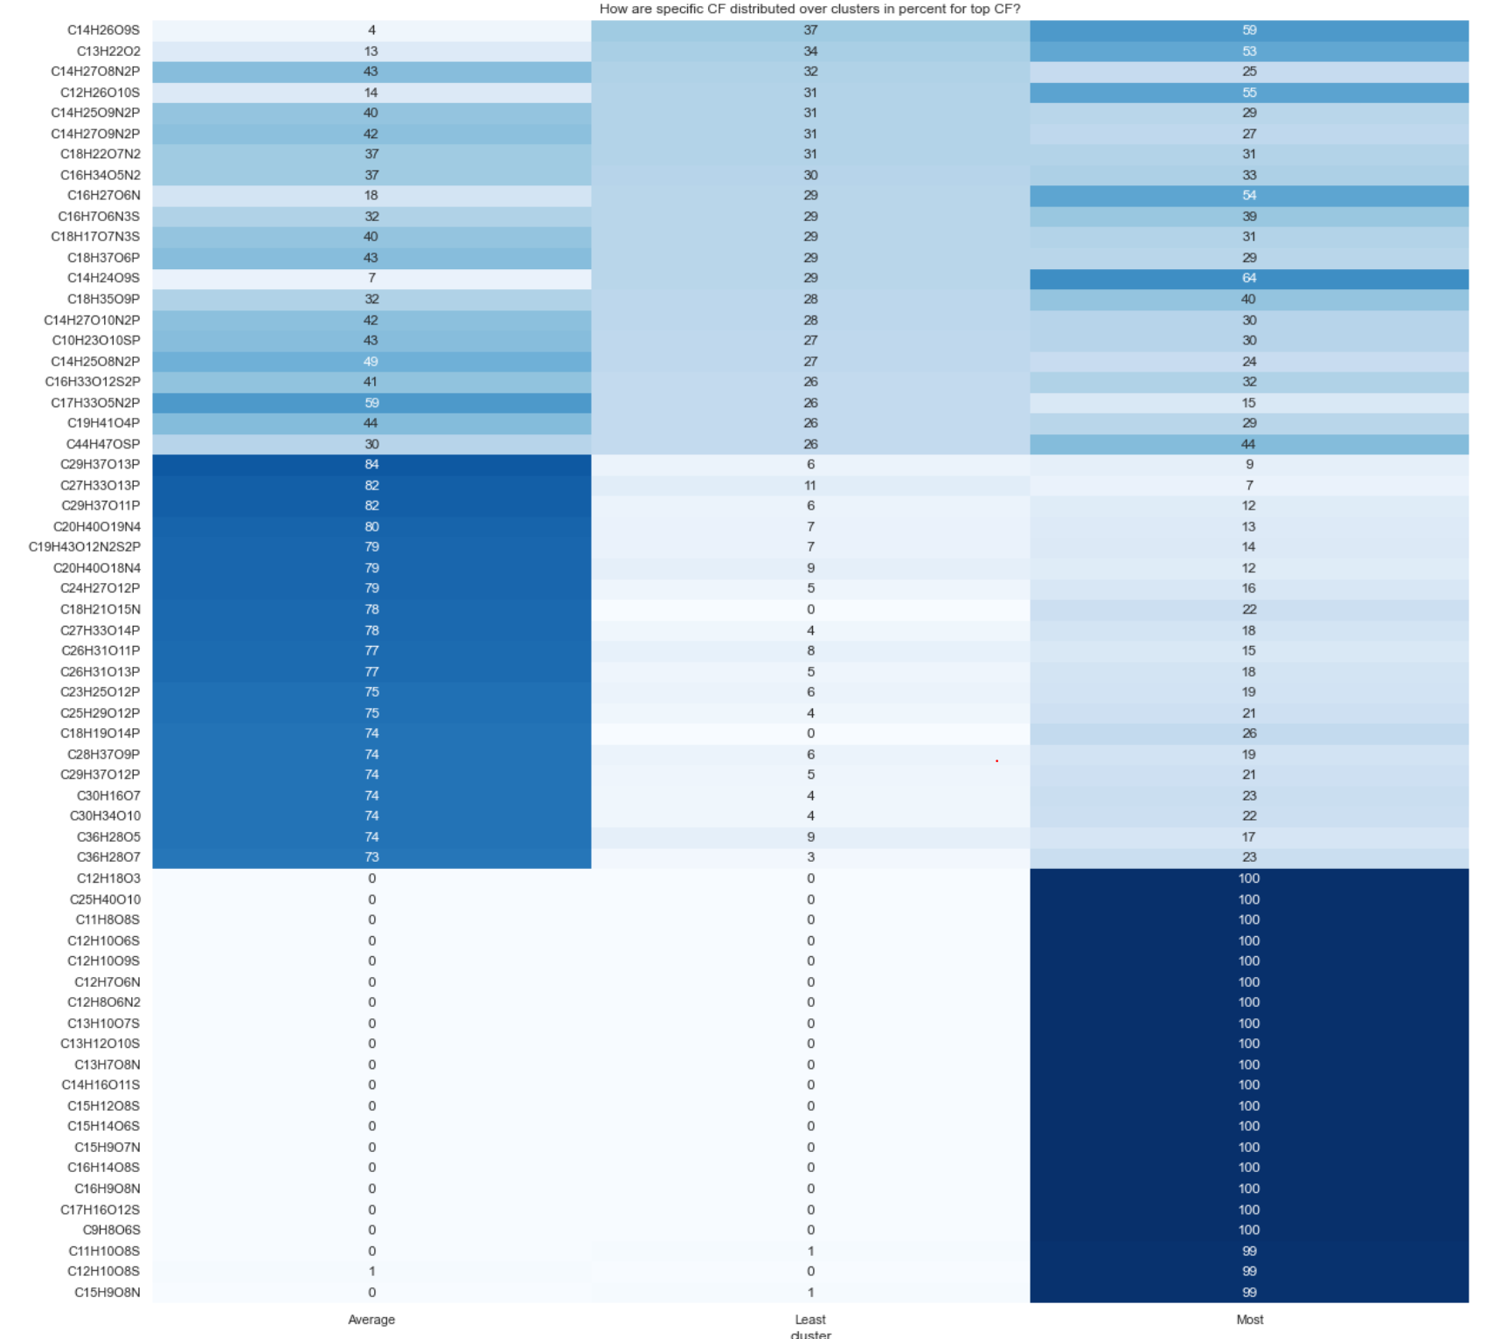
C14H25O8N2P | Least | AminoSugar
C16H33O12S2P | Least | Carb
C17H33O5N2P | Least | Lipid
C19H41O4P | Least | Lipid
C44H47OSP | Least | UnsatHC
C29H37O13P | Average | Lignin
C27H33O13P | Average | Lignin
C29H37O11P | Average | Lignin
C20H40O19N4 | Average | Carb
C19H43O12N2S2P | Average | Other
C20H40O18N4 | Average | Carb
C24H27O12P | Average | Lignin
C18H21O15N | Average | Tannin
C27H33O14P | Average | Lignin
C26H31O11P | Average | Lignin
C26H31O13P | Average | Lignin
C23H25O12P | Average | Lignin
C25H29O12P | Average | Lignin
C18H19O14P | Average | Tannin
C28H37O9P | Average | Lignin
C29H37O12P | Average | Lignin
C30H16O7 | Average | ConHC
C30H34O10 | Average | Lignin
C36H28O5 | Average | ConHC
C36H28O7 | Average | ConHC
C12H18O3 | Most | Lipid
C25H40O10 | Most | Protein
C11H8O8S | Most | ConHC
C12H10O6S | Most | Lignin
C12H10O9S | Most | Tannin
C12H7O6N | Most | ConHC
C12H8O6N2 | Most | ConHC
C13H10O7S | Most | ConHC
C13H12O10S | Most | Tannin
C13H7O8N | Most | ConHC
C14H16O11S | Most | Tannin
C15H12O8S | Most | Lignin
C15H14O6S | Most | Lignin
C15H9O7N | Most | ConHC
C16H14O8S | Most | Lignin
C16H9O8N | Most | ConHC
C17H16O12S | Most | Tannin
C9H8O6S | Most | Tannin
C11H10O8S | Most | Tannin
C12H10O8S | Most | Tannin
C15H9O8N | Most | ConHC

site_cluster_class
%Other | %Protein | %Tannin | %UnsatHC
0% | 10% | 16% | 1% | 100%
1% | 11% | 15% | 1% | 100% | Row Labels | Average of %Lignin | Average of %Tannin | Average of %ConHC | Average of %Protein | Average of %AminoSugar | Average of %Lipid | Average of %Carb | Average of %UnsatHC | Average of %Other
0% | 9% | 17% | 1% | 100% | Average | 0.58470442391 | 0.14405505865 | 0.11420412608 | 0.090080833764 | 0.025003444208 | 0.018260467706 | 0.008511713264 | 0.0097871030822 | 0.0053928293385
0% | 11% | 16% | 1% | 100% | Least | 0.62354258832 | 0.11006740624 | 0.062271608746 | 0.1207152061 | 0.032861346768 | 0.028229271567 | 0.0089792972207 | 0.00560839686 | 0.0077248781769
0% | 10% | 16% | 1% | 100% | Most | 0.55854456677 | 0.14264987567 | 0.12126874338 | 0.10272603741 | 0.031135012217 | 0.019090209239 | 0.012836163847 | 0.0080440545835 | 0.0037053368749
0% | 10% | 16% | 1% | 100% | (blank)
0% | 9% | 16% | 1% | 100% | Grand Total | 0.57429676204 | 0.13968443161 | 0.11263577988 | 0.1003321823 | 0.029234998053 | 0.019774047002 | 0.010959964534 | 0.0083786808047 | 0.0047031537737
0% | 9% | 18% | 0% | 100%
 | Average of %Lignin | Average of %Tannin | Average of %ConHC | Average of %Protein | Average of %AminoSugar | Average of %Lipid | Average of %Carb | Average of %UnsatHC | Average of %Other
Average | 0.58470442391 | 0.14405505865 | 0.11420412608 | 0.090080833764 | 0.025003444208 | 0.018260467706 | 0.008511713264 | 0.0097871030822 | 0.0053928293385
Least | 0.62354258832 | 0.11006740624 | 0.062271608746 | 0.1207152061 | 0.032861346768 | 0.028229271567 | 0.0089792972207 | 0.00560839686 | 0.0077248781769
Most | 0.55854456677 | 0.14264987567 | 0.12126874338 | 0.10272603741 | 0.031135012217 | 0.019090209239 | 0.012836163847 | 0.0080440545835 | 0.0037053368749
(blank)
0% | 8% | 18% | 0% | 100%
0% | 11% | 11% | 1% | 100%
0% | 12% | 13% | 0% | 100%
0% | 12% | 12% | 1% | 100%
1% | 10% | 13% | 1% | 100%
1% | 10% | 14% | 1% | 100%
1% | 11% | 14% | 1% | 100%
1% | 9% | 14% | 1% | 100%
0% | 10% | 15% | 1% | 100%
0% | 10% | 14% | 1% | 100%
0% | 9% | 15% | 1% | 100%
0% | 9% | 15% | 1% | 100%
0% | 10% | 14% | 1% | 100%
0% | 10% | 15% | 1% | 100%
0% | 10% | 14% | 1% | 100%
0% | 12% | 14% | 1% | 100%
1% | 12% | 13% | 1% | 100%
0% | 12% | 15% | 1% | 100%
0% | 8% | 16% | 1% | 100%
0% | 8% | 15% | 1% | 100%
0% | 8% | 15% | 1% | 100%
0% | 9% | 14% | 1% | 100%
0% | 9% | 14% | 1% | 100%
0% | 8% | 15% | 1% | 100%
1% | 15% | 4% | 1% | 100%
1% | 16% | 4% | 1% | 100%
1% | 15% | 5% | 1% | 100%
0% | 11% | 15% | 1% | 100%
1% | 12% | 14% | 1% | 100%
0% | 12% | 15% | 1% | 100%
1% | 12% | 4% | 2% | 100%
1% | 9% | 13% | 1% | 100%
1% | 13% | 3% | 2% | 100%
0% | 9% | 15% | 1% | 100%
0% | 10% | 14% | 1% | 100%
0% | 9% | 15% | 1% | 100%
1% | 9% | 14% | 1% | 100%
2% | 15% | 7% | 1% | 100%
1% | 12% | 12% | 1% | 100%
0% | 10% | 15% | 1% | 100%
0% | 10% | 15% | 1% | 100%
0% | 10% | 15% | 1% | 100%
...

sed_site_class
%Tannin | %UnsatHC |  | Max class
6% | 4% | 100% | %Protein | Row Labels | Count of Max class
7% | 3% | 100% | %Protein | %Lignin | 61
6% | 3% | 100% | %Protein | %Protein | 178
9% | 2% | 100% | %Lignin | Grand Total | 239
1% | 2% | 100% | %Protein
7% | 4% | 100% | %Protein
4% | 6% | 100% | %Protein
6% | 2% | 100% | %Protein
5% | 3% | 100% | %Protein
6% | 3% | 100% | %Protein
5% | 1% | 100% | %Protein
5% | 4% | 100% | %Protein
7% | 3% | 100% | %Protein
5% | 4% | 100% | %Protein
3% | 3% | 100% | %Protein
6% | 3% | 100% | %Protein
8% | 2% | 100% | %Lignin
5% | 2% | 100% | %Lignin
8% | 2% | 100% | %Lignin
8% | 4% | 100% | %Protein
10% | 3% | 100% | %Lignin
9% | 3% | 100% | %Protein
7% | 2% | 100% | %Lignin
5% | 2% | 100% | %Lignin
6% | 2% | 100% | %Lignin
6% | 3% | 100% | %Protein
6% | 3% | 100% | %Lignin
8% | 1% | 100% | %Lignin
6% | 4% | 100% | %Protein
6% | 4% | 100% | %Protein
4% | 3% | 100% | %Protein
5% | 3% | 100% | %Protein
2% | 2% | 100% | %Protein
...

