Top_CF_Cluster_Class
 | Average | Least | Most | (blank)
AminoSugar |  | 6
Carb | 2 | 3
ConHC | 3 | 1 | 8
Lignin | 12 | 2 | 4
Lipid |  | 3 | 1
Other | 1 | 1
Protein |  | 4 | 1
Tannin | 2 |  | 7
UnsatHC |  | 1
(blank)
Top 20 CF per cluster | Cluster | Class
C14H26O9S | Least | AminoSugar | Count of Class | Column Labels
C13H22O2 | Least | Lipid | Row Labels | Average | Least | Most | (blank) | Grand Total
C14H27O8N2P | Least | AminoSugar | AminoSugar |  | 6 |  |  | 6
C12H26O10S | Least | Carb | Carb | 2 | 3 |  |  | 5
C14H25O9N2P | Least | AminoSugar | ConHC | 3 | 1 | 8 |  | 12
C14H27O9N2P | Least | AminoSugar | Lignin | 12 | 2 | 4 |  | 18
C18H22O7N2 | Least | Lignin | Lipid |  | 3 | 1 |  | 4
C16H34O5N2 | Least | Protein | Other | 1 | 1 |  |  | 2
C16H27O6N | Least | Protein | Protein |  | 4 | 1 |  | 5
C16H7O6N3S | Least | ConHC | Tannin | 2 |  | 7 |  | 9
C18H17O7N3S | Least | Lignin | UnsatHC |  | 1 |  |  | 1
C18H37O6P | Least | Protein | (blank)
C14H24O9S | Least | AminoSugar | Grand Total | 20 | 21 | 21 |  | 62
C18H35O9P | Least | Protein
C14H27O10N2P | Least | Carb
C10H23O10SP | Least | Other
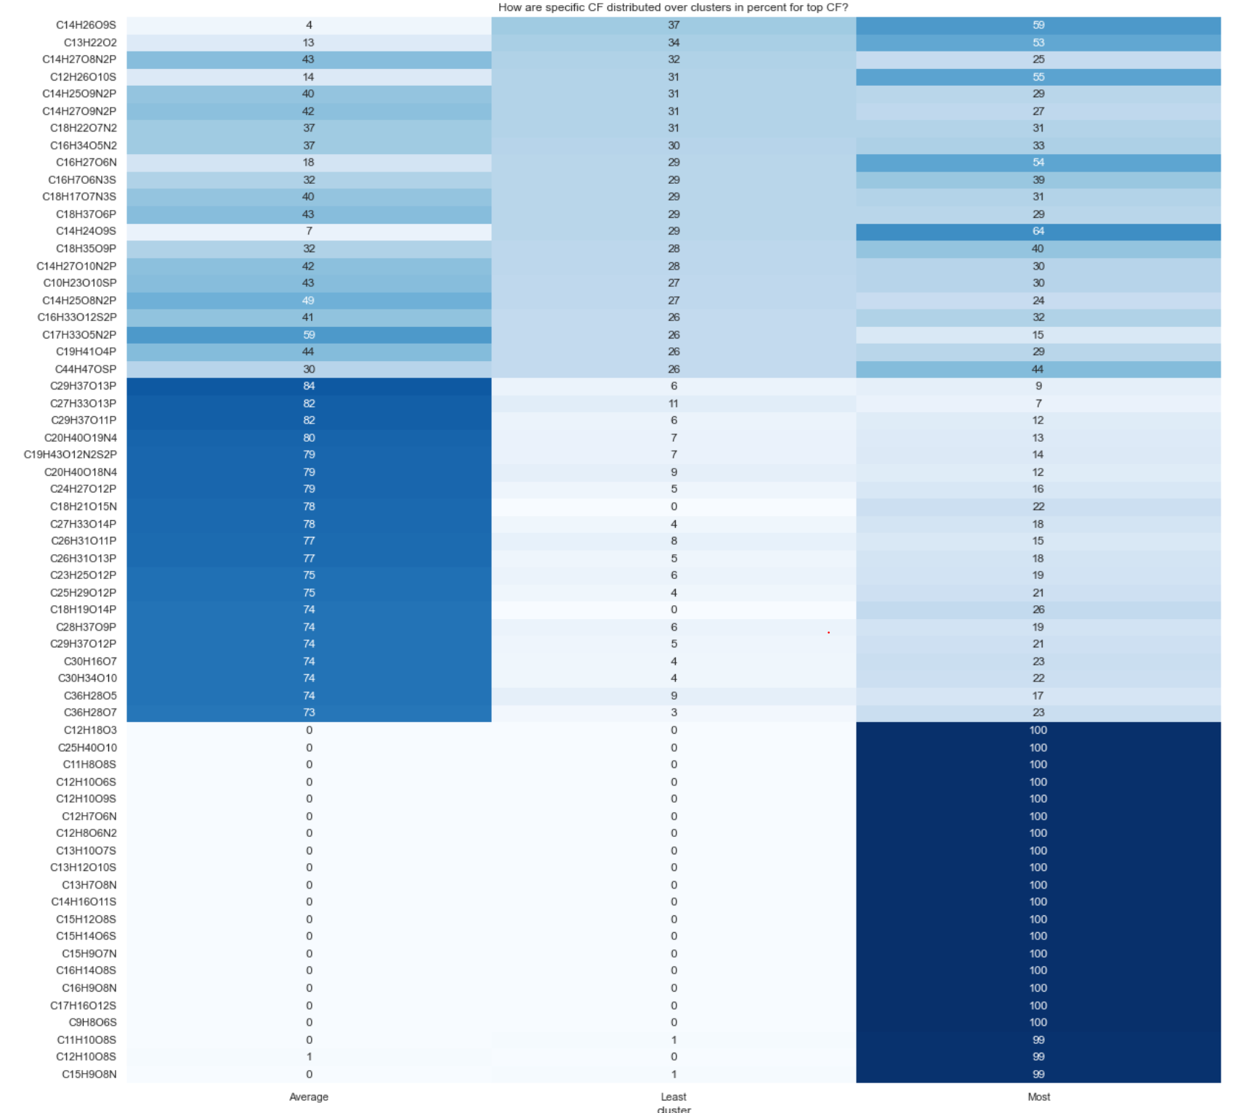
C14H25O8N2P | Least | AminoSugar
C16H33O12S2P | Least | Carb
C17H33O5N2P | Least | Lipid
C19H41O4P | Least | Lipid
C44H47OSP | Least | UnsatHC
C29H37O13P | Average | Lignin
C27H33O13P | Average | Lignin
C29H37O11P | Average | Lignin
C20H40O19N4 | Average | Carb
C19H43O12N2S2P | Average | Other
C20H40O18N4 | Average | Carb
C24H27O12P | Average | Lignin
C18H21O15N | Average | Tannin
C27H33O14P | Average | Lignin
C26H31O11P | Average | Lignin
C26H31O13P | Average | Lignin
C23H25O12P | Average | Lignin
C25H29O12P | Average | Lignin
C18H19O14P | Average | Tannin
C28H37O9P | Average | Lignin
C29H37O12P | Average | Lignin
C30H16O7 | Average | ConHC
C30H34O10 | Average | Lignin
C36H28O5 | Average | ConHC
C36H28O7 | Average | ConHC
C12H18O3 | Most | Lipid
C25H40O10 | Most | Protein
C11H8O8S | Most | ConHC
C12H10O6S | Most | Lignin
C12H10O9S | Most | Tannin
C12H7O6N | Most | ConHC
C12H8O6N2 | Most | ConHC
C13H10O7S | Most | ConHC
C13H12O10S | Most | Tannin
C13H7O8N | Most | ConHC
C14H16O11S | Most | Tannin
C15H12O8S | Most | Lignin
C15H14O6S | Most | Lignin
C15H9O7N | Most | ConHC
C16H14O8S | Most | Lignin
C16H9O8N | Most | ConHC
C17H16O12S | Most | Tannin
C9H8O6S | Most | Tannin
C11H10O8S | Most | Tannin
C12H10O8S | Most | Tannin
C15H9O8N | Most | ConHC

site_cluster_class
sample_id | cluster | AminoSugar | Carb | ConHC | Lignin | Lipid | Other | Protein | Tannin | UnsatHC | Total CF | %AminoSugar | %Carb | %ConHC | %Lignin | %Lipid | %Other | %Protein | %Tannin | %UnsatHC
SW_S19S.0003_U_1 | Average | 89 | 32 | 280 | 1276 | 37 | 8 | 230 | 367 | 16 | 2335 | 4% | 1% | 12% | 55% | 2% | 0% | 10% | 16% | 1% | 100%
SW_S19S.0003_U_2 | Average | 90 | 33 | 272 | 1421 | 51 | 15 | 273 | 382 | 23 | 2560 | 4% | 1% | 11% | 56% | 2% | 1% | 11% | 15% | 1% | 100% | Row Labels | Average of %Lignin | Average of %Tannin | Average of %ConHC | Average of %Protein | Average of %AminoSugar | Average of %Lipid | Average of %Carb | Average of %UnsatHC | Average of %Other
SW_S19S.0003_U_3 | Most | 79 | 39 | 346 | 1544 | 37 | 12 | 241 | 462 | 22 | 2782 | 3% | 1% | 12% | 55% | 1% | 0% | 9% | 17% | 1% | 100% | Average | 0.58470442391 | 0.14405505865 | 0.11420412608 | 0.090080833764 | 0.025003444208 | 0.018260467706 | 0.008511713264 | 0.0097871030822 | 0.0053928293385
SW_S19S.0004_U_1 | Most | 103 | 39 | 317 | 1517 | 46 | 8 | 301 | 465 | 27 | 2823 | 4% | 1% | 11% | 54% | 2% | 0% | 11% | 16% | 1% | 100% | Least | 0.62354258832 | 0.11006740624 | 0.062271608746 | 0.1207152061 | 0.032861346768 | 0.028229271567 | 0.0089792972207 | 0.00560839686 | 0.0077248781769
SW_S19S.0004_U_2 | Most | 100 | 45 | 311 | 1578 | 46 | 12 | 287 | 462 | 28 | 2869 | 3% | 2% | 11% | 55% | 2% | 0% | 10% | 16% | 1% | 100% | Most | 0.55854456677 | 0.14264987567 | 0.12126874338 | 0.10272603741 | 0.031135012217 | 0.019090209239 | 0.012836163847 | 0.0080440545835 | 0.0037053368749
SW_S19S.0004_U_3 | Most | 95 | 41 | 303 | 1559 | 42 | 8 | 281 | 446 | 27 | 2802 | 3% | 1% | 11% | 56% | 1% | 0% | 10% | 16% | 1% | 100% | (blank)
SW_S19S.0005_U_1 | Most | 96 | 37 | 368 | 1735 | 34 | 10 | 292 | 486 | 23 | 3081 | 3% | 1% | 12% | 56% | 1% | 0% | 9% | 16% | 1% | 100% | Grand Total | 0.57429676204 | 0.13968443161 | 0.11263577988 | 0.1003321823 | 0.029234998053 | 0.019774047002 | 0.010959964534 | 0.0083786808047 | 0.0047031537737
SW_S19S.0005_U_2 | Most | 86 | 29 | 252 | 1360 | 21 | 4 | 211 | 436 | 9 | 2408 | 4% | 1% | 10% | 56% | 1% | 0% | 9% | 18% | 0% | 100%
 | Average of %Lignin | Average of %Tannin | Average of %ConHC | Average of %Protein | Average of %AminoSugar | Average of %Lipid | Average of %Carb | Average of %UnsatHC | Average of %Other
Average | 0.58470442391 | 0.14405505865 | 0.11420412608 | 0.090080833764 | 0.025003444208 | 0.018260467706 | 0.008511713264 | 0.0097871030822 | 0.0053928293385
Least | 0.62354258832 | 0.11006740624 | 0.062271608746 | 0.1207152061 | 0.032861346768 | 0.028229271567 | 0.0089792972207 | 0.00560839686 | 0.0077248781769
Most | 0.55854456677 | 0.14264987567 | 0.12126874338 | 0.10272603741 | 0.031135012217 | 0.019090209239 | 0.012836163847 | 0.0080440545835 | 0.0037053368749
(blank)
SW_S19S.0005_U_3 | Most | 88 | 31 | 291 | 1489 | 31 | 8 | 221 | 469 | 13 | 2641 | 3% | 1% | 11% | 56% | 1% | 0% | 8% | 18% | 0% | 100%
SW_S19S.0006_U_1 | Most | 98 | 30 | 307 | 1856 | 79 | 15 | 354 | 350 | 33 | 3122 | 3% | 1% | 10% | 59% | 3% | 0% | 11% | 11% | 1% | 100%
SW_S19S.0006_U_2 | Most | 70 | 17 | 212 | 1339 | 58 | 6 | 271 | 297 | 7 | 2277 | 3% | 1% | 9% | 59% | 3% | 0% | 12% | 13% | 0% | 100%
SW_S19S.0006_U_3 | Most | 84 | 31 | 247 | 1665 | 76 | 10 | 327 | 322 | 24 | 2786 | 3% | 1% | 9% | 60% | 3% | 0% | 12% | 12% | 1% | 100%
SW_S19S.0007_U_1 | Average | 74 | 27 | 334 | 1615 | 70 | 19 | 280 | 379 | 40 | 2838 | 3% | 1% | 12% | 57% | 2% | 1% | 10% | 13% | 1% | 100%
SW_S19S.0007_U_2 | Average | 65 | 16 | 294 | 1484 | 50 | 15 | 251 | 364 | 32 | 2571 | 3% | 1% | 11% | 58% | 2% | 1% | 10% | 14% | 1% | 100%
SW_S19S.0007_U_3 | Least | 36 | 7 | 138 | 896 | 28 | 8 | 164 | 207 | 12 | 1496 | 2% | 0% | 9% | 60% | 2% | 1% | 11% | 14% | 1% | 100%
SW_S19S.0008_U_1 | Average | 72 | 26 | 363 | 1570 | 53 | 18 | 257 | 384 | 36 | 2779 | 3% | 1% | 13% | 56% | 2% | 1% | 9% | 14% | 1% | 100%
SW_S19S.0008_U_2 | Average | 42 | 11 | 257 | 1180 | 35 | 10 | 196 | 302 | 21 | 2054 | 2% | 1% | 13% | 57% | 2% | 0% | 10% | 15% | 1% | 100%
SW_S19S.0008_U_3 | Average | 62 | 21 | 353 | 1486 | 45 | 13 | 254 | 369 | 39 | 2642 | 2% | 1% | 13% | 56% | 2% | 0% | 10% | 14% | 1% | 100%
SW_S19S.0009_U_1 | Most | 63 | 17 | 256 | 1369 | 24 | 10 | 218 | 352 | 17 | 2326 | 3% | 1% | 11% | 59% | 1% | 0% | 9% | 15% | 1% | 100%
SW_S19S.0009_U_2 | Most | 103 | 44 | 398 | 1757 | 50 | 14 | 301 | 478 | 29 | 3174 | 3% | 1% | 13% | 55% | 2% | 0% | 9% | 15% | 1% | 100%
SW_S19S.0010_U_1 | Most | 105 | 42 | 420 | 1800 | 60 | 12 | 339 | 471 | 39 | 3288 | 3% | 1% | 13% | 55% | 2% | 0% | 10% | 14% | 1% | 100%
SW_S19S.0010_U_2 | Most | 93 | 30 | 344 | 1715 | 53 | 13 | 300 | 451 | 27 | 3026 | 3% | 1% | 11% | 57% | 2% | 0% | 10% | 15% | 1% | 100%
SW_S19S.0010_U_3 | Most | 83 | 28 | 318 | 1640 | 65 | 8 | 292 | 411 | 26 | 2871 | 3% | 1% | 11% | 57% | 2% | 0% | 10% | 14% | 1% | 100%
SW_S19S.0011_U_1 | Most | 109 | 58 | 403 | 1641 | 81 | 10 | 373 | 436 | 37 | 3148 | 3% | 2% | 13% | 52% | 3% | 0% | 12% | 14% | 1% | 100%
SW_S19S.0011_U_2 | Most | 128 | 62 | 413 | 1785 | 92 | 20 | 421 | 459 | 38 | 3418 | 4% | 2% | 12% | 52% | 3% | 1% | 12% | 13% | 1% | 100%
SW_S19S.0011_U_3 | Most | 123 | 64 | 424 | 1754 | 81 | 12 | 407 | 494 | 36 | 3395 | 4% | 2% | 12% | 52% | 2% | 0% | 12% | 15% | 1% | 100%
SW_S19S.0012_U_1 | Most | 64 | 21 | 371 | 1455 | 26 | 7 | 207 | 423 | 25 | 2599 | 2% | 1% | 14% | 56% | 1% | 0% | 8% | 16% | 1% | 100%
SW_S19S.0012_U_2 | Most | 77 | 34 | 437 | 1718 | 44 | 12 | 257 | 463 | 37 | 3079 | 3% | 1% | 14% | 56% | 1% | 0% | 8% | 15% | 1% | 100%
SW_S19S.0012_U_3 | Most | 74 | 30 | 464 | 1754 | 46 | 12 | 268 | 485 | 36 | 3169 | 2% | 1% | 15% | 55% | 1% | 0% | 8% | 15% | 1% | 100%
SW_S19S.0013_U_1 | Most | 79 | 26 | 518 | 1768 | 51 | 12 | 286 | 463 | 40 | 3243 | 2% | 1% | 16% | 55% | 2% | 0% | 9% | 14% | 1% | 100%
SW_S19S.0013_U_2 | Most | 73 | 23 | 503 | 1711 | 57 | 10 | 278 | 435 | 35 | 3125 | 2% | 1% | 16% | 55% | 2% | 0% | 9% | 14% | 1% | 100%
SW_S19S.0013_U_3 | Most | 82 | 27 | 500 | 1655 | 44 | 8 | 252 | 458 | 24 | 3050 | 3% | 1% | 16% | 54% | 1% | 0% | 8% | 15% | 1% | 100%
SW_S19S.0014_U_1 | Least | 64 | 23 | 75 | 1080 | 41 | 12 | 246 | 62 | 9 | 1612 | 4% | 1% | 5% | 67% | 3% | 1% | 15% | 4% | 1% | 100%
SW_S19S.0014_U_2 | Least | 81 | 27 | 78 | 1263 | 61 | 11 | 306 | 79 | 12 | 1918 | 4% | 1% | 4% | 66% | 3% | 1% | 16% | 4% | 1% | 100%
SW_S19S.0014_U_3 | Least | 82 | 32 | 98 | 1232 | 48 | 15 | 279 | 100 | 12 | 1898 | 4% | 2% | 5% | 65% | 3% | 1% | 15% | 5% | 1% | 100%
SW_S19S.0015_U_1 | Most | 93 | 35 | 363 | 1622 | 70 | 13 | 321 | 436 | 26 | 2979 | 3% | 1% | 12% | 54% | 2% | 0% | 11% | 15% | 1% | 100%
SW_S19S.0015_U_2 | Most | 122 | 44 | 375 | 1713 | 97 | 17 | 394 | 451 | 31 | 3244 | 4% | 1% | 12% | 53% | 3% | 1% | 12% | 14% | 1% | 100%
SW_S19S.0015_U_3 | Most | 120 | 60 | 396 | 1651 | 68 | 8 | 378 | 489 | 34 | 3204 | 4% | 2% | 12% | 52% | 2% | 0% | 12% | 15% | 1% | 100%
SW_S19S.0016_U_1 | Least | 45 | 28 | 104 | 1537 | 51 | 12 | 256 | 86 | 40 | 2159 | 2% | 1% | 5% | 71% | 2% | 1% | 12% | 4% | 2% | 100%
SW_S19S.0016_U_2 | Average | 34 | 9 | 124 | 1405 | 43 | 16 | 192 | 265 | 21 | 2109 | 2% | 0% | 6% | 67% | 2% | 1% | 9% | 13% | 1% | 100%
SW_S19S.0016_U_3 | Least | 53 | 29 | 96 | 1564 | 73 | 16 | 281 | 72 | 38 | 2222 | 2% | 1% | 4% | 70% | 3% | 1% | 13% | 3% | 2% | 100%
SW_S19S.0017_U_1 | Most | 84 | 34 | 384 | 1585 | 32 | 6 | 256 | 429 | 18 | 2828 | 3% | 1% | 14% | 56% | 1% | 0% | 9% | 15% | 1% | 100%
SW_S19S.0017_U_2 | Most | 95 | 42 | 425 | 1770 | 60 | 11 | 331 | 432 | 31 | 3197 | 3% | 1% | 13% | 55% | 2% | 0% | 10% | 14% | 1% | 100%
SW_S19S.0017_U_3 | Most | 89 | 30 | 370 | 1564 | 38 | 7 | 264 | 422 | 22 | 2806 | 3% | 1% | 13% | 56% | 1% | 0% | 9% | 15% | 1% | 100%
SW_S19S.0018_U_3 | Average | 67 | 15 | 261 | 1452 | 50 | 16 | 223 | 332 | 32 | 2448 | 3% | 1% | 11% | 59% | 2% | 1% | 9% | 14% | 1% | 100%
SW_S19S.0019_U_1 | Least | 37 | 8 | 56 | 570 | 58 | 17 | 145 | 64 | 7 | 962 | 4% | 1% | 6% | 59% | 6% | 2% | 15% | 7% | 1% | 100%
SW_S19S.0019_U_3 | Average | 68 | 12 | 201 | 1192 | 59 | 18 | 240 | 254 | 26 | 2070 | 3% | 1% | 10% | 58% | 3% | 1% | 12% | 12% | 1% | 100%
SW_S19S.0020_U_1 | Most | 106 | 41 | 427 | 1828 | 65 | 14 | 332 | 487 | 30 | 3330 | 3% | 1% | 13% | 55% | 2% | 0% | 10% | 15% | 1% | 100%
SW_S19S.0020_U_2 | Most | 95 | 47 | 429 | 1744 | 49 | 12 | 309 | 480 | 37 | 3202 | 3% | 1% | 13% | 54% | 2% | 0% | 10% | 15% | 1% | 100%
SW_S19S.0020_U_3 | Most | 104 | 47 | 427 | 1765 | 64 | 10 | 319 | 485 | 37 | 3258 | 3% | 1% | 13% | 54% | 2% | 0% | 10% | 15% | 1% | 100%
SW_S19S.0021_U_1 | Most | 112 | 52 | 354 | 1685 | 95 | 15 | 380 | 376 | 35 | 3104 | 4% | 2% | 11% | 54% | 3% | 0% | 12% | 12% | 1% | 100%
SW_S19S.0021_U_2 | Most | 116 | 52 | 381 | 1866 | 81 | 13 | 402 | 428 | 43 | 3382 | 3% | 2% | 11% | 55% | 2% | 0% | 12% | 13% | 1% | 100%
SW_S19S.0021_U_3 | Most | 112 | 55 | 366 | 1790 | 67 | 9 | 383 | 434 | 39 | 3255 | 3% | 2% | 11% | 55% | 2% | 0% | 12% | 13% | 1% | 100%
SW_S19S.0022_U_1 | Average | 63 | 15 | 249 | 1201 | 55 | 15 | 235 | 277 | 12 | 2122 | 3% | 1% | 12% | 57% | 3% | 1% | 11% | 13% | 1% | 100%
SW_S19S.0022_U_2 | Average | 76 | 21 | 344 | 1415 | 52 | 14 | 224 | 395 | 22 | 2563 | 3% | 1% | 13% | 55% | 2% | 1% | 9% | 15% | 1% | 100%
SW_S19S.0022_U_3 | Most | 67 | 17 | 340 | 1375 | 42 | 6 | 229 | 336 | 17 | 2429 | 3% | 1% | 14% | 57% | 2% | 0% | 9% | 14% | 1% | 100%
SW_S19S.0023_U_1 | Most | 69 | 21 | 336 | 1439 | 33 | 5 | 218 | 402 | 11 | 2534 | 3% | 1% | 13% | 57% | 1% | 0% | 9% | 16% | 0% | 100%
SW_S19S.0023_U_2 | Most | 66 | 18 | 374 | 1650 | 33 | 10 | 231 | 422 | 16 | 2820 | 2% | 1% | 13% | 59% | 1% | 0% | 8% | 15% | 1% | 100%
SW_S19S.0023_U_3 | Most | 90 | 28 | 421 | 1806 | 58 | 10 | 301 | 448 | 28 | 3190 | 3% | 1% | 13% | 57% | 2% | 0% | 9% | 14% | 1% | 100%
SW_S19S.0024_U_1 | Least | 52 | 4 | 47 | 732 | 51 | 16 | 214 | 17 | 7 | 1140 | 5% | 0% | 4% | 64% | 4% | 1% | 19% | 1% | 1% | 100%
SW_S19S.0025_U_1 | Most | 63 | 23 | 309 | 1520 | 38 | 9 | 243 | 379 | 20 | 2604 | 2% | 1% | 12% | 58% | 1% | 0% | 9% | 15% | 1% | 100%
SW_S19S.0025_U_2 | Most | 69 | 28 | 300 | 1554 | 50 | 9 | 249 | 350 | 19 | 2628 | 3% | 1% | 11% | 59% | 2% | 0% | 9% | 13% | 1% | 100%
SW_S19S.0025_U_3 | Most | 57 | 24 | 286 | 1590 | 38 | 7 | 237 | 361 | 17 | 2617 | 2% | 1% | 11% | 61% | 1% | 0% | 9% | 14% | 1% | 100%
SW_S19S.0026_U_1 | Average | 51 | 18 | 230 | 1097 | 28 | 14 | 167 | 310 | 11 | 1926 | 3% | 1% | 12% | 57% | 1% | 1% | 9% | 16% | 1% | 100%
SW_S19S.0026_U_2 | Average | 46 | 13 | 238 | 1022 | 18 | 8 | 151 | 306 | 6 | 1808 | 3% | 1% | 13% | 57% | 1% | 0% | 8% | 17% | 0% | 100%
SW_S19S.0026_U_3 | Average | 65 | 21 | 436 | 1595 | 40 | 13 | 233 | 417 | 29 | 2849 | 2% | 1% | 15% | 56% | 1% | 0% | 8% | 15% | 1% | 100%
SW_S19S.0027_U_1 | Average | 56 | 15 | 246 | 1471 | 36 | 10 | 205 | 409 | 26 | 2474 | 2% | 1% | 10% | 59% | 1% | 0% | 8% | 17% | 1% | 100%
SW_S19S.0027_U_2 | Average | 57 | 27 | 305 | 1586 | 29 | 8 | 201 | 409 | 37 | 2659 | 2% | 1% | 11% | 60% | 1% | 0% | 8% | 15% | 1% | 100%
SW_S19S.0027_U_3 | Average | 53 | 21 | 286 | 1459 | 31 | 13 | 185 | 367 | 29 | 2444 | 2% | 1% | 12% | 60% | 1% | 1% | 8% | 15% | 1% | 100%
SW_S19S.0028_U_1 | Average | 17 | 12 | 180 | 1466 | 29 | 10 | 117 | 265 | 22 | 2118 | 1% | 1% | 8% | 69% | 1% | 0% | 6% | 13% | 1% | 100%
SW_S19S.0028_U_2 | Average | 32 | 22 | 277 | 1703 | 39 | 11 | 152 | 295 | 30 | 2561 | 1% | 1% | 11% | 66% | 2% | 0% | 6% | 12% | 1% | 100%
SW_S19S.0028_U_3 | Average | 27 | 21 | 296 | 1669 | 31 | 11 | 145 | 310 | 31 | 2541 | 1% | 1% | 12% | 66% | 1% | 0% | 6% | 12% | 1% | 100%
...

