crop_pasture_parameters_joy
page 29 of joy's thesis
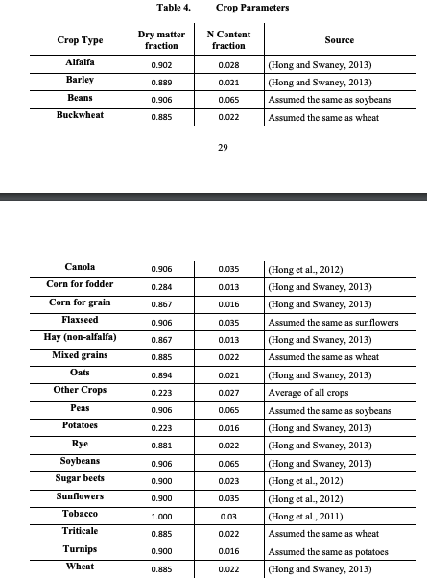

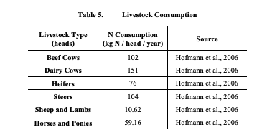

 | g

