Sheet1
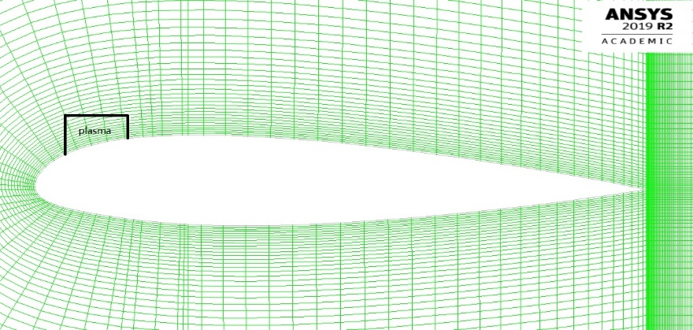
V=1 | Re=6.8E04
aoa | vector |  |  |  |  |  | data
 | V |  | cd |  | cl |  | experiment |  | simulation |  | plasma=5
 | x | y | x | y | x | y | cd | cl | cd | cl | cd | cl
0 | 1 | 0 | 1 | 0 | 0 | 1 | 0.006 | 0.1 | 0.02443 | 0.11300 | 0.02206 | 0.26533
2 | 0.99939082702 | 0.034899496703 | 0.99939082702 | 0.034899496703 | -0.034899496703 | 0.99939082702 | 0.0065 | 0.3 | 0.02552 | 0.30302 | 0.02016 | 0.48990
4 | 0.99756405026 | 0.069756473744 | 0.99756405026 | 0.069756473744 | -0.069756473744 | 0.99756405026 | 0.007 | 0.55 | 0.02813 | 0.48320 | 0.01963 | 0.71220
6 | 0.99452189537 | 0.10452846327 | 0.99452189537 | 0.10452846327 | -0.10452846327 | 0.99452189537 | 0.0075 | 0.75 | 0.03245 | 0.65309 | 0.02053 | 0.92689
8 | 0.99026806874 | 0.13917310096 | 0.99026806874 | 0.13917310096 | -0.13917310096 | 0.99026806874 | 0.0085 | 1 | 0.03940 | 0.79714 | 0.02292 | 1.12970
10 | 0.98480775301 | 0.17364817767 | 0.98480775301 | 0.17364817767 | -0.17364817767 | 0.98480775301 | 0.0105 | 1.2 | 0.05141 | 0.89966 | 0.02765 | 1.31230

cd
 |  |  |  |  |  |  |  |  |  |  |  | aoa | Original |  | Plasma
 |  |  |  |  |  |  |  |  |  |  |  |  | pres | vel | pres | vel
 |  |  |  |  |  |  |  |  |  |  |  | 0 | 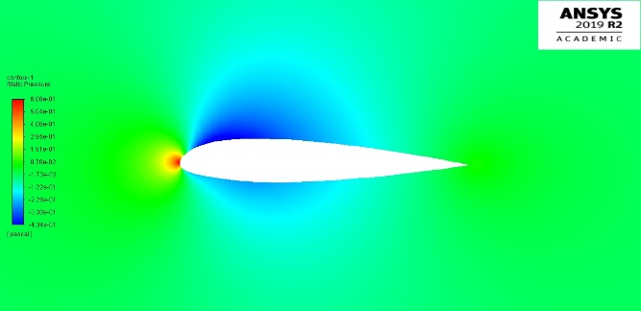 | 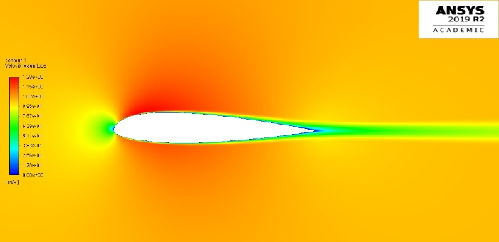 | 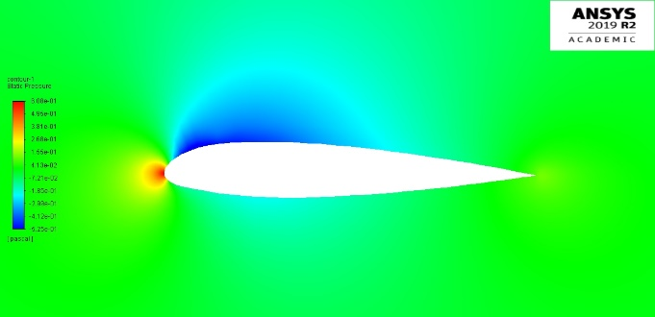 | 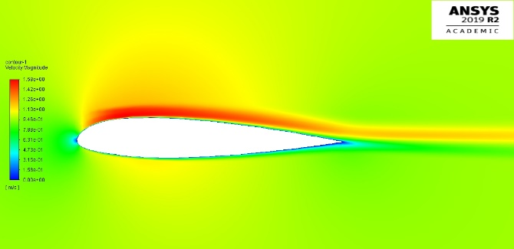
 |  |  |  |  |  |  |  |  |  |  |  | 2 | 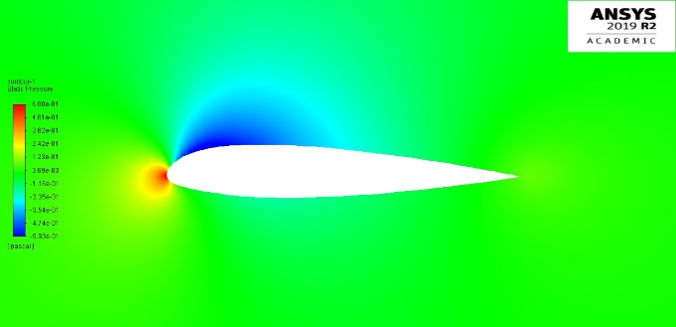 | 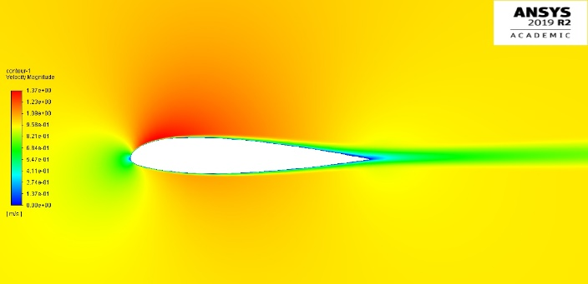 | 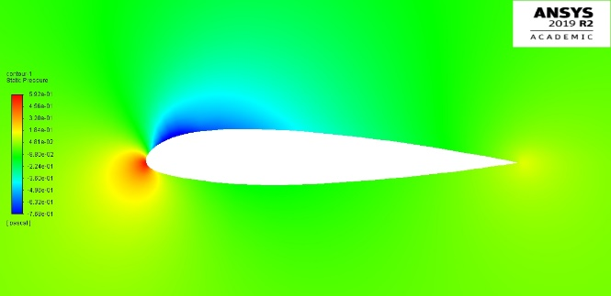 | 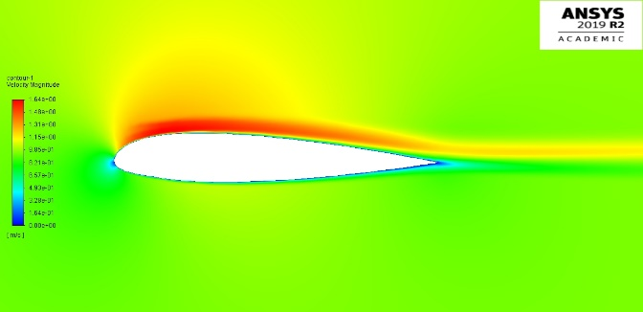
cl
 |  |  |  |  |  |  |  |  |  |  |  | 4 | 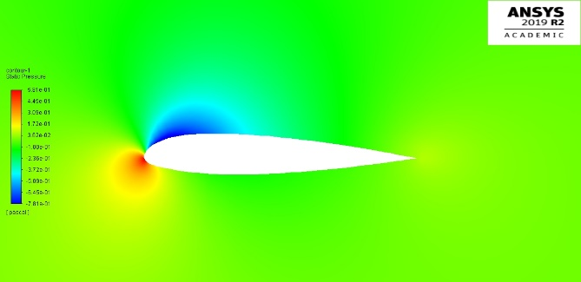 | 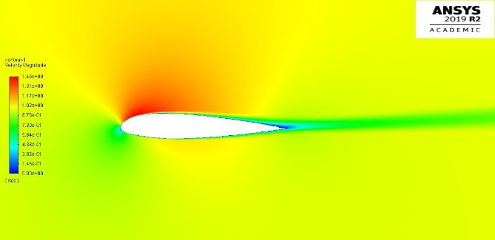 | 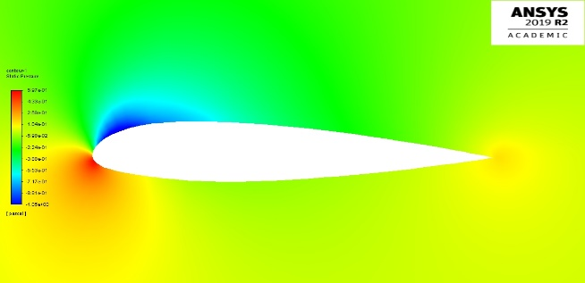 | 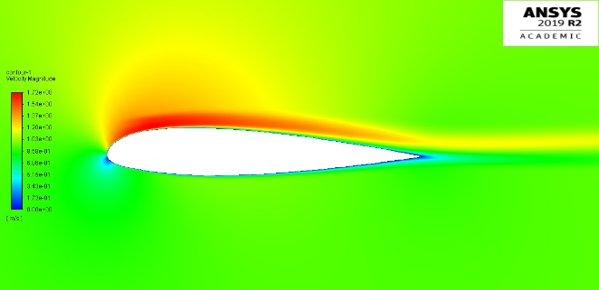
 |  |  |  |  |  |  |  |  |  |  |  | 6 | 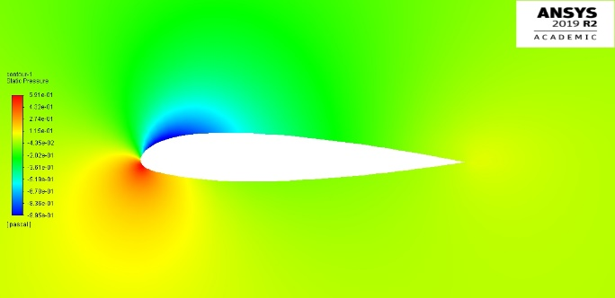 | 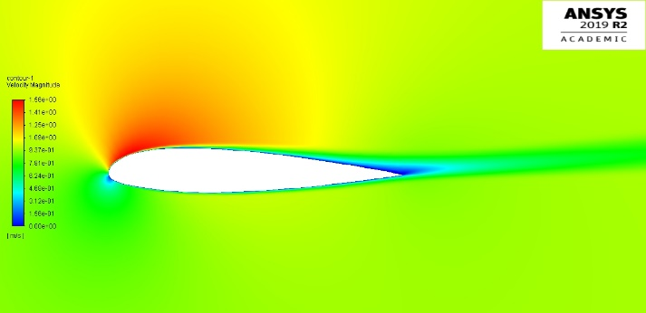 | 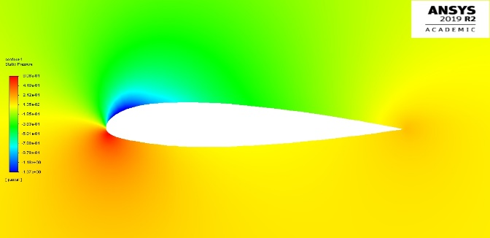 | 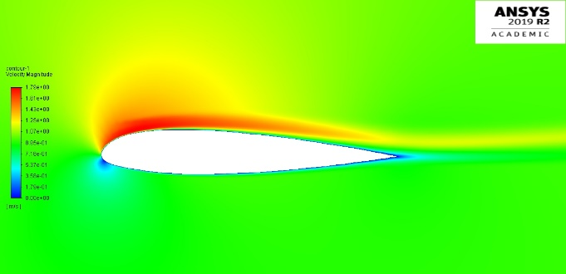
 |  |  |  |  |  |  |  |  |  |  |  | 8 | 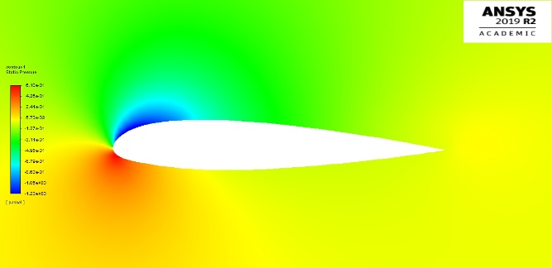 | 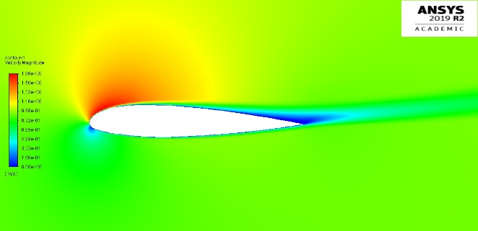 | 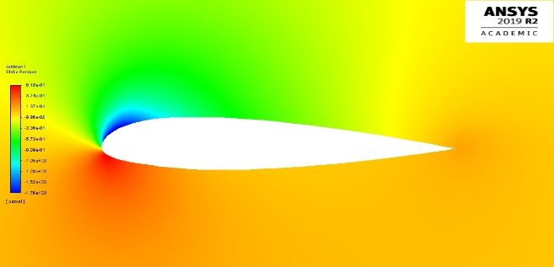 | 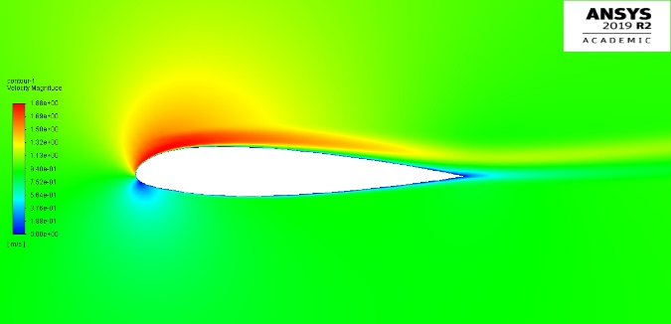
 |  |  |  |  |  |  |  |  |  |  |  | 10 | 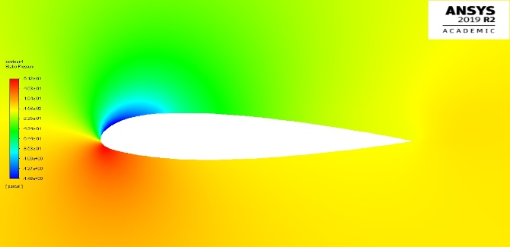 | 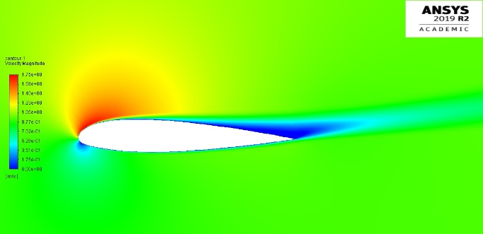 | 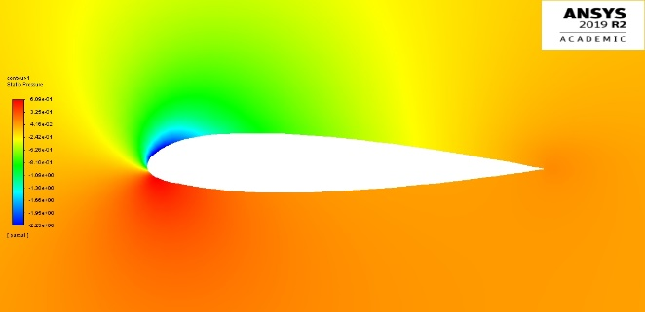 | 