My Sheet
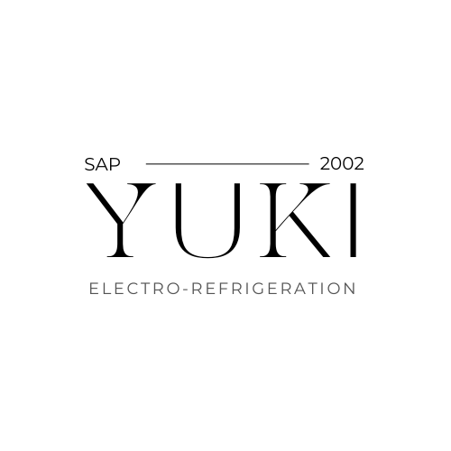
 | Available-to-Promise Report

Company Name | Yuki Vietnam |  |  |  | User | LEARN-033
Fiscal Year | 2024 |  |  |  | Date | 4/12/2024

Material | Material Group | Material Type | Company Code | Plant | Storage Location | Quantity in SLOC | Reserved Stock
DRYR1000 | Yuki Dryer 1000 | YKTG | YKVN | PLHN | SLDG | 0 | 0
DRYR1000 | Yuki Dryer 1000 | YKTG | YKVN | PLSG | SLDG | 0 | 0
FRZR1000 | Yuki Freezer | YKTG | YKVN | PLHN | SLDG | 0 | 0
RFGT1000 | Yuki Refrigerator | YKTG | YKVN | PLHN | SLDG | 0 | 0
WSMC1000 | Yuki Washing Machine | HAWA | YKVN | PLHN | SLDG | 0 | 0
DRYR1000 | Yuki Dryer 1000 | YKTG | YKVN | PLHN | SLDO | 0 | 0
DRYR1000 | Yuki Dryer 1000 | YKTG | YKVN | PLSG | SLDO | 0 | 0
FRZR1000 | Yuki Freezer | YKTG | YKVN | PLHN | SLDO | 0 | 0
RFGT1000 | Yuki Refrigerator | YKTG | YKVN | PLHN | SLDO | 0 | 0
ABCD1000 | Yuki Test Product | YKTG | YKVN | PLSG | SLDO | 0 | 0
WSMC1000 | Yuki Washing Machine | HAWA | YKVN | PLHN | SLDO | 0 | 0
DRYR1000 | Yuki Dryer 1000 | YKTG | YKVN | PLSG | SLEX | 0 | 0
FRZR1000 | Yuki Freezer | YKTG | YKVN | PLSG | SLEX | 0 | 0
RFGT1000 | Yuki Refrigerator | YKTG | YKVN | PLSG | SLEX | 0 | 0
WSMC1000 | Yuki Washing Machine | HAWA | YKVN | PLSG | SLEX | 0 | 0
ACDT1000 | Yuki Air Conditioner 1000 | YKTG | YKVN | PLHN | SLHV | 0 | 10.00
DRYR1000 | Yuki Dryer 1000 | YKTG | YKVN | PLHN | SLHV | 0 | 0
FRZR1000 | Yuki Freezer | YKTG | YKVN | PLHN | SLHV | 0 | 0
RFGT1000 | Yuki Refrigerator | YKTG | YKVN | PLHN | SLHV | 0 | 0
WSMC1000 | Yuki Washing Machine | HAWA | YKVN | PLHN | SLHV | 0 | 0

