工作表1
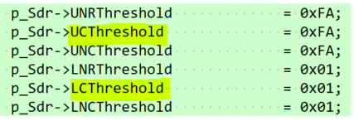
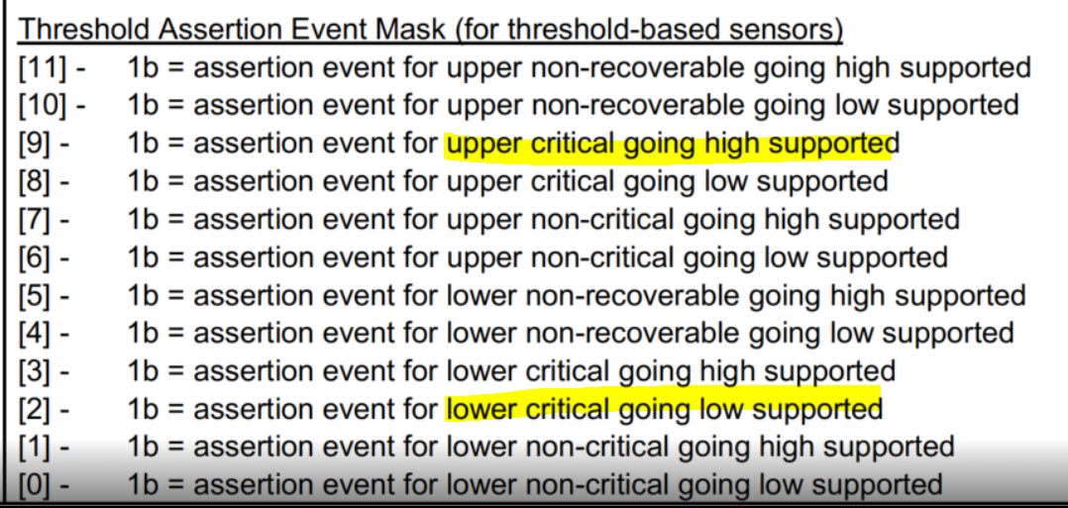
p_Sdr->AssertEvtMask: 0204
p_Sdr->DeAssertEvtMask: 0204

